BugReport examples
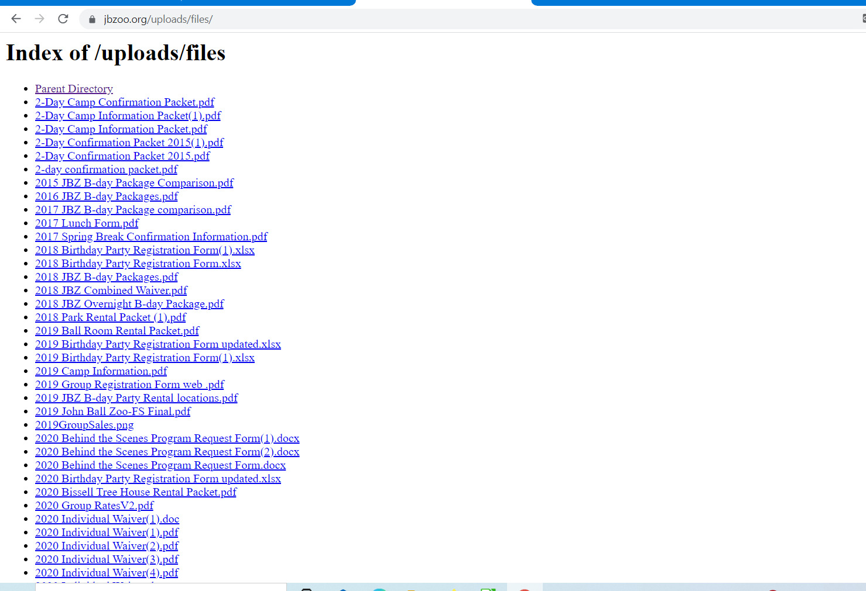
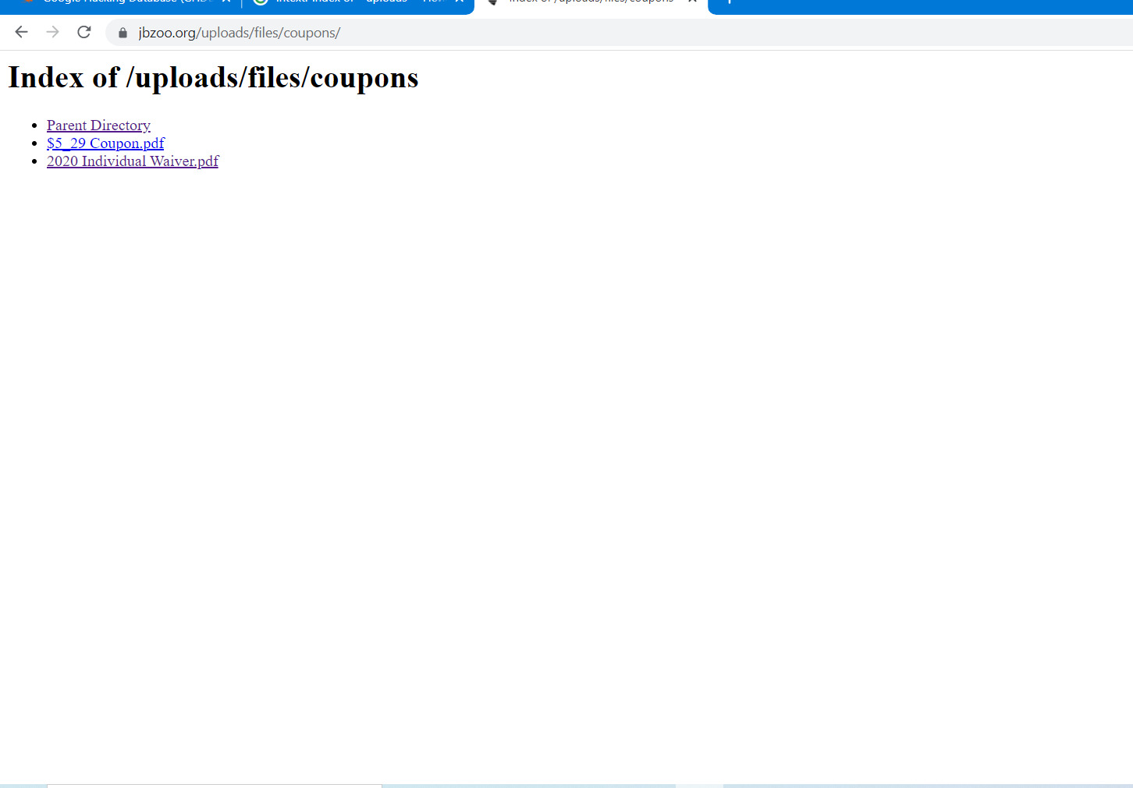
ID number | 1
Summary | Insecure Configuration Management, Directory Indexing Website - https://www.jbzoo.org/
Descriprion | Exposure of Information Through Directory Listing . Actual result: access to the internal catalogs and files are open for everyone Expected result: internal files are closed for external access Requirement ID: - Reproduced on: chrome(87.0.4280.141)x64 OS: Windows 10 Pro,v. 20H2 Reproducibility: always Workaround:-
Steps to reproduce | Open URL: https://www.jbzoo.org/uploads/files/ → the directory is open for everyone. → Index of /uploads/files → contain a lot of internal files. For example, you could find a file → /uploads/files/coupons/$5_29 Coupon.pdf
Severity | Critical
Priority

