BugReport
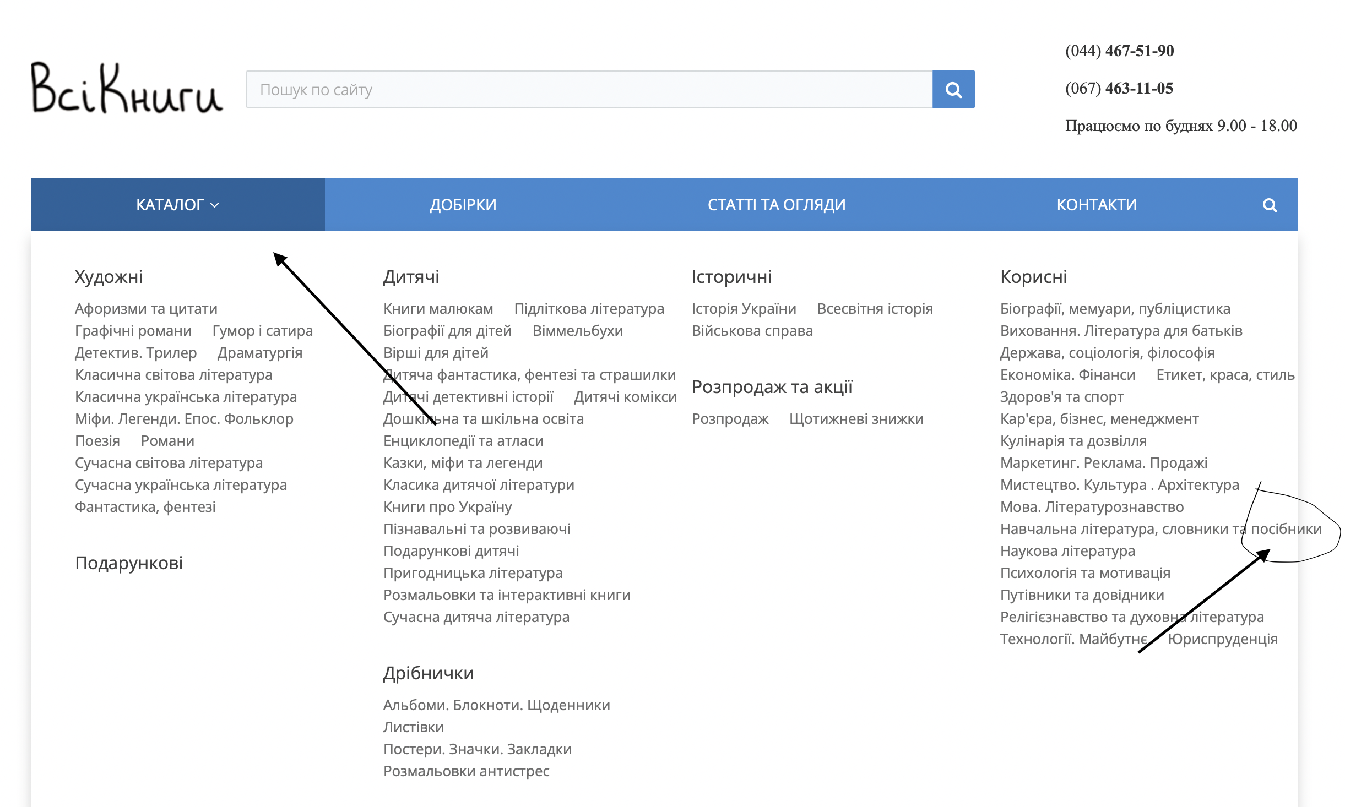
ID number | #1
Reporter | Vladyslav Klopotenko
Site | https://vsiknygy.com.ua
Summary | After openning the drop-down menu "Каталог" in the column "Корисні" the word "посібники" is outside of the drop-down menu
Descriprion | Actual result: In the drop-down menu "Каталог" in the column "Корисні" the word "посібники" is outside of the drop-down menu
 | Expected result: In the drop-down menu "Каталог" in the column "Корисні" the word "посібники" is in the drop-down menu
 | Reproduced on: Safari 14
 | OS: MacOS Monterey 12.3.1
 | Reproducibility: always
 | Workaround:-
Steps to reproduce | 1. Open URL https://vsiknygy.com.ua
 | 2. Click "Каталог"
 | 3. Pay attention to the word “Посібники” in the column"Корисні"
Severity | Trivial
Priority | Low

