Bug_Report
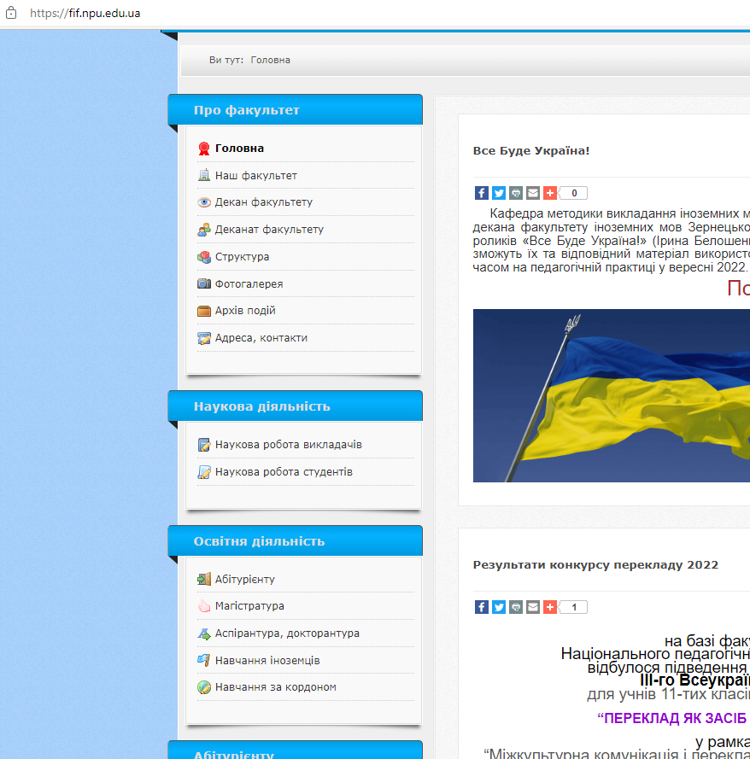
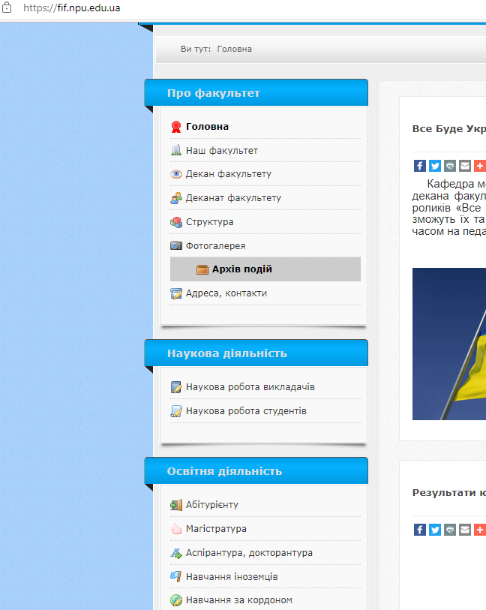
ID number | 1
Summary | Incorrect consequences of animation
Descriprion | Elements in second side menu are shaking if you highlight items in first side menu that are not writen in bold Actual result: some items that aren't highlighted by the cursor shaking if others are highlighted Expected result: items that are not highlighted by the cursor are static Requirement ID: - Reproduced on: Microsoft Edge 100.0.1185.44 OS: Windows 10 Pro 20H2 Reproducibility: always Workaround:-
Steps to reproduce | 1. Open URL: https://fif.npu.edu.ua/ 2. Highlight items in first side menu that are not writen in bold 3. See elements in second side menu are shaking
Severity | Critical
Priority

