BugReport examples
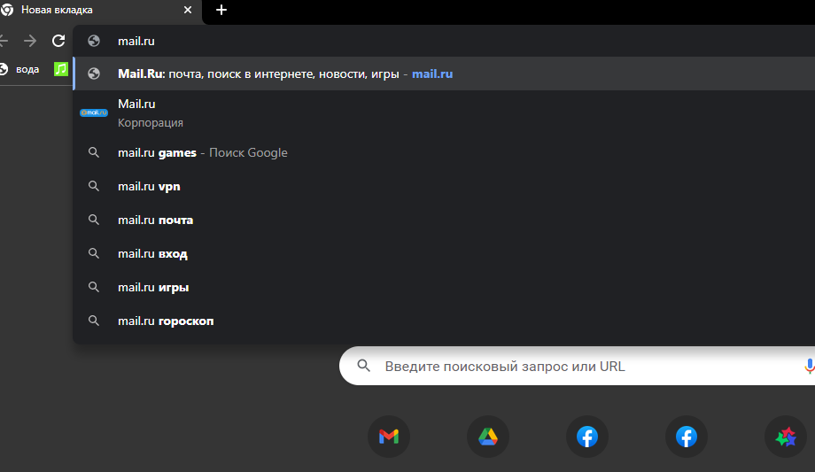
Summary | Uncorrect showing date period in Operations List
Project | mail.ru
Component | Database
Bug ID | ID number | 1
 | Submit Date | 2022-07-04
 | Name | opening site
 | Reporter
Bug overview | URL
 | Summary | does not open the site
Environment | OS | Windows 10 x64
 | Browser | Chrome
Bug details | Steps to reproduce | mail.ru
 | Expected result | attempt to open a site
 | Actual result | can't opn
Bug tracking | Severity
 | Priority | Low
 | Assigned to

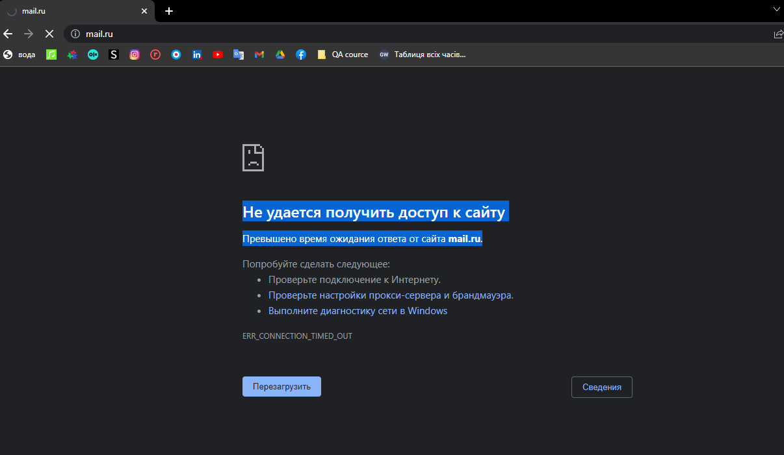
ID number | 2
Summary | Web page doesn't opening
Descriprion | Unable to access site Exceeded response time from mail.ru. Actual result: access for web page is denied Expected result: page is loaded and displayed on the screen Requirement ID: - Reproduced on: chrome(87.0.4280.141)x64 OS: Windows 10 Pro,v. 20H2 Reproducibility: always Workaround:-
Steps to reproduce | open mail.ru
Severity | Critical
Priority

