Bug Report
Summary | incorrect display of the site on mobile devices
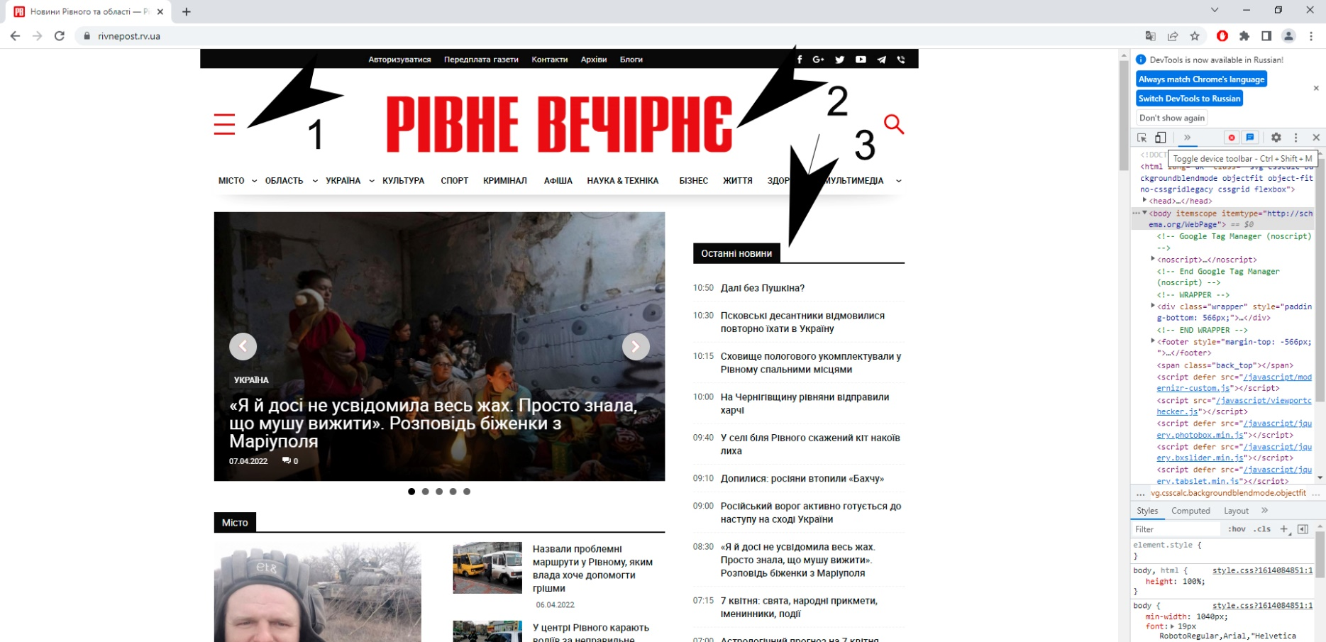

Pic 01 View site in desktop

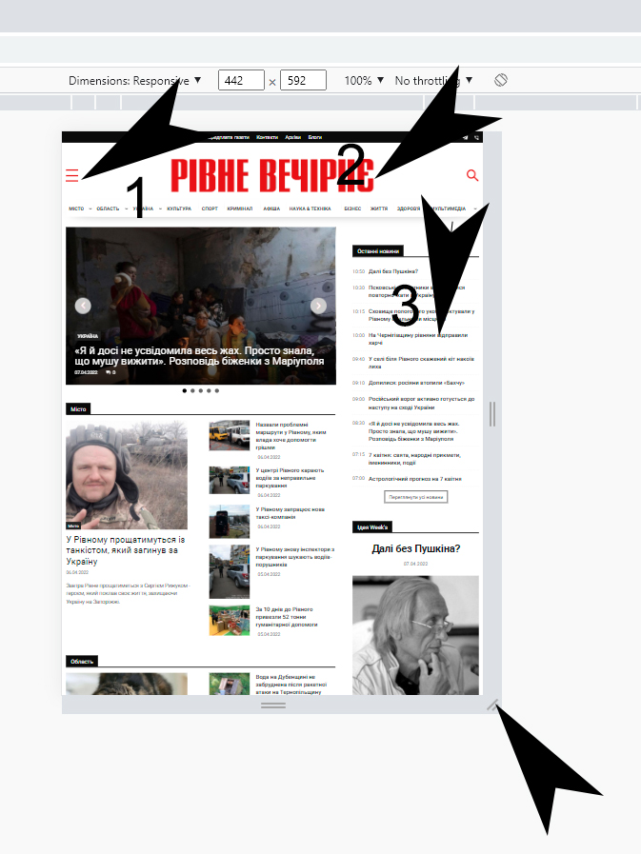

Pic 02 View in first mobil devise
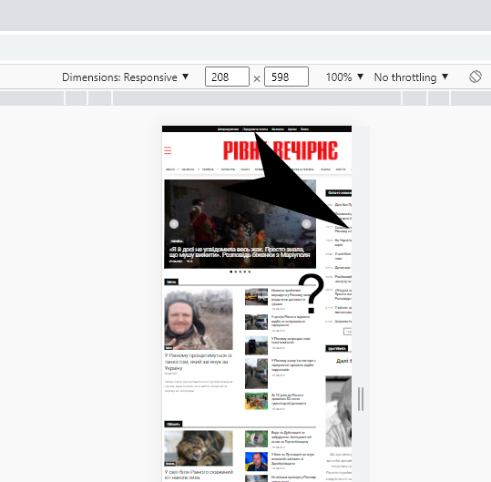

Pic 03 View site in second mobil device
some elements of the page are missing

ID number | 1
Summary | When view site on some mobile devices some elements of the page are missing.
Descriprion | When view site on some mobile devices some elements of the page are missing.
Steps to reproduce | 1. Open site URL https://rivnepost.rv.ua/ 2. Open in google chome Chrome Developer Tools (press key f12) 3. Switch to mobile view (Ctlr+Shift+M) 4. Swich Dimensoins => Responsove. Сhanging the viewing resolution to observe the pages of the site 5. Look on the screeen View all elementson page.
Severity | Critical
Priority

