Лист1
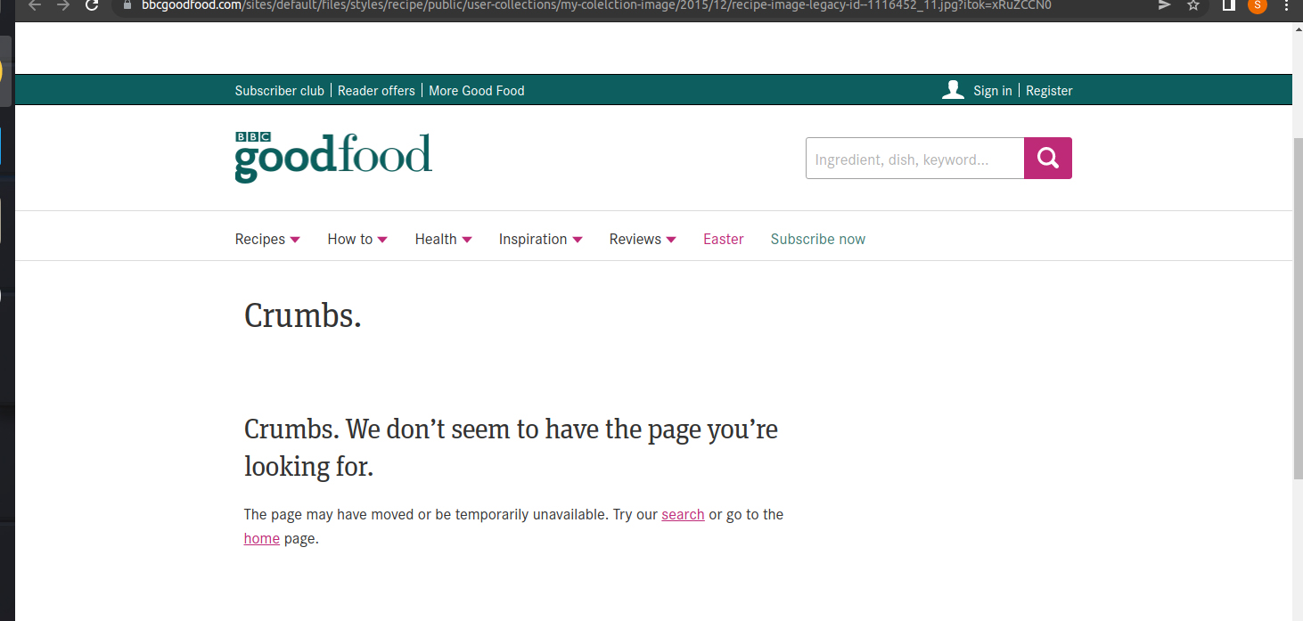
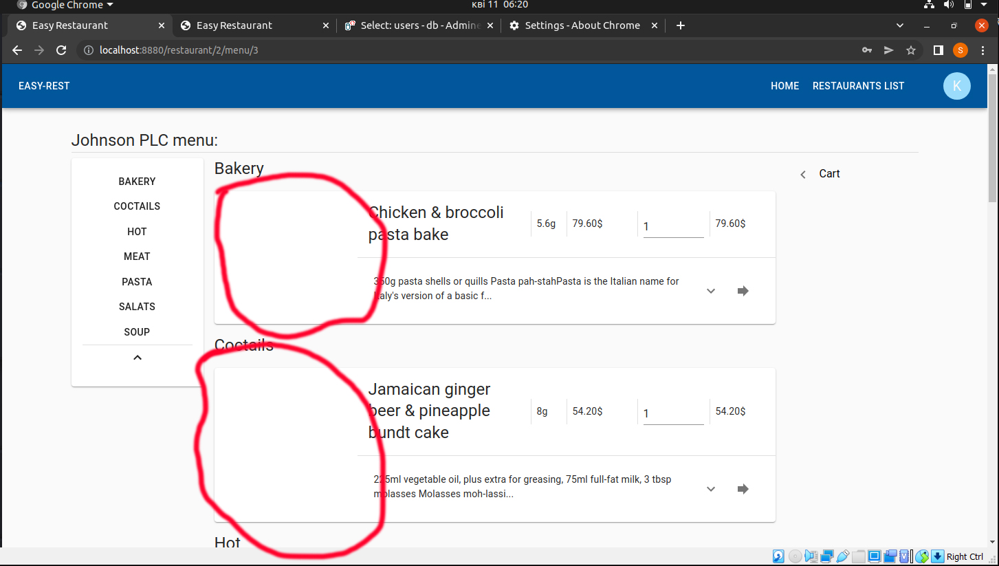
Summary | Client cant see images of products when he enters menu of restaurant!!!!
Project | EasyRest
Bug Id | EAS 302
Reporter | Tarasiuk Serhii
Submit Date | 2022-04-11
Description | Client cant see images of products when he enters menu of restaurant. There are any linked files in image cloud.
Environment: | Ubuntu 20.04.4 LTS, Google Chrome Version 99.0.4844.51 (Official Build) (64-bit)
Severity: | Trivial
Priority: | High
Preconditions: | Application is hosted on URL: http://localhost:8880/User is logged in with Client role ($login = 'katiedoyle@test.com'; $password = '1111') URL is opened http://localhost:8880/restaurant/2/menu/3 DataBase is hosted on http://localhosh:8882System: PostgreSQL; Server: db; User: admin; Password:12345678; Database: easyrest;
Steps to reproduce: | 1. User in menu can't see img of products.
#Expected Result: | Image of product near product info
Actual Result: | Any images near product.

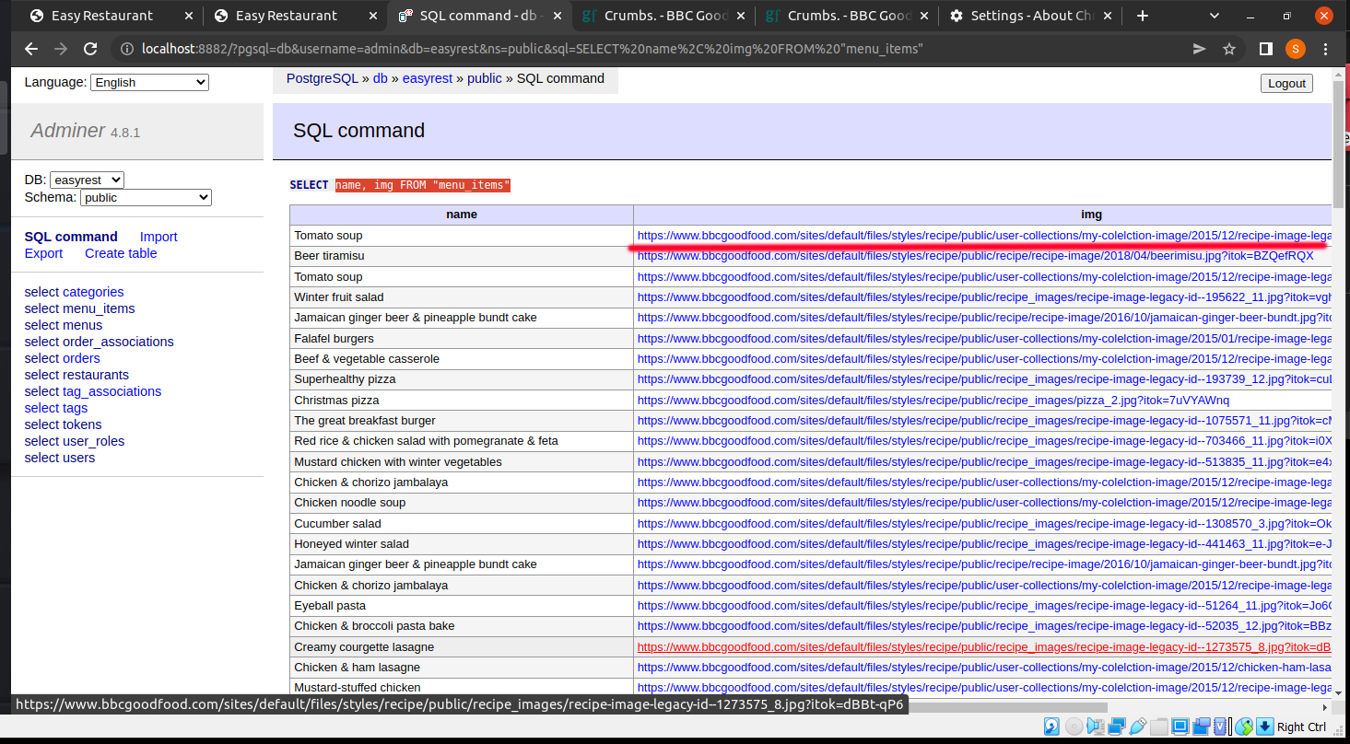

 | #Comentary

 | 1. Go to database
 | 2. Execute query: name, img FROM "menu_items"name, img FROM "menu_items"
 | 3. Click link of img.

 | So as U can see on the img Crumbs. Think about it. Maybe reload images for cloud service or try new one.

