BugReport KinoRv
Summary | The required information is not displayed when selecting the time
Project | Kino rv
Component | Database
Bug ID | ID number | 1
 | Submit Date | 06/04/2022
 | Name | Operations List - entering inappropriate characters
 | Reporter | Mykola Kukla
Bug overview | URL | https://kino.rv.ua/ua/schedule
 | Summary | When selecting the period of the session at 18:05 and 17:45, information about the seats was to be displayed
Environment | OS | Windows 10 x64
 | Browser | Chrome Version 87.0.4280.141
Bug details | Steps to reproduce | Open https://kino.rv.ua/en/schedule select Schedule> select Operations> select time period (18:05 and 17:45) click on numbers
 | Expected result | Show seating capacity
 | Actual result | Location selection is not displayed
Bug tracking | Severity | Middle
 | Priority | Low
 | Assigned to

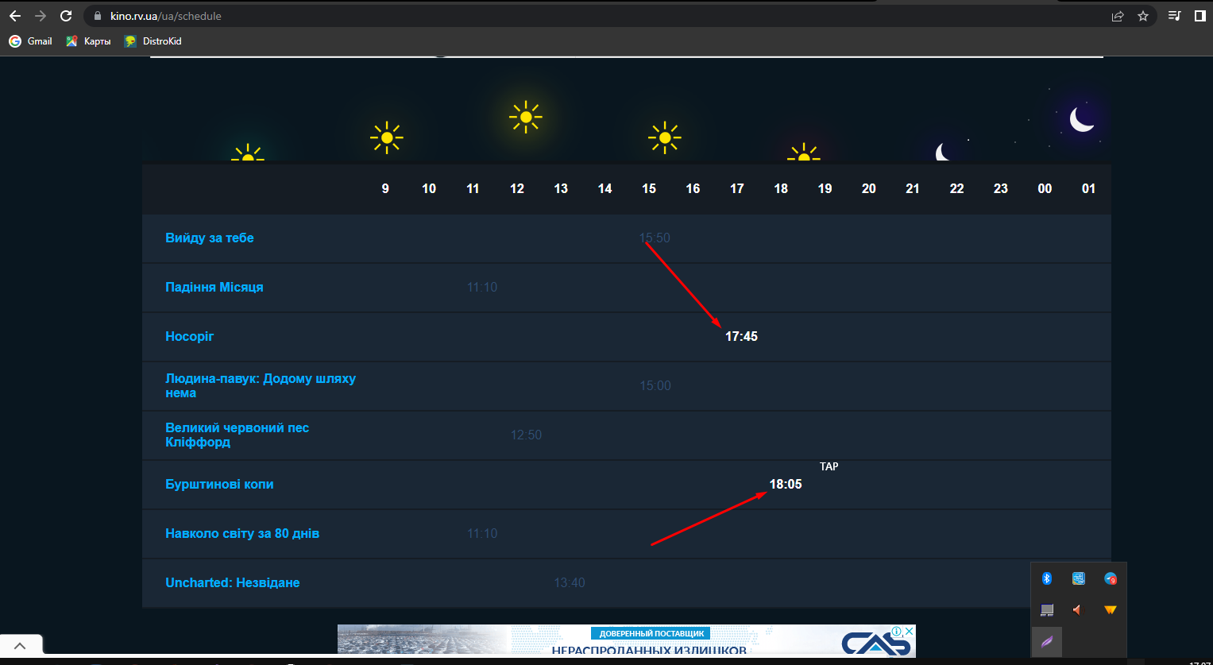

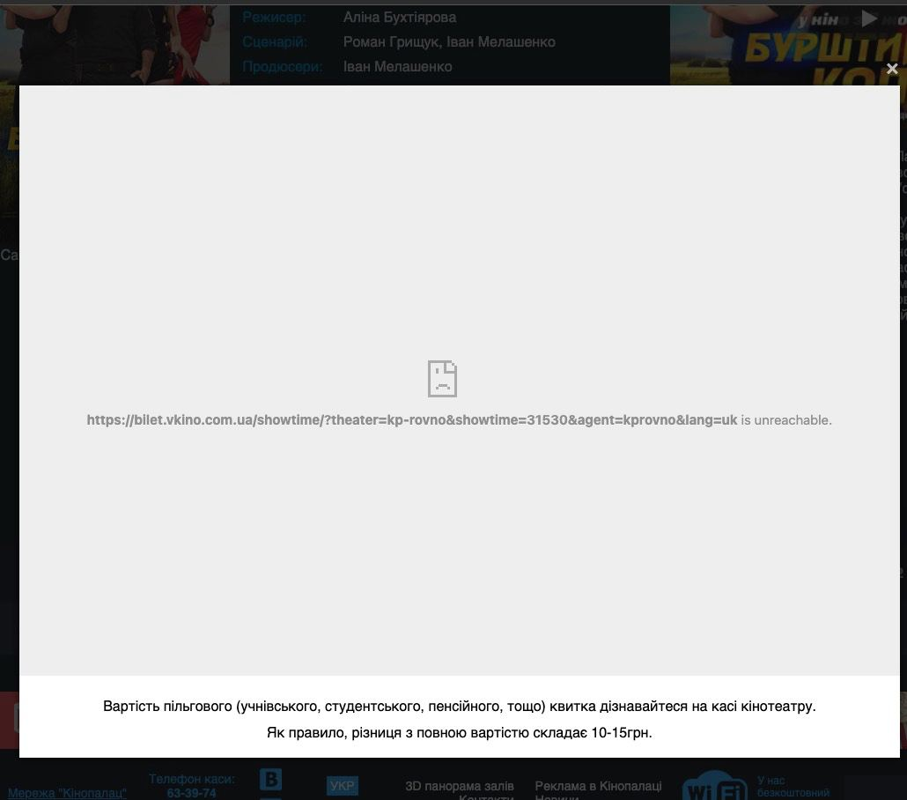

TestSuite | Smoke
TestCase Name | Instagram post saving
TestCase ID | #00001

Author | Kukla Mykola
Date | 01/16/2021
Environment | OS Windows 10 Google Chrome v.100.0.4896.60

Purpose | check the possibility to save the post to one of user's collection
Preconditions | navigate to https://www.instagram.com/
 | Perform login to user's account
# | Steps | Expected results | IsPassed
1 | Hower the mouse above the save button under the first post in Instagram feed | The popup with the list of user's collections appeared | TRUE
2 | Click the first collection item from the list | The popup disappeared The save button changed its color to black There's a temporary message about successfull saving of the post | TRUE
3 | Click the profile icon on the right top of the page | The popup with the list of actions appeared | TRUE
4 | Click the Saved button from the list | The user is at the page with collections of saved posts | TRUE
5 | Click the collection item with the name of the chosen collection at the step of saving a post | The user is at the page of a chosen collection The chosen post is at the first position among all saved posts | TRUE
PostCondition | Logout from the account

The last test execution | 06/04/2022

