PTO
Week | Ending Sunday | Vacation Added (Hrs) | Total Vacation Accrued (Hrs) | Total Vacation Accrued (Days) | Vacation Taken (Hrs) | Total Floating Holiday (Hrs) | Total Sick Leave (Hrs) | Total Volunteer Time (Hrs) | Vacation Remaining (Hrs) | Vacation Remaining (Days) | Vacation Remaining (Wks) | Floating Holiday Remaining (Hrs) | Sick Time Remaining (Hrs) | Volunteer Remaining (Hrs)
2021 | Rolled previous | over from year: | 0.0 |  |  | 24.00 | 64.00 | 8.00 | 3.1 | 0.4 | 0.10 | 24.00 | 64.00 | 8.00 | Vacation Accrual Rate |  | Absence Category | Project-Task Nickname
1 | 2021-01-03 | 1.54 | 1.5 | 0.2 | 0.00 | 0.00 | 0.00 | 0.00 | 1.5 | 0.2 | 0.0 |  |  |  | 3.08 | Hrs / 2 Wks | Vacation | zzzPTO
2 | 2021-01-10 | 1.54 | 3.1 | 0.4 | 0.00 | 0.00 | 0.00 | 0.00 | 3.1 | 0.4 | 0.0 |  |  |  |  |  | Floating Holiday | zzzFloating Holiday
3 | 2021-01-17 | 1.54 | 4.6 | 0.6 | 0.00 | 0.00 | 0.00 | 0.00 | 4.6 | 0.6 | 0.1 |  |  |  |  |  | Sick Leave | zzzSick Leave
4 | 2021-01-24 | 1.54 | 6.2 | 0.8 | 0.00 | 0.00 | 0.00 | 0.00 | 6.2 | 0.8 | 0.1 |  |  |  |  |  | Volunteer Time | zzzVolunteering
5 | 2021-01-31 | 1.54 | 7.7 | 1.0 | 0.00 | 0.00 | 0.00 | 0.00 | 7.7 | 1.0 | 0.1
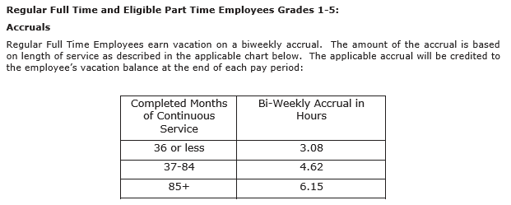
6 | 2021-02-07 | 1.54 | 9.2 | 1.2 | 0.00 | 0.00 | 0.00 | 0.00 | 9.2 | 1.2 | 0.2
7 | 2021-02-14 | 1.54 | 10.8 | 1.3 | 0.00 | 0.00 | 0.00 | 0.00 | 10.8 | 1.3 | 0.2
8 | 2021-02-21 | 1.54 | 12.3 | 1.5 | 0.00 | 0.00 | 0.00 | 0.00 | 12.3 | 1.5 | 0.3
9 | 2021-02-28 | 1.54 | 13.9 | 1.7 | 0.00 | 0.00 | 0.00 | 0.00 | 13.9 | 1.7 | 0.3
10 | 2021-03-07 | 1.54 | 15.4 | 1.9 | 0.00 | 0.00 | 0.00 | 0.00 | 15.4 | 1.9 | 0.3
11 | 2021-03-14 | 1.54 | 16.9 | 2.1 | 0.00 | 0.00 | 0.00 | 0.00 | 16.9 | 2.1 | 0.4
12 | 2021-03-21 | 1.54 | 18.5 | 2.3 | 0.00 | 0.00 | 0.00 | 0.00 | 18.5 | 2.3 | 0.4
13 | 2021-03-28 | 1.54 | 20.0 | 2.5 | 0.00 | 0.00 | 0.00 | 0.00 | 20.0 | 2.5 | 0.5
14 | 2021-04-04 | 1.54 | 21.6 | 2.7 | 0.00 | 0.00 | 0.00 | 0.00 | 21.6 | 2.7 | 0.5
15 | 2021-04-11 | 1.54 | 23.1 | 2.9 | 0.00 | 0.00 | 0.00 | 0.00 | 23.1 | 2.9 | 0.5
16 | 2021-04-18 | 1.54 | 24.6 | 3.1 | 0.00 | 0.00 | 0.00 | 0.00 | 24.6 | 3.1 | 0.6
17 | 2021-04-25 | 1.54 | 26.2 | 3.3 | 0.00 | 0.00 | 0.00 | 0.00 | 26.2 | 3.3 | 0.6
18 | 2021-05-02 | 1.54 | 27.7 | 3.5 | 0.00 | 0.00 | 0.00 | 0.00 | 27.7 | 3.5 | 0.6
19 | 2021-05-09 | 1.54 | 29.3 | 3.7 | 0.00 | 0.00 | 0.00 | 0.00 | 29.3 | 3.7 | 0.7
20 | 2021-05-16 | 1.54 | 30.8 | 3.8 | 0.00 | 0.00 | 0.00 | 0.00 | 30.8 | 3.8 | 0.7
21 | 2021-05-23 | 1.54 | 32.3 | 4.0 | 0.00 | 0.00 | 0.00 | 0.00 | 32.3 | 4.0 | 0.8
22 | 2021-05-30 | 1.54 | 33.9 | 4.2 | 0.00 | 0.00 | 0.00 | 0.00 | 33.9 | 4.2 | 0.8
23 | 2021-06-06 | 1.54 | 35.4 | 4.4 | 0.00 | 0.00 | 0.00 | 0.00 | 35.4 | 4.4 | 0.8
24 | 2021-06-13 | 1.54 | 37.0 | 4.6 | 0.00 | 0.00 | 0.00 | 0.00 | 37.0 | 4.6 | 0.9
25 | 2021-06-20 | 1.54 | 38.5 | 4.8 | 0.00 | 0.00 | 0.00 | 0.00 | 38.5 | 4.8 | 0.9
26 | 2021-06-27 | 1.54 | 40.0 | 5.0 | 0.00 | 0.00 | 0.00 | 0.00 | 40.0 | 5.0 | 1.0
27 | 2021-07-04 | 1.54 | 41.6 | 5.2 | 0.00 | 0.00 | 0.00 | 0.00 | 41.6 | 5.2 | 1.0
28 | 2021-07-11 | 1.54 | 43.1 | 5.4 | 0.00 | 0.00 | 0.00 | 0.00 | 43.1 | 5.4 | 1.0
29 | 2021-07-18 | 1.54 | 44.7 | 5.6 | 0.00 | 0.00 | 0.00 | 0.00 | 44.7 | 5.6 | 1.1
30 | 2021-07-25 | 1.54 | 46.2 | 5.8 | 0.00 | 0.00 | 0.00 | 0.00 | 46.2 | 5.8 | 1.1
31 | 2021-08-01 | 1.54 | 47.7 | 6.0 | 0.00 | 0.00 | 0.00 | 0.00 | 47.7 | 6.0 | 1.1
32 | 2021-08-08 | 1.54 | 49.3 | 6.2 | 0.00 | 0.00 | 0.00 | 0.00 | 49.3 | 6.2 | 1.2
33 | 2021-08-15 | 1.54 | 50.8 | 6.4 | 0.00 | 0.00 | 0.00 | 0.00 | 50.8 | 6.4 | 1.2
34 | 2021-08-22 | 1.54 | 52.4 | 6.5 | 0.00 | 0.00 | 0.00 | 0.00 | 52.4 | 6.5 | 1.3
35 | 2021-08-29 | 1.54 | 53.9 | 6.7 | 0.00 | 0.00 | 0.00 | 0.00 | 53.9 | 6.7 | 1.3
36 | 2021-09-05 | 1.54 | 55.4 | 6.9 | 0.00 | 0.00 | 0.00 | 0.00 | 55.4 | 6.9 | 1.3
37 | 2021-09-12 | 1.54 | 57.0 | 7.1 | 0.00 | 0.00 | 0.00 | 0.00 | 57.0 | 7.1 | 1.4
38 | 2021-09-19 | 1.54 | 58.5 | 7.3 | 0.00 | 0.00 | 0.00 | 0.00 | 58.5 | 7.3 | 1.4
39 | 2021-09-26 | 1.54 | 60.1 | 7.5 | 0.00 | 0.00 | 0.00 | 0.00 | 60.1 | 7.5 | 1.5
40 | 2021-10-03 | 1.54 | 61.6 | 7.7 | 0.00 | 0.00 | 0.00 | 0.00 | 61.6 | 7.7 | 1.5
41 | 2021-10-10 | 1.54 | 63.1 | 7.9 | 0.00 | 0.00 | 0.00 | 0.00 | 63.1 | 7.9 | 1.5
42 | 2021-10-17 | 1.54 | 64.7 | 8.1 | 0.00 | 0.00 | 0.00 | 0.00 | 64.7 | 8.1 | 1.6
43 | 2021-10-24 | 1.54 | 66.2 | 8.3 | 0.00 | 0.00 | 0.00 | 0.00 | 66.2 | 8.3 | 1.6
44 | 2021-10-31 | 1.54 | 67.8 | 8.5 | 0.00 | 0.00 | 0.00 | 0.00 | 67.8 | 8.5 | 1.6
45 | 2021-11-07 | 1.54 | 69.3 | 8.7 | 0.00 | 0.00 | 0.00 | 0.00 | 69.3 | 8.7 | 1.7
46 | 2021-11-14 | 1.54 | 70.8 | 8.9 | 0.00 | 0.00 | 0.00 | 0.00 | 70.8 | 8.9 | 1.7
47 | 2021-11-21 | 1.54 | 72.4 | 9.0 | 0.00 | 0.00 | 0.00 | 0.00 | 72.4 | 9.0 | 1.8
48 | 2021-11-28 | 1.54 | 73.9 | 9.2 | 0.00 | 0.00 | 0.00 | 0.00 | 73.9 | 9.2 | 1.8
49 | 2021-12-05 | 1.54 | 75.5 | 9.4 | 0.00 | 0.00 | 0.00 | 0.00 | 75.5 | 9.4 | 1.8
50 | 2021-12-12 | 1.54 | 77.0 | 9.6 | 0.00 | 0.00 | 0.00 | 0.00 | 77.0 | 9.6 | 1.9
51 | 2021-12-19 | 1.54 | 78.5 | 9.8 | 0.00 | 0.00 | 0.00 | 0.00 | 78.5 | 9.8 | 1.9
52 | 2021-12-26 | 1.54 | 80.1 | 10.0 | 0.00 | 0.00 | 0.00 | 0.00 | 80.1 | 10.0 | 2.0
1 | 2022-01-02 | 1.54 | 81.6 | 10.2 | 0.00 | 0.00 | 0.00 | 0.00 | 81.6 | 10.2 | 2.0

Hints
Table of Contents | Hints for Projects--Populate this Tab First | Hints for Weekly Time (Worksheet name MUST be YYYY-MM-DD format of the Sunday ending the timecard week--as shown for 2018-08-05.) |  | Hints for Stats | Hints for date formats other than English |  |  | Hints for add-in installation
Projects worksheet | -Keep the list alphabetically sorted so that the dropdowns are easier to navigate on the Weekly worksheets. -Non-chargeable project-tasks must begin with a "zz" so that they appear near the end of the project-task list. -Absence project-task nicknames must begin with "zzz" so they appear at the very end of the project-task list (and don't interfere with Oracle's Absence Mgmt module). -Duplicate project-task nicknames will cause errors on the 2018 Stats worksheet. Use zzADMIN as left-most characters for admin project-task nicknames Use zzINNOV as left-most characters for TSA/GIP project-task nicknames Use zzBD as left-most characters for business development project-task nicknames Use zzz as left-most characters for absence project-task nicknames | Populate Projects worksheet prior to use. |  | Enter your annual chargeable hour target, innovation target (TSA?GIP), business development target, and your admin. limit. (See screenshot on left.) If you started using this tool midway through the year and would like to track your YTD progress, use your chargeability report to paste in your YTD values. (See screenshot on right.)
Weekly worksheets |  | Orange | highlighted comment cell indicates that a comment is missing for hours entered (except for "zzz") |  | If workbook is used on a computer that doesn't use English settings, you may need to perform a global "Replace" as shown below: |  |  | The timecard tools have been moved to a ribbon programmed within the attached add-in file (.xlam). Here are the steps to install:
Stats worksheet |  | Red | highlighted comment cell indicates that there are no hours associated with an entered comment.
International Date Formats |  | Gray | highlighted Project-Task name is missing lookup values (on Projects worksheet) |  |  |  |  | 1. This file should be stored in the corresponding folder to this one (on my computer): C:\Users\racmur\AppData\Roaming\Microsoft\AddIns
Add-in Installation |  | Yellow | highlighted Project-Task name indicates duplicates. |  | Language | Find what: | Replace with:
 |  |  | Clicking on the uppermost "1" will hide weekend hours and Oracle codes. |  | Dutch | "yyyy-mm-dd" | "jjjj-mm-dd" | 2. Once you’ve stored the add-in file in the proper location, the next time you open Excel, you’ll probably have to instruct Excel to make use of it. This is done by going to: Excel > Options > Add-ins. At the bottom of the window, next to “Manage”, select “Excel Add-ins” and click the “Go” button.
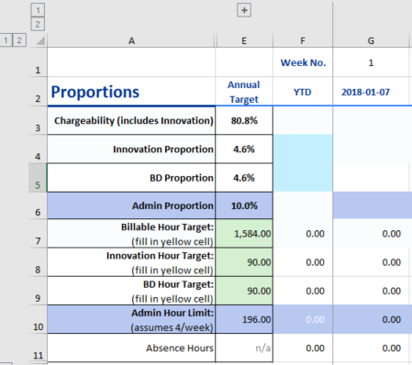
 |  |  | Clicking on the upper "2" will reveal weekend days or hide Oracle codes. |  | French |  | "aaaa-mm-jj"
 |  |  | Clicking on the "3" will reveal Oracle codes (handy when entering time into Oracle). |  | German |  | "jjjj-mm-tt"
 |  |  | Clicking on the left "1" will hide additional rows (clicking on left "2" will reveal them). |  | Italian |  | "aaaa-mm-gg"
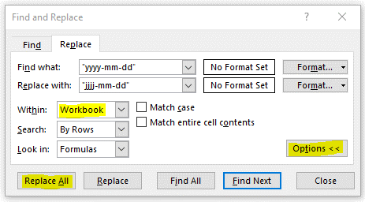
 |  | (see upper left corner for Group buttons) |  |  | Norwegian |  | "åååå-mm-dd"
 |  | To create a tab for a new week, make a copy of the current week's tab and rename it using the dateof the coming Sunday--using the EXACT same date format. (ANY date format deviations will "break" Stats tab.) |  |  | Spanish |  | "aaaa-mm-dd" | In the next window that opens, look for and select the add-in named Timecard Toolbox.
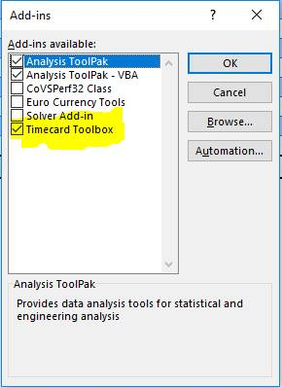
 |  | Upon making a copy of the previous week's worksheet, if you want to retain the list of project names, click on the Clear Hours/Comments button to zero out those entries.
 |  | If you've entered absence hours, they must appear at the uppermost row(s) of the table. Otherwise, your absence entries--through Absence Management--will become corrupted. If you have multiple absence rows, don't worry about the order--this tool won't touch those entries as long as you've sorted by color. |  |  |  |  |  | ​
 |  | When you're ready to transfer your timecard to Oracle, follow these steps:
 |  | 1. Open Oracle EBS using Internet Explorer browser(!), at https://oraclefinance.dnvgl.com/
 |  | 2. In Oracle, click on US_Timecard > My Time > Create Timecard
 |  | 3. Once a blank timecard has opened within Oracle (for the intended week), return to Timecard workbook and click on the large button labeled "Fill Oracle Hours."
 |  | 4. A dialog box will appear to show you the tabs open in Internet Explorer (IE). Enter the number next to the tab that contains your blank Oracle timecard. (If the only IE window open is your timecard, enter "0.")
 |  | 5. For timecards requiring more than the 3 rows offered by Oracle, click "Add Another Row" in Oracle and then re-click the "Fill Oracle Hours" button on this worksheet. Repeat until all projects/hours have been copied.
 |  | 6. In Oracle, click "Save" (often)
 |  | 7. For those projects that require comments, go to Oracle and click the "More Details" button. Once the comments window appears in Oracle, return to the Timecard workbook and click the button next to the project row that contains the comments to be copied.
 |  | 8. In Oracle, click "Apply"
 |  | 9. In Oracle, click "Save" button (often)
 |  | 10. "Clear Oracle Hours" and "Clear" macros are provided should things get messed up, for either the weekly timecard or each row of comments, respectively. From there, you can start from scratch.
 |  |  |  |  |  |  |  | 3. Once the add-in is properly installed, you’ll may need to force the “Timecard” ribbon (driven by the add-in) to appear among your displayed ribbons. This is done by going to: Excel > Options > Customize Ribbon.

 |  |  |  |  |  |  |  | 4. Now, you'll have the option to withhold rows from being written to Oracle using "Y" or "N" in column W. I use this to try to keep track, internally, of tasks that performed above and beyond chargeable hours. Furthermore, if you used to use the macro-enabled workbook, you'll notice that the buttons to interact with Oracle have been moved from the worksheet to the Timecard ribbon.



                

