工作表1
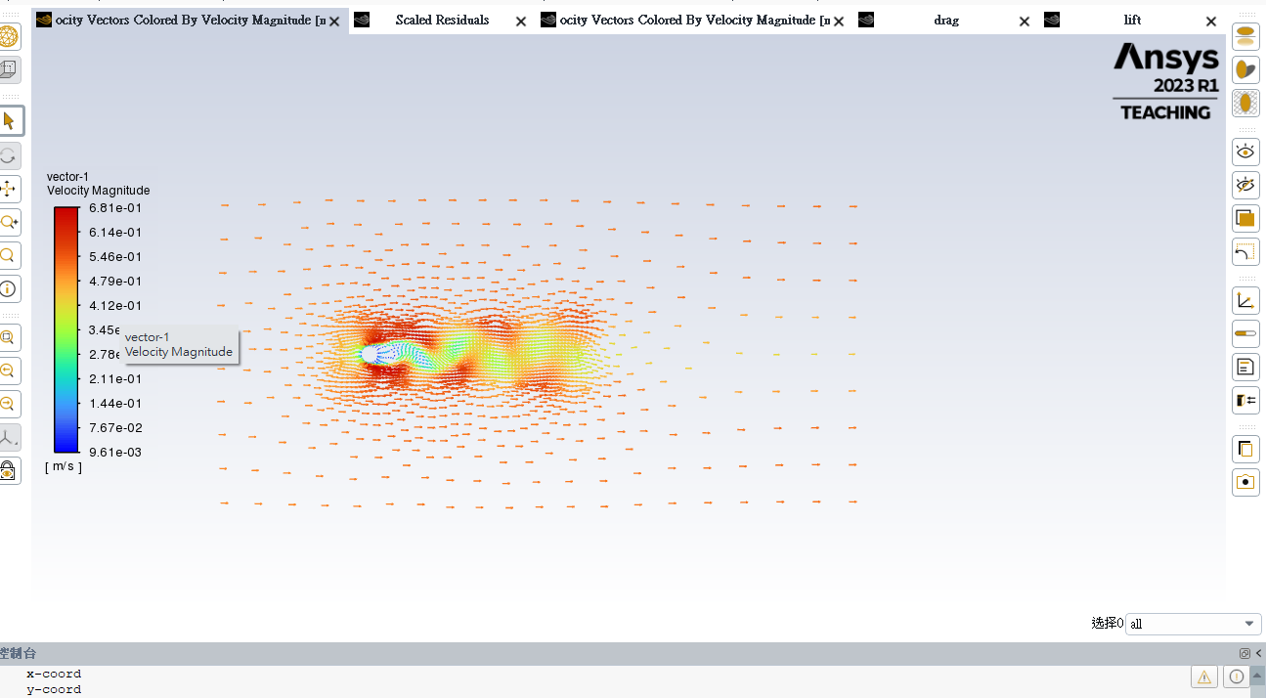
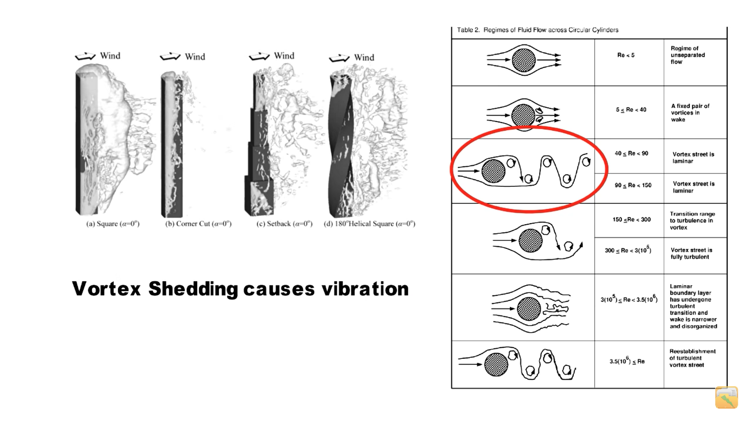
 | bladeless wind turbine結構渦流分析
 | Ref. https://youtu.be/pS2mhjdKdAA |  |  |  |  |  |  |  |  |  | reference books:
 |  |  |  |  |  |  |  |  |  |  | [eBook] Hans J. Lugt - Vortex Flow in Nature and Technology-John Wiley & Sons (1983)
 |  |  |  |  |  |  |  |  |  |  | [eBook] An Analytical Mechanics Framework for Flow-Oscillator Modeling of Vortex-Induced Bluff-Body Oscillations-Spring
 |  |  |  |  |  |  |  |  |  |  | Fluent-Intro_14.5_WS08_Vortex_Shedding(論文報告)

 | 參考影片：
 | 示範circular | https://youtu.be/7w7sI3wkV8U |  |  |  | (ANSYS - Two-dimensional flow past a circular cylinder)
 | circular, Re=250 | https://youtu.be/cbyveveGpks
 | circular, Re=250 | https://youtu.be/8m11RVMI8dU

 | 幾何條件： |  |  | D= | 0.01 | m
 |  |  |  | V= | 1 | m/s
 |  |  |  | air, rho= | 1.184 | kg/m^3 | (25℃, 一大氣壓)
 |  |  |  | air, mu= | 1.85E-05 | kg/(m*s) | (25℃, 一大氣壓) |  | https://www.engineersedge.com/physics/viscosity_of_air_dynamic_and_kinematic_14483.htm
 | 流場條件：(unsteady) |  |  | Re= | 640

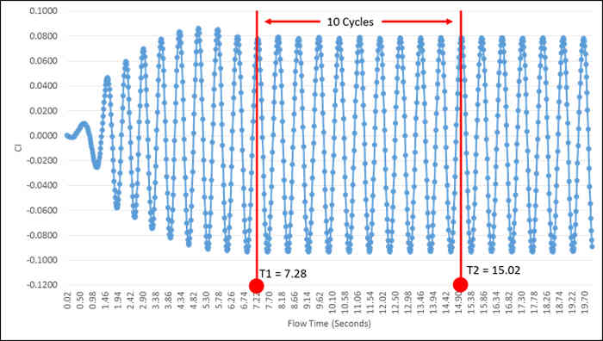
 | 頻率： | https://www.learncax.com/knowledge-base/blog/by-category/cfd-software-tutorials/tutorial-cfd-simulation-of-unsteady-flow-past-square-cylinder
 | 基本理論文獻 | https://events.prace-ri.eu/event/156/contributions/24/attachments/89/144/Fluent-Intro_14.5_WS08_Vortex_Shedding.pdf
 |  | https://www.researchgate.net/post/please_tell_how_to_find_vortex_shedding_frequency_by_ANSYS
 |  |  |  | freq=

 | 分析結果： | (Note: This is an unsteady problem. Long computation time is inevitable. In this demo, the total time history is 600x0.002=1.2sec.)
 |  | D (m) | V (m/s) | Re | mesh size | Lift Coefficient, Cl value | freq (Hz) | Strouhal number (Sr=fD/V(vortex shedding frequency) | Element type | Elements | Nodes
 | circular | 0.01 | 0.1 | 64 | 22mm | (以圖表示) | 1 | 0.1 |  |  |  | (demo case)
 |  | 0.01 | 0.5 | 320 | 22mm | (以圖表示) | 0.96 | 0.0192
 |  | 0.01 | 1 | 640 | 22mm | (以圖表示) | 0.98 | 0.0098

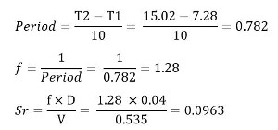

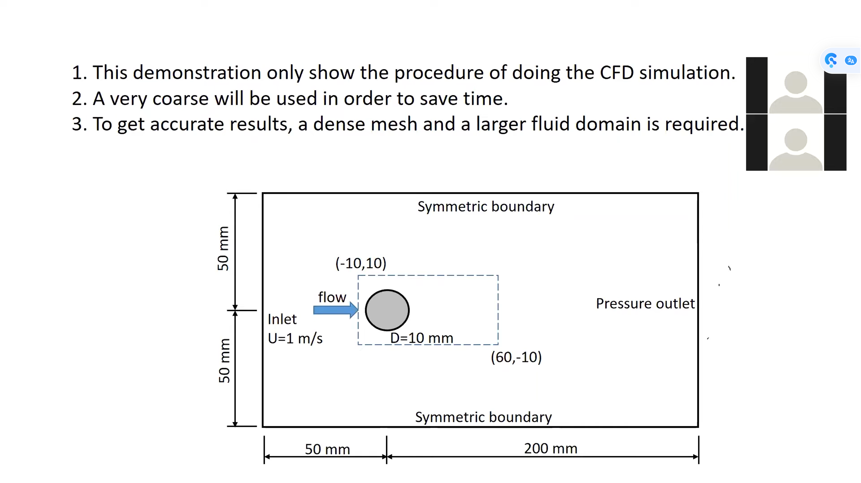
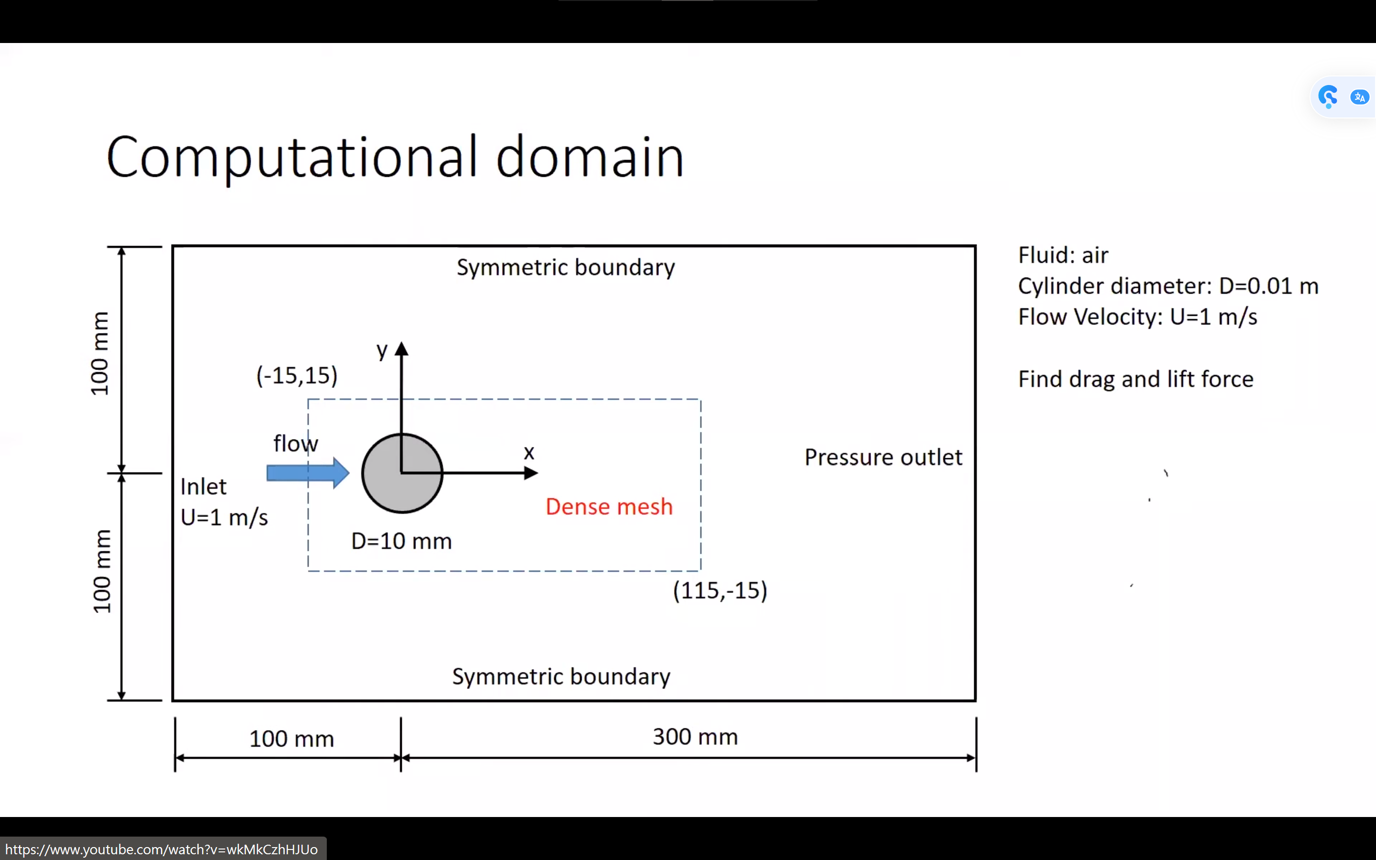

v=0.1

0.002 | 0.010064946403 | -1.67E-05
0.004 | 0.00035710303864 | -5.90E-07
0.006 | 0.00026942159854 | 6.15E-07
0.008 | 0.00023060718339 | 6.00E-07
0.01 | 0.00020491441624 | 5.13E-07
0.012 | 0.00018703274111 | 5.39E-07
0.014 | 0.00017407379145 | 5.88E-07
0.016 | 0.00016422228101 | 6.67E-07
0.018 | 0.00015621503301 | 7.31E-07
0.02 | 0.00014965531073 | 7.14E-07
0.022 | 0.00014429064686 | 6.78E-07
0.024 | 0.0001397826808 | 6.94E-07
0.026 | 0.00013606831326 | 7.60E-07
0.028 | 0.00013294854645 | 7.99E-07
0.03 | 0.00013194589064 | 8.25E-07
0.032 | 0.00012831488996 | 7.99E-07
0.034 | 0.00012759958437 | 8.26E-07
0.036 | 0.00012490284554 | 7.41E-07
0.038 | 0.00012431537488 | 7.53E-07
0.04 | 0.00012202820867 | 6.97E-07
0.042 | 0.00012151754205 | 7.05E-07
0.044 | 0.00011960945543 | 6.53E-07
0.046 | 0.00011918527773 | 6.62E-07
0.048 | 0.00011770001662 | 6.56E-07
0.05 | 0.0001173718909 | 6.68E-07
0.052 | 0.0001165333459 | 6.65E-07
0.054 | 0.00011540463767 | 6.13E-07
0.056 | 0.00011510653733 | 6.05E-07
0.058 | 0.00011422857693 | 5.73E-07
0.06 | 0.00011399392392 | 5.68E-07
0.062 | 0.00011345855207 | 5.60E-07
0.064 | 0.00011296354192 | 5.47E-07
0.066 | 0.00011252538025 | 5.39E-07
0.068 | 0.00011213727584 | 5.25E-07
0.07 | 0.00011179782154 | 5.07E-07
0.072 | 0.0001114962522 | 4.90E-07
0.074 | 0.00011122449695 | 4.74E-07
0.076 | 0.00011097766732 | 4.59E-07
0.078 | 0.00011075244027 | 4.43E-07
0.08 | 0.00011054451215 | 4.28E-07
0.082 | 0.00011035028198 | 4.11E-07
0.084 | 0.0001101641043 | 3.92E-07
0.086 | 0.00010998690417 | 3.74E-07
0.088 | 0.00010981899164 | 3.57E-07
0.09 | 0.00010966198833 | 3.41E-07
0.092 | 0.00010952211752 | 3.29E-07
0.094 | 0.00010940177543 | 3.20E-07
0.096 | 0.00010930112088 | 3.12E-07
0.098 | 0.00010921825168 | 3.02E-07
0.1 | 0.00010914855599 | 2.93E-07
...
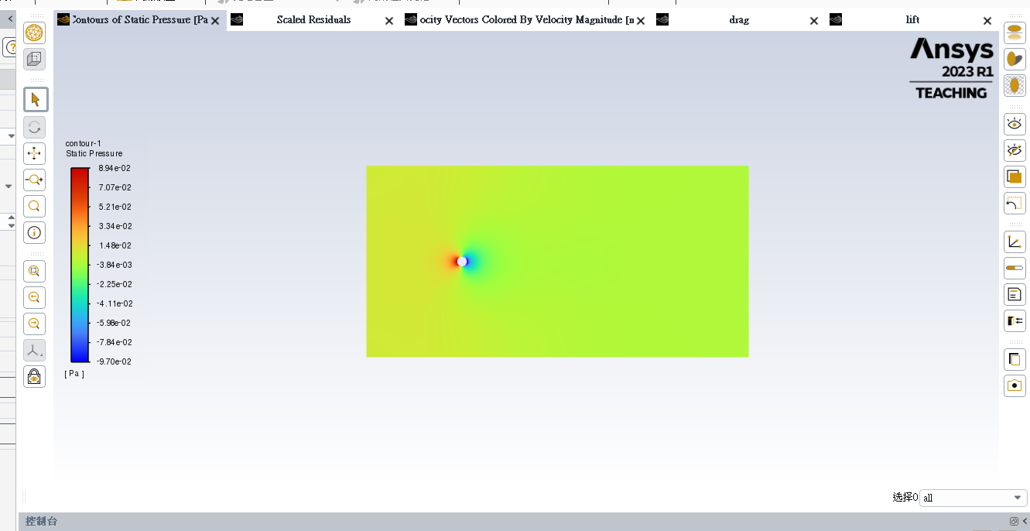
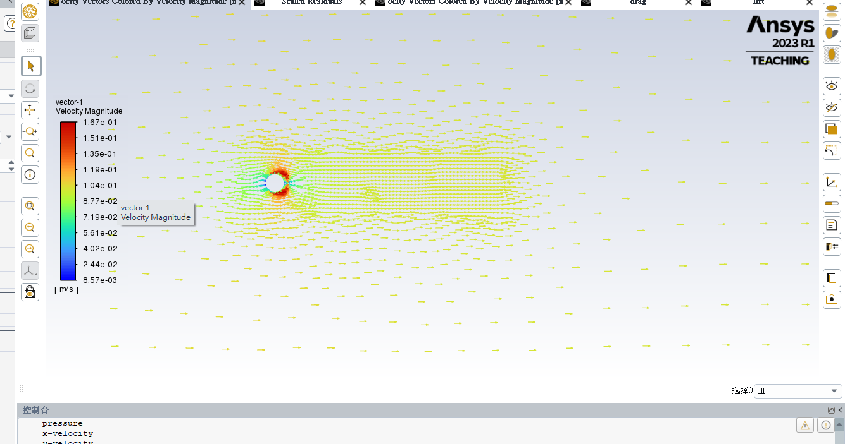

v=1
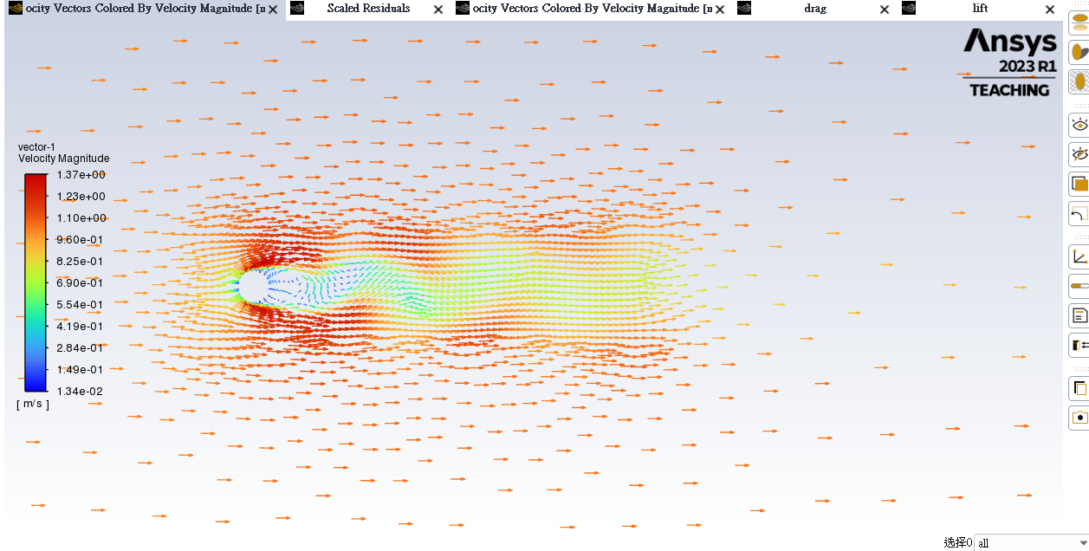
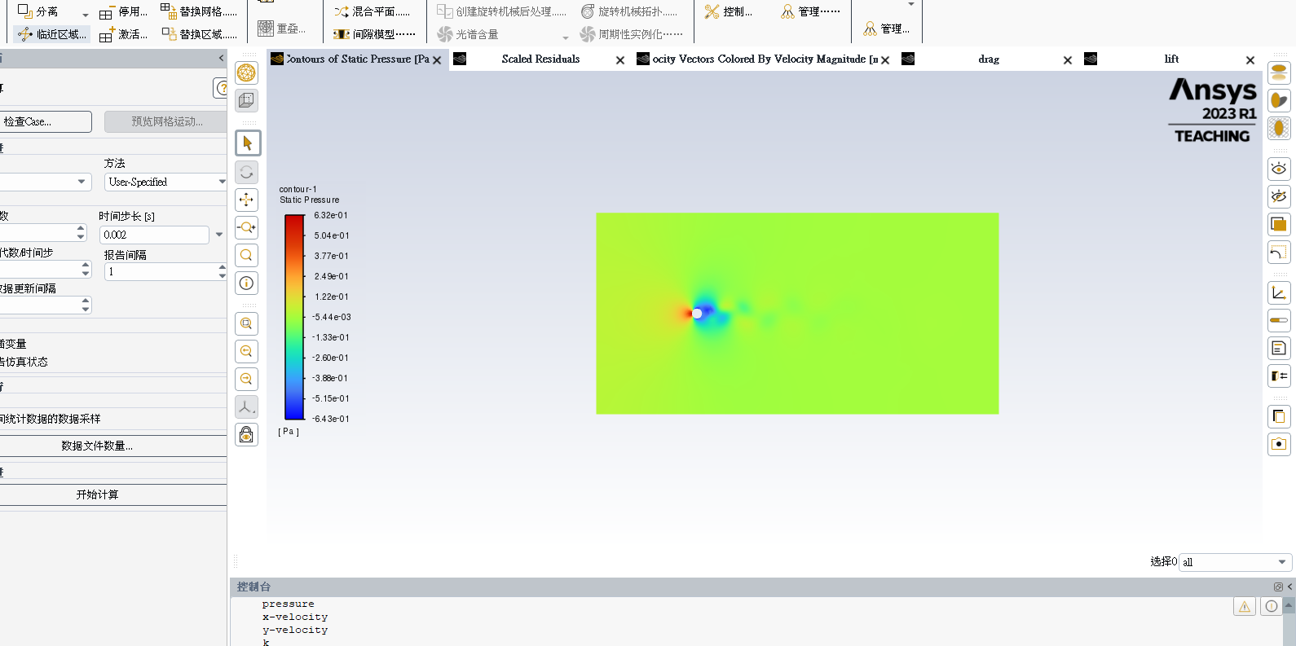
0.002 | 0.14132572654 | -0.00012668971777
0.004 | 0.038987492409 | 0.00056224632373
0.006 | 0.038411575097 | 0.0002840302664
0.008 | 0.03775294109 | 0.00012294347844
0.01 | 0.037162826236 | 6.307578006E-05
0.012 | 0.036642942645 | -1.1902483076E-05
0.014 | 0.036165543681 | -5.2585080036E-05
0.016 | 0.035723735794 | -5.1454958533E-05
0.018 | 0.035282539243 | -6.4089427677E-05
0.02 | 0.034897713833 | -6.7116637215E-05
0.022 | 0.034505901497 | -7.238065652E-05
0.024 | 0.034173455727 | -8.3570287423E-05
0.026 | 0.03382622767 | -9.5945135548E-05
0.028 | 0.033497456635 | -0.00011139771882
0.03 | 0.0331324372 | -0.00011466102978
0.032 | 0.03276195719 | -0.00011247023413
0.034 | 0.032385776467 | -0.00010805455653
0.036 | 0.032077823584 | -9.2224132712E-05
0.038 | 0.03173544079 | -8.535463909E-05
0.04 | 0.031399601065 | -6.8423842356E-05
0.042 | 0.031070298298 | -5.8183953305E-05
0.044 | 0.030744287637 | -4.9528516464E-05
0.046 | 0.030479971271 | -3.9528852589E-05
0.048 | 0.030180403836 | -2.8802897102E-05
0.05 | 0.029883822648 | -1.831135026E-05
0.052 | 0.02959141789 | -1.0484062579E-05
0.054 | 0.029297061562 | -4.9362643918E-07
0.056 | 0.029004693028 | 2.4776694097E-06
0.058 | 0.028712232287 | 1.1900166623E-05
0.06 | 0.028484677925 | 1.4830443071E-05
0.062 | 0.028223041969 | 2.0584992532E-05
0.064 | 0.027960188728 | 2.0041171972E-05
0.066 | 0.027699445839 | 2.8751596299E-05
0.068 | 0.027438513227 | 2.9469302825E-05
0.07 | 0.027173203667 | 3.1493404585E-05
0.072 | 0.026911696299 | 3.3017606785E-05
0.074 | 0.026649625702 | 3.5302559574E-05
0.076 | 0.02638693516 | 4.0868733328E-05
0.078 | 0.026120838273 | 4.1409909397E-05
0.08 | 0.025855057621 | 4.42626526E-05
0.082 | 0.02558515365 | 4.6338109268E-05
0.084 | 0.02531639313 | 4.7979196395E-05
0.086 | 0.025043867195 | 4.9899457198E-05
0.088 | 0.024768718327 | 5.0200820483E-05
0.09 | 0.024568130323 | 5.1973018424E-05
0.092 | 0.024331020004 | 5.0890928702E-05
0.094 | 0.024098929255 | 5.1615053962E-05
0.096 | 0.023863914303 | 5.3619993868E-05
0.098 | 0.023632281783 | 5.387458868E-05
0.1 | 0.023398297714 | 5.3710469348E-05
...

v=0.5
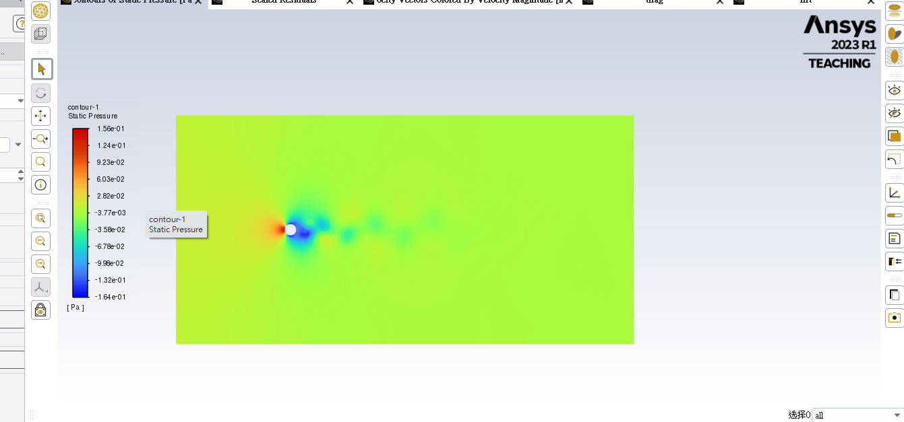
0.002 | 0.050588475425 | -8.14E-05
0.004 | 0.0020592036867 | 8.03E-06
0.006 | 0.0018032703209 | 1.08E-05
0.008 | 0.0017033397889 | 1.27E-05
0.01 | 0.0016812166569 | 1.10E-05
0.012 | 0.0016980353532 | 1.09E-05
0.014 | 0.0017321022316 | 9.99E-06
0.016 | 0.0017833794524 | 8.23E-06
0.018 | 0.0018321107302 | 7.80E-06
0.02 | 0.0018925705492 | 3.22E-06
0.022 | 0.0019448831038 | -2.30E-08
0.024 | 0.0019870170587 | -2.30E-06
0.026 | 0.002027740031 | -3.37E-06
0.028 | 0.0020608669511 | -3.09E-06
0.03 | 0.0020866805279 | -6.50E-07
0.032 | 0.0020978942188 | 9.48E-07
0.034 | 0.0021033803008 | -6.28E-07
0.036 | 0.0021020835064 | -1.87E-06
0.038 | 0.0020960371304 | -2.85E-06
0.04 | 0.0020843206204 | -2.86E-06
0.042 | 0.0020696846168 | -3.78E-06
0.044 | 0.002052608519 | -3.12E-06
0.046 | 0.002036580665 | -2.49E-06
0.048 | 0.0020206400648 | -7.74E-07
0.05 | 0.0020045672058 | -6.29E-08
0.052 | 0.0019894034259 | 1.51E-06
0.054 | 0.001977590414 | 2.16E-06
0.056 | 0.0019701367295 | 2.41E-06
0.058 | 0.0019557802128 | 3.04E-06
0.06 | 0.0019453218288 | 3.06E-06
0.062 | 0.0019359184745 | 2.74E-06
0.064 | 0.0019290637483 | 1.94E-06
0.066 | 0.0019238880958 | 1.82E-06
0.068 | 0.0019163354596 | 1.05E-06
0.07 | 0.0019114293055 | 1.05E-06
0.072 | 0.0019030718493 | 1.52E-07
0.074 | 0.0018991066989 | 5.02E-07
0.076 | 0.0018919633 | 5.41E-07
0.078 | 0.0018879146368 | 5.68E-07
0.08 | 0.0018799442039 | 7.27E-07
0.082 | 0.001875926213 | 8.74E-07
0.084 | 0.0018675959566 | 1.23E-06
0.086 | 0.0018636047017 | 1.46E-06
0.088 | 0.0018557517458 | 1.62E-06
0.09 | 0.0018519493075 | 2.00E-06
0.092 | 0.0018444597233 | 2.77E-06
0.094 | 0.0018406819583 | 3.13E-06
0.096 | 0.0018358298621 | 3.47E-06
0.098 | 0.0018285025189 | 4.23E-06
0.1 | 0.0018251560538 | 4.56E-06
...

0.5
drag_lift
Time Step | drag etc..
("Time | Step" | drag | lift | flow-time)
 | 0 | 0 | 0
0.002 | 0.050588475425 | -8.14E-05
0.004 | 0.0020592036867 | 8.03E-06
0.006 | 0.0018032703209 | 1.08E-05
0.008 | 0.0017033397889 | 1.27E-05
0.01 | 0.0016812166569 | 1.10E-05
0.012 | 0.0016980353532 | 1.09E-05
0.014 | 0.0017321022316 | 9.99E-06
0.016 | 0.0017833794524 | 8.23E-06
0.018 | 0.0018321107302 | 7.80E-06
0.02 | 0.0018925705492 | 3.22E-06
0.022 | 0.0019448831038 | -2.30E-08
0.024 | 0.0019870170587 | -2.30E-06
0.026 | 0.002027740031 | -3.37E-06
0.028 | 0.0020608669511 | -3.09E-06
0.03 | 0.0020866805279 | -6.50E-07
0.032 | 0.0020978942188 | 9.48E-07
0.034 | 0.0021033803008 | -6.28E-07
0.036 | 0.0021020835064 | -1.87E-06
0.038 | 0.0020960371304 | -2.85E-06
0.04 | 0.0020843206204 | -2.86E-06
0.042 | 0.0020696846168 | -3.78E-06
0.044 | 0.002052608519 | -3.12E-06
0.046 | 0.002036580665 | -2.49E-06
0.048 | 0.0020206400648 | -7.74E-07
0.05 | 0.0020045672058 | -6.29E-08
0.052 | 0.0019894034259 | 1.51E-06
0.054 | 0.001977590414 | 2.16E-06
0.056 | 0.0019701367295 | 2.41E-06
0.058 | 0.0019557802128 | 3.04E-06
0.06 | 0.0019453218288 | 3.06E-06
0.062 | 0.0019359184745 | 2.74E-06
0.064 | 0.0019290637483 | 1.94E-06
0.066 | 0.0019238880958 | 1.82E-06
0.068 | 0.0019163354596 | 1.05E-06
0.07 | 0.0019114293055 | 1.05E-06
0.072 | 0.0019030718493 | 1.52E-07
0.074 | 0.0018991066989 | 5.02E-07
0.076 | 0.0018919633 | 5.41E-07
0.078 | 0.0018879146368 | 5.68E-07
0.08 | 0.0018799442039 | 7.27E-07
0.082 | 0.001875926213 | 8.74E-07
0.084 | 0.0018675959566 | 1.23E-06
0.086 | 0.0018636047017 | 1.46E-06
0.088 | 0.0018557517458 | 1.62E-06
0.09 | 0.0018519493075 | 2.00E-06
0.092 | 0.0018444597233 | 2.77E-06
0.094 | 0.0018406819583 | 3.13E-06
0.096 | 0.0018358298621 | 3.47E-06
0.098 | 0.0018285025189 | 4.23E-06
0.1 | 0.0018251560538 | 4.56E-06
0.102 | 0.0018207466707 | 4.92E-06
0.104 | 0.0018162713684 | 5.33E-06
0.106 | 0.001810508428 | 6.28E-06
0.108 | 0.0018075800253 | 6.62E-06
0.11 | 0.0018037203885 | 7.01E-06
0.112 | 0.0017997559509 | 7.42E-06
0.114 | 0.0017959153884 | 7.84E-06
0.116 | 0.0017924441085 | 8.21E-06
0.118 | 0.0017878710762 | 9.09E-06
0.12 | 0.0017850179853 | 9.46E-06
0.122 | 0.0017816702107 | 9.83E-06
0.124 | 0.0017783418916 | 1.02E-05
0.126 | 0.0017751409116 | 1.05E-05
0.128 | 0.0017720835714 | 1.09E-05
0.13 | 0.0017691204526 | 1.12E-05
0.132 | 0.0017663603958 | 1.15E-05
0.134 | 0.0017637815778 | 1.18E-05
0.136 | 0.0017613491123 | 1.20E-05
0.138 | 0.001759020368 | 1.22E-05
0.14 | 0.0017567884457 | 1.24E-05
0.142 | 0.001754624996 | 1.27E-05
0.144 | 0.0017525013017 | 1.29E-05
0.146 | 0.0017504169594 | 1.31E-05
0.148 | 0.0017483685729 | 1.32E-05
0.15 | 0.0017463549414 | 1.33E-05
0.152 | 0.0017443210361 | 1.34E-05
0.154 | 0.0017422866287 | 1.35E-05
0.156 | 0.0017402672499 | 1.35E-05
0.158 | 0.0017382668856 | 1.36E-05
0.16 | 0.0017362781741 | 1.37E-05
0.162 | 0.0017342994575 | 1.38E-05
0.164 | 0.0017323192135 | 1.39E-05
0.166 | 0.0017304216425 | 1.41E-05
0.168 | 0.0017285403161 | 1.42E-05
0.17 | 0.0017266624657 | 1.44E-05
0.172 | 0.0017248240467 | 1.45E-05
0.174 | 0.0017230087798 | 1.46E-05
0.176 | 0.0017212231584 | 1.46E-05
0.178 | 0.0017194510951 | 1.47E-05
0.18 | 0.0017176635627 | 1.49E-05
0.182 | 0.0017158417873 | 1.50E-05
0.184 | 0.0017138989927 | 1.51E-05
0.186 | 0.001711983011 | 1.52E-05
0.188 | 0.0017100402514 | 1.54E-05
0.19 | 0.0017080828346 | 1.56E-05
0.192 | 0.0017060991017 | 1.59E-05
0.194 | 0.0017041080824 | 1.61E-05
0.196 | 0.0017021009232 | 1.64E-05
0.198 | 0.0017000733636 | 1.66E-05
0.2 | 0.0016980988936 | 1.68E-05
0.202 | 0.0016958489813 | 1.73E-05
0.204 | 0.001693815746 | 1.75E-05
0.206 | 0.0016918987869 | 1.77E-05
0.208 | 0.0016900014236 | 1.78E-05
0.21 | 0.0016880767721 | 1.80E-05
0.212 | 0.0016861369746 | 1.82E-05
0.214 | 0.0016841960797 | 1.84E-05
0.216 | 0.0016822513707 | 1.85E-05
0.218 | 0.001680228772 | 1.86E-05
0.22 | 0.0016783187988 | 1.88E-05
0.222 | 0.0016763535465 | 1.89E-05
0.224 | 0.0016743584168 | 1.89E-05
0.226 | 0.0016723353385 | 1.89E-05
0.228 | 0.0016703257496 | 1.90E-05
0.23 | 0.0016683285064 | 1.90E-05
0.232 | 0.0016663505171 | 1.89E-05
0.234 | 0.001664380412 | 1.89E-05
0.236 | 0.0016624313104 | 1.89E-05
0.238 | 0.0016605037323 | 1.88E-05
0.24 | 0.0016585859328 | 1.87E-05
0.242 | 0.0016566728452 | 1.86E-05
0.244 | 0.0016547627275 | 1.85E-05
0.246 | 0.0016528635689 | 1.84E-05
0.248 | 0.0016509796692 | 1.82E-05
0.25 | 0.0016488851041 | 1.81E-05
0.252 | 0.0016470555137 | 1.79E-05
0.254 | 0.0016453271686 | 1.75E-05
0.256 | 0.0016435617348 | 1.73E-05
0.258 | 0.0016417817302 | 1.70E-05
0.26 | 0.0016399898446 | 1.68E-05
0.262 | 0.0016381713778 | 1.65E-05
0.264 | 0.0016363616453 | 1.61E-05
0.266 | 0.0016345426233 | 1.59E-05
0.268 | 0.0016326951762 | 1.55E-05
0.27 | 0.0016308608815 | 1.51E-05
0.272 | 0.0016290645629 | 1.47E-05
0.274 | 0.0016272600307 | 1.44E-05
0.276 | 0.0016254678936 | 1.40E-05
0.278 | 0.0016235913637 | 1.35E-05
0.28 | 0.0016217355795 | 1.32E-05
0.282 | 0.0016201151434 | 1.29E-05
0.284 | 0.0016183120894 | 1.26E-05
0.286 | 0.0016164845915 | 1.23E-05
0.288 | 0.0016146967541 | 1.20E-05
0.29 | 0.0016129392327 | 1.18E-05
0.292 | 0.0016112538358 | 1.16E-05
0.294 | 0.0016096024168 | 1.14E-05
0.296 | 0.0016079291229 | 1.13E-05
0.298 | 0.0016063007747 | 1.11E-05
0.3 | 0.0016044741673 | 1.10E-05
0.302 | 0.001602902904 | 1.10E-05
0.304 | 0.0016014080704 | 1.10E-05
0.306 | 0.0016000074088 | 1.11E-05
0.308 | 0.0015985287764 | 1.11E-05
0.31 | 0.0015970347155 | 1.12E-05
0.312 | 0.0015955494883 | 1.13E-05
0.314 | 0.0015940820875 | 1.14E-05
0.316 | 0.0015926342593 | 1.15E-05
0.318 | 0.0015912028459 | 1.17E-05
0.32 | 0.0015897178723 | 1.19E-05
0.322 | 0.0015883057894 | 1.21E-05
0.324 | 0.0015869266794 | 1.24E-05
0.326 | 0.0015855711854 | 1.26E-05
0.328 | 0.0015842339826 | 1.29E-05
0.33 | 0.0015829112871 | 1.32E-05
0.332 | 0.0015815946735 | 1.35E-05
0.334 | 0.0015802943448 | 1.39E-05
0.336 | 0.0015790150947 | 1.43E-05
0.338 | 0.0015777514633 | 1.47E-05
0.34 | 0.0015764962379 | 1.51E-05
0.342 | 0.0015752426235 | 1.56E-05
0.344 | 0.0015740349867 | 1.61E-05
0.346 | 0.001572797631 | 1.66E-05
0.348 | 0.0015715388433 | 1.71E-05
0.35 | 0.0015703212634 | 1.77E-05
0.352 | 0.0015691234609 | 1.83E-05
0.354 | 0.0015679397474 | 1.88E-05
0.356 | 0.0015667750879 | 1.94E-05
0.358 | 0.0015656063896 | 2.00E-05
0.36 | 0.001564452962 | 2.06E-05
0.362 | 0.0015632755979 | 2.12E-05
0.364 | 0.0015620899392 | 2.18E-05
0.366 | 0.0015609014703 | 2.24E-05
0.368 | 0.0015598934475 | 2.32E-05
0.37 | 0.0015586889284 | 2.37E-05
0.372 | 0.0015574656672 | 2.43E-05
0.374 | 0.0015562588594 | 2.49E-05
0.376 | 0.0015550711126 | 2.55E-05
0.378 | 0.0015539131949 | 2.60E-05
0.38 | 0.0015527613758 | 2.66E-05
0.382 | 0.0015516191515 | 2.72E-05
0.384 | 0.0015505022811 | 2.77E-05
0.386 | 0.001549380444 | 2.83E-05
0.388 | 0.001548249597 | 2.88E-05
0.39 | 0.0015471504106 | 2.93E-05
0.392 | 0.0015460617949 | 2.98E-05
0.394 | 0.0015449817408 | 3.03E-05
0.396 | 0.0015439366928 | 3.07E-05
0.398 | 0.0015429118886 | 3.11E-05
0.4 | 0.0015418979998 | 3.15E-05
0.402 | 0.0015408630843 | 3.18E-05
0.404 | 0.0015398699026 | 3.21E-05
0.406 | 0.0015387078638 | 3.23E-05
0.408 | 0.0015377826081 | 3.25E-05
0.41 | 0.0015368783912 | 3.27E-05
0.412 | 0.0015359563553 | 3.28E-05
0.414 | 0.0015350205134 | 3.28E-05
0.416 | 0.0015340625439 | 3.28E-05
0.418 | 0.0015331848476 | 3.25E-05
0.42 | 0.0015320555829 | 3.24E-05
0.422 | 0.0015311032898 | 3.22E-05
0.424 | 0.0015302102508 | 3.19E-05
0.426 | 0.0015293367407 | 3.16E-05
0.428 | 0.001528469174 | 3.11E-05
0.43 | 0.0015276044784 | 3.06E-05
0.432 | 0.0015267574912 | 3.00E-05
0.434 | 0.0015259060936 | 2.94E-05
0.436 | 0.0015250557856 | 2.86E-05
0.438 | 0.0015244430112 | 2.80E-05
0.44 | 0.0015236451829 | 2.71E-05
0.442 | 0.0015227154097 | 2.59E-05
0.444 | 0.0015218548367 | 2.48E-05
0.446 | 0.0015210349564 | 2.38E-05
0.448 | 0.0015202879521 | 2.26E-05
0.45 | 0.0015194828632 | 2.17E-05
0.452 | 0.00151877622 | 2.01E-05
0.454 | 0.0015179656855 | 1.88E-05
0.456 | 0.0015171714654 | 1.74E-05
0.458 | 0.0015163884173 | 1.60E-05
0.46 | 0.0015156477265 | 1.45E-05
0.462 | 0.0015149085847 | 1.29E-05
0.464 | 0.0015141792775 | 1.13E-05
0.466 | 0.0015134625305 | 9.62E-06
0.468 | 0.0015127777647 | 7.94E-06
0.47 | 0.0015121047941 | 6.14E-06
0.472 | 0.0015113644099 | 4.23E-06
0.474 | 0.0015107045709 | 2.36E-06
0.476 | 0.0015100725285 | 4.54E-07
0.478 | 0.001509486106 | -1.48E-06
0.48 | 0.0015089322158 | -3.46E-06
0.482 | 0.0015083764125 | -5.49E-06
0.484 | 0.0015079511491 | -7.35E-06
0.486 | 0.0015074639703 | -9.46E-06
0.488 | 0.0015069561003 | -1.16E-05
0.49 | 0.0015066533009 | -1.38E-05
0.492 | 0.0015061229143 | -1.60E-05
0.494 | 0.0015055378663 | -1.82E-05
0.496 | 0.0015049580651 | -2.04E-05
0.498 | 0.0015043847779 | -2.26E-05
0.5 | 0.001503850007 | -2.46E-05
0.502 | 0.0015033509666 | -2.67E-05
0.504 | 0.0015028871345 | -2.86E-05
0.506 | 0.001502450623 | -3.05E-05
0.508 | 0.0015020291511 | -3.24E-05
0.51 | 0.0015016057671 | -3.42E-05
0.512 | 0.0015011975171 | -3.60E-05
0.514 | 0.0015008093547 | -3.76E-05
0.516 | 0.0015005258582 | -3.92E-05
0.518 | 0.0015000100983 | -4.09E-05
0.52 | 0.0014994876981 | -4.25E-05
0.522 | 0.0014992076585 | -4.39E-05
0.524 | 0.0014989823 | -4.50E-05
0.526 | 0.0014988597748 | -4.66E-05
0.528 | 0.0014986423713 | -4.79E-05
0.53 | 0.0014983946471 | -4.90E-05
0.532 | 0.0014982229025 | -4.99E-05
0.534 | 0.0014979716789 | -5.09E-05
0.536 | 0.0014977044276 | -5.19E-05
0.538 | 0.0014974654784 | -5.28E-05
0.54 | 0.0014973472408 | -5.42E-05
0.542 | 0.0014968317976 | -5.47E-05
0.544 | 0.0014965426954 | -5.51E-05
0.546 | 0.0014962987729 | -5.55E-05
0.548 | 0.0014961996814 | -5.58E-05
0.55 | 0.0014961319794 | -5.56E-05
0.552 | 0.0014960214461 | -5.53E-05
0.554 | 0.0014957263573 | -5.50E-05
0.556 | 0.0014955341613 | -5.45E-05
0.558 | 0.001495171157 | -5.39E-05
0.56 | 0.0014946705817 | -5.25E-05
0.562 | 0.0014944676585 | -5.15E-05
0.564 | 0.0014939023558 | -5.03E-05
0.566 | 0.0014933872102 | -4.91E-05
0.568 | 0.0014925834055 | -4.61E-05
0.57 | 0.0014924301364 | -4.47E-05
0.572 | 0.0014921421163 | -4.29E-05
0.574 | 0.0014908246816 | -3.84E-05
0.576 | 0.0014904842356 | -3.66E-05
0.578 | 0.0014902463584 | -3.46E-05
0.58 | 0.0014891622941 | -2.89E-05
0.582 | 0.0014888928634 | -2.67E-05
0.584 | 0.0014875879477 | -1.96E-05
0.586 | 0.0014873932323 | -1.73E-05
0.588 | 0.0014871305797 | -9.75E-06
0.59 | 0.0014869188188 | -7.12E-06
0.592 | 0.0014870294025 | 1.28E-06
0.594 | 0.0014866707449 | 4.25E-06
0.596 | 0.0014855836353 | 1.37E-05
0.598 | 0.0014856090518 | 1.69E-05
0.6 | 0.0014861370761 | 2.73E-05
0.602 | 0.0014861043032 | 3.06E-05
0.604 | 0.0014868813052 | 4.35E-05
0.606 | 0.0014865954921 | 4.63E-05
0.608 | 0.0014869572337 | 5.61E-05
0.61 | 0.0014870213013 | 5.98E-05
0.612 | 0.0014879017711 | 7.38E-05
0.614 | 0.0014878607067 | 7.68E-05
0.616 | 0.0014894143759 | 8.96E-05
0.618 | 0.0014893754293 | 9.23E-05
0.62 | 0.001490979346 | 0.0001041041063
0.622 | 0.0014910853781 | 0.00010676123396
0.624 | 0.0014931055491 | 0.00011786656913
0.626 | 0.0014933591162 | 0.00012025497766
0.628 | 0.0014957410435 | 0.00013031551865
0.63 | 0.0014960344804 | 0.00013241452135
0.632 | 0.0014980511281 | 0.00014189525686
0.634 | 0.0014983611515 | 0.00014357776304
0.636 | 0.0015003532266 | 0.00015062459403
0.638 | 0.0015029087123 | 0.00015520091479
0.64 | 0.0015034869772 | 0.00015624219917
0.642 | 0.0015060277287 | 0.00016022970941
0.644 | 0.0015063706787 | 0.00016055370829
0.646 | 0.0015098332821 | 0.00016384684533
0.648 | 0.0015101806494 | 0.00016364092872
0.65 | 0.0015130659259 | 0.00016446310657
0.652 | 0.001513482472 | 0.00016364331962
0.654 | 0.0015169495834 | 0.00016177787229
0.656 | 0.0015183632482 | 0.0001586701548
0.658 | 0.0015202054067 | 0.00015480445634
0.66 | 0.0015219049405 | 0.00014996942848
0.662 | 0.0015232978374 | 0.00014357536993
0.664 | 0.0015245376665 | 0.00013622701103
0.666 | 0.001525993101 | 0.00012794477678
0.668 | 0.0015273174242 | 0.0001185717123
0.67 | 0.0015288185291 | 0.00010792008157
0.672 | 0.0015305464274 | 9.58E-05
0.674 | 0.0015317579723 | 8.32E-05
0.676 | 0.0015324429997 | 6.93E-05
0.678 | 0.0015340188606 | 5.41E-05
0.68 | 0.001535792717 | 3.83E-05
0.682 | 0.0015377661364 | 2.11E-05
0.684 | 0.0015398481719 | 3.52E-06
0.686 | 0.0015428851457 | -1.66E-05
0.688 | 0.0015456586516 | -3.62E-05
0.69 | 0.0015484955751 | -5.82E-05
0.692 | 0.0015518093083 | -7.85E-05
0.694 | 0.0015562658203 | -0.00010050712589
0.696 | 0.001559464653 | -0.00012005887268
0.698 | 0.0015641758975 | -0.00014084595788
0.7 | 0.0015683402682 | -0.00015965668042
0.702 | 0.0015738441108 | -0.00017680126972
0.704 | 0.0015786173673 | -0.00019256988291
0.706 | 0.0015844713076 | -0.00020685036106
0.708 | 0.0015901061021 | -0.00021857275932
0.71 | 0.0015964725544 | -0.00022899846874
0.712 | 0.0016020300875 | -0.00023648679659
0.714 | 0.0016077032759 | -0.0002419109282
0.716 | 0.0016131035518 | -0.00024391767189
0.718 | 0.0016188895669 | -0.00024317182123
0.72 | 0.0016242460892 | -0.00024113662589
0.722 | 0.0016297587853 | -0.00023637038877
0.724 | 0.0016352741302 | -0.00022832589203
0.726 | 0.0016395408175 | -0.00021646555883
0.728 | 0.0016438838822 | -0.00020228180006
0.73 | 0.0016479906712 | -0.00018559490251
0.732 | 0.0016520090753 | -0.00016606801842
0.734 | 0.001656269482 | -0.00014522994665
0.736 | 0.0016590863462 | -0.00012272985278
0.738 | 0.0016627893167 | -9.91E-05
0.74 | 0.0016655350498 | -7.37E-05
0.742 | 0.0016667371714 | -4.66E-05
0.744 | 0.0016689729039 | -1.75E-05
0.746 | 0.0016720710976 | 1.40E-05
0.748 | 0.001674331416 | 4.54E-05
0.75 | 0.0016773020048 | 8.08E-05
0.752 | 0.001680741304 | 0.00011554144319
0.754 | 0.0016855024245 | 0.00014911337861
0.756 | 0.0016899805602 | 0.00018348532556
0.758 | 0.0016948122535 | 0.00021636328864
0.76 | 0.0016997029934 | 0.00024547468398
0.762 | 0.0017052391001 | 0.00027262356909
0.764 | 0.0017102655493 | 0.00029612678838
0.766 | 0.0017161703758 | 0.00031712548246
0.768 | 0.0017211760854 | 0.00033436920932
0.77 | 0.0017266577681 | 0.00034693584405
0.772 | 0.0017322975094 | 0.0003561760028
0.774 | 0.0017367422733 | 0.00036083117345
0.776 | 0.001741042892 | 0.00036124902787
0.778 | 0.0017449541293 | 0.00035793535989
0.78 | 0.0017480358963 | 0.00035290362482
0.782 | 0.0017508645928 | 0.00034209259695
0.784 | 0.0017532910743 | 0.00032716402834
0.786 | 0.0017552103822 | 0.00030905731242
0.788 | 0.0017564956164 | 0.00028706334606
0.79 | 0.0017571403461 | 0.00026071647615
0.792 | 0.0017573467047 | 0.0002309101867
0.794 | 0.0017571709161 | 0.00019901170645
0.796 | 0.0017566159505 | 0.00016600141059
0.798 | 0.0017547615577 | 0.00013324809225
0.8 | 0.0017527451836 | 9.85E-05
0.802 | 0.0017507754282 | 6.11E-05
0.804 | 0.0017491930426 | 2.23E-05
0.806 | 0.0017478140464 | -1.84E-05
0.808 | 0.0017465206335 | -5.96E-05
0.81 | 0.0017461786897 | -0.00010130806372
0.812 | 0.0017467619625 | -0.00014345158382
0.814 | 0.0017477968218 | -0.00018365780942
0.816 | 0.0017494842973 | -0.00022263744259
0.818 | 0.0017520850807 | -0.00025858119283
0.82 | 0.0017549807577 | -0.00029043547174
0.822 | 0.0017581965853 | -0.00031788789026
0.824 | 0.0017618036844 | -0.00034111533522
0.826 | 0.0017668996684 | -0.000359917938
0.828 | 0.0017714654641 | -0.00037380644925
0.83 | 0.0017755207509 | -0.00038283760185
0.832 | 0.0017784904552 | -0.00038663898269
0.834 | 0.0017806035379 | -0.00038688080432
0.836 | 0.001782431966 | -0.00038137860285
0.838 | 0.0017845080823 | -0.0003718601218
0.84 | 0.0017861309747 | -0.00035858068683
0.842 | 0.0017870865472 | -0.00034026968949
0.844 | 0.0017875853678 | -0.00031706548745
0.846 | 0.0017870535078 | -0.00029030178165
0.848 | 0.0017872920845 | -0.00025933774019
0.85 | 0.0017867611791 | -0.00022572336915
0.852 | 0.001785552968 | -0.00018852822739
0.854 | 0.0017839112283 | -0.00015254533499
0.856 | 0.0017813017588 | -0.00011684738381
0.858 | 0.0017778984676 | -7.76E-05
0.86 | 0.0017750510288 | -3.77E-05
0.862 | 0.0017733399224 | 5.36E-06
0.864 | 0.0017720081369 | 4.88E-05
0.866 | 0.0017709962477 | 9.39E-05
0.868 | 0.0017701875576 | 0.00013891253708
0.87 | 0.0017703026259 | 0.00018228446752
0.872 | 0.0017711333873 | 0.00022386951403
0.874 | 0.0017721005818 | 0.00026302918986
0.876 | 0.0017745305659 | 0.0002980113746
0.878 | 0.0017771696504 | 0.00032784567973
0.88 | 0.001780244379 | 0.00035357662176
0.882 | 0.0017845140112 | 0.00037459304563
0.884 | 0.0017882152378 | 0.00039133110009
0.886 | 0.001791514353 | 0.00040247757537
0.888 | 0.0017946373728 | 0.00040830097023
0.89 | 0.0017970020423 | 0.000409091666
0.892 | 0.0017989174288 | 0.00040602039088
0.894 | 0.0018006493352 | 0.00039898176795
0.896 | 0.0018016427161 | 0.00038777943524
0.898 | 0.0018022082549 | 0.00037234762734
0.9 | 0.0018013916648 | 0.00035114047403
0.902 | 0.0018001616382 | 0.00032648148115
0.904 | 0.0017987930135 | 0.00029650602396
0.906 | 0.0017972469125 | 0.0002650933331
0.908 | 0.0017955912558 | 0.00022890302167
0.91 | 0.0017935250079 | 0.00019278153984
0.912 | 0.0017902884882 | 0.00015627937251
0.914 | 0.0017863163176 | 0.0001186338825
0.916 | 0.001782262068 | 7.87E-05
0.918 | 0.001778586338 | 3.62E-05
0.92 | 0.0017751421414 | -5.03E-06
0.922 | 0.0017723248043 | -5.22E-05
0.924 | 0.0017703785687 | -9.68E-05
0.926 | 0.0017694171819 | -0.00014127428572
0.928 | 0.0017680343252 | -0.00018425269005
0.93 | 0.00176890197 | -0.00022632244421
0.932 | 0.001770244602 | -0.00026481598087
0.934 | 0.0017725586133 | -0.00029899374552
0.936 | 0.0017756477096 | -0.00032877415489
0.938 | 0.0017784197995 | -0.00035291574937
0.94 | 0.0017822212574 | -0.00037247263988
0.942 | 0.0017864834402 | -0.00038735050906
0.944 | 0.0017902501815 | -0.00039703355387
0.946 | 0.0017924571993 | -0.00040151681872
0.948 | 0.0017951531873 | -0.00040045134978
0.95 | 0.001795477746 | -0.00039615070224
0.952 | 0.0017966898292 | -0.00038611313626
0.954 | 0.0017983051016 | -0.00037192392178
0.956 | 0.0017985354798 | -0.00035408142611
0.958 | 0.0017991068281 | -0.00032933593825
0.96 | 0.0017971908566 | -0.00030213241933
0.962 | 0.0017968811034 | -0.00026938243906
0.964 | 0.0017961057625 | -0.00023323991765
0.966 | 0.0017944360822 | -0.00019726616971
0.968 | 0.0017920144932 | -0.00015952928443
0.97 | 0.0017893035602 | -0.00012121591495
0.972 | 0.0017853450595 | -8.19E-05
0.974 | 0.0017816928907 | -4.03E-05
0.976 | 0.0017793872853 | 3.92E-06
0.978 | 0.0017784503634 | 4.95E-05
0.98 | 0.0017768035401 | 9.62E-05
0.982 | 0.0017751278312 | 0.00014186330546
0.984 | 0.0017759400206 | 0.00018711773028
0.986 | 0.0017760719536 | 0.00022977894726
0.988 | 0.0017775040586 | 0.0002709336096
0.99 | 0.0017788622562 | 0.00030551084275
0.992 | 0.001782523008 | 0.0003381571144
0.994 | 0.0017857570483 | 0.0003633482464
0.996 | 0.0017891558099 | 0.00038493388002
0.998 | 0.0017935261411 | 0.00040214998972
1 | 0.001796746192 | 0.00041350099945
1.002 | 0.0017996527491 | 0.00041971606203
1.004 | 0.0018024816145 | 0.00042036981401
1.006 | 0.0018042176088 | 0.00041763522567
1.008 | 0.0018060312451 | 0.00040963573338
1.01 | 0.001806736257 | 0.00039916863336
1.012 | 0.0018070874663 | 0.00038152813931
1.014 | 0.001806521479 | 0.00036006203715
1.016 | 0.0018047835316 | 0.00033382940493
1.018 | 0.001803477875 | 0.00030362989635
1.02 | 0.0018017032182 | 0.00027239905373
1.022 | 0.0018000218227 | 0.00023353260442
1.024 | 0.0017978075811 | 0.0001970072009
1.026 | 0.0017948088696 | 0.00015977147028
1.028 | 0.0017905681187 | 0.00012252542763
1.03 | 0.0017861917145 | 8.18E-05
1.032 | 0.0017823315255 | 3.60E-05
1.034 | 0.0017785075955 | -6.80E-06
1.036 | 0.0017760353469 | -5.41E-05
1.038 | 0.0017738380595 | -9.83E-05
1.04 | 0.001773057066 | -0.00014701390158
1.042 | 0.0017714330577 | -0.0001913232894
1.044 | 0.0017722426858 | -0.00023215146526
1.046 | 0.0017743412892 | -0.00027370682903
1.048 | 0.0017759746416 | -0.00030727003361
1.05 | 0.0017801874313 | -0.0003389340975
1.052 | 0.0017824259393 | -0.00036338416118
1.054 | 0.001786709135 | -0.00038348132195
1.056 | 0.0017909018396 | -0.00039882625477
1.058 | 0.0017943112349 | -0.00040820527343
1.06 | 0.0017971701796 | -0.00041314061702
1.062 | 0.0018002126086 | -0.00041227250387
1.064 | 0.0018008485569 | -0.00040691420443
1.066 | 0.0018014458588 | -0.00039718823538
1.068 | 0.0018030902549 | -0.00038315807254
1.07 | 0.0018032614641 | -0.00036312450522
1.072 | 0.0018035257056 | -0.00033915013456
1.074 | 0.0018017502036 | -0.00031048172512
1.076 | 0.0018014806273 | -0.000278500122
1.078 | 0.0018004908362 | -0.00024221436035
1.08 | 0.0017984531407 | -0.00020203174045
1.082 | 0.0017961967467 | -0.00016669520948
1.084 | 0.0017934018375 | -0.0001270056066
1.086 | 0.0017893909434 | -8.51E-05
1.088 | 0.0017856336495 | -4.47E-05
1.09 | 0.0017830717542 | 2.61E-06
1.092 | 0.0017819697999 | 4.87E-05
1.094 | 0.0017801729634 | 9.43E-05
1.096 | 0.001778692888 | 0.00014146912133
1.098 | 0.0017794791954 | 0.00018915216935
1.1 | 0.0017798204919 | 0.00023253376201
1.102 | 0.001780965355 | 0.00027323368321
1.104 | 0.0017821458787 | 0.00030901433218
1.106 | 0.0017855162581 | 0.00034166063105
1.108 | 0.0017895520934 | 0.00036887482068
1.11 | 0.00179233728 | 0.00038994511099
1.112 | 0.0017969508883 | 0.0004076172077
1.114 | 0.0018003814651 | 0.00041954978419
1.116 | 0.0018034397573 | 0.00042539578667
1.118 | 0.001805765695 | 0.00042659510177
1.12 | 0.0018080929249 | 0.00042326669458
1.122 | 0.0018095685495 | 0.00041483554678
1.124 | 0.0018101688197 | 0.00040417832759
1.126 | 0.0018106445117 | 0.00038754366806
1.128 | 0.0018096678798 | 0.00036575983898
1.13 | 0.0018080778824 | 0.00033962915755
1.132 | 0.0018066164149 | 0.00030921401882
1.134 | 0.0018046858013 | 0.00027422637154
1.136 | 0.0018029296516 | 0.00023837515265
1.138 | 0.0018008448382 | 0.00020035679261
1.14 | 0.001797559549 | 0.00016351719206
1.142 | 0.0017935439898 | 0.00012499219867
1.144 | 0.0017887238777 | 8.30E-05
1.146 | 0.0017850975006 | 3.98E-05
1.148 | 0.0017809335139 | -6.22E-06
1.15 | 0.001778048374 | -5.34E-05
1.152 | 0.0017763301709 | -9.89E-05
1.154 | 0.0017752416527 | -0.00014772492885
1.156 | 0.0017737928933 | -0.00019219951679
1.158 | 0.0017741118766 | -0.0002332444899
1.16 | 0.0017759342579 | -0.00027379434304
1.162 | 0.0017785954995 | -0.00030972058764
1.164 | 0.0017812962934 | -0.00033955732764
1.166 | 0.0017847582935 | -0.00036601104785
1.168 | 0.0017883142044 | -0.00038562394465
1.17 | 0.0017925964241 | -0.00040111599975
1.172 | 0.0017963339827 | -0.00041054273575
1.174 | 0.0017989961355 | -0.00041557282394
1.176 | 0.001802231967 | -0.0004147391627
1.178 | 0.0018025467924 | -0.00041027708894
1.18 | 0.0018032698587 | -0.00039969977301
1.182 | 0.0018049307101 | -0.00038520268954
1.184 | 0.0018048112139 | -0.00036664040022
1.186 | 0.0018052480159 | -0.00034190730151
1.188 | 0.0018032430089 | -0.00031271412069
1.19 | 0.0018029748609 | -0.00028056752852
1.192 | 0.0018018769205 | -0.00024419729387
1.194 | 0.0017997341239 | -0.00020382605132
1.196 | 0.0017973942864 | -0.00016763053127
1.198 | 0.0017946317022 | -0.00012924653933
1.2 | 0.0017908754766 | -8.82E-05

0.1
Time Step | drag etc..
("Time | Step" | drag | lift | flow-time)
 | 0 | 0 | 0
0.002 | 0.010064946403 | -1.67E-05
0.004 | 0.00035710303864 | -5.90E-07
0.006 | 0.00026942159854 | 6.15E-07
0.008 | 0.00023060718339 | 6.00E-07
0.01 | 0.00020491441624 | 5.13E-07
0.012 | 0.00018703274111 | 5.39E-07
0.014 | 0.00017407379145 | 5.88E-07
0.016 | 0.00016422228101 | 6.67E-07
0.018 | 0.00015621503301 | 7.31E-07
0.02 | 0.00014965531073 | 7.14E-07
0.022 | 0.00014429064686 | 6.78E-07
0.024 | 0.0001397826808 | 6.94E-07
0.026 | 0.00013606831326 | 7.60E-07
0.028 | 0.00013294854645 | 7.99E-07
0.03 | 0.00013194589064 | 8.25E-07
0.032 | 0.00012831488996 | 7.99E-07
0.034 | 0.00012759958437 | 8.26E-07
0.036 | 0.00012490284554 | 7.41E-07
0.038 | 0.00012431537488 | 7.53E-07
0.04 | 0.00012202820867 | 6.97E-07
0.042 | 0.00012151754205 | 7.05E-07
0.044 | 0.00011960945543 | 6.53E-07
0.046 | 0.00011918527773 | 6.62E-07
0.048 | 0.00011770001662 | 6.56E-07
0.05 | 0.0001173718909 | 6.68E-07
0.052 | 0.0001165333459 | 6.65E-07
0.054 | 0.00011540463767 | 6.13E-07
0.056 | 0.00011510653733 | 6.05E-07
0.058 | 0.00011422857693 | 5.73E-07
0.06 | 0.00011399392392 | 5.68E-07
0.062 | 0.00011345855207 | 5.60E-07
0.064 | 0.00011296354192 | 5.47E-07
0.066 | 0.00011252538025 | 5.39E-07
0.068 | 0.00011213727584 | 5.25E-07
0.07 | 0.00011179782154 | 5.07E-07
0.072 | 0.0001114962522 | 4.90E-07
0.074 | 0.00011122449695 | 4.74E-07
0.076 | 0.00011097766732 | 4.59E-07
0.078 | 0.00011075244027 | 4.43E-07
0.08 | 0.00011054451215 | 4.28E-07
0.082 | 0.00011035028198 | 4.11E-07
0.084 | 0.0001101641043 | 3.92E-07
0.086 | 0.00010998690417 | 3.74E-07
0.088 | 0.00010981899164 | 3.57E-07
0.09 | 0.00010966198833 | 3.41E-07
0.092 | 0.00010952211752 | 3.29E-07
0.094 | 0.00010940177543 | 3.20E-07
0.096 | 0.00010930112088 | 3.12E-07
0.098 | 0.00010921825168 | 3.02E-07
0.1 | 0.00010914855599 | 2.93E-07
0.102 | 0.00010908805105 | 2.83E-07
0.104 | 0.00010903489841 | 2.73E-07
0.106 | 0.00010898749554 | 2.62E-07
0.108 | 0.00010894935151 | 2.53E-07
0.11 | 0.00010891627439 | 2.42E-07
0.112 | 0.00010888775024 | 2.28E-07
0.114 | 0.00010886195261 | 2.15E-07
0.116 | 0.0001088318419 | 2.03E-07
0.118 | 0.00010879788029 | 1.91E-07
0.12 | 0.00010876089153 | 1.79E-07
0.122 | 0.00010871840872 | 1.67E-07
0.124 | 0.00010867739648 | 1.55E-07
0.126 | 0.00010863739849 | 1.44E-07
0.128 | 0.00010858902902 | 1.35E-07
0.13 | 0.00010853863282 | 1.26E-07
0.132 | 0.00010849173917 | 1.16E-07
0.134 | 0.00010844577791 | 1.06E-07
0.136 | 0.00010839899838 | 9.75E-08
0.138 | 0.00010835255513 | 9.03E-08
0.14 | 0.00010830892896 | 8.32E-08
0.142 | 0.00010826985357 | 7.60E-08
0.144 | 0.00010823456414 | 6.87E-08
0.146 | 0.00010820308306 | 6.15E-08
0.148 | 0.00010817484121 | 5.48E-08
0.15 | 0.00010814956444 | 4.89E-08
0.152 | 0.00010812543288 | 4.50E-08
0.154 | 0.00010810293502 | 4.25E-08
0.156 | 0.00010808328857 | 4.25E-08
0.158 | 0.00010806592028 | 4.60E-08
0.16 | 0.00010804935942 | 5.22E-08
0.162 | 0.00010803275298 | 6.04E-08
0.164 | 0.00010801733889 | 6.80E-08
0.166 | 0.00010800323368 | 7.46E-08
0.168 | 0.00010798883143 | 8.02E-08
0.17 | 0.00010797344202 | 8.52E-08
0.172 | 0.00010795665479 | 8.99E-08
0.174 | 0.0001079379468 | 9.32E-08
0.176 | 0.00010791793534 | 9.52E-08
0.178 | 0.00010789702379 | 9.63E-08
0.18 | 0.00010787549071 | 9.65E-08
0.182 | 0.00010785332845 | 9.63E-08
0.184 | 0.00010783003817 | 9.59E-08
0.186 | 0.00010780525474 | 9.49E-08
0.188 | 0.00010777905644 | 9.37E-08
0.19 | 0.00010775124344 | 9.23E-08
0.192 | 0.00010772160486 | 9.08E-08
0.194 | 0.00010768955424 | 8.89E-08
0.196 | 0.00010765536312 | 8.65E-08
0.198 | 0.00010762006028 | 8.39E-08
0.2 | 0.00010758331402 | 8.13E-08
0.202 | 0.0001075433376 | 8.00E-08
0.204 | 0.00010750126592 | 8.10E-08
0.206 | 0.00010745745058 | 8.41E-08
0.208 | 0.00010741332695 | 8.83E-08
0.21 | 0.00010736971797 | 9.27E-08
0.212 | 0.00010732667709 | 9.71E-08
0.214 | 0.00010728390343 | 1.02E-07
0.216 | 0.00010724108638 | 1.06E-07
0.218 | 0.00010719753662 | 1.11E-07
0.22 | 0.00010715287874 | 1.16E-07
0.222 | 0.00010710647046 | 1.19E-07
0.224 | 0.00010705772068 | 1.22E-07
0.226 | 0.0001070082532 | 1.24E-07
0.228 | 0.00010695813002 | 1.26E-07
0.23 | 0.00010690727573 | 1.28E-07
0.232 | 0.00010685563186 | 1.30E-07
0.234 | 0.0001068030146 | 1.33E-07
0.236 | 0.00010674952011 | 1.36E-07
0.238 | 0.00010669478477 | 1.38E-07
0.24 | 0.00010663908458 | 1.39E-07
0.242 | 0.00010658251865 | 1.38E-07
0.244 | 0.00010652510066 | 1.37E-07
0.246 | 0.00010646677396 | 1.35E-07
0.248 | 0.00010640724702 | 1.33E-07
0.25 | 0.00010634652256 | 1.32E-07
0.252 | 0.00010628512943 | 1.31E-07
0.254 | 0.00010622311945 | 1.32E-07
0.256 | 0.00010616055579 | 1.33E-07
0.258 | 0.00010609742504 | 1.35E-07
0.26 | 0.00010603461366 | 1.37E-07
0.262 | 0.0001059728032 | 1.39E-07
0.264 | 0.00010591116188 | 1.42E-07
0.266 | 0.00010584829155 | 1.45E-07
0.268 | 0.00010578399111 | 1.48E-07
0.27 | 0.00010571838431 | 1.51E-07
0.272 | 0.00010565174543 | 1.53E-07
0.274 | 0.0001055841046 | 1.55E-07
0.276 | 0.00010551889071 | 1.54E-07
0.278 | 0.00010545022404 | 1.56E-07
0.28 | 0.00010537982436 | 1.59E-07
0.282 | 0.00010527989389 | 1.65E-07
0.284 | 0.0001052329302 | 1.65E-07
0.286 | 0.000105177619 | 1.71E-07
0.288 | 0.00010508804583 | 1.78E-07
0.29 | 0.00010504004587 | 1.79E-07
0.292 | 0.00010498228434 | 1.83E-07
0.294 | 0.00010488987274 | 1.89E-07
0.296 | 0.00010484072825 | 1.89E-07
0.298 | 0.00010475775082 | 1.94E-07
0.3 | 0.0001047083721 | 1.95E-07
0.302 | 0.00010462255121 | 2.02E-07
0.304 | 0.00010457081332 | 2.03E-07
0.306 | 0.00010448214622 | 2.12E-07
0.308 | 0.0001044287584 | 2.15E-07
0.31 | 0.00010433803946 | 2.24E-07
0.312 | 0.00010428317215 | 2.27E-07
0.314 | 0.00010419049371 | 2.36E-07
0.316 | 0.00010413414867 | 2.39E-07
0.318 | 0.00010404125889 | 2.47E-07
0.32 | 0.00010398655618 | 2.49E-07
0.322 | 0.00010389552501 | 2.57E-07
0.324 | 0.00010384299258 | 2.59E-07
0.326 | 0.00010375226361 | 2.65E-07
0.328 | 0.00010370025557 | 2.66E-07
0.33 | 0.00010360873688 | 2.72E-07
0.332 | 0.00010353473497 | 2.75E-07
0.334 | 0.00010348636436 | 2.78E-07
0.336 | 0.00010339534677 | 2.85E-07
0.338 | 0.00010332028046 | 2.89E-07
0.34 | 0.00010325080897 | 2.93E-07
0.342 | 0.00010318156533 | 2.98E-07
0.344 | 0.00010311146387 | 3.03E-07
0.346 | 0.00010304057871 | 3.08E-07
0.348 | 0.00010296918847 | 3.13E-07
0.35 | 0.00010289759498 | 3.17E-07
0.352 | 0.00010282586954 | 3.22E-07
0.354 | 0.00010275394104 | 3.26E-07
0.356 | 0.00010268207401 | 3.30E-07
0.358 | 0.00010261008526 | 3.34E-07
0.36 | 0.00010253787145 | 3.38E-07
0.362 | 0.00010246559985 | 3.42E-07
0.364 | 0.00010239409106 | 3.46E-07
0.366 | 0.00010232327676 | 3.51E-07
0.368 | 0.00010225291881 | 3.57E-07
0.37 | 0.00010218286678 | 3.62E-07
0.372 | 0.00010211304093 | 3.68E-07
0.374 | 0.00010204381918 | 3.73E-07
0.376 | 0.00010197543022 | 3.76E-07
0.378 | 0.00010190780559 | 3.80E-07
0.38 | 0.0001018408149 | 3.83E-07
0.382 | 0.00010177428856 | 3.87E-07
0.384 | 0.00010170814968 | 3.90E-07
0.386 | 0.00010164240948 | 3.93E-07
0.388 | 0.00010157707632 | 3.96E-07
0.39 | 0.0001015121653 | 3.99E-07
0.392 | 0.00010144767301 | 4.01E-07
0.394 | 0.00010138357113 | 4.04E-07
0.396 | 0.00010131981433 | 4.06E-07
0.398 | 0.00010125646818 | 4.08E-07
0.4 | 0.00010119358386 | 4.10E-07
0.402 | 0.00010113123372 | 4.12E-07
0.404 | 0.00010106938237 | 4.14E-07
0.406 | 0.00010100795469 | 4.16E-07
0.408 | 0.00010094691562 | 4.17E-07
0.41 | 0.00010088651263 | 4.19E-07
0.412 | 0.00010082686274 | 4.20E-07
0.414 | 0.00010076772454 | 4.21E-07
0.416 | 0.00010070915514 | 4.21E-07
0.418 | 0.00010065120829 | 4.21E-07
0.42 | 0.00010059383214 | 4.22E-07
0.422 | 0.00010053692023 | 4.22E-07
0.424 | 0.00010048038275 | 4.22E-07
0.426 | 0.00010042415268 | 4.22E-07
0.428 | 0.0001003681606 | 4.22E-07
0.43 | 0.00010031245342 | 4.22E-07
0.432 | 0.00010025700903 | 4.23E-07
0.434 | 0.00010020182316 | 4.23E-07
0.436 | 0.00010014685401 | 4.23E-07
0.438 | 0.0001000921225 | 4.24E-07
0.44 | 0.00010003765896 | 4.24E-07
0.442 | 1.00E-04 | 4.25E-07
0.444 | 9.99E-05 | 4.25E-07
0.446 | 9.99E-05 | 4.25E-07
0.448 | 9.98E-05 | 4.26E-07
0.45 | 9.98E-05 | 4.26E-07
0.452 | 9.97E-05 | 4.26E-07
0.454 | 9.97E-05 | 4.27E-07
0.456 | 9.96E-05 | 4.27E-07
0.458 | 9.96E-05 | 4.28E-07
0.46 | 9.95E-05 | 4.29E-07
0.462 | 9.95E-05 | 4.30E-07
0.464 | 9.94E-05 | 4.30E-07
0.466 | 9.93E-05 | 4.31E-07
0.468 | 9.93E-05 | 4.31E-07
0.47 | 9.92E-05 | 4.31E-07
0.472 | 9.92E-05 | 4.30E-07
0.474 | 9.91E-05 | 4.30E-07
0.476 | 9.91E-05 | 4.29E-07
0.478 | 9.90E-05 | 4.28E-07
0.48 | 9.90E-05 | 4.28E-07
0.482 | 9.89E-05 | 4.27E-07
0.484 | 9.89E-05 | 4.27E-07
0.486 | 9.88E-05 | 4.26E-07
0.488 | 9.88E-05 | 4.25E-07
0.49 | 9.87E-05 | 4.24E-07
0.492 | 9.87E-05 | 4.23E-07
0.494 | 9.86E-05 | 4.22E-07
0.496 | 9.86E-05 | 4.21E-07
0.498 | 9.85E-05 | 4.20E-07
0.5 | 9.85E-05 | 4.19E-07
0.502 | 9.84E-05 | 4.17E-07
0.504 | 9.84E-05 | 4.16E-07
0.506 | 9.83E-05 | 4.13E-07
0.508 | 9.83E-05 | 4.12E-07
0.51 | 9.82E-05 | 4.11E-07
0.512 | 9.82E-05 | 4.10E-07
0.514 | 9.81E-05 | 4.08E-07
0.516 | 9.81E-05 | 4.07E-07
0.518 | 9.80E-05 | 4.06E-07
0.52 | 9.80E-05 | 4.05E-07
0.522 | 9.79E-05 | 4.04E-07
0.524 | 9.79E-05 | 4.03E-07
0.526 | 9.78E-05 | 4.03E-07
0.528 | 9.78E-05 | 4.02E-07
0.53 | 9.77E-05 | 4.03E-07
0.532 | 9.77E-05 | 4.02E-07
0.534 | 9.76E-05 | 4.02E-07
0.536 | 9.76E-05 | 4.02E-07
0.538 | 9.75E-05 | 4.02E-07
0.54 | 9.75E-05 | 4.01E-07
0.542 | 9.74E-05 | 4.01E-07
0.544 | 9.74E-05 | 4.01E-07
0.546 | 9.73E-05 | 4.01E-07
0.548 | 9.73E-05 | 4.01E-07
0.55 | 9.72E-05 | 4.02E-07
0.552 | 9.72E-05 | 4.02E-07
0.554 | 9.71E-05 | 4.02E-07
0.556 | 9.71E-05 | 4.02E-07
0.558 | 9.70E-05 | 4.02E-07
0.56 | 9.70E-05 | 4.02E-07
0.562 | 9.69E-05 | 4.03E-07
0.564 | 9.69E-05 | 4.03E-07
0.566 | 9.68E-05 | 4.03E-07
0.568 | 9.68E-05 | 4.04E-07
0.57 | 9.67E-05 | 4.04E-07
0.572 | 9.67E-05 | 4.05E-07
0.574 | 9.66E-05 | 4.06E-07
0.576 | 9.66E-05 | 4.06E-07
0.578 | 9.65E-05 | 4.06E-07
0.58 | 9.65E-05 | 4.06E-07
0.582 | 9.64E-05 | 4.07E-07
0.584 | 9.64E-05 | 4.07E-07
0.586 | 9.63E-05 | 4.08E-07
0.588 | 9.63E-05 | 4.08E-07
0.59 | 9.63E-05 | 4.09E-07
0.592 | 9.62E-05 | 4.10E-07
0.594 | 9.62E-05 | 4.10E-07
0.596 | 9.61E-05 | 4.11E-07
0.598 | 9.61E-05 | 4.12E-07
0.6 | 9.60E-05 | 4.14E-07
0.602 | 9.60E-05 | 4.15E-07
0.604 | 9.59E-05 | 4.16E-07
0.606 | 9.59E-05 | 4.18E-07
0.608 | 9.58E-05 | 4.20E-07
0.61 | 9.58E-05 | 4.21E-07
0.612 | 9.58E-05 | 4.23E-07
0.614 | 9.57E-05 | 4.25E-07
0.616 | 9.57E-05 | 4.27E-07
0.618 | 9.56E-05 | 4.29E-07
0.62 | 9.56E-05 | 4.31E-07
0.622 | 9.55E-05 | 4.33E-07
0.624 | 9.55E-05 | 4.36E-07
0.626 | 9.55E-05 | 4.38E-07
0.628 | 9.54E-05 | 4.41E-07
0.63 | 9.54E-05 | 4.43E-07
0.632 | 9.53E-05 | 4.45E-07
0.634 | 9.53E-05 | 4.48E-07
0.636 | 9.53E-05 | 4.50E-07
0.638 | 9.52E-05 | 4.53E-07
0.64 | 9.52E-05 | 4.56E-07
0.642 | 9.51E-05 | 4.58E-07
0.644 | 9.51E-05 | 4.61E-07
0.646 | 9.51E-05 | 4.63E-07
0.648 | 9.50E-05 | 4.65E-07
0.65 | 9.50E-05 | 4.68E-07
0.652 | 9.50E-05 | 4.70E-07
0.654 | 9.49E-05 | 4.72E-07
0.656 | 9.49E-05 | 4.75E-07
0.658 | 9.48E-05 | 4.77E-07
0.66 | 9.48E-05 | 4.79E-07
0.662 | 9.48E-05 | 4.82E-07
0.664 | 9.47E-05 | 4.84E-07
0.666 | 9.47E-05 | 4.87E-07
0.668 | 9.47E-05 | 4.89E-07
0.67 | 9.46E-05 | 4.92E-07
0.672 | 9.46E-05 | 4.94E-07
0.674 | 9.46E-05 | 4.97E-07
0.676 | 9.45E-05 | 4.99E-07
0.678 | 9.45E-05 | 5.01E-07
0.68 | 9.45E-05 | 5.04E-07
0.682 | 9.44E-05 | 5.06E-07
0.684 | 9.44E-05 | 5.09E-07
0.686 | 9.44E-05 | 5.11E-07
0.688 | 9.43E-05 | 5.13E-07
0.69 | 9.43E-05 | 5.16E-07
0.692 | 9.43E-05 | 5.18E-07
0.694 | 9.42E-05 | 5.20E-07
0.696 | 9.42E-05 | 5.22E-07
0.698 | 9.42E-05 | 5.24E-07
0.7 | 9.41E-05 | 5.26E-07
0.702 | 9.41E-05 | 5.28E-07
0.704 | 9.41E-05 | 5.29E-07
0.706 | 9.40E-05 | 5.31E-07
0.708 | 9.40E-05 | 5.33E-07
0.71 | 9.40E-05 | 5.34E-07
0.712 | 9.40E-05 | 5.36E-07
0.714 | 9.39E-05 | 5.38E-07
0.716 | 9.39E-05 | 5.39E-07
0.718 | 9.39E-05 | 5.40E-07
0.72 | 9.38E-05 | 5.42E-07
0.722 | 9.38E-05 | 5.43E-07
0.724 | 9.38E-05 | 5.44E-07
0.726 | 9.38E-05 | 5.45E-07
0.728 | 9.37E-05 | 5.46E-07
0.73 | 9.37E-05 | 5.47E-07
0.732 | 9.37E-05 | 5.48E-07
0.734 | 9.37E-05 | 5.48E-07
0.736 | 9.36E-05 | 5.49E-07
0.738 | 9.36E-05 | 5.49E-07
0.74 | 9.36E-05 | 5.50E-07
0.742 | 9.36E-05 | 5.50E-07
0.744 | 9.35E-05 | 5.50E-07
0.746 | 9.35E-05 | 5.50E-07
0.748 | 9.35E-05 | 5.50E-07
0.75 | 9.35E-05 | 5.50E-07
0.752 | 9.34E-05 | 5.50E-07
0.754 | 9.34E-05 | 5.50E-07
0.756 | 9.34E-05 | 5.49E-07
0.758 | 9.34E-05 | 5.49E-07
0.76 | 9.33E-05 | 5.48E-07
0.762 | 9.33E-05 | 5.48E-07
0.764 | 9.33E-05 | 5.47E-07
0.766 | 9.33E-05 | 5.46E-07
0.768 | 9.33E-05 | 5.45E-07
0.77 | 9.32E-05 | 5.44E-07
0.772 | 9.32E-05 | 5.43E-07
0.774 | 9.32E-05 | 5.42E-07
0.776 | 9.32E-05 | 5.41E-07
0.778 | 9.31E-05 | 5.40E-07
0.78 | 9.31E-05 | 5.38E-07
0.782 | 9.31E-05 | 5.37E-07
0.784 | 9.31E-05 | 5.35E-07
0.786 | 9.31E-05 | 5.33E-07
0.788 | 9.30E-05 | 5.31E-07
0.79 | 9.30E-05 | 5.29E-07
0.792 | 9.30E-05 | 5.27E-07
0.794 | 9.30E-05 | 5.24E-07
0.796 | 9.30E-05 | 5.22E-07
0.798 | 9.29E-05 | 5.19E-07
0.8 | 9.29E-05 | 5.17E-07
0.802 | 9.29E-05 | 5.14E-07
0.804 | 9.29E-05 | 5.11E-07
0.806 | 9.29E-05 | 5.08E-07
0.808 | 9.28E-05 | 5.05E-07
0.81 | 9.28E-05 | 5.02E-07
0.812 | 9.28E-05 | 4.99E-07
0.814 | 9.28E-05 | 4.96E-07
0.816 | 9.28E-05 | 4.93E-07
0.818 | 9.28E-05 | 4.90E-07
0.82 | 9.27E-05 | 4.86E-07
0.822 | 9.27E-05 | 4.83E-07
0.824 | 9.27E-05 | 4.79E-07
0.826 | 9.27E-05 | 4.76E-07
0.828 | 9.27E-05 | 4.72E-07
0.83 | 9.27E-05 | 4.68E-07
0.832 | 9.26E-05 | 4.65E-07
0.834 | 9.26E-05 | 4.61E-07
0.836 | 9.26E-05 | 4.57E-07
0.838 | 9.26E-05 | 4.53E-07
0.84 | 9.26E-05 | 4.49E-07
0.842 | 9.26E-05 | 4.45E-07
0.844 | 9.25E-05 | 4.41E-07
0.846 | 9.25E-05 | 4.37E-07
0.848 | 9.25E-05 | 4.33E-07
0.85 | 9.25E-05 | 4.29E-07
0.852 | 9.25E-05 | 4.25E-07
0.854 | 9.25E-05 | 4.22E-07
0.856 | 9.24E-05 | 4.18E-07
0.858 | 9.24E-05 | 4.14E-07
0.86 | 9.24E-05 | 4.11E-07
0.862 | 9.24E-05 | 4.07E-07
0.864 | 9.24E-05 | 4.03E-07
0.866 | 9.24E-05 | 3.99E-07
0.868 | 9.23E-05 | 3.95E-07
0.87 | 9.23E-05 | 3.91E-07
0.872 | 9.23E-05 | 3.87E-07
0.874 | 9.23E-05 | 3.83E-07
0.876 | 9.23E-05 | 3.79E-07
0.878 | 9.23E-05 | 3.75E-07
0.88 | 9.22E-05 | 3.71E-07
0.882 | 9.22E-05 | 3.66E-07
0.884 | 9.22E-05 | 3.62E-07
0.886 | 9.22E-05 | 3.58E-07
0.888 | 9.22E-05 | 3.53E-07
0.89 | 9.22E-05 | 3.49E-07
0.892 | 9.22E-05 | 3.45E-07
0.894 | 9.21E-05 | 3.40E-07
0.896 | 9.21E-05 | 3.36E-07
0.898 | 9.21E-05 | 3.31E-07
0.9 | 9.21E-05 | 3.27E-07
0.902 | 9.21E-05 | 3.22E-07
0.904 | 9.21E-05 | 3.18E-07
0.906 | 9.21E-05 | 3.13E-07
0.908 | 9.20E-05 | 3.08E-07
0.91 | 9.20E-05 | 3.04E-07
0.912 | 9.20E-05 | 3.00E-07
0.914 | 9.20E-05 | 2.95E-07
0.916 | 9.20E-05 | 2.91E-07
0.918 | 9.20E-05 | 2.86E-07
0.92 | 9.20E-05 | 2.82E-07
0.922 | 9.19E-05 | 2.77E-07
0.924 | 9.19E-05 | 2.73E-07
0.926 | 9.19E-05 | 2.68E-07
0.928 | 9.19E-05 | 2.64E-07
0.93 | 9.19E-05 | 2.60E-07
0.932 | 9.19E-05 | 2.55E-07
0.934 | 9.19E-05 | 2.51E-07
0.936 | 9.18E-05 | 2.47E-07
0.938 | 9.18E-05 | 2.42E-07
0.94 | 9.18E-05 | 2.38E-07
0.942 | 9.18E-05 | 2.34E-07
0.944 | 9.18E-05 | 2.30E-07
0.946 | 9.18E-05 | 2.26E-07
0.948 | 9.18E-05 | 2.22E-07
0.95 | 9.17E-05 | 2.17E-07
0.952 | 9.17E-05 | 2.13E-07
0.954 | 9.17E-05 | 2.09E-07
0.956 | 9.17E-05 | 2.05E-07
0.958 | 9.17E-05 | 2.01E-07
0.96 | 9.17E-05 | 1.97E-07
0.962 | 9.17E-05 | 1.93E-07
0.964 | 9.16E-05 | 1.89E-07
0.966 | 9.16E-05 | 1.85E-07
0.968 | 9.16E-05 | 1.81E-07
0.97 | 9.16E-05 | 1.77E-07
0.972 | 9.16E-05 | 1.73E-07
0.974 | 9.16E-05 | 1.69E-07
0.976 | 9.16E-05 | 1.66E-07
0.978 | 9.15E-05 | 1.62E-07
0.98 | 9.15E-05 | 1.58E-07
0.982 | 9.15E-05 | 1.54E-07
0.984 | 9.15E-05 | 1.51E-07
0.986 | 9.15E-05 | 1.47E-07
0.988 | 9.15E-05 | 1.43E-07
0.99 | 9.15E-05 | 1.40E-07
0.992 | 9.15E-05 | 1.36E-07
0.994 | 9.14E-05 | 1.33E-07
0.996 | 9.14E-05 | 1.29E-07
0.998 | 9.14E-05 | 1.26E-07
1 | 9.14E-05 | 1.22E-07
1.002 | 9.14E-05 | 1.19E-07
1.004 | 9.14E-05 | 1.16E-07
1.006 | 9.14E-05 | 1.12E-07
1.008 | 9.13E-05 | 1.09E-07
1.01 | 9.13E-05 | 1.06E-07
1.012 | 9.13E-05 | 1.02E-07
1.014 | 9.13E-05 | 9.92E-08
1.016 | 9.13E-05 | 9.60E-08
1.018 | 9.13E-05 | 9.28E-08
1.02 | 9.13E-05 | 8.97E-08
1.022 | 9.12E-05 | 8.66E-08
1.024 | 9.12E-05 | 8.36E-08
1.026 | 9.12E-05 | 8.05E-08
1.028 | 9.12E-05 | 7.75E-08
1.03 | 9.12E-05 | 7.46E-08
1.032 | 9.12E-05 | 7.17E-08
1.034 | 9.12E-05 | 6.88E-08
1.036 | 9.11E-05 | 6.59E-08
1.038 | 9.11E-05 | 6.31E-08
1.04 | 9.11E-05 | 6.03E-08
1.042 | 9.11E-05 | 5.76E-08
1.044 | 9.11E-05 | 5.48E-08
1.046 | 9.11E-05 | 5.21E-08
1.048 | 9.11E-05 | 4.95E-08
1.05 | 9.10E-05 | 4.69E-08
1.052 | 9.10E-05 | 4.43E-08
1.054 | 9.10E-05 | 4.17E-08
1.056 | 9.10E-05 | 3.92E-08
1.058 | 9.10E-05 | 3.67E-08
1.06 | 9.10E-05 | 3.43E-08
1.062 | 9.10E-05 | 3.18E-08
1.064 | 9.09E-05 | 2.94E-08
1.066 | 9.09E-05 | 2.71E-08
1.068 | 9.09E-05 | 2.48E-08
1.07 | 9.09E-05 | 2.25E-08
1.072 | 9.09E-05 | 2.02E-08
1.074 | 9.09E-05 | 1.79E-08
1.076 | 9.09E-05 | 1.57E-08
1.078 | 9.09E-05 | 1.35E-08
1.08 | 9.08E-05 | 1.14E-08
1.082 | 9.08E-05 | 9.24E-09
1.084 | 9.08E-05 | 7.15E-09
1.086 | 9.08E-05 | 5.08E-09
1.088 | 9.08E-05 | 3.03E-09
1.09 | 9.08E-05 | 1.01E-09
1.092 | 9.07E-05 | -1.01E-09
1.094 | 9.07E-05 | -3.02E-09
1.096 | 9.07E-05 | -5.04E-09
1.098 | 9.07E-05 | -7.04E-09
1.1 | 9.07E-05 | -9.03E-09
1.102 | 9.07E-05 | -1.10E-08
1.104 | 9.07E-05 | -1.30E-08
1.106 | 9.06E-05 | -1.49E-08
1.108 | 9.06E-05 | -1.68E-08
1.11 | 9.06E-05 | -1.87E-08
1.112 | 9.06E-05 | -2.06E-08
1.114 | 9.06E-05 | -2.25E-08
1.116 | 9.06E-05 | -2.43E-08
1.118 | 9.06E-05 | -2.62E-08
1.12 | 9.05E-05 | -2.80E-08
1.122 | 9.05E-05 | -2.98E-08
1.124 | 9.05E-05 | -3.16E-08
1.126 | 9.05E-05 | -3.34E-08
1.128 | 9.05E-05 | -3.51E-08
1.13 | 9.05E-05 | -3.69E-08
1.132 | 9.05E-05 | -3.86E-08
1.134 | 9.04E-05 | -4.03E-08
1.136 | 9.04E-05 | -4.20E-08
1.138 | 9.04E-05 | -4.37E-08
1.14 | 9.04E-05 | -4.54E-08
1.142 | 9.04E-05 | -4.71E-08
1.144 | 9.04E-05 | -4.88E-08
1.146 | 9.04E-05 | -5.05E-08
1.148 | 9.03E-05 | -5.21E-08
1.15 | 9.03E-05 | -5.37E-08
1.152 | 9.03E-05 | -5.53E-08
1.154 | 9.03E-05 | -5.70E-08
1.156 | 9.03E-05 | -5.87E-08
1.158 | 9.03E-05 | -6.03E-08
1.16 | 9.03E-05 | -6.19E-08
1.162 | 9.02E-05 | -6.35E-08
1.164 | 9.02E-05 | -6.51E-08
1.166 | 9.02E-05 | -6.67E-08
1.168 | 9.02E-05 | -6.83E-08
1.17 | 9.02E-05 | -6.99E-08
1.172 | 9.02E-05 | -7.15E-08
1.174 | 9.01E-05 | -7.31E-08
1.176 | 9.01E-05 | -7.46E-08
1.178 | 9.01E-05 | -7.62E-08
1.18 | 9.01E-05 | -7.78E-08
1.182 | 9.01E-05 | -7.93E-08
1.184 | 9.01E-05 | -8.09E-08
1.186 | 9.01E-05 | -8.24E-08
1.188 | 9.00E-05 | -8.40E-08
1.19 | 9.00E-05 | -8.56E-08
1.192 | 9.00E-05 | -8.71E-08
1.194 | 9.00E-05 | -8.87E-08
1.196 | 9.00E-05 | -9.02E-08
1.198 | 9.00E-05 | -9.18E-08
1.2 | 9.00E-05 | -9.34E-08

1
 | time | drag | lift
1 | 0.002 | 0.14132572654 | -0.00012668971777
2 | 0.004 | 0.038987492409 | 0.00056224632373
3 | 0.006 | 0.038411575097 | 0.0002840302664
4 | 0.008 | 0.03775294109 | 0.00012294347844
5 | 0.01 | 0.037162826236 | 6.31E-05
6 | 0.012 | 0.036642942645 | -1.19E-05
7 | 0.014 | 0.036165543681 | -5.26E-05
8 | 0.016 | 0.035723735794 | -5.15E-05
9 | 0.018 | 0.035282539243 | -6.41E-05
10 | 0.02 | 0.034897713833 | -6.71E-05
11 | 0.022 | 0.034505901497 | -7.24E-05
12 | 0.024 | 0.034173455727 | -8.36E-05
13 | 0.026 | 0.03382622767 | -9.59E-05
14 | 0.028 | 0.033497456635 | -0.00011139771882
15 | 0.03 | 0.0331324372 | -0.00011466102978
16 | 0.032 | 0.03276195719 | -0.00011247023413
17 | 0.034 | 0.032385776467 | -0.00010805455653
18 | 0.036 | 0.032077823584 | -9.22E-05
19 | 0.038 | 0.03173544079 | -8.54E-05
20 | 0.04 | 0.031399601065 | -6.84E-05
21 | 0.042 | 0.031070298298 | -5.82E-05
22 | 0.044 | 0.030744287637 | -4.95E-05
23 | 0.046 | 0.030479971271 | -3.95E-05
24 | 0.048 | 0.030180403836 | -2.88E-05
25 | 0.05 | 0.029883822648 | -1.83E-05
26 | 0.052 | 0.02959141789 | -1.05E-05
27 | 0.054 | 0.029297061562 | -4.94E-07
28 | 0.056 | 0.029004693028 | 2.48E-06
29 | 0.058 | 0.028712232287 | 1.19E-05
30 | 0.06 | 0.028484677925 | 1.48E-05
31 | 0.062 | 0.028223041969 | 2.06E-05
32 | 0.064 | 0.027960188728 | 2.00E-05
33 | 0.066 | 0.027699445839 | 2.88E-05
34 | 0.068 | 0.027438513227 | 2.95E-05
35 | 0.07 | 0.027173203667 | 3.15E-05
36 | 0.072 | 0.026911696299 | 3.30E-05
37 | 0.074 | 0.026649625702 | 3.53E-05
38 | 0.076 | 0.02638693516 | 4.09E-05
39 | 0.078 | 0.026120838273 | 4.14E-05
40 | 0.08 | 0.025855057621 | 4.43E-05
41 | 0.082 | 0.02558515365 | 4.63E-05
42 | 0.084 | 0.02531639313 | 4.80E-05
43 | 0.086 | 0.025043867195 | 4.99E-05
44 | 0.088 | 0.024768718327 | 5.02E-05
45 | 0.09 | 0.024568130323 | 5.20E-05
46 | 0.092 | 0.024331020004 | 5.09E-05
47 | 0.094 | 0.024098929255 | 5.16E-05
48 | 0.096 | 0.023863914303 | 5.36E-05
49 | 0.098 | 0.023632281783 | 5.39E-05
50 | 0.1 | 0.023398297714 | 5.37E-05
51 | 0.102 | 0.023165038229 | 5.42E-05
52 | 0.104 | 0.022928183633 | 5.42E-05
53 | 0.106 | 0.022690328985 | 5.29E-05
54 | 0.108 | 0.022451519587 | 5.40E-05
55 | 0.11 | 0.022209379946 | 5.36E-05
56 | 0.112 | 0.021967648599 | 5.41E-05
57 | 0.114 | 0.021723096388 | 5.35E-05
58 | 0.116 | 0.021475316918 | 5.33E-05
59 | 0.118 | 0.021227767664 | 5.01E-05
60 | 0.12 | 0.020977970685 | 5.14E-05
61 | 0.122 | 0.02072705666 | 5.09E-05
62 | 0.124 | 0.020474169561 | 5.08E-05
63 | 0.126 | 0.020219199137 | 4.77E-05
64 | 0.128 | 0.019963484218 | 4.70E-05
65 | 0.13 | 0.019708024619 | 4.64E-05
66 | 0.132 | 0.019448778215 | 4.52E-05
67 | 0.134 | 0.019187836754 | 4.50E-05
68 | 0.136 | 0.018926536881 | 4.32E-05
69 | 0.138 | 0.018665850635 | 4.18E-05
70 | 0.14 | 0.018403052136 | 4.15E-05
71 | 0.142 | 0.018139362723 | 4.06E-05
72 | 0.144 | 0.017874153804 | 3.91E-05
73 | 0.146 | 0.017608001264 | 3.86E-05
74 | 0.148 | 0.017341751651 | 3.79E-05
75 | 0.15 | 0.017074708146 | 3.67E-05
76 | 0.152 | 0.016807065684 | 3.62E-05
77 | 0.154 | 0.01653851208 | 3.56E-05
78 | 0.156 | 0.016271678064 | 3.54E-05
79 | 0.158 | 0.015999845114 | 3.43E-05
80 | 0.16 | 0.015730093164 | 3.40E-05
81 | 0.162 | 0.015460273378 | 3.39E-05
82 | 0.164 | 0.015189292768 | 3.28E-05
83 | 0.166 | 0.014918562494 | 3.25E-05
84 | 0.168 | 0.014647031721 | 3.20E-05
85 | 0.17 | 0.014375605363 | 3.18E-05
86 | 0.172 | 0.01410468067 | 3.14E-05
87 | 0.174 | 0.013833584596 | 3.07E-05
88 | 0.176 | 0.013561230444 | 3.03E-05
89 | 0.178 | 0.013290444915 | 3.13E-05
90 | 0.18 | 0.013018573518 | 3.06E-05
91 | 0.182 | 0.012747824824 | 3.07E-05
92 | 0.184 | 0.012479429449 | 3.17E-05
93 | 0.186 | 0.012207611927 | 3.06E-05
94 | 0.188 | 0.011937648343 | 3.05E-05
95 | 0.19 | 0.011668973449 | 2.98E-05
96 | 0.192 | 0.011400632057 | 2.87E-05
97 | 0.194 | 0.0111369339 | 2.69E-05
98 | 0.196 | 0.010872543769 | 2.63E-05
99 | 0.198 | 0.010612027941 | 2.44E-05
100 | 0.2 | 0.010354769069 | 2.22E-05
101 | 0.202 | 0.010100872377 | 2.08E-05
102 | 0.204 | 0.0098516569121 | 1.98E-05
103 | 0.206 | 0.0096068639135 | 1.94E-05
104 | 0.208 | 0.0093688444113 | 1.95E-05
105 | 0.21 | 0.0091364751844 | 1.90E-05
106 | 0.212 | 0.0089130026365 | 1.80E-05
107 | 0.214 | 0.0087007165499 | 1.80E-05
108 | 0.216 | 0.0084983647341 | 1.72E-05
109 | 0.218 | 0.0083140294692 | 1.65E-05
110 | 0.22 | 0.0081434786069 | 1.59E-05
111 | 0.222 | 0.0079898161303 | 1.64E-05
112 | 0.224 | 0.0078536623842 | 2.39E-05
113 | 0.226 | 0.0077320563209 | 3.18E-05
114 | 0.228 | 0.0076192927106 | 3.30E-05
115 | 0.23 | 0.0075211438232 | 2.86E-05
116 | 0.232 | 0.0074382836591 | 2.71E-05
117 | 0.234 | 0.0073740615408 | 2.75E-05
118 | 0.236 | 0.0073259490669 | 3.05E-05
119 | 0.238 | 0.0072934317827 | 3.47E-05
120 | 0.24 | 0.0072732250962 | 3.72E-05
121 | 0.242 | 0.007260707407 | 3.65E-05
122 | 0.244 | 0.007253114442 | 3.58E-05
123 | 0.246 | 0.0072491935787 | 3.64E-05
124 | 0.248 | 0.0072409245168 | 3.63E-05
125 | 0.25 | 0.0072333144611 | 3.56E-05
126 | 0.252 | 0.007223905981 | 3.38E-05
127 | 0.254 | 0.0072087895662 | 3.23E-05
128 | 0.256 | 0.00718923912 | 3.36E-05
129 | 0.258 | 0.0071665328296 | 3.44E-05
130 | 0.26 | 0.0071404307954 | 3.54E-05
131 | 0.262 | 0.0071142347329 | 3.64E-05
132 | 0.264 | 0.0070874428938 | 3.62E-05
133 | 0.266 | 0.0070588018647 | 3.70E-05
134 | 0.268 | 0.0070320588953 | 3.72E-05
135 | 0.27 | 0.007005729048 | 3.69E-05
136 | 0.272 | 0.0069810536578 | 3.73E-05
137 | 0.274 | 0.0069583802228 | 3.72E-05
138 | 0.276 | 0.0069341034976 | 3.89E-05
139 | 0.278 | 0.0069101876647 | 3.92E-05
140 | 0.28 | 0.0068837778774 | 3.81E-05
141 | 0.282 | 0.0068587611772 | 3.78E-05
142 | 0.284 | 0.0068343785635 | 3.73E-05
143 | 0.286 | 0.006811099831 | 3.72E-05
144 | 0.288 | 0.0067847691976 | 3.59E-05
145 | 0.29 | 0.0067607147155 | 3.53E-05
146 | 0.292 | 0.0067379757094 | 3.49E-05
147 | 0.294 | 0.00671571333 | 3.52E-05
148 | 0.296 | 0.0066940532302 | 3.55E-05
149 | 0.298 | 0.0066730735251 | 3.66E-05
150 | 0.3 | 0.0066522372519 | 3.86E-05
151 | 0.302 | 0.0066325964626 | 4.10E-05
152 | 0.304 | 0.0066117986048 | 4.41E-05
153 | 0.306 | 0.0065912962483 | 4.78E-05
154 | 0.308 | 0.0065713855503 | 5.11E-05
155 | 0.31 | 0.0065507164775 | 5.42E-05
156 | 0.312 | 0.0065305159096 | 5.64E-05
157 | 0.314 | 0.0065111636728 | 5.87E-05
158 | 0.316 | 0.006492010573 | 6.06E-05
159 | 0.318 | 0.0064737396247 | 6.15E-05
160 | 0.32 | 0.0064557539017 | 6.21E-05
161 | 0.322 | 0.0064379967671 | 6.26E-05
162 | 0.324 | 0.0064208996998 | 6.23E-05
163 | 0.326 | 0.0064040525354 | 6.21E-05
164 | 0.328 | 0.0063880611767 | 6.13E-05
165 | 0.33 | 0.0063725125679 | 5.96E-05
166 | 0.332 | 0.0063575579608 | 5.73E-05
167 | 0.334 | 0.0063429496987 | 5.46E-05
168 | 0.336 | 0.006329827596 | 5.12E-05
169 | 0.338 | 0.0063155219992 | 4.83E-05
170 | 0.34 | 0.0063007659656 | 4.55E-05
171 | 0.342 | 0.0062865908573 | 4.30E-05
172 | 0.344 | 0.0062731993939 | 4.10E-05
173 | 0.346 | 0.0062595739164 | 3.94E-05
174 | 0.348 | 0.0062474400682 | 3.79E-05
175 | 0.35 | 0.0062355948301 | 3.67E-05
176 | 0.352 | 0.0062243407487 | 3.60E-05
177 | 0.354 | 0.0062134092701 | 3.57E-05
178 | 0.356 | 0.0062029138347 | 3.55E-05
179 | 0.358 | 0.0061933727411 | 3.57E-05
180 | 0.36 | 0.0061833438862 | 3.62E-05
181 | 0.362 | 0.0061743123048 | 3.68E-05
182 | 0.364 | 0.0061654845339 | 3.75E-05
183 | 0.366 | 0.0061570078255 | 3.83E-05
184 | 0.368 | 0.0061490341964 | 3.91E-05
185 | 0.37 | 0.006141450631 | 3.97E-05
186 | 0.372 | 0.0061341292991 | 4.02E-05
187 | 0.374 | 0.0061271124287 | 4.05E-05
188 | 0.376 | 0.0061204173955 | 4.07E-05
189 | 0.378 | 0.0061137405889 | 4.05E-05
190 | 0.38 | 0.0061076330993 | 4.02E-05
191 | 0.382 | 0.0061015235317 | 3.96E-05
192 | 0.384 | 0.0060954834526 | 3.88E-05
193 | 0.386 | 0.0060900245157 | 3.79E-05
194 | 0.388 | 0.0060849367633 | 3.68E-05
195 | 0.39 | 0.0060800910537 | 3.56E-05
196 | 0.392 | 0.0060755053931 | 3.43E-05
197 | 0.394 | 0.0060710164289 | 3.29E-05
198 | 0.396 | 0.0060666209001 | 3.14E-05
199 | 0.398 | 0.0060624739006 | 3.01E-05
200 | 0.4 | 0.0060584186023 | 2.88E-05
201 | 0.402 | 0.0060544546657 | 2.76E-05
202 | 0.404 | 0.0060506935783 | 2.67E-05
203 | 0.406 | 0.0060470045499 | 2.59E-05
204 | 0.408 | 0.0060433958835 | 2.55E-05
205 | 0.41 | 0.0060399958748 | 2.52E-05
206 | 0.412 | 0.0060366653081 | 2.53E-05
207 | 0.414 | 0.0060334106748 | 2.57E-05
208 | 0.416 | 0.0060302847825 | 2.64E-05
209 | 0.418 | 0.0060272914718 | 2.74E-05
210 | 0.42 | 0.0060243985952 | 2.86E-05
211 | 0.422 | 0.0060216240098 | 3.02E-05
212 | 0.424 | 0.0060189015266 | 3.21E-05
213 | 0.426 | 0.0060162960496 | 3.42E-05
214 | 0.428 | 0.0060137701915 | 3.65E-05
215 | 0.43 | 0.0060113032036 | 3.88E-05
216 | 0.432 | 0.0060089229217 | 4.12E-05
217 | 0.434 | 0.006006480216 | 4.35E-05
218 | 0.436 | 0.0060042364111 | 4.58E-05
219 | 0.438 | 0.0060020003836 | 4.80E-05
220 | 0.44 | 0.0059997926882 | 4.98E-05
221 | 0.442 | 0.0059976368901 | 5.14E-05
222 | 0.444 | 0.0059955888832 | 5.27E-05
223 | 0.446 | 0.0059934864107 | 5.34E-05
224 | 0.448 | 0.0059914367205 | 5.38E-05
225 | 0.45 | 0.0059894182516 | 5.37E-05
226 | 0.452 | 0.0059874239816 | 5.31E-05
227 | 0.454 | 0.0059854441154 | 5.21E-05
228 | 0.456 | 0.0059835099694 | 5.06E-05
229 | 0.458 | 0.0059816227667 | 4.87E-05
230 | 0.46 | 0.0059797523596 | 4.65E-05
231 | 0.462 | 0.0059778965422 | 4.40E-05
232 | 0.464 | 0.0059760536404 | 4.13E-05
233 | 0.466 | 0.0059742226365 | 3.83E-05
234 | 0.468 | 0.0059723654952 | 3.53E-05
235 | 0.47 | 0.0059706149782 | 3.22E-05
236 | 0.472 | 0.0059688504115 | 2.92E-05
237 | 0.474 | 0.0059671101792 | 2.64E-05
238 | 0.476 | 0.0059653985097 | 2.38E-05
239 | 0.478 | 0.0059637803389 | 2.15E-05
240 | 0.48 | 0.005962126153 | 1.97E-05
241 | 0.482 | 0.005960605197 | 1.82E-05
242 | 0.484 | 0.0059590467502 | 1.74E-05
243 | 0.486 | 0.0059574657464 | 1.72E-05
244 | 0.488 | 0.0059559196077 | 1.77E-05
245 | 0.49 | 0.0059544019582 | 1.88E-05
246 | 0.492 | 0.0059529431742 | 2.06E-05
247 | 0.494 | 0.005951573117 | 2.31E-05
248 | 0.496 | 0.0059502972658 | 2.64E-05
249 | 0.498 | 0.0059490738138 | 3.02E-05
250 | 0.5 | 0.0059478698137 | 3.44E-05
251 | 0.502 | 0.00594666076 | 3.89E-05
252 | 0.504 | 0.0059454583241 | 4.35E-05
253 | 0.506 | 0.0059442214011 | 4.81E-05
254 | 0.508 | 0.0059430310488 | 5.24E-05
255 | 0.51 | 0.0059419070663 | 5.64E-05
256 | 0.512 | 0.0059408311055 | 6.00E-05
257 | 0.514 | 0.0059398408169 | 6.29E-05
258 | 0.516 | 0.0059389434935 | 6.49E-05
259 | 0.518 | 0.0059378509054 | 6.62E-05
260 | 0.52 | 0.0059367852697 | 6.65E-05
261 | 0.522 | 0.0059358300855 | 6.59E-05
262 | 0.524 | 0.005934721103 | 6.44E-05
263 | 0.526 | 0.005933643667 | 6.20E-05
264 | 0.528 | 0.0059325691484 | 5.87E-05
265 | 0.53 | 0.0059315533547 | 5.47E-05
266 | 0.532 | 0.0059306080673 | 5.00E-05
267 | 0.534 | 0.0059294545598 | 4.50E-05
268 | 0.536 | 0.0059283138506 | 3.96E-05
269 | 0.538 | 0.0059272091487 | 3.39E-05
270 | 0.54 | 0.0059260745639 | 2.83E-05
271 | 0.542 | 0.0059250574289 | 2.28E-05
272 | 0.544 | 0.0059240700983 | 1.76E-05
273 | 0.546 | 0.0059231030531 | 1.28E-05
274 | 0.548 | 0.0059221049887 | 8.72E-06
275 | 0.55 | 0.0059211715979 | 5.33E-06
276 | 0.552 | 0.0059202272107 | 2.83E-06
277 | 0.554 | 0.0059193448319 | 1.34E-06
278 | 0.556 | 0.0059185067774 | 9.88E-07
279 | 0.558 | 0.0059177203715 | 1.91E-06
280 | 0.56 | 0.0059170187837 | 3.95E-06
281 | 0.562 | 0.0059163882931 | 7.17E-06
282 | 0.564 | 0.0059159167843 | 1.17E-05
283 | 0.566 | 0.005915429568 | 1.74E-05
284 | 0.568 | 0.0059149444336 | 2.43E-05
285 | 0.57 | 0.0059142525902 | 3.19E-05
286 | 0.572 | 0.0059137153851 | 3.99E-05
287 | 0.574 | 0.0059131996703 | 4.81E-05
288 | 0.576 | 0.0059127041777 | 5.63E-05
289 | 0.578 | 0.0059122774725 | 6.42E-05
290 | 0.58 | 0.0059119022992 | 7.16E-05
291 | 0.582 | 0.0059115428699 | 7.80E-05
292 | 0.584 | 0.005911381561 | 8.34E-05
293 | 0.586 | 0.0059109635283 | 8.74E-05
294 | 0.588 | 0.0059108871225 | 8.98E-05
295 | 0.59 | 0.0059107408129 | 9.07E-05
296 | 0.592 | 0.0059103291638 | 8.97E-05
297 | 0.594 | 0.0059098369514 | 8.69E-05
298 | 0.596 | 0.0059094406743 | 8.24E-05
299 | 0.598 | 0.005909177051 | 7.62E-05
300 | 0.6 | 0.0059087092966 | 6.87E-05
301 | 0.602 | 0.0059079530225 | 6.04E-05
302 | 0.604 | 0.0059071947988 | 5.12E-05
303 | 0.606 | 0.0059064501438 | 4.12E-05
304 | 0.608 | 0.0059058848662 | 3.09E-05
305 | 0.61 | 0.0059050854965 | 2.04E-05
306 | 0.612 | 0.0059043309713 | 1.01E-05
307 | 0.614 | 0.0059036834747 | 1.44E-07
308 | 0.616 | 0.0059031203555 | -9.11E-06
309 | 0.618 | 0.0059025352681 | -1.64E-05
310 | 0.62 | 0.0059018892881 | -2.33E-05
311 | 0.622 | 0.0059015201258 | -2.89E-05
312 | 0.624 | 0.0059013467044 | -3.29E-05
313 | 0.626 | 0.0059012995066 | -3.47E-05
314 | 0.628 | 0.0059010851832 | -3.48E-05
315 | 0.63 | 0.0059008116205 | -3.30E-05
316 | 0.632 | 0.0059006174695 | -2.92E-05
317 | 0.634 | 0.0059004871354 | -2.33E-05
318 | 0.636 | 0.0059004630942 | -1.50E-05
319 | 0.638 | 0.005900264514 | -4.54E-06
320 | 0.64 | 0.0059003580008 | 7.83E-06
321 | 0.642 | 0.0059010242916 | 2.15E-05
322 | 0.644 | 0.005901068212 | 3.59E-05
323 | 0.646 | 0.0059011314032 | 5.11E-05
324 | 0.648 | 0.0059011681251 | 6.66E-05
325 | 0.65 | 0.005901379573 | 8.19E-05
326 | 0.652 | 0.0059014562881 | 9.67E-05
327 | 0.654 | 0.0059015927029 | 0.00011036741476
328 | 0.656 | 0.0059026129619 | 0.00012232650017
329 | 0.658 | 0.0059032622076 | 0.00013287290711
330 | 0.66 | 0.0059040938172 | 0.00014095455541
331 | 0.662 | 0.0059045567327 | 0.00014595547073
332 | 0.664 | 0.0059055907477 | 0.00014821449651
333 | 0.666 | 0.0059070850517 | 0.00014757465541
334 | 0.668 | 0.0059069661314 | 0.00014310659992
335 | 0.67 | 0.0059065985535 | 0.00013496866635
336 | 0.672 | 0.0059068769167 | 0.00012355573731
337 | 0.674 | 0.0059069340784 | 0.00010989241875
338 | 0.676 | 0.0059069943952 | 9.41E-05
339 | 0.678 | 0.0059062455064 | 7.60E-05
340 | 0.68 | 0.0059059411539 | 5.64E-05
341 | 0.682 | 0.0059058247636 | 3.57E-05
342 | 0.684 | 0.0059057296312 | 1.38E-05
343 | 0.686 | 0.0059055460863 | -8.56E-06
344 | 0.688 | 0.0059059768017 | -3.07E-05
345 | 0.69 | 0.0059053555425 | -5.27E-05
346 | 0.692 | 0.0059046737954 | -7.34E-05
347 | 0.694 | 0.0059054208826 | -9.15E-05
348 | 0.696 | 0.005906313263 | -0.00010744795249
349 | 0.698 | 0.005906959216 | -0.00011991838045
350 | 0.7 | 0.0059084281009 | -0.00012771507766
351 | 0.702 | 0.0059093397881 | -0.00013168985519
352 | 0.704 | 0.0059093357922 | -0.0001308426776
353 | 0.706 | 0.0059103833062 | -0.00012486468491
354 | 0.708 | 0.0059122340401 | -0.00011403409041
355 | 0.71 | 0.0059129059385 | -9.83E-05
356 | 0.712 | 0.0059147462662 | -7.86E-05
357 | 0.714 | 0.005915661877 | -5.46E-05
358 | 0.716 | 0.0059172143425 | -2.55E-05
359 | 0.718 | 0.0059198089541 | 6.88E-06
360 | 0.72 | 0.0059218687402 | 4.13E-05
361 | 0.722 | 0.0059253217609 | 7.74E-05
362 | 0.724 | 0.0059257193213 | 0.00011408225144
363 | 0.726 | 0.0059283000909 | 0.00014970075814
364 | 0.728 | 0.0059299677426 | 0.00018371388039
365 | 0.73 | 0.0059327026941 | 0.00021462042401
366 | 0.732 | 0.0059339858951 | 0.00024332109962
367 | 0.734 | 0.0059369482081 | 0.00026475106745
368 | 0.736 | 0.0059413186132 | 0.00028138283662
369 | 0.738 | 0.0059448103123 | 0.0002926129083
370 | 0.74 | 0.0059450691722 | 0.00029476426633
371 | 0.742 | 0.0059491772826 | 0.00028916728135
372 | 0.744 | 0.0059514490812 | 0.00027589470211
373 | 0.746 | 0.0059528316346 | 0.00025794098848
374 | 0.748 | 0.0059544063758 | 0.00023041238675
375 | 0.75 | 0.0059556467759 | 0.00019772318427
376 | 0.752 | 0.0059565175152 | 0.00016147473257
377 | 0.754 | 0.0059563526034 | 0.00012237238661
378 | 0.756 | 0.0059579917075 | 7.71E-05
379 | 0.758 | 0.0059612956383 | 2.55E-05
380 | 0.76 | 0.0059601654181 | -3.45E-05
381 | 0.762 | 0.0059612176313 | -9.15E-05
382 | 0.764 | 0.0059617202799 | -0.00014686053817
383 | 0.766 | 0.0059635254507 | -0.00019834242252
384 | 0.768 | 0.0059693311879 | -0.00024385792359
385 | 0.77 | 0.0059733390665 | -0.00028234147977
386 | 0.772 | 0.0059784104402 | -0.00031157743684
387 | 0.774 | 0.0059851188192 | -0.0003295831128
388 | 0.776 | 0.005990460499 | -0.0003348429315
389 | 0.778 | 0.0059947929436 | -0.00032875037931
390 | 0.78 | 0.005997865321 | -0.00030866753346
391 | 0.782 | 0.0060037164537 | -0.00027696388126
392 | 0.784 | 0.0060077818704 | -0.00023378028587
393 | 0.786 | 0.0060119236859 | -0.00018015027626
394 | 0.788 | 0.0060164763249 | -0.00011985197128
395 | 0.79 | 0.0060210654298 | -4.94E-05
396 | 0.792 | 0.0060253693415 | 2.70E-05
397 | 0.794 | 0.006030308023 | 0.00010789107224
398 | 0.796 | 0.0060331106188 | 0.00019102159558
399 | 0.798 | 0.0060386542295 | 0.0002705259379
400 | 0.8 | 0.0060456087572 | 0.00034377881418
401 | 0.802 | 0.0060543464744 | 0.00040691518542
402 | 0.804 | 0.0060597855153 | 0.00046222974939
403 | 0.806 | 0.0060692403177 | 0.00050187562011
404 | 0.808 | 0.006079085586 | 0.0005233664214
405 | 0.81 | 0.0060867473036 | 0.00052962680631
406 | 0.812 | 0.0060931585052 | 0.00051827070989
407 | 0.814 | 0.0061009625927 | 0.00048906094976
408 | 0.816 | 0.0061070446796 | 0.00044714105003
409 | 0.818 | 0.0061131560695 | 0.00039152492833
410 | 0.82 | 0.0061104445049 | 0.00032296800356
411 | 0.822 | 0.0061127184619 | 0.00024151243342
412 | 0.824 | 0.0061118104586 | 0.00015164406237
413 | 0.826 | 0.0061085691457 | 5.35E-05
414 | 0.828 | 0.0061103778637 | -5.01E-05
415 | 0.83 | 0.0061122471145 | -0.00016036640904
416 | 0.832 | 0.0061161902664 | -0.00026979099451
417 | 0.834 | 0.0061200934427 | -0.00036868066247
418 | 0.836 | 0.0061298282727 | -0.00045589992764
419 | 0.838 | 0.0061398358695 | -0.00052961453996
420 | 0.84 | 0.0061520032079 | -0.00058167034806
421 | 0.842 | 0.0061625923969 | -0.00061366959442
422 | 0.844 | 0.0061756997634 | -0.00062155420676
423 | 0.846 | 0.0061835886079 | -0.00060413005749
424 | 0.848 | 0.0061940648546 | -0.00056374148187
425 | 0.85 | 0.0062060220223 | -0.00050389528602
426 | 0.852 | 0.0062111378804 | -0.00042434451297
427 | 0.854 | 0.00621587005 | -0.00032716685516
428 | 0.856 | 0.0062186483522 | -0.00021674762087
429 | 0.858 | 0.0062220007097 | -8.77E-05
430 | 0.86 | 0.0062218374459 | 4.73E-05
431 | 0.862 | 0.0062223848776 | 0.00019152796702
432 | 0.864 | 0.0062291110281 | 0.00033931358004
...
 | time | drag | lift
550 | 1.1 | 0.0066568429844 | -0.0011934615651
551 | 1.102 | 0.0066594389573 | -0.0010746489974
552 | 1.104 | 0.0066636729557 | -0.00090574539962
553 | 1.106 | 0.0066578200333 | -0.00070660749607
554 | 1.108 | 0.0066446347434 | -0.00048306620111
555 | 1.11 | 0.006624330623 | -0.00023296649847
556 | 1.112 | 0.0066009664721 | 2.05E-05
557 | 1.114 | 0.0065842765972 | 0.0002975823757
558 | 1.116 | 0.0065779654697 | 0.0005731651881
559 | 1.118 | 0.0065833697126 | 0.0008258930899
0.002 | 0.14132572654 | -0.00012668971777
0.004 | 0.038987492409 | 0.00056224632373
0.006 | 0.038411575097 | 0.0002840302664
0.008 | 0.03775294109 | 0.00012294347844
0.01 | 0.037162826236 | 6.307578006E-05
0.012 | 0.036642942645 | -1.1902483076E-05
0.014 | 0.036165543681 | -5.2585080036E-05
0.016 | 0.035723735794 | -5.1454958533E-05
0.018 | 0.035282539243 | -6.4089427677E-05
0.02 | 0.034897713833 | -6.7116637215E-05
0.022 | 0.034505901497 | -7.238065652E-05
0.024 | 0.034173455727 | -8.3570287423E-05
0.026 | 0.03382622767 | -9.5945135548E-05
0.028 | 0.033497456635 | -0.00011139771882
0.03 | 0.0331324372 | -0.00011466102978
0.032 | 0.03276195719 | -0.00011247023413
0.034 | 0.032385776467 | -0.00010805455653
0.036 | 0.032077823584 | -9.2224132712E-05
0.038 | 0.03173544079 | -8.535463909E-05
0.04 | 0.031399601065 | -6.8423842356E-05
0.042 | 0.031070298298 | -5.8183953305E-05
0.044 | 0.030744287637 | -4.9528516464E-05
0.046 | 0.030479971271 | -3.9528852589E-05
0.048 | 0.030180403836 | -2.8802897102E-05
0.05 | 0.029883822648 | -1.831135026E-05
0.052 | 0.02959141789 | -1.0484062579E-05
0.054 | 0.029297061562 | -4.9362643918E-07
0.056 | 0.029004693028 | 2.4776694097E-06
0.058 | 0.028712232287 | 1.1900166623E-05
0.06 | 0.028484677925 | 1.4830443071E-05
0.062 | 0.028223041969 | 2.0584992532E-05
0.064 | 0.027960188728 | 2.0041171972E-05
0.066 | 0.027699445839 | 2.8751596299E-05
0.068 | 0.027438513227 | 2.9469302825E-05
0.07 | 0.027173203667 | 3.1493404585E-05
0.072 | 0.026911696299 | 3.3017606785E-05
0.074 | 0.026649625702 | 3.5302559574E-05
0.076 | 0.02638693516 | 4.0868733328E-05
0.078 | 0.026120838273 | 4.1409909397E-05
0.08 | 0.025855057621 | 4.42626526E-05
0.082 | 0.02558515365 | 4.6338109268E-05
0.084 | 0.02531639313 | 4.7979196395E-05
0.086 | 0.025043867195 | 4.9899457198E-05
0.088 | 0.024768718327 | 5.0200820483E-05
0.09 | 0.024568130323 | 5.1973018424E-05
0.092 | 0.024331020004 | 5.0890928702E-05
0.094 | 0.024098929255 | 5.1615053962E-05
0.096 | 0.023863914303 | 5.3619993868E-05
0.098 | 0.023632281783 | 5.387458868E-05
0.1 | 0.023398297714 | 5.3710469348E-05
...
560 | 1.12 | 0.0065875487831 | 0.0010429111424
561 | 1.122 | 0.0066014231683 | 0.0012083398063
562 | 1.124 | 0.0066237599232 | 0.0013169031197
563 | 1.126 | 0.0066440728448 | 0.0013702121887
564 | 1.128 | 0.0066641968962 | 0.0013643324088
565 | 1.13 | 0.0066764536373 | 0.0013115576179
566 | 1.132 | 0.0066816866587 | 0.0012130173615
567 | 1.134 | 0.006678926993 | 0.001071438708
568 | 1.136 | 0.0066733061649 | 0.00088279435415
569 | 1.138 | 0.006661077642 | 0.00066828013512
570 | 1.14 | 0.0066460026605 | 0.00042903321278
571 | 1.142 | 0.0066138201747 | 0.00017331173642
572 | 1.144 | 0.0065927765431 | -9.00E-05
573 | 1.146 | 0.0065791200796 | -0.00036381762838
574 | 1.148 | 0.006566402133 | -0.00063023620558
575 | 1.15 | 0.0065651626862 | -0.00086115370833
576 | 1.152 | 0.0065783652683 | -0.0010531351713
577 | 1.154 | 0.0065967956815 | -0.0011920591493
578 | 1.156 | 0.0066249846032 | -0.0012784908039
579 | 1.158 | 0.0066452586981 | -0.0013050353517
580 | 1.16 | 0.0066632918991 | -0.0012753466369
581 | 1.162 | 0.0066692391791 | -0.0012000021831
582 | 1.164 | 0.0066714940896 | -0.0010750830762
583 | 1.166 | 0.0066744589894 | -0.00090005169197
584 | 1.168 | 0.006667361601 | -0.00069469416243
585 | 1.17 | 0.0066527128403 | -0.00046524575994
586 | 1.172 | 0.0066316618812 | -0.00021023145406
587 | 1.174 | 0.0066065670394 | 4.77E-05
588 | 1.176 | 0.0065918161479 | 0.00032910926994
589 | 1.178 | 0.006585689857 | 0.00060826661265
590 | 1.18 | 0.0065911301882 | 0.00085804817602
591 | 1.182 | 0.006596802597 | 0.0010741745882
592 | 1.184 | 0.0066115124117 | 0.001236227247
593 | 1.186 | 0.0066338303165 | 0.0013390940027
594 | 1.188 | 0.0066555763039 | 0.0013861709636
595 | 1.19 | 0.0066749992504 | 0.0013734744873
...

