Run
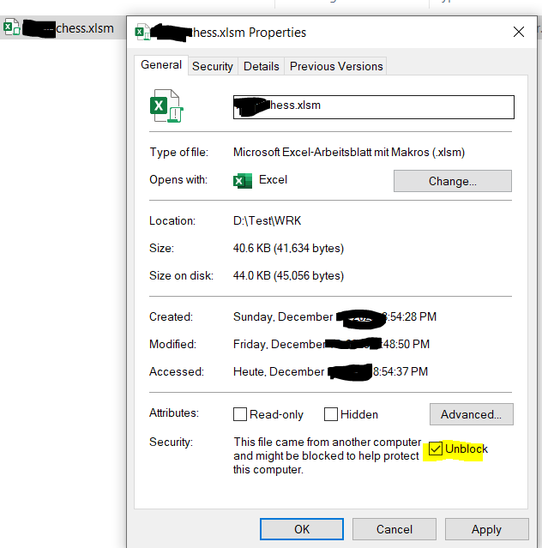
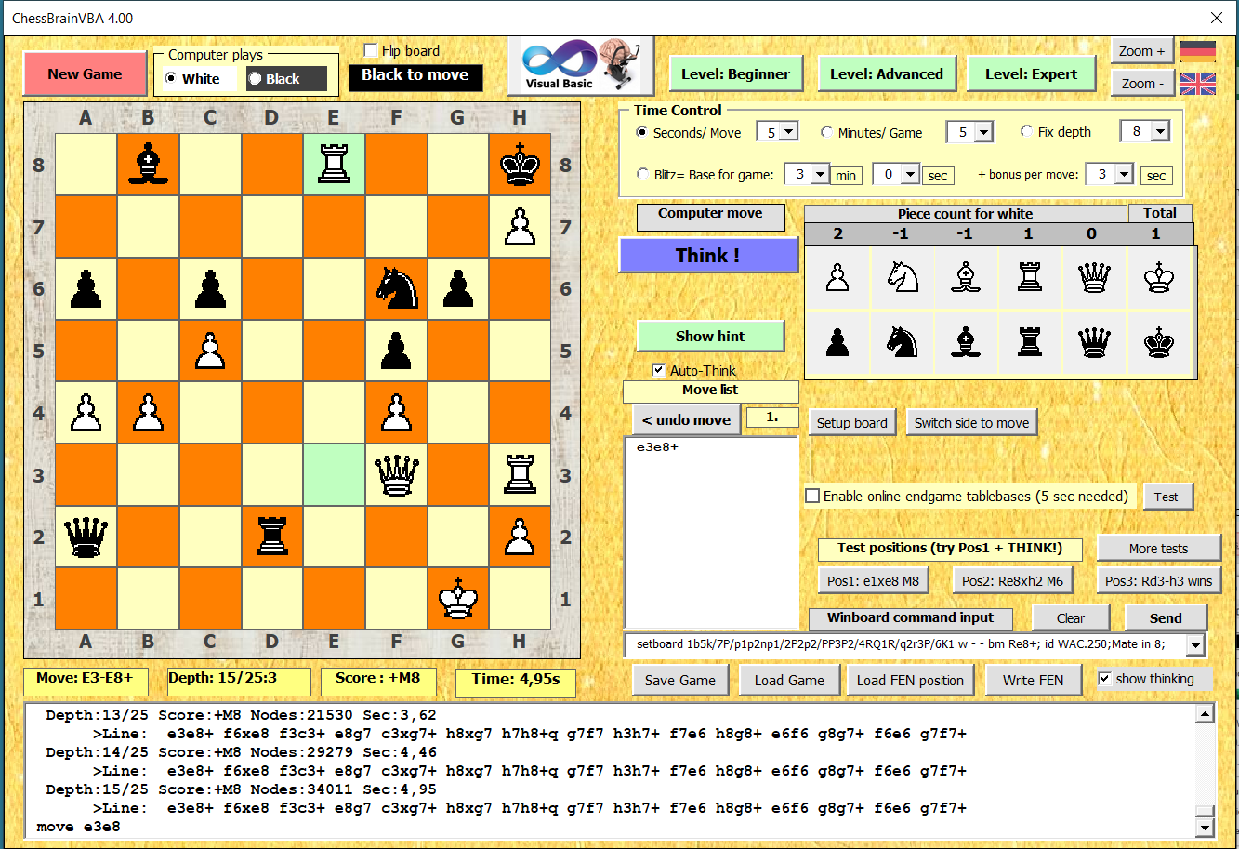
(enable macros first)

ExcelChessBrainVBA 4.00
ChessBrainVB chess engine by Roger Zuehlsdorf 2023 (contact: rogzuehlsdorf@yahoo.de) (based on engines LarsenVB by by Luca Dormia, on Faile by Adrien M. Regimbald and on ideas from Stockfish and other engines)
written in VBA ( Visual Basic for Applications). Playing level is about 2600 ELO compared to CCRL 40/4. How to unblock a downloaded Excel file. In file explorer right click on Excel file and select <Properties>, check <Unblock>
Press ALT+F11 to show source code.
Press ALT+F8 to show the list of macros: execute the „auto_open“ macro
If Macros are disabled: click options and enable macros
Activate Developer Tab: If the Developer tab is not available, click the Microsoft Office Button , and then click Excel(Word) Options. In Excel 2007: Click Popular (German "Haeufig verwendet"), and then select the Show Developer tab in the Ribbon check box. In Excel 2018/365, click the File >> Options >> Customize Ribbon. In the right side, check the Developer option.
https://support.microsoft.com/en-us/office/show-the-developer-tab-e1192344-5e56-4d45-931b-e5fd9bea2d45 Hint: A good tutorial about chess engines : Youtube "Coding Adventure: Chess , Sebastian Lague"

ChessBrainVB_Notes

=======================================================================================
ChessBrainVB_Notes.txt
by Roger Zuehlsdorf (2023)
=======================================================================================

This chess engine (32 bit Windows) for winboard and MsOfficeVBA (EXCEL/WORD) is based on the source of the engine "LarsenVB"
by Luca Dormio (http://xoomer.virgilio.it/ludormio/download.htm).
LarsenVB was inspired by "Faile 0.6 by" Adrien M. Regimbald, which was also the base for the engine "Sjeng".
I want to thank Luca Dormio for his permission to use his LarsenVB source.
search logic and evaluation based on Stockfish engine by Marco Costalba, Joona Kiiski, Gary Linscott, Tord Romstad
----------------------
Note: - a full Excel/Word install is needed. The Excel-Viewer will not execute macros and VBA. Tested with XP/W7/W8

- for use in ARENA GU:I In option General->Commandline parameters please add: -xboard

Known issues:
- for winboard version: older windows versions may need the VB runtime files (please download setup of LarsenVB)
----------------------

The ChessBrain programming language is "Visual Basic 6" as part from Microsoft Visual Studio 6 from 1998,
which is nearly compatible to "Visual Basic for Application" (VBA) for Microsoft Office.
VBA is still used in Office 365

Motivation for this engine:
------------------------------------
There are many MS-Office user with VBA knowledge but only few "C" programmer.
This VBA engine can be used to start with chess programming and to try some new ideas.

History of this engine:
-------------------------------
First step was to create a strong VB6 engine which can be converted to VBA later.
LarsenVB was the best VB6 engine available:The compiled native x86 EXE for winboard has a playing strength of ELO 1528
at CCRL(Computer Chess Rating Lists) for 40 move in 4 minutes.

Because the Office VBA code is not compiled but interpreted at runtime the speed is about 15 times slower.
So I tried some ideas from Ed Schroeder descriptions of the engine REBEL (i.e. recapture extensions).
The chess GUI ARENA was used to run matches against engines from the CCRL list (FAUCE, MrChess).
Finally I reached a level of 1850 ELO for the fast VB native version, still not enough for a good VBA engine.

So I added a simple hash logic and tried to understand sources from Cuckoo, Sjeng, Protector and Stockfish.
One problem: The VB engine does NOT use bitboards. The board uses the classic 10x12 array.
Then she search logic and the king safety evaluation was improved with Stockfish logic and combined with own ideas.

The final native version has a >>> playing strength of about 3190 ELO in 4 CPU mode listed in CCRL blitz

>>> Office VBA playing strength is about ELO 2800 <<< compared to CCRL 40/4.
Node count of the Pseudo-Code-Exe (VBA speed) is about 5.000-10.000 nodes per second only!

The next step was to make the source compatible with VBA and to create a small GUI with MsOffice forms.
Finally versions for EXCEL and WORD are available (convert to other MsOffice Apps like Access and Powerpoint should be easy)

Have fun!

Not supported features:
---------------------------------
Pondering is NOT supported.

Supported commands:
--------------------------------
thinking time:
"st": fixed time for move in sec
"level": level 0 2 12 : Game in 2 min + 12 sec/move
"sd": fixed iterative depth

analyze: supported
exit: end program
new: new game
setboard: read FEN position string
undo: undo move

eval: for debugging
display: for debugging

nodes count displayed: computed for each legal move executed during search on the internal board

---------------------------------------------------------------------------------------

How to copy VB6 code to Office VBA
===========================

Option 1: Remove file from VBA project and import VB6 file
Option 2: if not a form: copy and paste code directly form VB6 editor to VBA editor
(if using simple text editor instead of VB6: remove first line#, i.e : "Attribute VB_Name = "ConstBas""

---------------------------------------------------------------------------------------

How to make the engine better
=============================

Check the ChessBrainVB.ini file and optimize settings:
Example: Change OPPKINGATT_FACTOR to a higher value will create a more aggressive play: better against weak opponents.

Try changes in function Search() in Search.bas. Changing condition for NullMove or LateMovePruning may create a very different search.

Check the current patches for the Stockfish engine at
tests.stockfishchess.org/tests
Have a look into patches that are green with less than 30.000 games (a good ELO gain)

Chess Programming Wiki (sample: Null move )
www.chessprogramming.wikispaces.com/Null+Move+Pruning

www.computerchess.org.uk/ccrl/404/ | rating list and for links to chess proram sources
www.talkchess.com

>>> Excellent Youtube video about chess programming: "Coding Adventure: Chess" by Sebastian Lague

flow chart for main functions

