Activate Macros
How to unblock a downloaded Excel file.
In file explorer right click on Excel file and select <Properties>, check <Unblock>

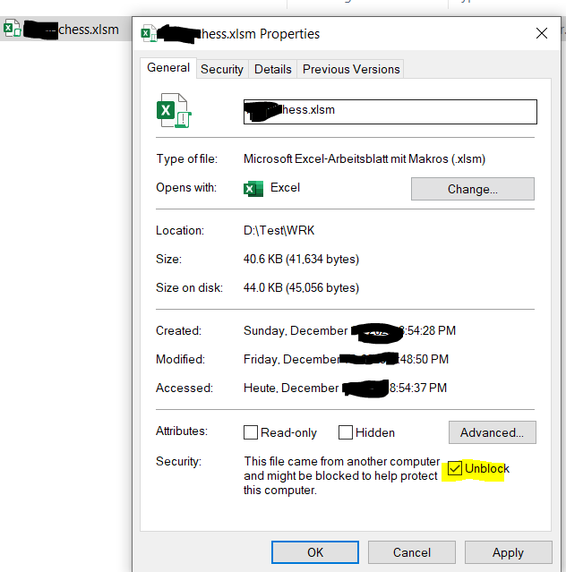

Also try: File>Options>Trustcenter Settings>Macro Settings

