Design Patterns
Types | Definition | Usage
Creational - These design patterns provide a way to create objects while hiding the creation logic, rather than instantiating objects directly using new operator. This gives program more flexibility in deciding which objects need to be created for a given use case. - 5 | Factory Pattern - In Factory pattern, we create object without exposing the creation logic to the client and refer to newly created object using a common interface.
 | Abstract Factory Pattern - Abstract Factory patterns work around a super-factory which creates other factories. This factory is also called as factory of factories.In Abstract Factory pattern an interface is responsible for creating a factory of related objects without explicitly specifying their classes. Each generated factory can give the objects as per the Factory pattern. | 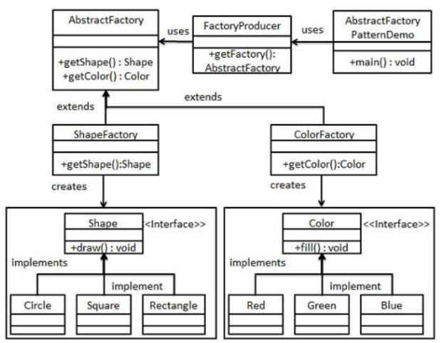
 | Singleton Pattern - Creating a single instance of a class It can be done using eager initialization, lazy initialization, synchronized method, synchronized block, enum, In JEE7, you can create a singleton class with the annotation @Singleton Example : Spring Beans, Logger object creation in an application | Scenario where you are allowed to create one instance of the class. Steps to create a singleton class: 1. create a static object for the class within the class static Abc obj = new Abc(); 2. create a private constructor private Abc(){} 3. Create a static method that will just return the static object. public static Abc getInstance(){ return obj;}
 | Builder Pattern - Builder pattern builds a complex object using simple objects and using a step by step approach. This type of design pattern comes under creational pattern as this pattern provides one of the best ways to create an object. A Builder class builds the final object step by step. This builder is independent of other objects.Seperates object construction from its representation | If you have multiple properties of an object, you can use this pattern to build the object easily without having to remember all the properties. Example : coke bottle, each time the same botlle is received from each section when it clears that section. First its sanitized, then the same bottle returned to the next section, where they fill the coke, then the sme bottle goes to the next section and bottle is sealed and finally same bottle is available for sale
 | Prototype Pattern - Prototype pattern refers to creating duplicate object while keeping performance in mind. A fully initialized instance to be copied or cloned This pattern involves implementing a prototype interface which tells to create a clone of the current object. This pattern is used when creation of object directly is costly. For example, an object is to be created after a costly database operation. We can cache the object, returns its clone on next request and update the database as and when needed thus reducing database calls. | Used when you have created an object with initial values say the values are from DB. Then you want to create the second object with the same values as in first object. so instead of creating a second object, we can copy from the first object through cloning, then you go for this design pattern.
Structural - These design patterns concern class and object composition. This pattern helps to compose objects. Suppose there are 2 objects and each one of them provides their own features and one object want to use another object, we go for this pattern - 8 | Adapter Pattern - This acts as a bridge between 2 compatible interfaces
 | Bridge Pattern - Progressively adding functionality while seperating out major differences using abstract classes Bridge is used when we need to decouple an abstraction from its implementation so that the two can vary independently. This type of design pattern comes under structural pattern as this pattern decouples implementation class and abstract class by providing a bridge structure between them. This pattern involves an interface which acts as a bridge which makes the functionality of concrete classes independent from interface implementer classes. Both types of classes can be altered structurally without affecting each other. We are demonstrating use of Bridge pattern via following example in which a circle can be drawn in different colors using same abstract class method but different bridge implementer classes. | 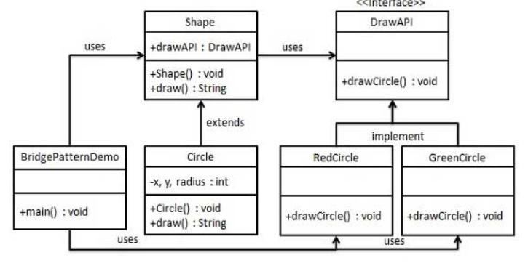
 | Filter Pattern - Filter pattern or Criteria pattern is a design pattern that enables developers to filter a set of objects using different criteria and chaining them in a decoupled way through logical operations. This type of design pattern comes under structural pattern as this pattern combines multiple criteria to obtain single criteria. We're going to create a Person object, Criteria interface and concrete classes implementing this interface to filter list of Person objects. CriteriaPatternDemo, our demo class uses Criteria objects to filter List of Person objects based on various criteria and their combinations. | 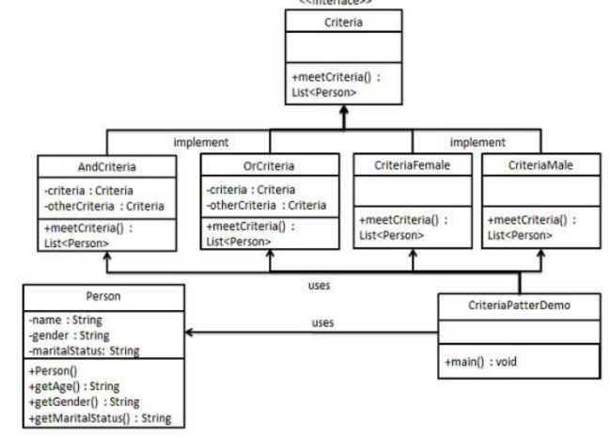
 | 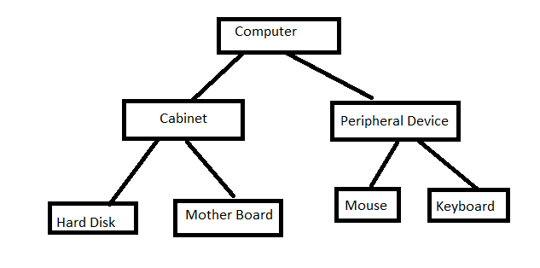 Composite Pattern | Used when you have an object which represents a tree structure and has a list of objects within it. An object which has a list of object is called composite object. A composite object can have both composite objects and leaf object. Whatever operation that is performed on the leaf object should be performed on the composite object as well.
 | Decorator Pattern[wrapper Pattern] - Adding behaviour to the objects statically/dynamically without affecting other objects. Adhering to "Open for extension and closed for modification" principle. Abstract class Channel acts as the Decorator class which will have reference to the actual object. new CartoonNetwork(new Discovery(new ESPN(skyTv))) Another Example : LineNumberInputStream(BufferedInputStream(FileInputStream)) | 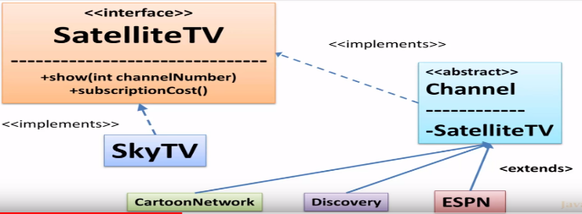
 | Façade Pattern - Facade pattern hides the complexities of the system and provides an interface to the client using which the client can access the system. This type of design pattern comes under structural pattern as this pattern adds an interface to existing system to hide its complexities. This pattern involves a single class which provides simplified methods required by client and delegates calls to methods of existing system classes. | Example : Event Managers, OnlineBookTransfer Advantages : Reduces network calls, Reduces coupling, Helps in establishing transaction boundary
 | Flyweight Pattern -Flyweight pattern is primarily used to reduce the number of objects created and to decrease memory footprint and increase performance. This type of design pattern comes under structural pattern as this pattern provides ways to decrease object count thus improving the object structure of application. Flyweight pattern tries to reuse already existing similar kind objects by storing them and creates new object when no matching object is found. We will demonstrate this pattern by drawing 20 circles of different locations but we will create only 5 objects. Only 5 colors are available so color property is used to check already existing Circle objects. A fine grained Instance used for efficient sharing
 | Proxy Pattern - Proxy is something that is authorized to handle the requests on behalf of the original object | Example : In MNCs, we have the proxy server that acts as a proxy for the Internet Service Provider which will do the job of identifying the url and determines whether it has to be blocked or not Another Example is credit card is a proxy for the bank account. EJB Home & Remote
Behaviour - These design patterns are specifically concerned with communication between objects. - 13 | Chain of Responsibility - A way of passing a request between a chain of objects until it reaches the object which can handle it | Example : Exception Handling in Java
 | Command Pattern - Command pattern is a data driven design pattern and falls under behavioral pattern category. A request is wrapped under an object as command and passed to invoker object. Invoker object looks for the appropriate object which can handle this command and passes the command to the corresponding object which executes the command. | 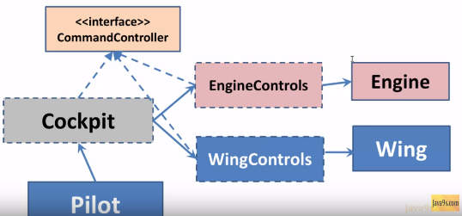 Applied where there are many controls. Simplifies and encapsulates the receivers Enables to add more command controls Example : Implementing Runnable Interface
 | Interpreter Pattern - Interpreter pattern provides a way to evaluate language grammar or expression. This type of pattern comes under behavioral pattern. This pattern involves implementing an expression interface which tells to interpret a particular context. This pattern is used in SQL parsing, symbol processing engine etc. We are going to create an interface Expression and concrete classes implementing the Expression interface. A class TerminalExpression is defined which acts as a main interpreter of context in question. Other classes OrExpression, AndExpression are used to create combinational expressions. | 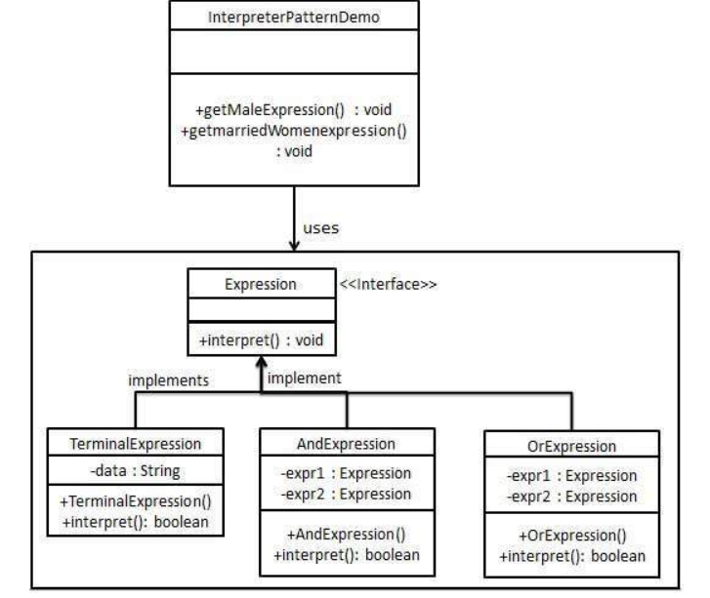
 | Iterator Pattern - Sequentially access the elements of a collection without knowing the underlying representation | Example : Iterating around collections
 | Mediator Pattern - Mediator pattern is used to reduce communication complexity between multiple objects or classes. This pattern provides a mediator class which normally handles all the communications between different classes and supports easy maintenance of the code by loose coupling. Mediator pattern falls under behavioral pattern category. | Example : Air Traffic Controller, ESB
 | Memento Pattern - Capturing and restoring an object's internal state.Memento pattern is used to restore state of an object to a previous state. | Example : Serialization in Java
 | Observer Pattern : Observer pattern is used when there is one-to-many relationship between objects such as if one object is modified, its depenedent objects are to be notified automatically. Implementation : Node js, pub sub messaging pattern, Java 7 there is Observer Interface Example : Stock Market Application. When the stock prices changes, changes are automatically notified | 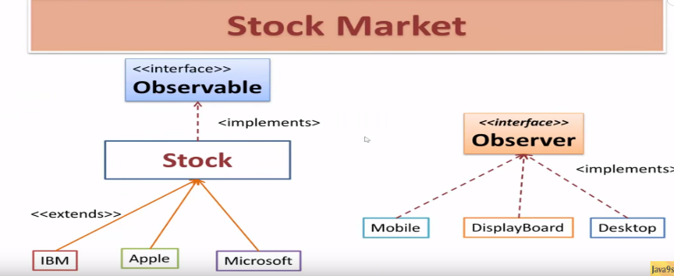
 | 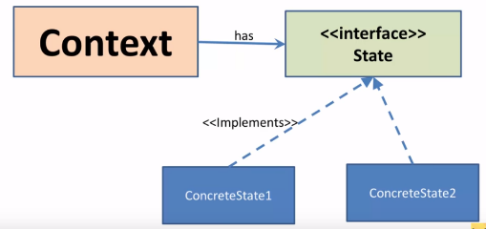 State Pattern : In State pattern a class behavior changes based on its state.In State pattern, we create objects which represent various states and a context object whose behavior varies as its state object changes. Example : Consider the context object as Kid and state object as age. Based on the age, kids behaviour changes. | Advantages : 1. Encapsulates the changing behaviour 2. Any changes to the behaviours based on state will only change state objects. 3. Easy for extension as we can create any number of state objects
 | Null Pattern: In Null Object pattern, a null object replaces check of NULL object instance. Instead of putting if check for a null value, Null Object reflects a do nothing relationship. Such Null object can also be used to provide default behaviour in case data is not available. In Null Object pattern, we create an abstract class specifying various operations to be done, concrete classes extending this class and a null object class providing do nothing implemention of this class and will be used seemlessly where we need to check null value. | 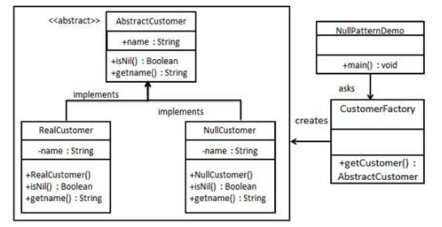
 | Strategy Pattern : In Strategy pattern, a class behavior or its algorithm can be changed at run time.In Strategy pattern, we create objects which represent various strategies and a context object whose behavior varies as per its strategy object. The strategy object changes the executing algorithm of the context object. Example : In Maps Navigation app, app chooses the route dynamically based on the traffic & distance. Here traffic & distance are strategy objects. route is the context object | Advantages : 1. Ability to choose the algorithms dynamically 2.Algorithm encapsulation 3.Define multiple algorithms
 | Template Pattern : In Template pattern, an abstract class exposes defined way(s)/template(s) to execute its methods. Its subclasses can override the method implementation as per need but the invocation is to be in the same way as defined by an abstract class. Implementation : Mostly in data layer, Common steps to connect to the database will be present as a template method Example : Bank account creation. This will be an abstract class and will hold a template method(sequence of steps in account creation). Implementation classes will be business Account creation, private account creation. Both the implementation classes are going to use the template method in the abstract class. If there are any changes in the functionality those methods can be overriden in the implementation class | Advantages: 1. Reduces code duplication 2. Boilerplate code is moved to base frameworks 3.Open for extension
 | Visitor Pattern- Defines a new operation to a class without change On the UML diagram above, we have two implementation hierarchies, specialized visitors, and concrete elements. First of all, the client uses a Visitor implementation and applies it to the object structure. The composite object iterates over its components and applies the visitor to each of them. Now, especially relevant is that concrete elements (ConcreteElementA and ConcreteElementB) are accepting a Visitor, simply allowing it to visit them. Lastly, this method is the same for all elements in the structure, it performs double dispatch with passing itself (via the this keyword) to the visitor’s visit method. | 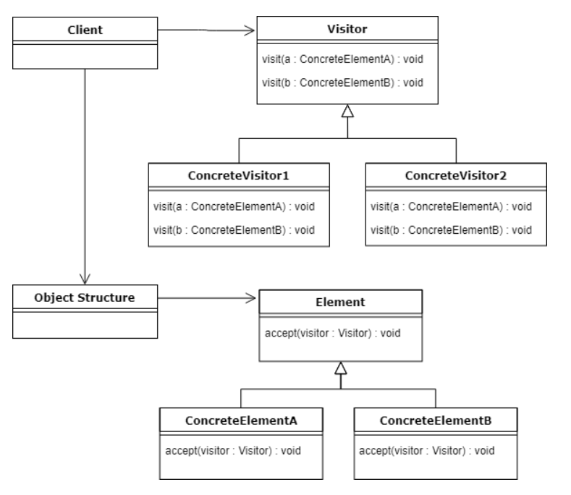
 | MVC Pattern
J2EE - specifically concerned with the presentation tier - 7 | Business Delegate Pattern -Business Delegate Pattern is used to decouple presentation tier and business tier. It is basically use to reduce communication or remote lookup functionality to business tier code in presentation tier code. In business tier we have following entities. Client - Presentation tier code may be JSP, servlet or UI java code. Business Delegate - A single entry point class for client entities to provide access to Business Service methods. LookUp Service - Lookup service object is responsible to get relative business implementation and provide business object access to business delegate object. Business Service - Business Service interface. Concrete classes implement this business service to provide actual business implementation logic. | 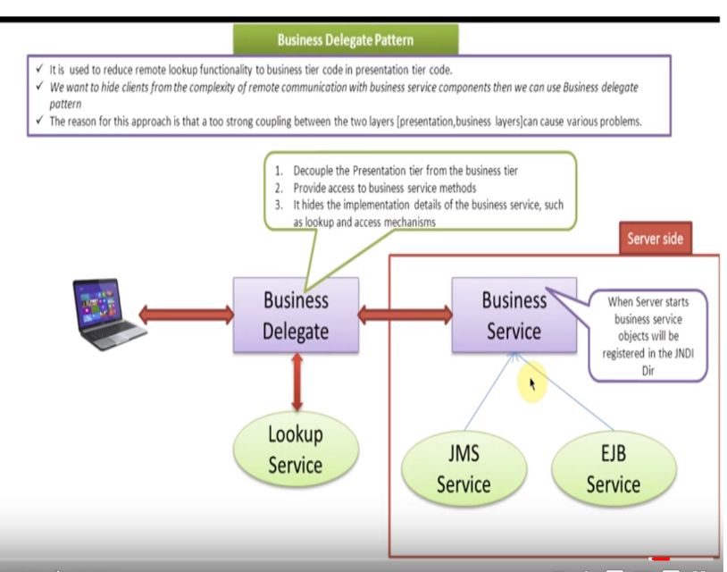
 | Composite Entity Pattern - Composite Entity pattern is used in EJB persistence mechanism. A Composite entity is an EJB entity bean which represents a graph of objects. When a composite entity is updated, internally dependent objects beans get updated automatically as being managed by EJB entity bean. Following are the participants in Composite Entity Bean. Composite Entity - It is primary entity bean. It can be coarse grained or can contain a coarse grained object to be used for persistence purpose. Coarse-Grained Object - This object contains dependent objects. It has its own life cycle and also manages life cycle of dependent objects. Dependent Object - Dependent object is an object which depends on coarse grained object for its persistence lifecycle. Strategies - Strategies represents how to implement a Composite Entity. | 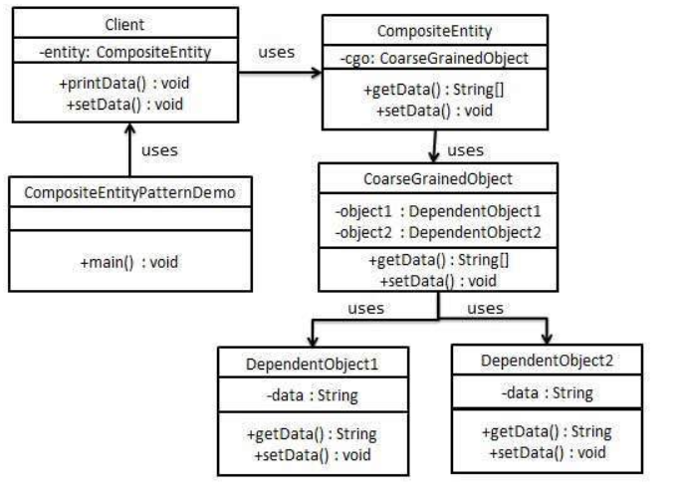
 | Data Access Object Pattern - Data Access Object Pattern or DAO pattern is used to separate low level data accessing API or operations from high level business services. Following are the participants in Data Access Object Pattern. Data Access Object Interface - This interface defines the standard operations to be performed on a model object(s). Data Access Object concrete class - This class implements above interface. This class is responsible to get data from a data source which can be database / xml or any other storage mechanism. Model Object or Value Object - This object is simple POJO containing get/set methods to store data retrieved using DAO class. | 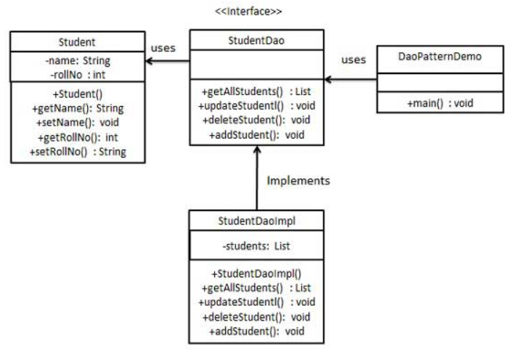
 | Front Controller Pattern - The front controller design pattern is used to provide a centralized request handling mechanism so that all requests will be handled by a single handler. This handler can do the authentication/ authorization/ logging or tracking of request and then pass the requests to corresponding handlers. Following are the entities of this type of design pattern. Front Controller - Single handler for all kinds of requests coming to the application (either web based/ desktop based). Dispatcher - Front Controller may use a dispatcher object which can dispatch the request to corresponding specific handler. View - Views are the object for which the requests are made. | 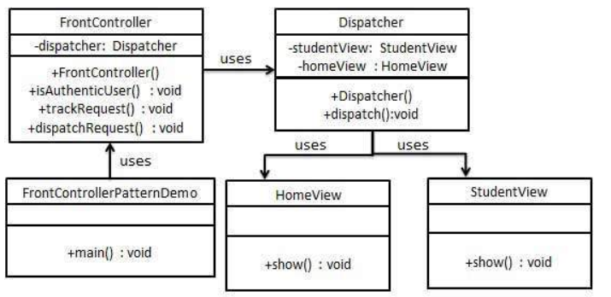
 | Intercepting Filter Pattern - The intercepting filter design pattern is used when we want to do some pre-processing / post-processing with request or response of the application. Filters are defined and applied on the request before passing the request to actual target application. Filters can do the authentication/ authorization/ logging or tracking of request and then pass the requests to corresponding handlers. Following are the entities of this type of design pattern. Filter - Filter which will performs certain task prior or after execution of request by request handler. Filter Chain - Filter Chain carries multiple filters and help to execute them in defined order on target. Target - Target object is the request handler Filter Manager - Filter Manager manages the filters and Filter Chain. Client - Client is the object who sends request to the Target object. | 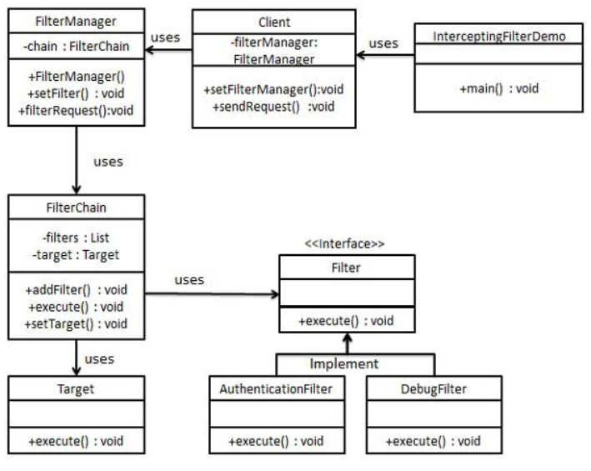
 | Service Locator Pattern - The service locator design pattern is used when we want to locate various services using JNDI lookup. Considering high cost of looking up JNDI for a service, Service Locator pattern makes use of caching technique. For the first time a service is required, Service Locator looks up in JNDI and caches the service object. Further lookup or same service via Service Locator is done in its cache which improves the performance of application to great extent. Following are the entities of this type of design pattern. Service - Actual Service which will process the request. Reference of such service is to be looked upon in JNDI server. Context / Initial Context - JNDI Context carries the reference to service used for lookup purpose. Service Locator - Service Locator is a single point of contact to get services by JNDI lookup caching the services. Cache - Cache to store references of services to reuse them Client - Client is the object that invokes the services via ServiceLocator. | 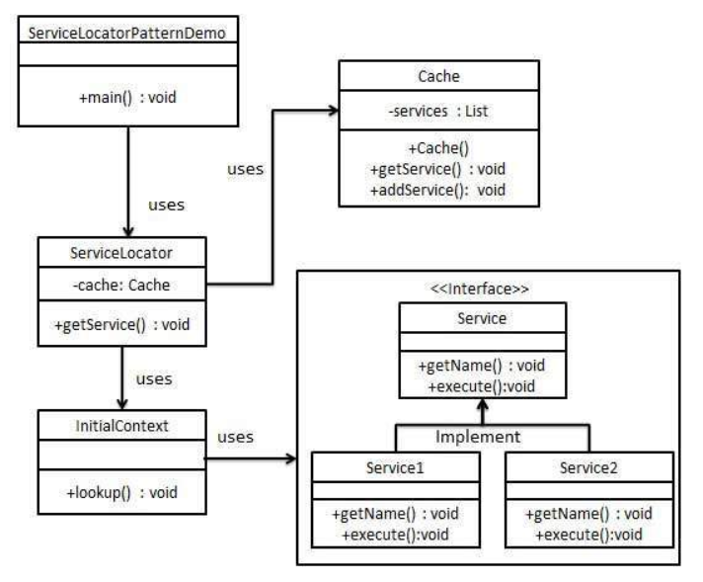
 | Transfer Object Pattern - The Transfer Object pattern is used when we want to pass data with multiple attributes in one shot from client to server. Transfer object is also known as Value Object. Transfer Object is a simple POJO class having getter/setter methods and is serializable so that it can be transferred over the network. It does not have any behavior. Server Side business class normally fetches data from the database and fills the POJO and send it to the client or pass it by value. For client, transfer object is read-only. Client can create its own transfer object and pass it to server to update values in database in one shot. Following are the entities of this type of design pattern. Business Object - Business Service fills the Transfer Object with data. Transfer Object - Simple POJO having methods to set/get attributes only. Client - Client either requests or sends the Transfer Object to Business Object. | 