Sheet1
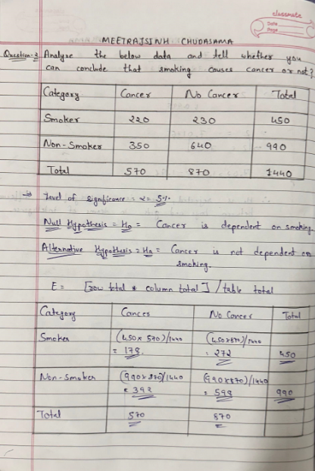
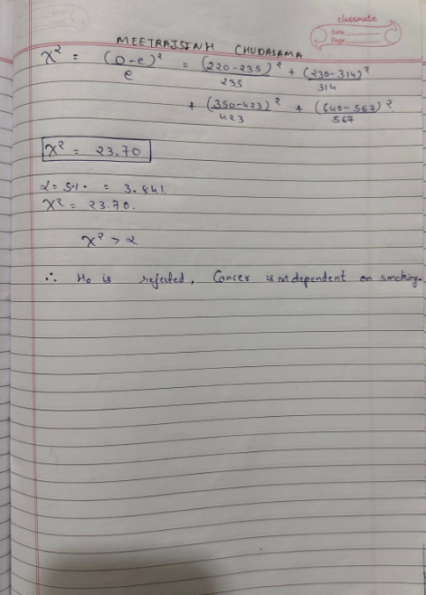
Question - 1 : - There is an assumption that there is no significant difference between boys and girls with respect to intelligence. Tests are conducted on two groups and the following are the observations

Gender | Mean | Standard Deviation | Size
Girls | 89 | 4 | 50
Boys | 82 | 9 | 120

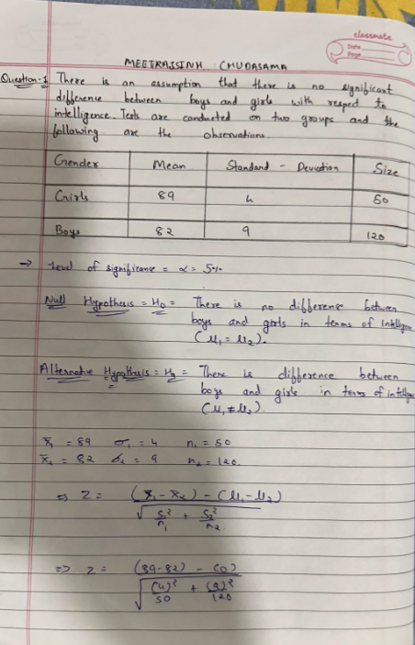
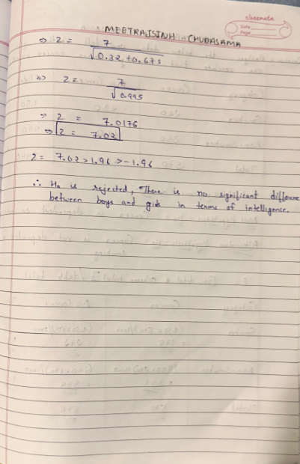

Question - 2 : - Analyze the below data and tell whether you can conclude that smoking causes cancer or not?

Category | Cancer | No Cancer | Total
Smoker | 220 | 230 | 450
Non -Smoker | 350 | 640 | 990
Total | 570 | 870 | 1440

