Sheet1
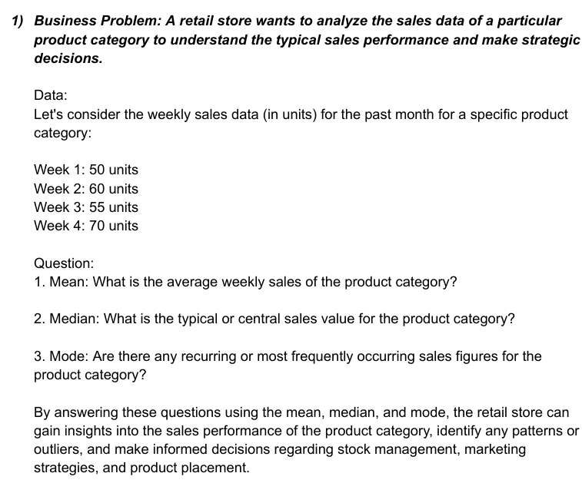

 | 50 |  | Mean = | 58.75
 | 60 |  | Median = | 57.5
 | 55 |  | Mode = | #N/A
 | 70

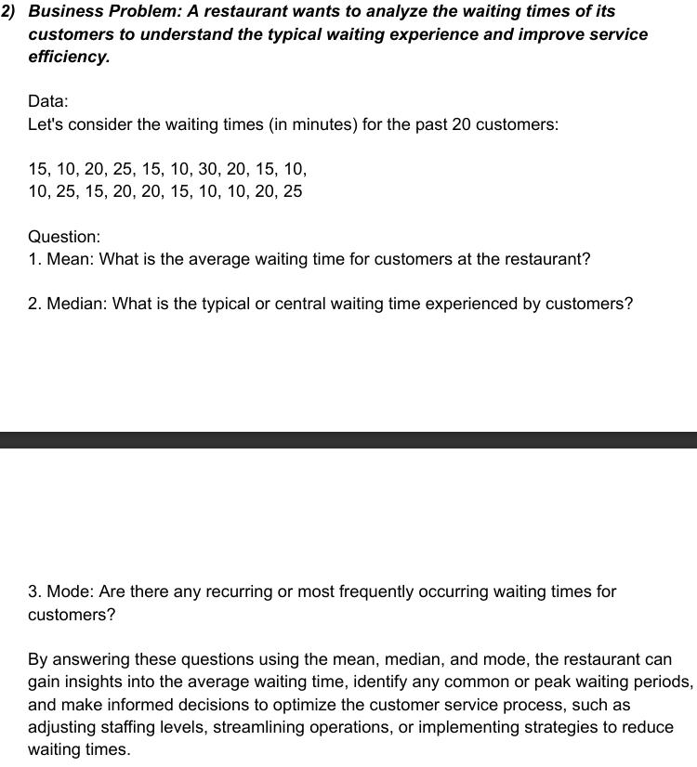
15 |  |  | Mean = | 17
10 |  |  | Median = | 15
20 |  |  | Mode = | 10
25
15
10
30
20
15
10
10
25
15
20
20
15
10
10
20
25

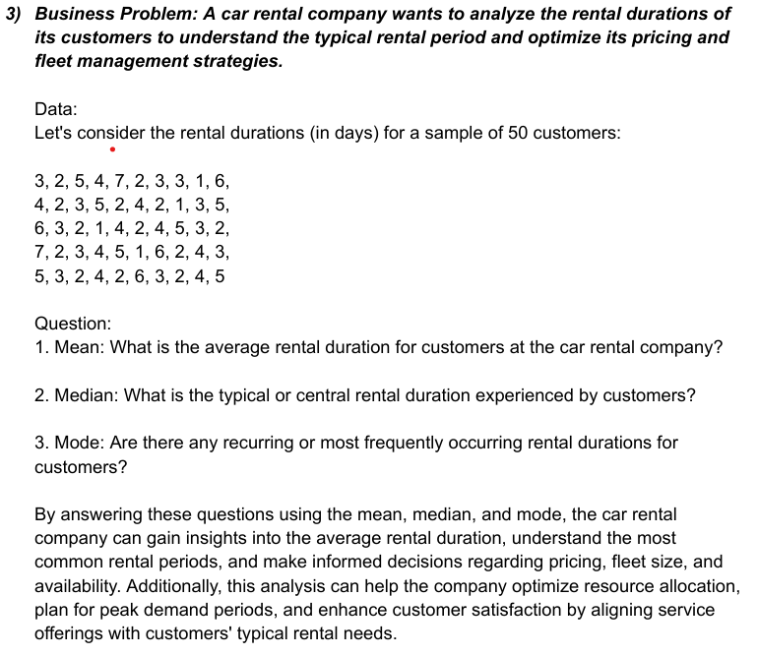
 | 3 |  | Mean = | 3.44
 | 2 |  | Mode = | 2
 | 5 |  | Median = | 3
 | 4
 | 7
 | 2
 | 3
 | 3
 | 1
 | 6
 | 4
 | 2
 | 3
 | 5
 | 2
 | 4
 | 2
 | 1
 | 3
 | 5
 | 6
 | 3
 | 2
 | 1
 | 4
 | 2
 | 4
 | 5
 | 3
 | 2
 | 7
 | 2
 | 3
 | 4
 | 5
 | 1
 | 6
 | 2
 | 4
 | 3
 | 5
 | 3
 | 2
 | 4
 | 2
 | 6
 | 3
 | 2
 | 4
 | 5

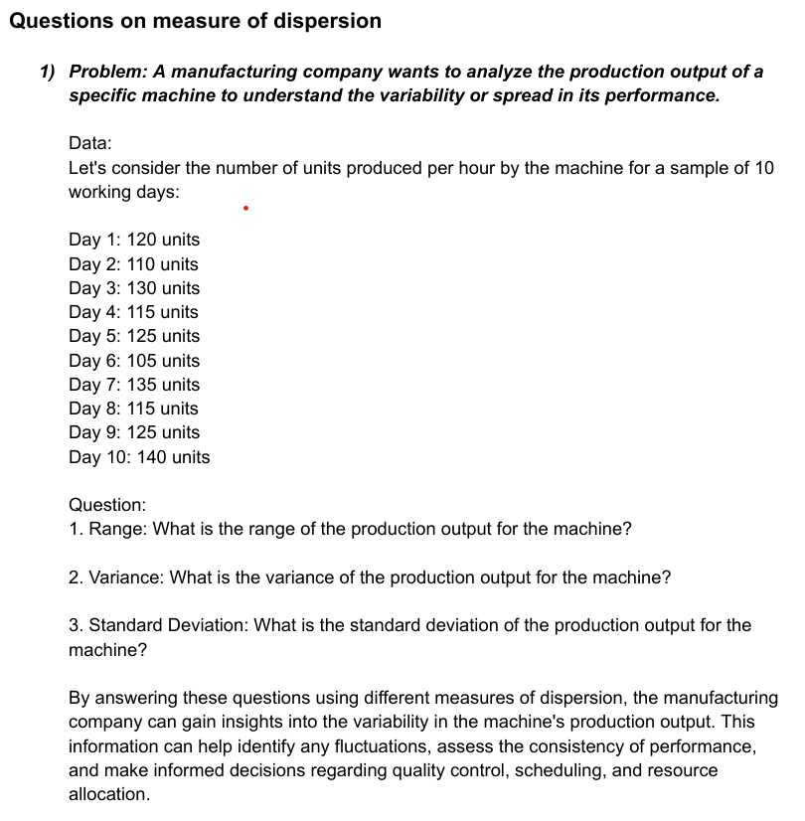
 | 120 |  | Range = | 35
 | 110 |  | Variance = | 123.33333333
 | 130 |  | Standard Deviation = | 11.105554166
 | 115
 | 125
 | 105
 | 135
 | 115
 | 125
 | 140

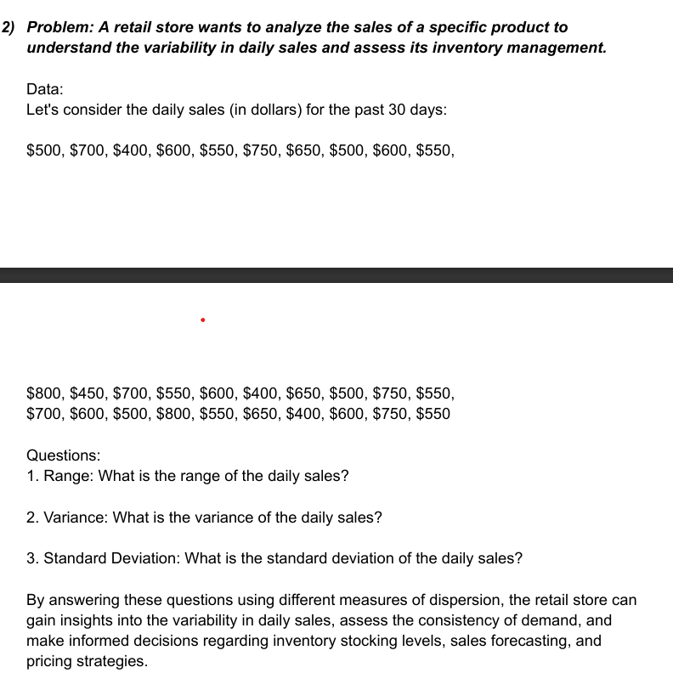
 | 500 |  | Range = | 400
 | 700 |  | Variance = | 13163.793103
 | 400 |  | Standard Deviation = | 114.73357444
 | 600
 | 550
 | 750
 | 650
 | 500
 | 600
 | 550
 | 800
 | 450
 | 700
 | 550
 | 600
 | 400
 | 650
 | 500
 | 750
 | 550
 | 700
 | 600
 | 500
 | 800
 | 550
 | 650
 | 400
 | 600
 | 750
 | 550

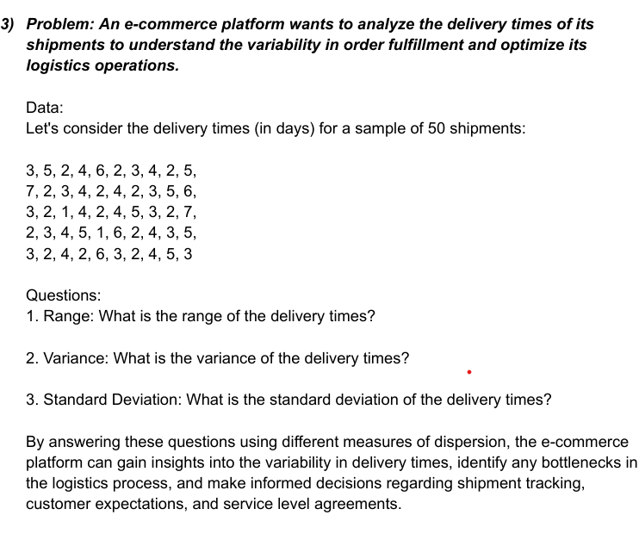
 | 3 |  | Range = | 6
 | 5 |  | Variance = | 2.3363265306
 | 2 |  | Standard Deviation = | 1.5285046714
 | 4
 | 6
 | 2
 | 3
 | 4
 | 2
 | 5
 | 7
 | 2
 | 3
 | 4
 | 2
 | 4
 | 2
 | 3
 | 5
 | 6
 | 3
 | 2
 | 1
 | 4
 | 2
 | 4
 | 5
 | 3
 | 2
 | 7
 | 2
 | 3
 | 4
 | 5
 | 1
 | 6
 | 2
 | 4
 | 3
 | 5
 | 3
 | 2
 | 4
 | 2
 | 6
 | 3
 | 2
 | 4
 | 5
 | 3

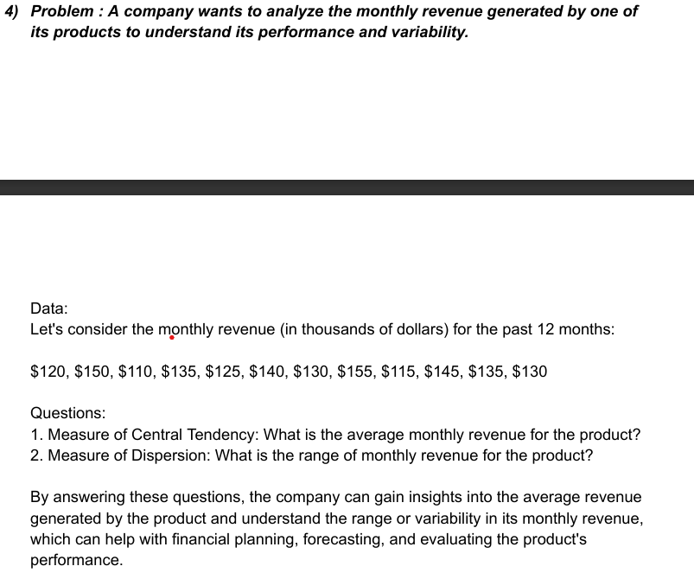

 | 120 |  | Monthly Average = | 132.5
 | 150 |  | Range = | 45
 | 110
 | 135
 | 125
 | 140
 | 130
 | 155
 | 115
 | 145
 | 135
 | 130

 | 8
 | 7
 | 9
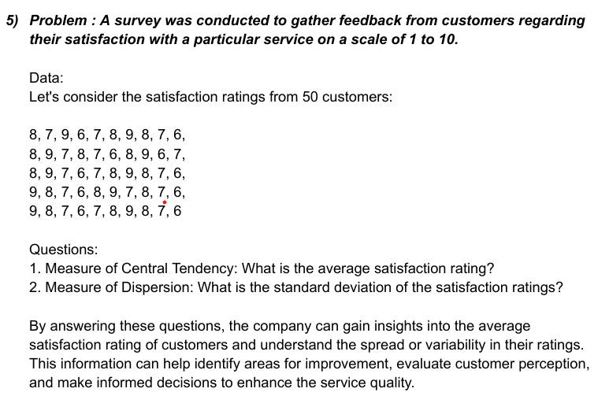
 | 6
 | 7
 | 8
 | 9
 | 8
 | 7
 | 6 |  | Mean = | 7.5
 | 8 |  | Standard Deviation = | 1.035098339
 | 9
 | 7
 | 8
 | 7
 | 6
 | 8
 | 9
 | 6
 | 7
 | 8
 | 9
 | 7
 | 6
 | 7
 | 8
 | 9
 | 8
 | 7
 | 6
 | 9
 | 8
 | 7
 | 6
 | 8
 | 9
 | 7
 | 8
 | 7
 | 6
 | 9
 | 8
 | 7
 | 6
 | 7
 | 8
 | 9
 | 8
 | 7
 | 6

 | 10
 | 15
 | 12
 | 18
 | 20
 | 25
 | 8
 | 14
 | 16
 | 22
 | 9
 | 17
 | 11
 | 13
 | 19
 | 23
 | 21
 | 16
 | 24
 | 27
 | 13
 | 10
 | 18
 | 16
 | 12
 | 14
 | 19
 | 21
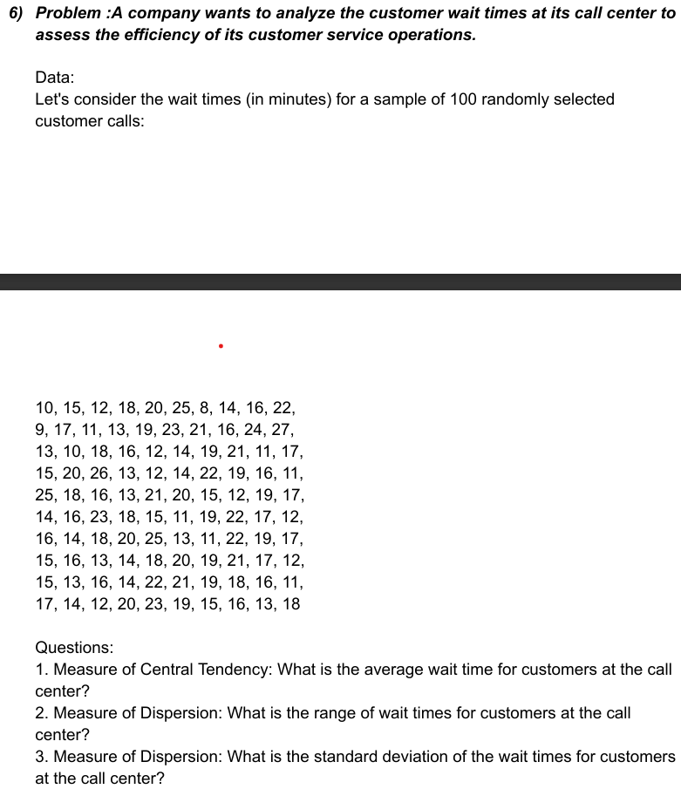
 | 11
 | 17
 | 15
 | 20
 | 26
 | 13
 | 12
 | 14
 | 22
 | 19
 | 16
 | 111
 | 25
 | 18
 | 16
 | 13
 | 21
 | 20
 | 15
 | 12
 | 19
 | 17
 | 14
 | 16
 | 23
 | 18
 | 15
 | 11
 | 19
 | 22
 | 17 |  | Mean = | 17.74
 | 12 |  | Range = | 103
 | 16 |  | Standard Deviation = | 10.274632879
 | 14
 | 18
 | 20
 | 25
 | 13
 | 11
 | 22
 | 19
 | 17
 | 15
 | 16
 | 13
 | 14
 | 18
 | 20
 | 19
 | 21
 | 17
 | 12
 | 15
 | 13
 | 16
 | 14
 | 22
 | 21
 | 19
 | 18
 | 16
 | 11
 | 17
 | 14
 | 12
 | 20
 | 23
 | 19
 | 15
 | 16
 | 13
 | 18

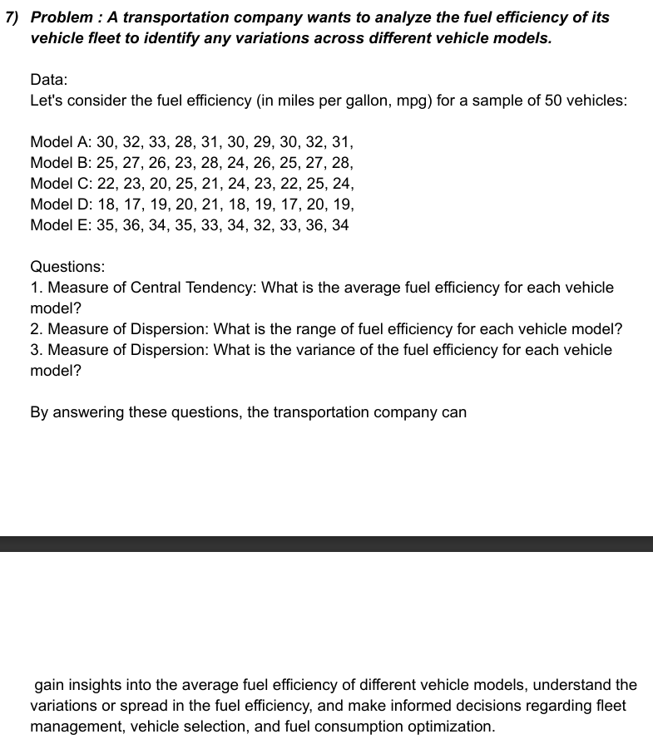
 | Model A |  | Model B |  | Model C | Model D | Model E
 | 30 |  | 25 |  | 22 | 18 | 35
 | 32 |  | 27 |  | 23 | 17 | 36
 | 33 |  | 26 |  | 20 | 19 | 34
 | 28 |  | 23 |  | 25 | 20 | 35
 | 31 |  | 28 |  | 21 | 21 | 33
 | 30 |  | 24 |  | 24 | 18 | 34
 | 29 |  | 26 |  | 23 | 19 | 32
 | 30 |  | 25 |  | 22 | 17 | 33
 | 32 |  | 27 |  | 25 | 20 | 36
 | 31 |  | 28 |  | 24 | 19 | 34

 |  |  | Mean A = | 30.6
 |  |  | Range A = | 5
 |  |  | Variance A = | 2.2666666667

 |  |  | Mean B = | 25.9
 |  |  | Range B = | 5
 |  |  | Variance B = | 2.7666666667

 |  |  | Mean C = | 22.9
 |  |  | Range C = | 5
 |  |  | Variance C = | 2.7666666667

 |  |  | Mean D = | 18.8
 |  |  | Range D = | 4
 |  |  | Variance D = | 1.7333333333

 |  |  | Mean E = | 34.2
 |  |  | Range E = | 4
 |  |  | Variance E = | 1.7333333333

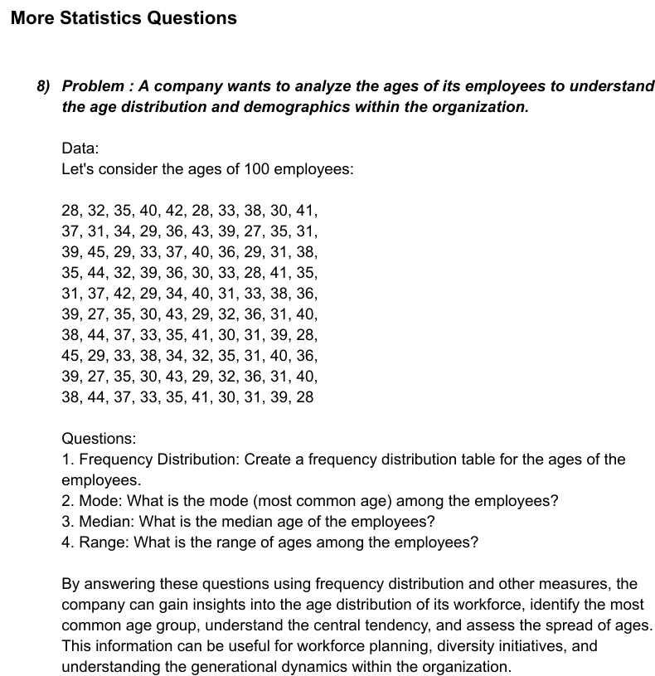
28
32
35
40
42
28
33
38 |  |  | Mode = | 31
30 |  |  | Median = | 35
41 |  |  | Range = | 18
37
31
34
29
36
43
39
27
35
31
39
45
29
33
37
40
36
29
31
38
35
44
32
39
36
30
33
28
41
35
31
37
42
29
34
40
31
33
38
36
39
27
35
30
43
29
32
36
31
40
38
44
37
33
35
41
30
31
39
28
45
29
33
38
34
32
35
31
40
36
39
27
35
30
43
29
32
36
31
40
38
44
37
33
35
41
30
31
39
28

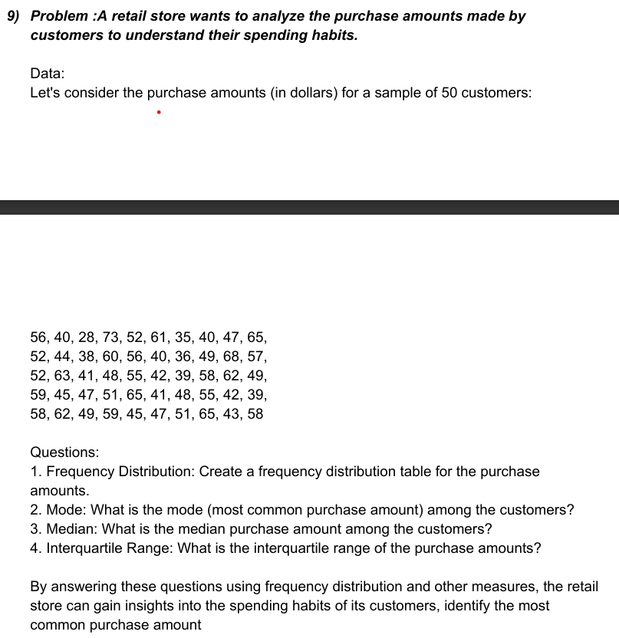
56
40
28
73
52
61
35
40
47
65
52
44
38
60
56
40
36
49
68
57 |  |  | Mode = | 40
52 |  |  | Median = | 50
63 |  |  | Quartile 1 = | 42.25
41 |  |  | Quartile 3 = | 58
48 |  |  | Interquartile Range = | 15.75
55
42
39
58
62
49
59
45
47
51
65
41
48
55
42
39
58
62
49
59
45
47
51
65
43
58

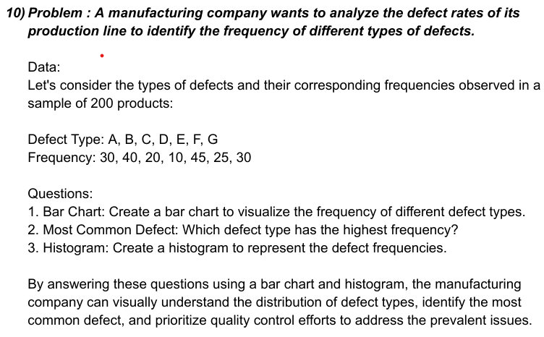
 |  |  | Defect Type | Frequency
 |  |  | A | 30
 |  |  | B | 40
 |  |  | C | 20
 |  |  | D | 10
 |  |  | E | 45
 |  |  | F | 25
 |  |  | G | 30

 | Bar Chart

 | Mode = | 30 | G has the highest Frequency

4
5
3
4
4
3
2
5
4
3
5
4
2
3
4
5
3
4
5
3
4
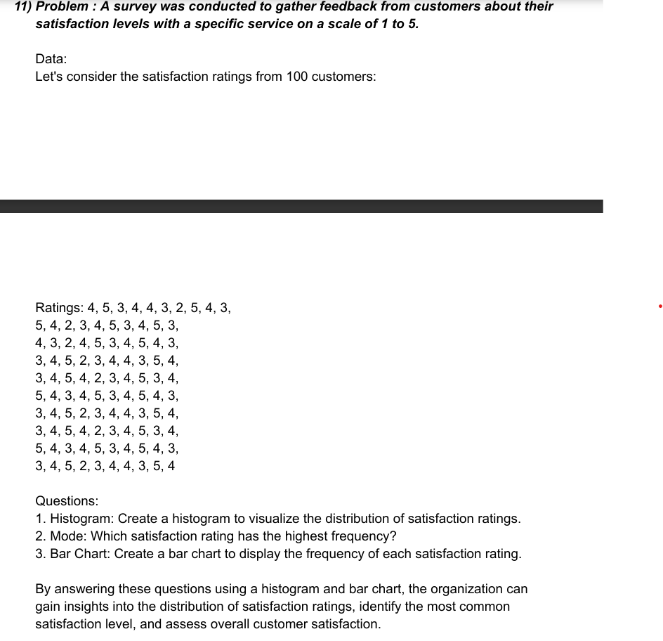
3
2
4
5
3
4
5
4
3
3
4
5
2
3
4
4
3
5
4
3
4
5
4
2 |  |  | Mode = | 4
3
4 | Bar Chart
5
3
4
5
4
3
4
5
3
4
5
4
3
3
4
5
2
3
4
4
3
5
4
3
4
5
4
2
3
4
5
3
4
5
4
3
4
5
3
4
5
4
3
3
4
5
2
3
4
4
3
5
4

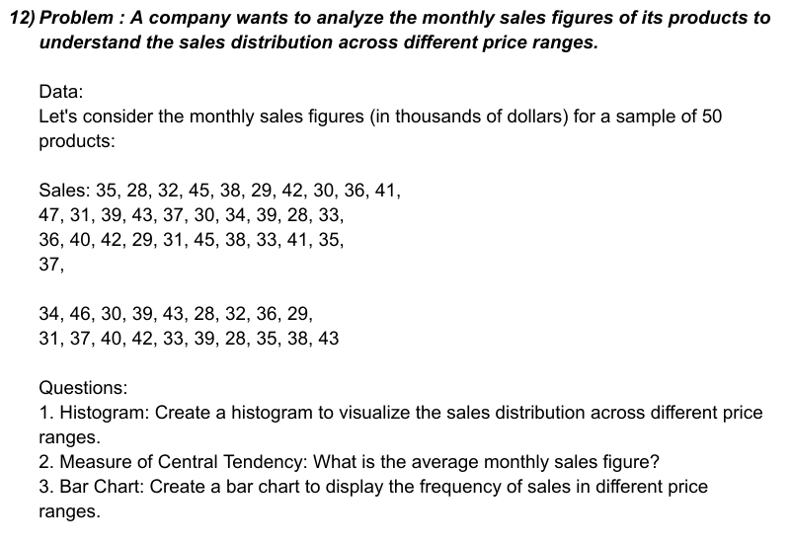
35
28 |  |  | Mean = | 36.14
32
45 | Bar Chart
38
29
42
30
36
41
47
31
39
43
37
30
34
39
28
33
36
40
42
29
31
45
38
33
41
35
37
34
46
30
39
43
28
32
36
29
31
37
40
42
33
39
28
35
38
43

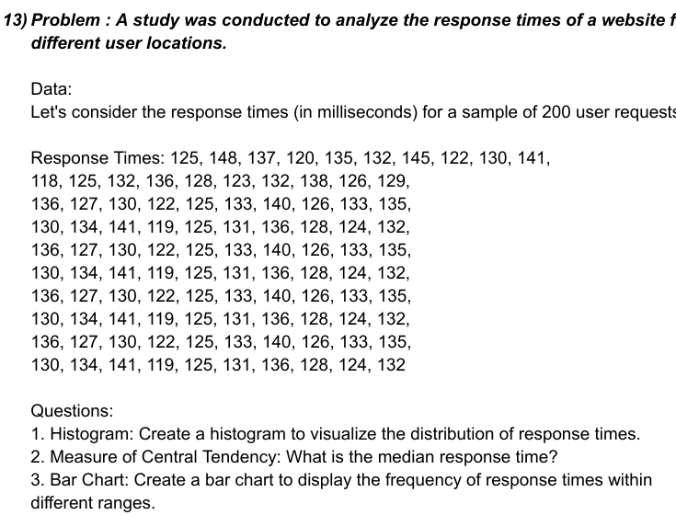
125 |  |  | Median = | 130.5
148
137
120
135 | Bar Chart
132
145
122
130
141
118
125
132
136
128
123
132
138
126
129
136
127
130
122
125
133
140
126
133
135
130
134
141
119
125
131
136
128
124
132
136
127
130
122
125
133
140
126
133
135
130
134
141
119
125
131
136
128
124
132
136
127
130
122
125
133
140
126
133
135
136
127
130
122
125
133
140
126
133
135
136
127
130
122
125
133
140
126
133
135
130
134
141
119
125
131
136
128
124
132

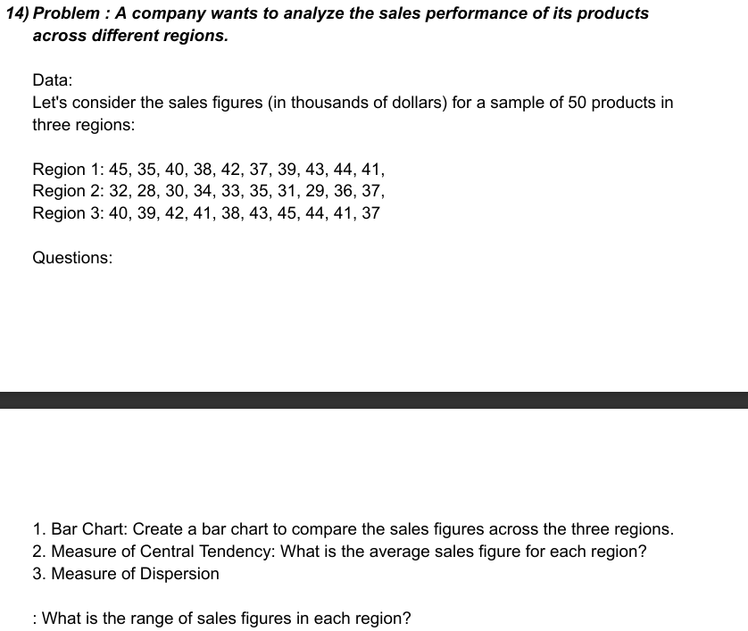
Region-1 | Region-2 | Region-3 | Mean of Region-1 | 40.4
45 | 32 | 40 | Range of Region-1 | 10
35 | 28 | 39
40 | 30 | 42
38 | 34 | 41 | Mean of Region-2 | 32.5
42 | 33 | 38 | Range of Region-2 | 9
37 | 35 | 43
39 | 31 | 45 | Mean of Region-3 | 41
43 | 29 | 44 | Range of Region-3 | 8
44 | 36 | 41
41 | 37 | 37

 |  |  | Bar Chart
Region-1

Region-2

Region-3


-2.5
1.3
-0.8
-1.9
2.1
0.5
-1.2
1.8
-0.5
2.3
-0.7 |  |  | Skewness = | 0.054546017084
1.2 |  |  | Kurtosis = | -1.3042496426
-1.5
-0.3
Above skewness value indicates that the data distribution is slightly skewed to the right. This means that the right tail of the distribution has more weight than the left tail.
Above Kurtosis value indicates that it is platykurtic which has heavier tail and flatter peak compared to normal distribution.
2.6
1.1
-1.7
0.9
-1.4
0.3
1.9
-1.1
-0.4
2.2
-0.9
1.6
-0.6
-1.3
2.4
0.7
-1.8
1.5
-0.2
-2.1
2.8
0.8
-1.6
1.4
-0.1
2.5
-1.0
1.7
-0.9
-2.0
2.7
0.6
-1.4
1.1
-0.3
2.0

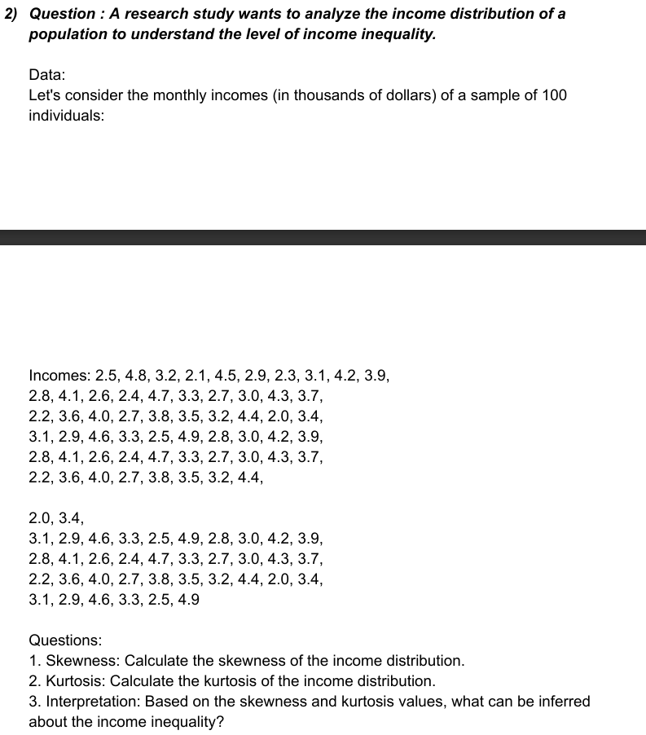
2.5
4.8
3.2
2.1
4.5
2.9
2.3
3.1
4.2
3.9
2.8
4.1
2.6
2.4 |  |  | Skewness = | 0.21508971388
4.7 |  |  | Kurtosis = | -0.93181587744
3.3
2.7
Above skewness value indicates that the data distribution is slightly skewed to the right. This means that the right tail of the distribution has more weight than the left tail.
Above Kurtosis value indicates that it is platykurtic which has heavier tail and flatter peak compared to normal distribution.
3.0
4.3
3.7
2.2
3.6
4.0
2.7
3.8
3.5
3.2
4.4
2.0
3.4
3.1
2.9
4.6
3.3
2.5
4.9
2.8
3.0
4.2
3.9
2.8
4.1
2.6
2.4
4.7
3.3
2.7
3.0
4.3
3.7
2.2
3.6
4.0
2.7
3.8
3.5
3.2
4.4
2.0
3.4
3.1
2.9
4.6
3.3
2.5
4.9
2.8
3.0
4.2
3.9
2.8
4.1
2.6
2.4
4.7
3.3
2.7
3.0
4.3
3.7
2.2
3.6
4.0
2.7
3.8
3.5
3.2
4.4
2.0
3.4
3.1
2.9
4.6
3.3
2.5
4.9
2.8
3.0
4.2
3.9

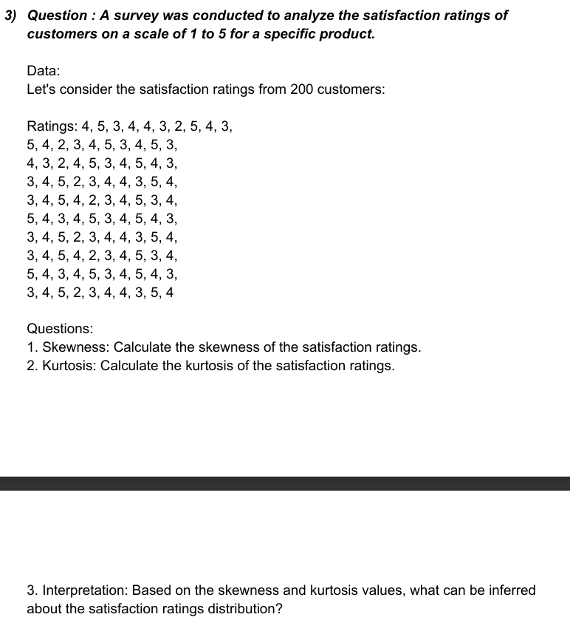
4
5
3
4
4
3
2
5
4
3
5
4
2
3
4
5 |  |  | Skewness = | -0.21090973977
3 |  |  | Kurtosis = | -0.74525627212
Above skewness value indicates that the data distribution is slightly left-skewed. This means that the tail on the left side of the distribution is slightly heavier than the tail on the right side.
Above Kurtosis value indicates that it is platykurtic which has heavier tail and flatter peak compared to normal distribution.
4
5
3
4
3
2
4
5
3
4
5
4
3
3
4
5
2
3
4
4
3
5
4
3
4
5
4
2
3
4
5
3
4
5
4
3
4
5
3
4
5
4
3
3
4
5
2
3
4
4
3
5
4
3
4
5
4
2
3
4
5
3
4
5
4
3
4
5
3
4
5
4
3
3
4
5
2
3
4
4
3
5
4

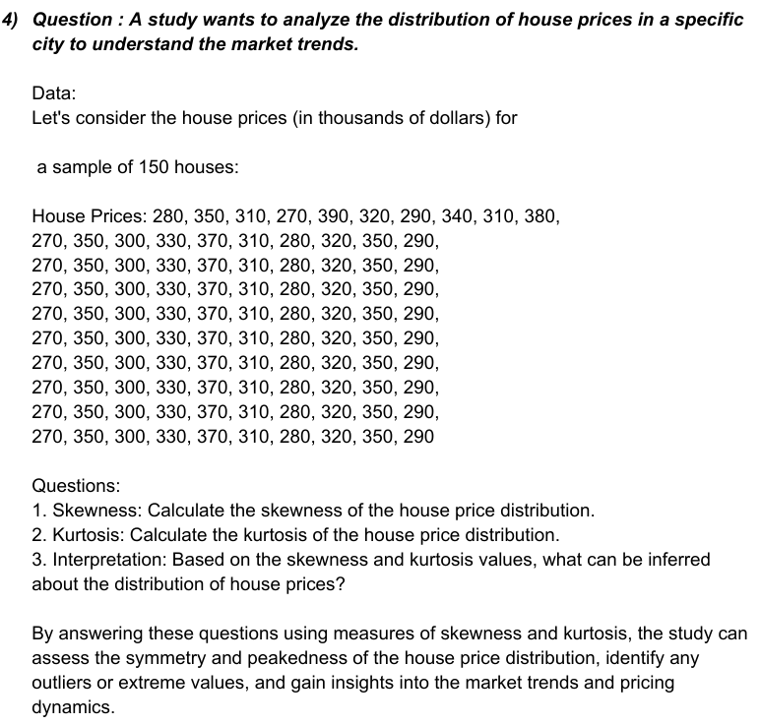
280
350 |  |  | Skewness = | 0.2092186248
310 |  |  | Kurtosis = | -1.0374244845
Above skewness value indicates that the data distribution is slightly left-skewed. This means that the tail on the left side of the distribution is slightly heavier than the tail on the right side.
Above Kurtosis value indicates that it is platykurtic which has heavier tail and flatter peak compared to normal distribution.
270
390
320
290
340
310
380
270
350
300
330
370
310
280
320
350
290
270
350
300
330
370
310
280
320
350
290
270
350
300
330
370
310
280
320
350
290
270
350
300
330
370
310
280
320
350
290
270
350
300
330
370
310
280
320
350
290
270
350
300
330
370
310
280
320
350
290
270
350
300
330
370
310
280
320
350
290
270
350
300
330
370
310
280
320
350
290
270
350
300
330
370
310
280
320
350
290

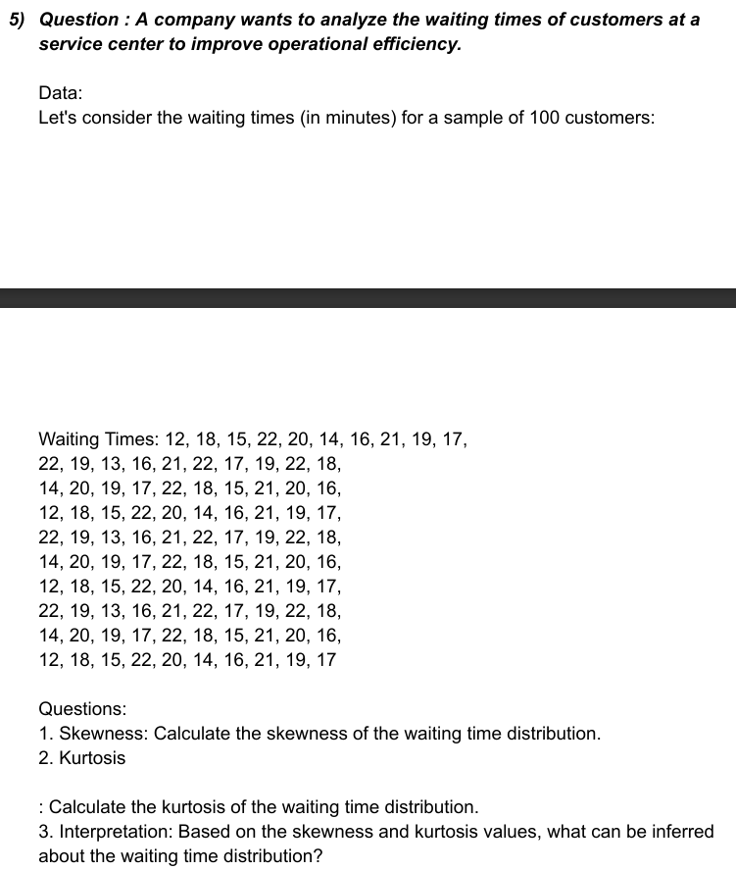
12
18
15
22
20
14
16
21
19
17
22
19
13
16
21
22
17
19
22
18 |  |  | Skewness = | -0.33501287222
14 |  |  | Kurtosis = | -0.88101144669
20
Above skewness value indicates that the data distribution is slightly left-skewed. This means that the tail on the left side of the distribution is slightly heavier than the tail on the right side.
Above Kurtosis value indicates that it is platykurtic which has heavier tail and flatter peak compared to normal distribution.
19
17
22
18
15
21
20
16
12
18
15
22
20
14
16
21
19
17
22
19
13
16
21
22
17
19
22
18
14
20
19
17
22
18
15
21
20
16
12
18
15
22
20
14
16
21
19
17
22
19
13
16
21
22
17
19
22
18
14
20
19
17
22
18
15
21
20
16
12
18
15
22
20
14
16
21
19
17

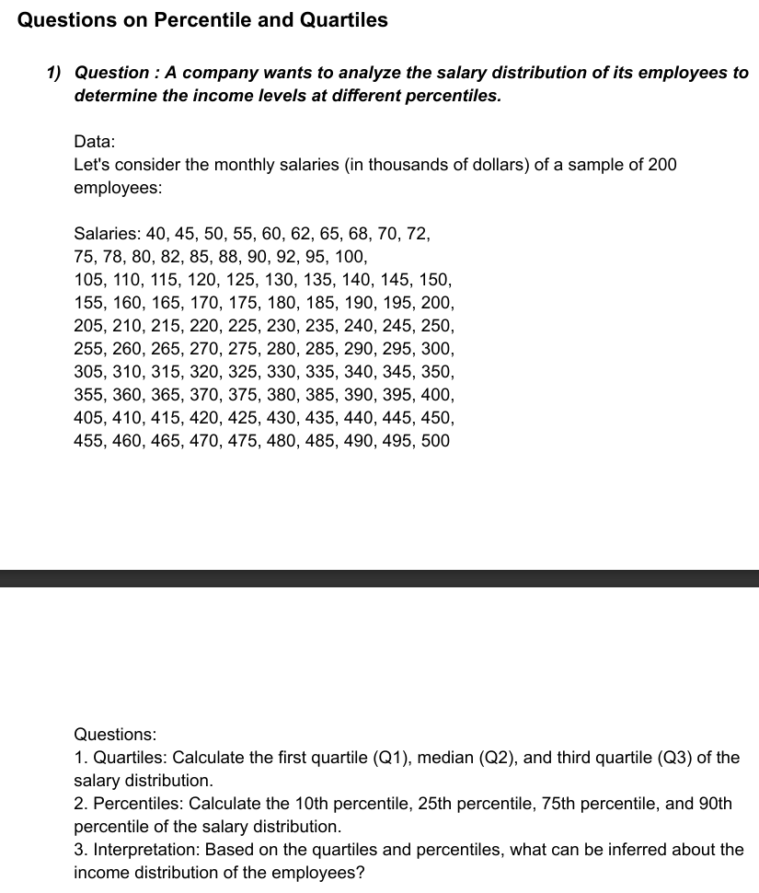
40
45
50
55
60
62
65
68
70
72
75
78
80
82
85
88
90
92
95
100
105 |  |  | Quartile 1 = | 128.75
110 |  |  | Quartile 2 = | 252.5
115 |  |  | Quartile 3 = | 376.25
120
125 |  |  | 10th Percentile = | 74.7
130 |  |  | 25th Percentile = | 128.75
135 |  |  | 75th Percentile = | 376.25
140 |  |  | 90th Percentile = | 450.5
145
150
155
160
165
170
175
180
185
190
195
200
205
210
215
220
225
230
235
240
245
250
255
260
265
270
275
280
285
290
295
300
305
310
315
320
325
330
335
340
345
350
355
360
365
370
375
380
385
390
395
400
405
410
415
420
425
430
435
440
445
450
455
460
465
470
475
480
485
490
495
500

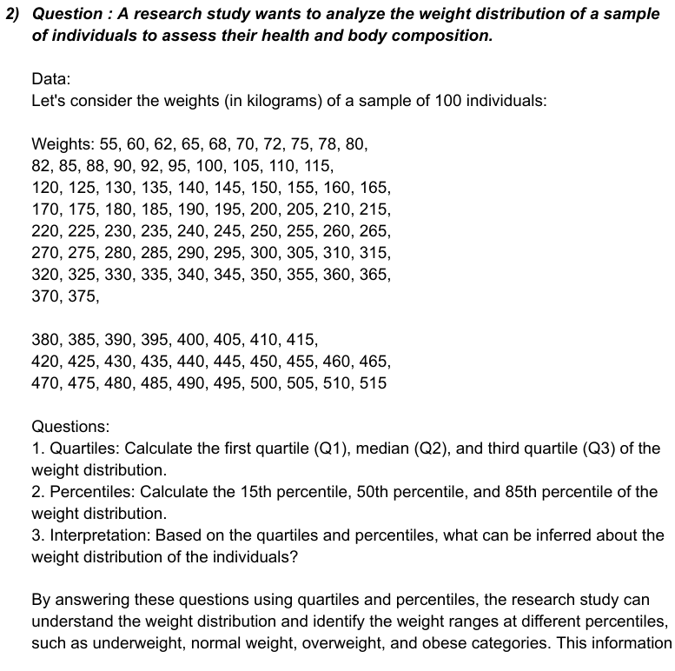
55
60
62
65
68
70
72
75
78
80
82
85
88
90
92
95
100
105 |  |  | Quartile 1 = | 143.75
110 |  |  | Quartile 2 = | 267.5
115 |  |  | Quartile 3 = | 391.25
120
125 |  |  | 15th Percentile = | 94.55
130 |  |  | 50th Percentile = | 267.5
135 |  |  | 85th Percentile = | 440.75
140
145
150
155
160
165
170
175
180
185
190
195
200
205
210
215
220
225
230
235
240
245
250
255
260
265
270
275
280
285
290
295
300
305
310
315
320
325
330
335
340
345
350
355
360
365
370
375
380
385
390
395
400
405
410
415
420
425
430
435
440
445
450
455
460
465
470
475
480
485
490
495
500
505
510
515

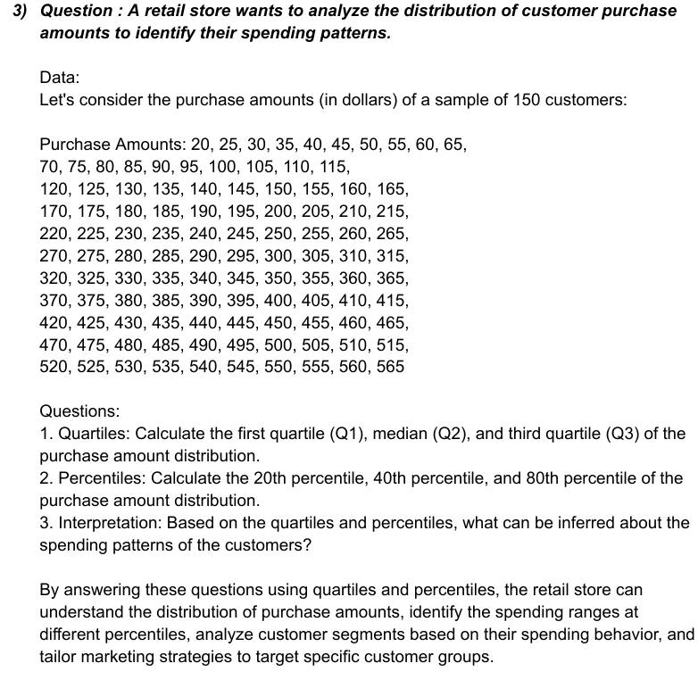
20
25
30
35
40
45
50
55
60
65
70
75
80
85
90
95
100
105
110 |  |  | Quartile 1 = | 156.25
115 |  |  | Quartile 2 = | 292.5
120 |  |  | Quartile 3 = | 428.75
125
130 |  |  | 20th Percentile = | 129
135 |  |  | 40th Percentile = | 238
140 |  |  | 80th Percentile = | 456
145
150
155
160
165
170
175
180
185
190
195
200
205
210
215
220
225
230
235
240
245
250
255
260
265
270
275
280
285
290
295
300
305
310
315
320
325
330
335
340
345
350
355
360
365
370
375
380
385
390
395
400
405
410
415
420
425
430
435
440
445
450
455
460
465
470
475
480
485
490
495
500
505
510
515
520
525
530
535
540
545
550
555
560
565

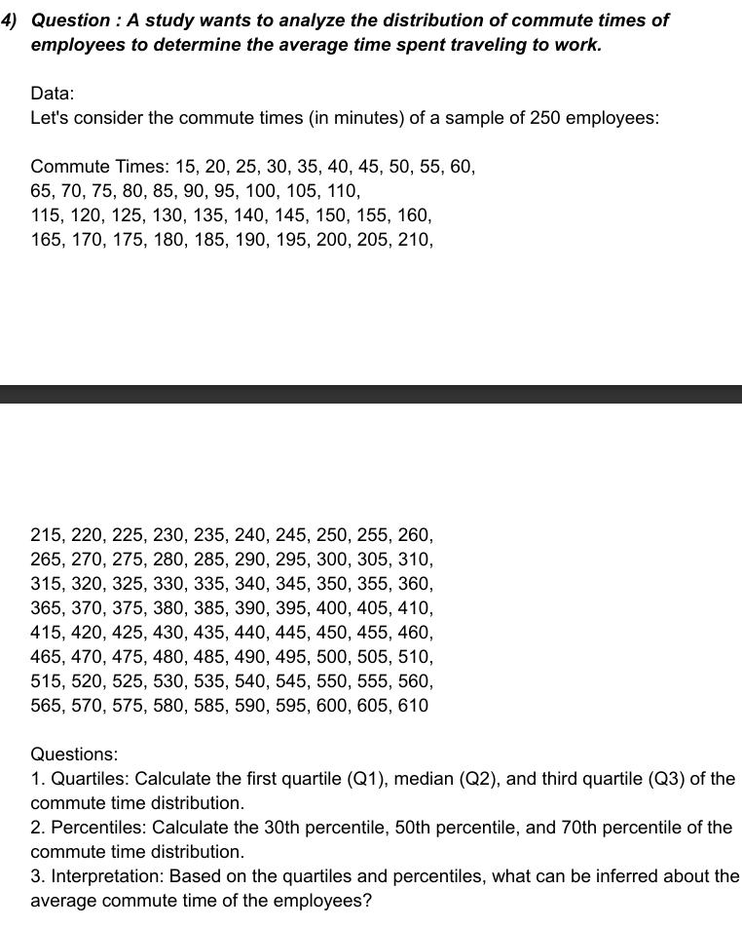
15
20
25
30
35
40
45
50
55
60
65
70
75
80
85
90
95
100
105
110
115
120
125
130
135
140
145
150
155
160
165
170 |  |  | Quartile 1 = | 163.75
175 |  |  | Quartile 2 = | 312.5
180 |  |  | Quartile 3 = | 461.25
185
190 |  |  | 30th Percentile = | 193.5
195 |  |  | 50th Percentile = | 312.5
200 |  |  | 70th Percentile = | 431.5
205
210
215
220
225
230
235
240
245
250
255
260
265
270
275
280
285
290
295
300
305
310
315
320
325
330
335
340
345
350
355
360
365
370
375
380
385
390
395
400
405
410
415
420
425
430
435
440
445
450
455
460
465
470
475
480
485
490
495
500
505
510
515
520
525
530
535
540
545
550
555
560
565
570
575
580
585
590
595
600
605
610

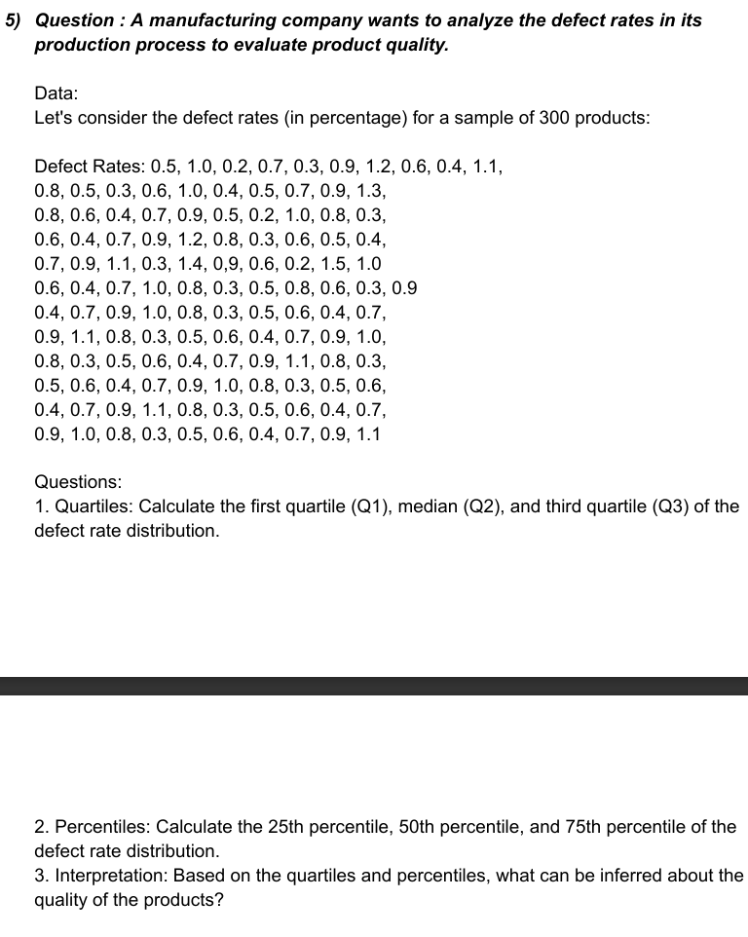
0.5
1.0
0.2
0.7
0.3
0.9
1.2
0.6
0.4
1.1
0.8
0.5
0.3
0.6
1.0
0.4
0.5
0.7
0.9
1.3
0.8
0.6
0.4
0.7
0.9 |  |  | Quartile 1 = | 0.4
0.5 |  |  | Quartile 2 = | 0.7
0.2 |  |  | Quartile 3 = | 0.9
1.0
0.8 |  |  | 25th Percentile = | 0.4
0.3 |  |  | 50th Percentile = | 0.7
0.6 |  |  | 75th Percentile = | 0.9
0.4
0.7
0.9
1.2
0.8
0.3
0.6
0.5
0.4
0.7
0.9
1.1
0.3
1.4
0.9
0.6
0.2
1.5
1.0
0.6
0.4
0.7
1.0
0.8
0.3
0.5
0.8
0.6
0.3
0.9
0.4
0.7
0.9
1.0
0.8
0.3
0.5
0.6
0.4
0.7
0.9
1.1
0.8
0.3
0.5
0.6
0.4
0.7
0.9
1.0
0.8
0.3
0.5
0.6
0.4
0.7
0.9
1.1
0.8
0.3
0.5
0.6
0.4
0.7
0.9
1.0
0.8
0.3
0.5
0.6
0.4
0.7
0.9
1.1
0.8
0.3
0.5
0.6
0.4
0.7
0.9
1.0
0.8
0.3
0.5
0.6
0.4
0.7
0.9
1.1

THE END

