Task description
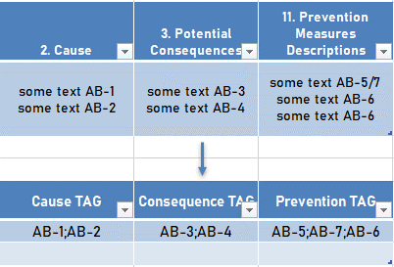
Task | Columns | What to do | Template | Notes | Example
1 | "2. Cause", "3. Potential Consequences", "11. Prevention Measures Descriptions" | Extract tags from cells in target columns using template and concatinate unique tags with separator ";" | LL(LL)-DDDDDDDD(L), where L - Letter, D - Digit, ( ) - Optional. | 1) LAHH-50100101A/B/C => LAHH-50100101A;LAHH-50100101B;LAHH-50100101C
 |  |  |  | 2) BSDV-10100102/103 => BSDV-10100102;BSDV-10100103
 |  |  |  | cases with "/" you should extract as in example above

2 | "Functional Class", "Physical Class" | Add to "Report" table columns "Functional Class", "Physical Class" from "СTDB" table using common table "Connection" and column TAG |  | In "Connection" table in column "CTDB TAG" delimeter between tags is ";"

