Hypertension_Dashboard
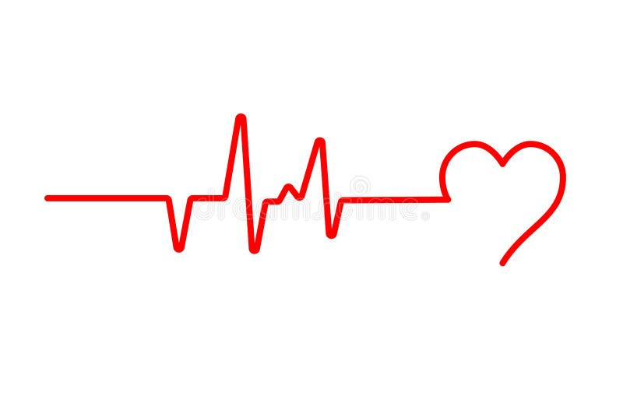
Hypertension Analysis Dashboard

Total People
1985
% With Hypertension
52%
Average Age
50
Average BMI
26.02
Average Sleep Duration
6.5
Average Stress Score
4.98

Hypertension Split
 | Total
No | 953
Yes | 1032
Hypertension Cases by Age Group
 | Total
10–19 | 30
20–29 | 124
30–39 | 113
40–49 | 118
50–59 | 186
60–69 | 187
70–79 | 189
80–89 | 85
Hypertension % by Smoking Status
 | Total
Non-Smoker | 44.0%
Smoker | 71.8%
Exercise Level vs Hypertension
 | No | Yes
High | 178 | 213
Low | 464 | 472
Moderate | 311 | 347
Correlation of Stress Score & Sleep Duration
 | Total
1.5 | 0.00
1.6 | 2.00
1.7 | 10.00
2 | 5.50
2.2 | 3.33
2.3 | 3.33
2.4 | 7.00
2.5 | 7.00
2.8 | 4.00
2.9 | 7.50
3 | 2.60
3.1 | 4.25
3.2 | 8.00
3.3 | 6.29
3.4 | 4.83
3.5 | 5.00
3.6 | 3.55
3.7 | 3.50
3.8 | 3.56
3.9 | 5.29
4 | 4.40
4.1 | 4.95
4.2 | 5.84
4.3 | 5.14
4.4 | 5.50
4.5 | 5.28
4.6 | 5.21
4.7 | 4.44
4.8 | 4.65
4.9 | 5.96
5 | 4.92
5.1 | 4.72
5.2 | 5.57
5.3 | 4.83
5.4 | 5.84
5.5 | 4.83
5.6 | 4.34
5.7 | 5.51
5.8 | 4.81
5.9 | 4.73
6 | 5.12
6.1 | 4.63
6.2 | 3.95
6.3 | 5.66
6.4 | 5.46
6.5 | 4.74
6.6 | 5.13
6.7 | 5.04
6.8 | 5.10
6.9 | 5.24
...

Average BMI & Stress Score by Hypertension Status

Row Labels | Average of BMI | Average of Stress_Score
No | 25.33 | 4.37
Yes | 26.64 | 5.54

