class
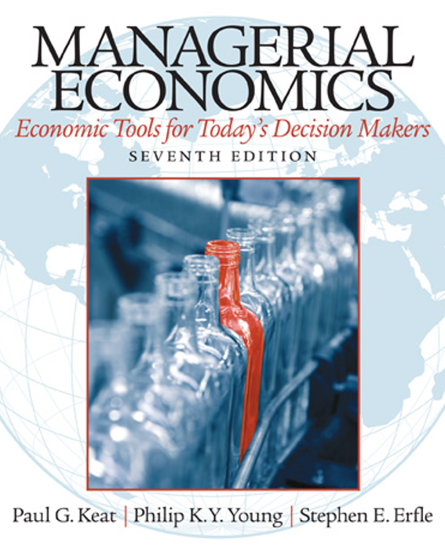
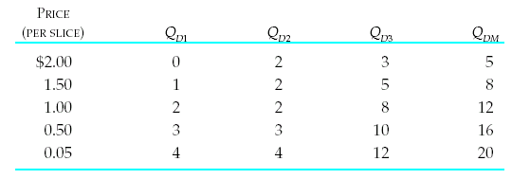
P | Q1 | Q2 | Q3 | Q_Tot | Question 1 | Calculate the point elasticity when the price changes from $2 to $1.5.
2 | 0 | 2 | 3 | 5.00 | Quesiton 2 | Calculate the point elasticity when the price changes from $1.5 to $2.
1.5 | 1 | 2 | 5 | 8.00
1 | 2 | 2 | 8 | 12.00
0.5 | 3 | 3 | 10 | 16.00
0.05 | 4 | 4 | 12 | 20.00

