D.Analysis

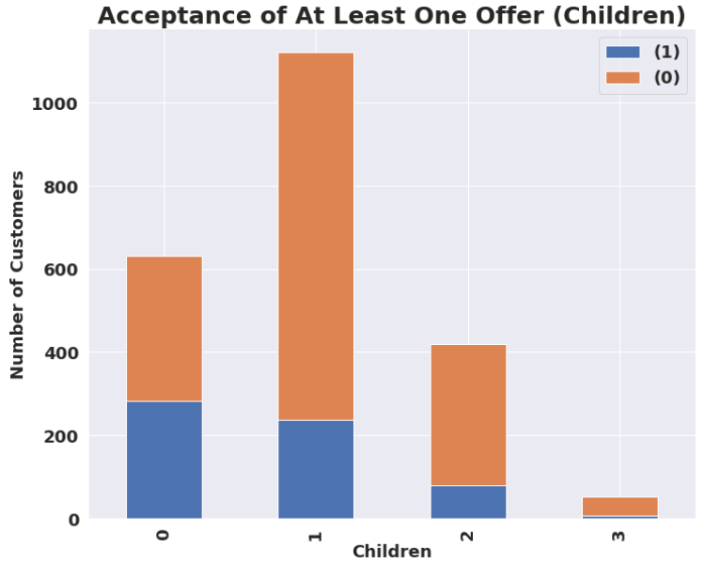

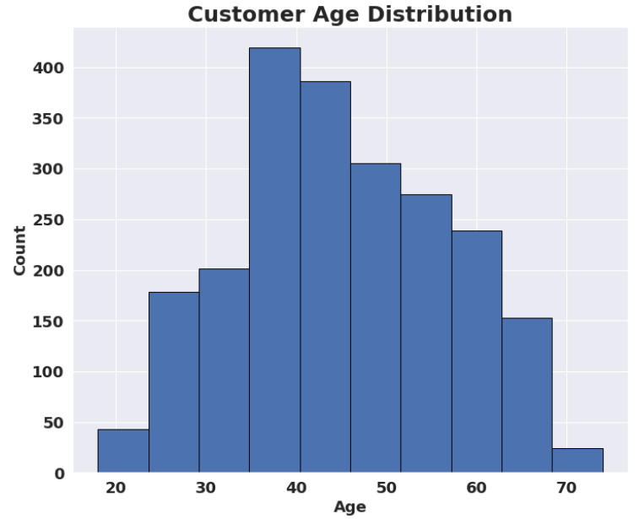
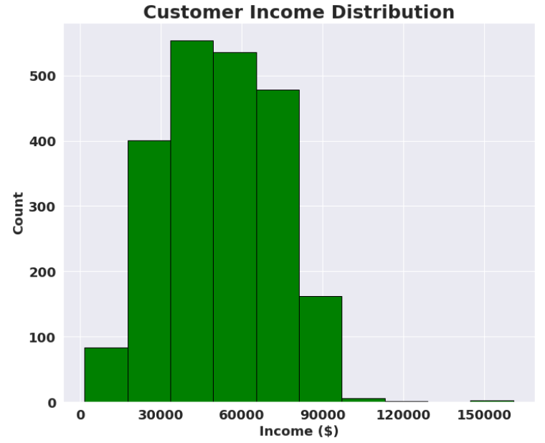

Mean Customer Age:
45
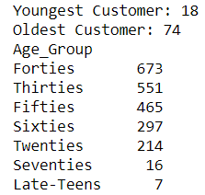
Mean Customer Income:
$51,847

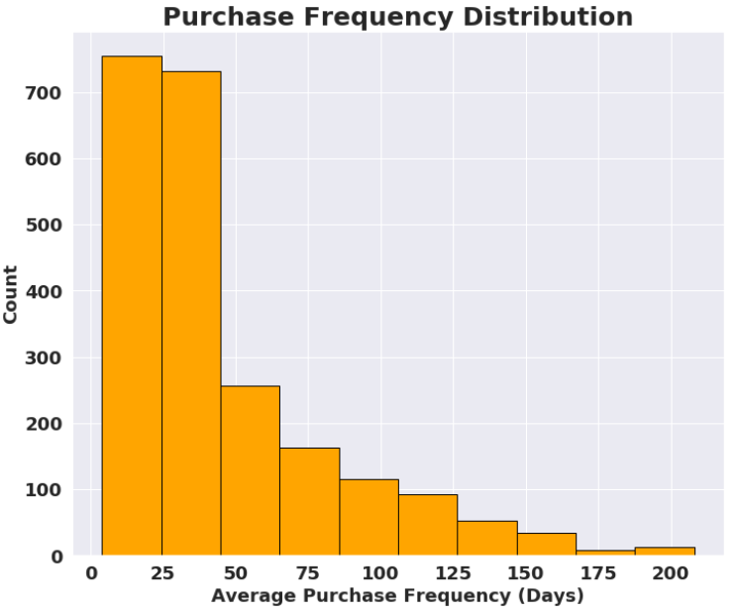
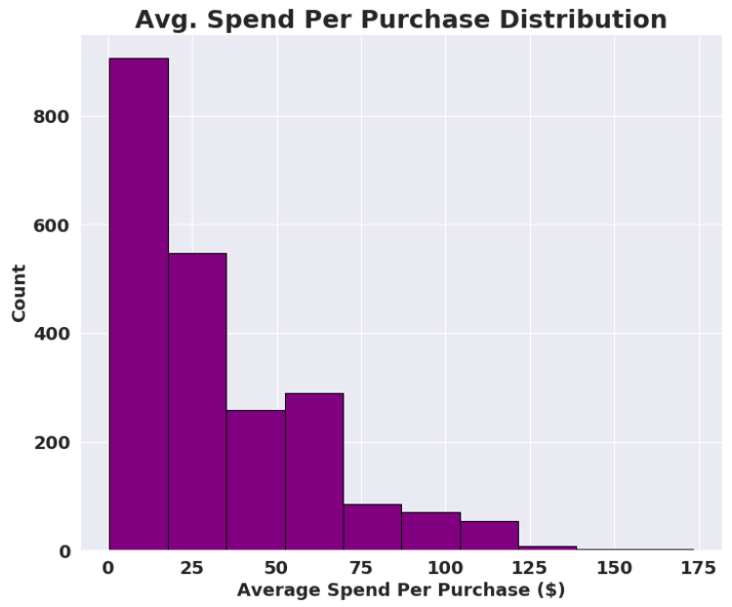

Mean Purchase Frequency:
45 Days
Mean Amount Spent Per Purchase:
$32.44

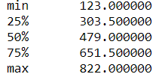

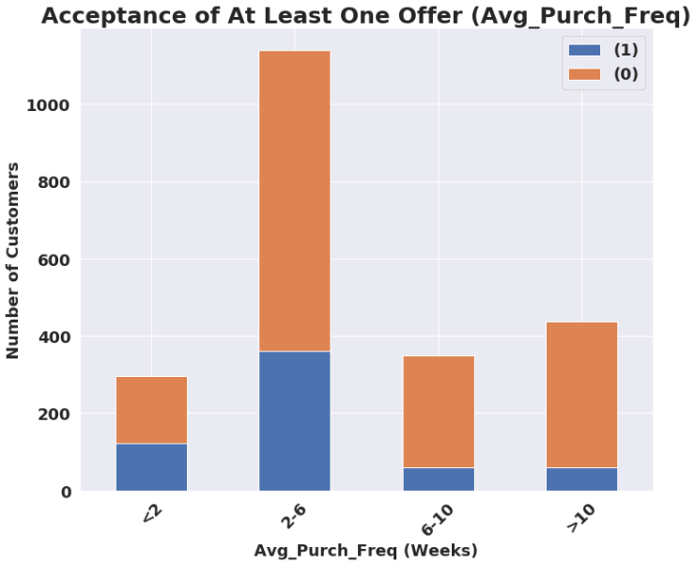
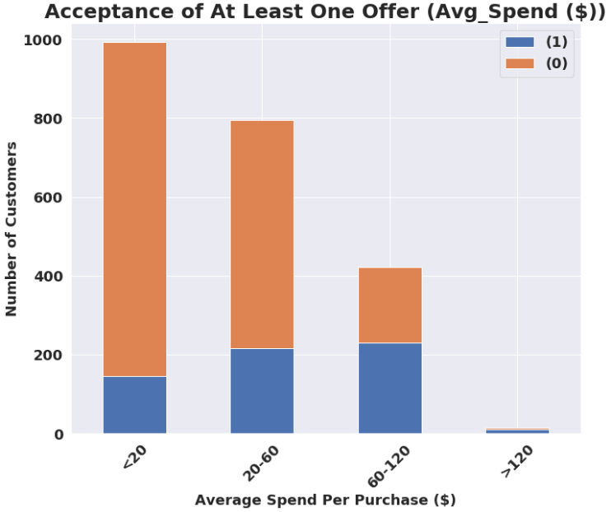



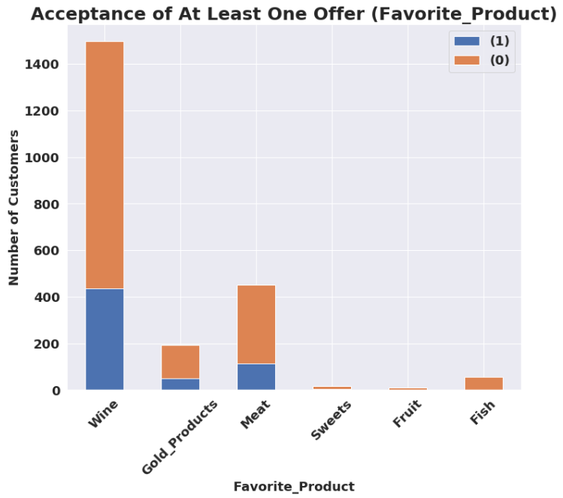
Accept_One Breakdown by Product :



Revenue Generated by Product:



Accept_One Breakdown by Purchase Channel :
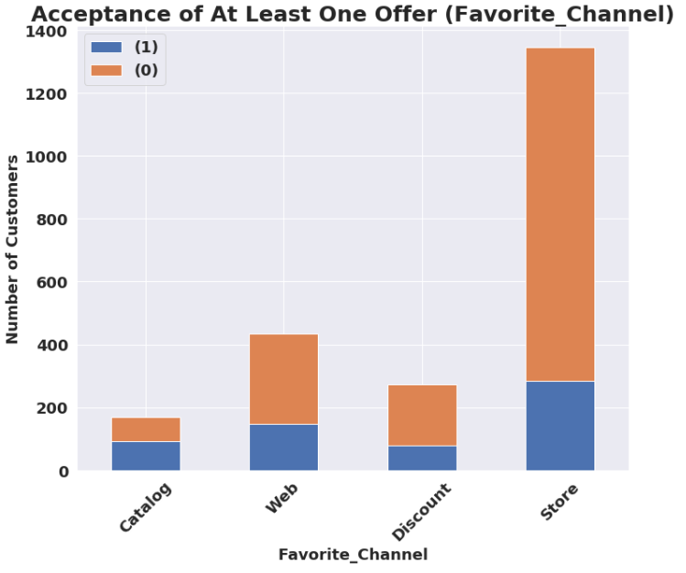



Amount of Purchases by Channel :

ML
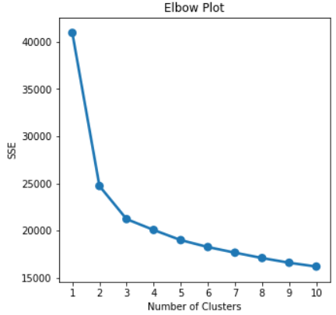

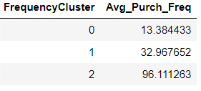
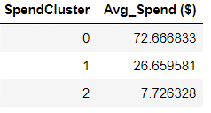
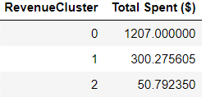

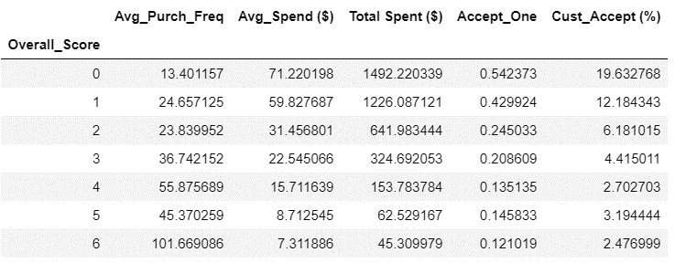

 |  |  |  |  |  |  |  |  |  | 0.037369153552

 |  |  |  |  |  |  |  |  |  |  | Value | # Customers
 |  |  |  |  |  |  |  |  |  |  | High | 764
 |  |  |  |  |  |  |  |  |  |  | Medium | 598
 |  |  |  |  |  |  |  |  |  |  | Low | 861



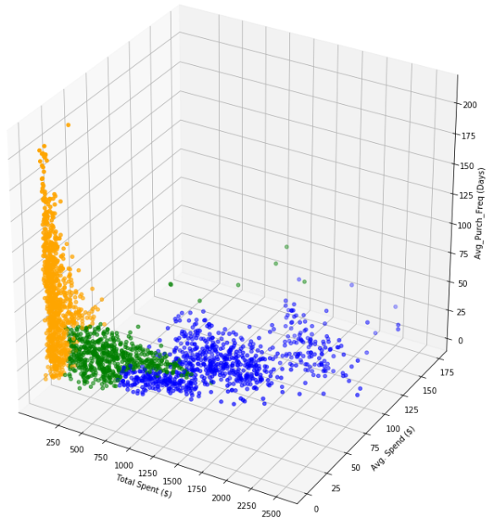

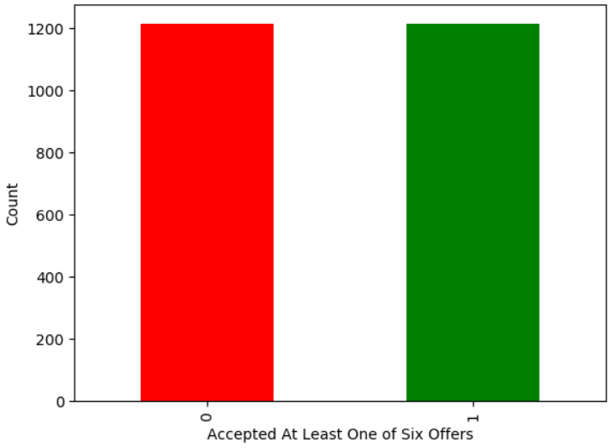




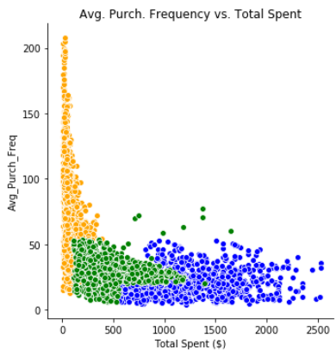
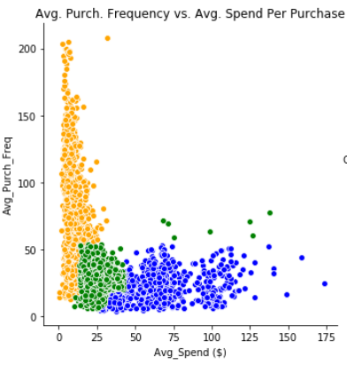
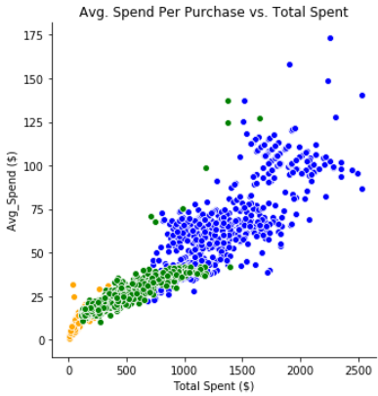

Training Set
Performance on Test Set

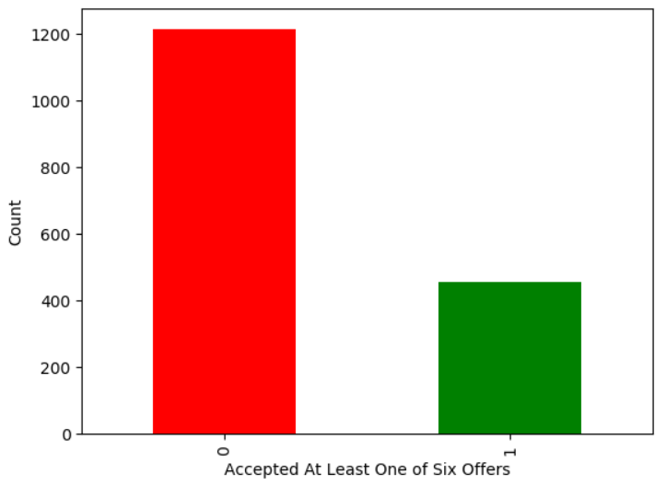
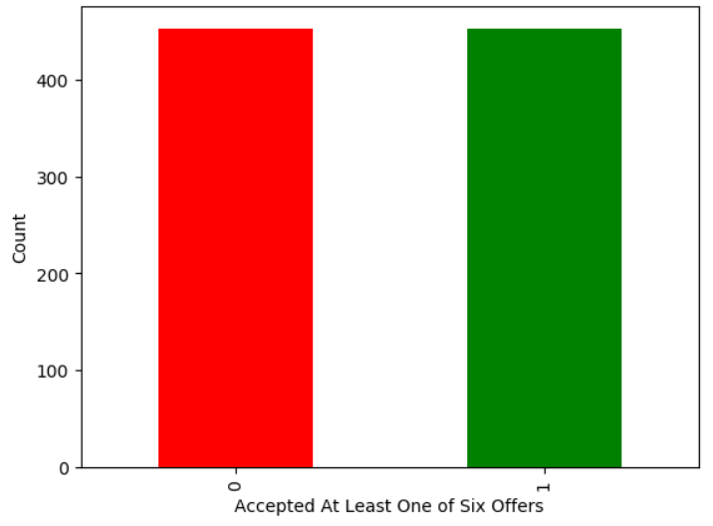

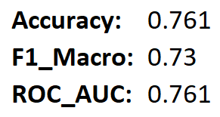


 |  |  |  |  |  |  |  |  |  | Accuracy: | 0.761 |  |  | Pred: 0 | Pred: 1
 |  |  |  |  |  |  |  |  |  | F1_Macro: | 0.73 |  | True: 0 | 308 | 97
 |  |  |  |  |  |  |  |  |  | ROC_AUC: | 0.761 |  | True: 1 | 36 | 115



 |  |  |  |  |  |  |  |  |  |  | Pred: 0 | Pred: 1
 |  |  |  |  |  |  |  |  |  | True: 0 | 366 | 39
 |  |  |  |  |  |  |  |  |  | True: 1 | 70 | 81

 | RFC
 | OOB Score: | 0.794
 | Testing Accuracy: | 0.815
 | F1_Macro: | 0.73
 | ROC_AUC: | 0.704

 | RFC
 | OOB Score: | 0.753 | XGB |  | XGB |  | XGB (Oversampled Training Data) |  |  | Pred: High | Pred: Medium | Pred: Low
 | Testing Accuracy: | 0.784 | Testing Accuracy: | 0.804 | Training Accuracy: | 0.628 | Training Accuracy: | 0.632 | True: High | 48 | 7 | 1
 | F1_Macro: | 0.74 | F1_Macro: | 0.73 | Testing Accuracy: | 0.758 | Testing Accuracy: | 0.725 | True: Medium | 10 | 15 | 1
 | ROC_AUC: | 0.768 | ROC_AUC: | 0.72 | F1_Macro: | 0.71 | F1_Macro: | 0.61 | True: Low | 3 | 3 | 3
 |  |  |  |  | F1_Weighted: | 0.75 | F1_Weighted: | 0.72

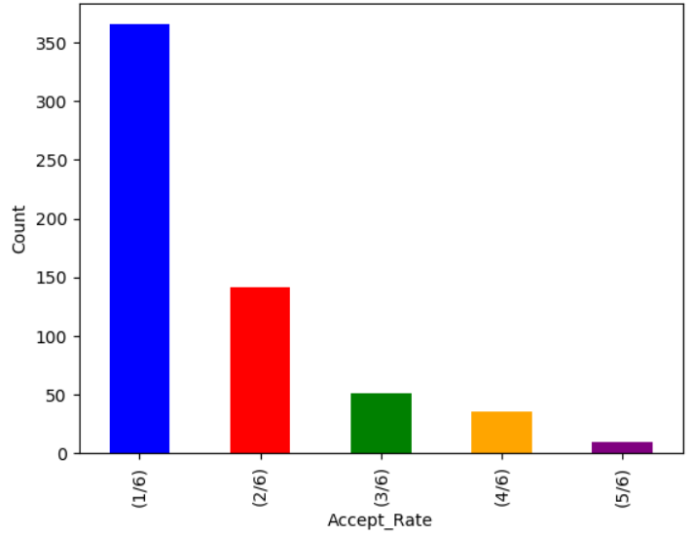
 | RFC
 | OOB Score: | 0.882
 | Testing Accuracy: | 0.826
 | F1_Macro: | 0.76
 | ROC_AUC: | 0.75


 | XGB (Imbalanced) |  | XGB (Oversampling)
 | Testing Accuracy: | 0.84 | Testing Accuracy: | 0.833
 | F1_Macro: | 0.77 | F1_Macro: | 0.78

 | ROC_AUC: | 0.741 | ROC_AUC: | 0.775

 | Pred: 0 | Pred: 1 |  |  | Pred:0
True: 0 | 366 | 39
True: 1 | 70 | 81

Training Set
Training Set (Oversampling)

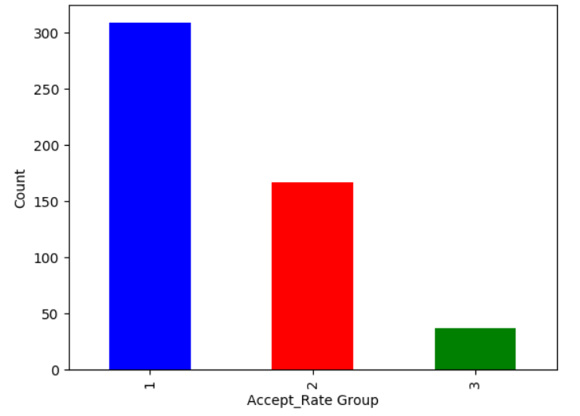
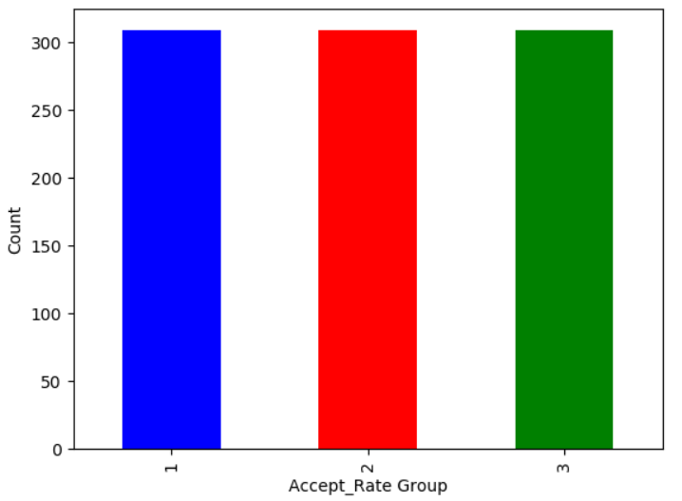




 | Testing Accuracy: | 0.681
 | Testing Accuracy: | 0.703

Sheet2
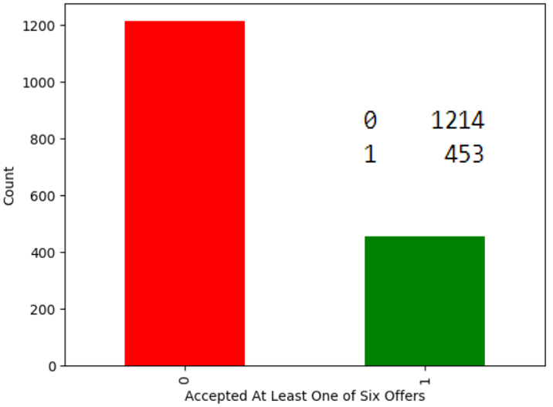
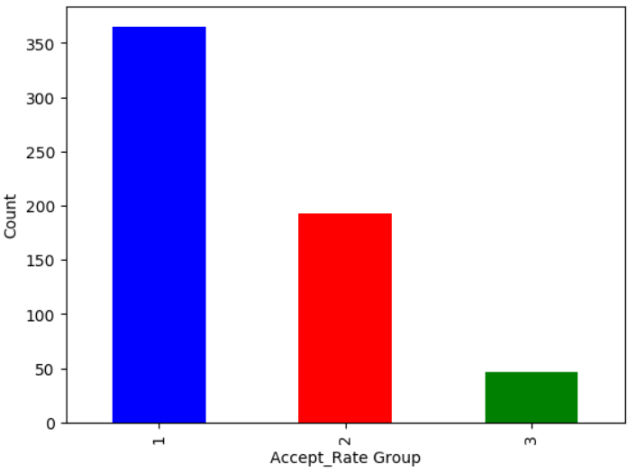

Training Set
Performance on Test Set

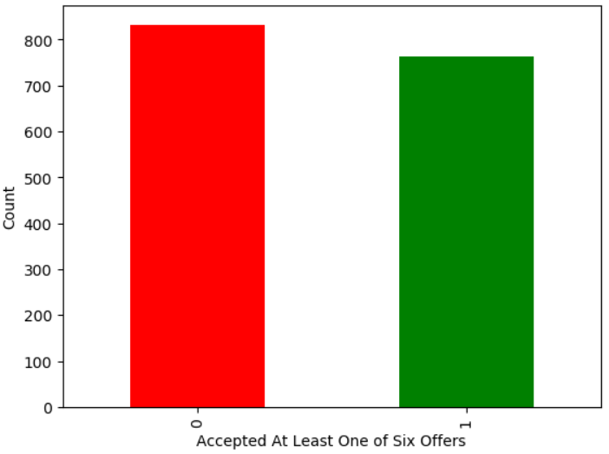
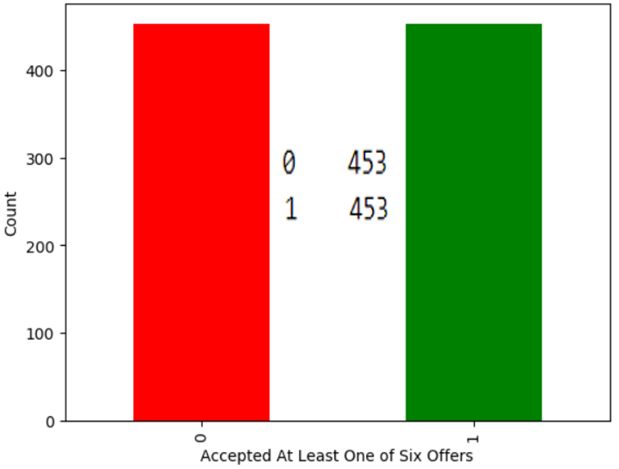
Accuracy: | 0.802
F1_Macro: | 0.76
ROC_AUC: | 0.767

 | Pred: 0 | Pred: 1
True: 0 | 342 | 63
True: 1 | 47 | 104

Sheet3
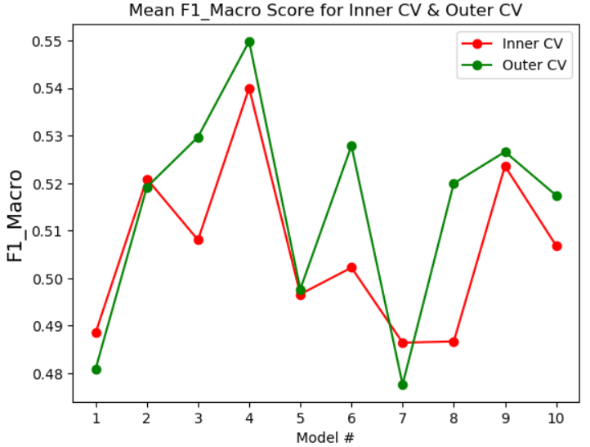
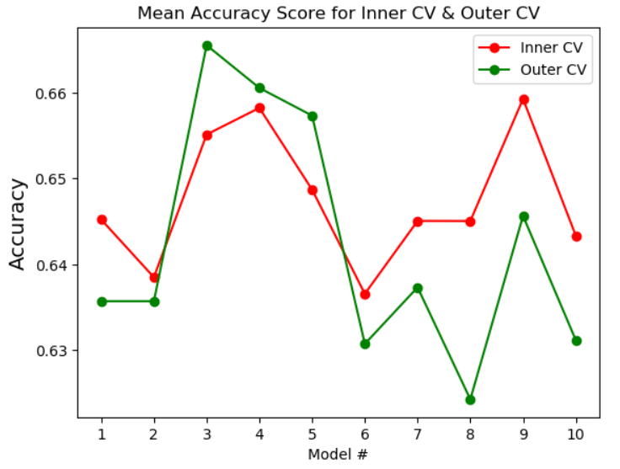

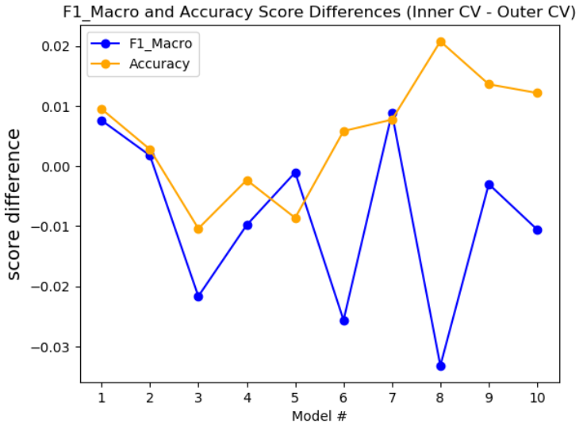
Model Scoring Summary:
For each Model:
1. Sum the Inner and Outer CV F1_Macro and Accuracy Scores.
2. Subtract the standard deviation experienced in the Outer CV's F1_Macro and Accuracy scores. Subtract the score difference between the Inner CV and Outer CV for both metrics.
Best Model Score: Model 4
Hyperparameters: {'subsample': 0.7, 'n_estimators': 3000, 'min_child_weight': 1, 'max_depth': 9, 'learning_rate': 0.025, 'gamma': 0.1, 'colsample_bytree': 0.9}

