Sheet1
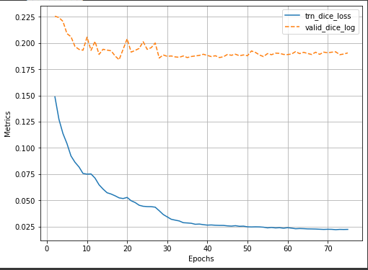
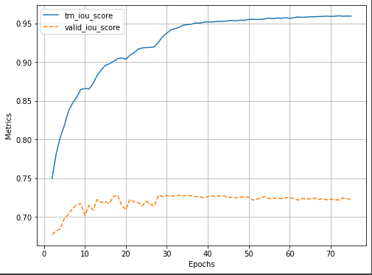
S.no | Backbone | Weights | Activation | Loss | Optimizer | Initial lr | Epochs | Train_Dice_Loss | Valid_Dice_Loss | Train_IOU_Score | Valid_IOU_Score | Augmentation
1 | se_resnext50_32x4d | imagenet | sigmoid | Dice Loss | Adam | 0.0001 | 75 | 0.022 | 0.19 | 0.96 | 0.723 | No

