Sheet1
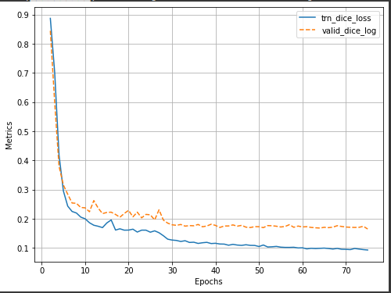
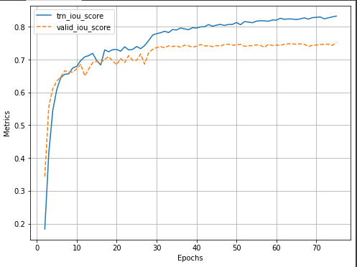
S.no | Model | Backbone | Weights | Activation | Loss | Optimizer | Initial lr | Epochs | Train_Dice_Loss | Valid_Dice_Loss | Train_IOU_Score | Valid_IOU_Score | Augmentation
1 | FPN | se_resnext50_32x4d | imagenet | sigmoid | Dice Loss | Adam | 0.0001 | 75 | 0.022 | 0.19 | 0.96 | 0.723 | No
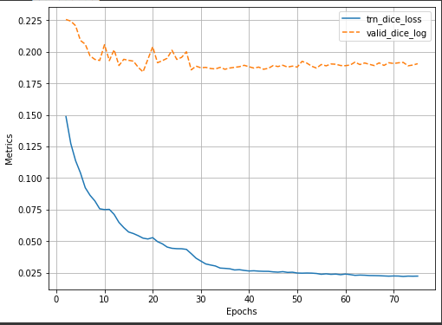
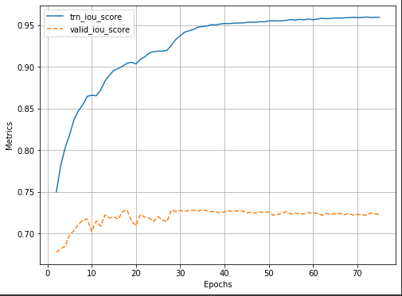

2 | Unet | resnet18 | imagenet | sigmoid | Dice Loss | Adam | 0.0001 | 75 | 0.025 | 0.18 | 0.952 | 0.735 | No

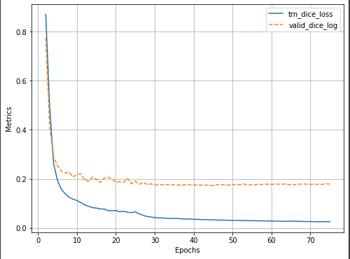
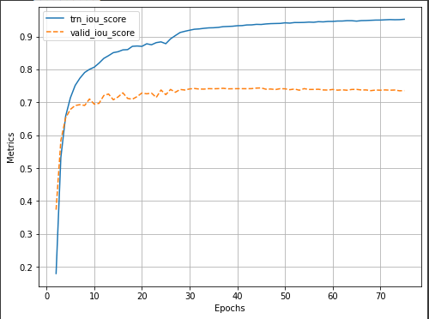

3 | Unet | vgg16_bn | imagenet | sigmoid | Dice Loss | Adam | 0.0001 | 75 | 0.018 | 0.177 | 0.965 | 0.738 | No

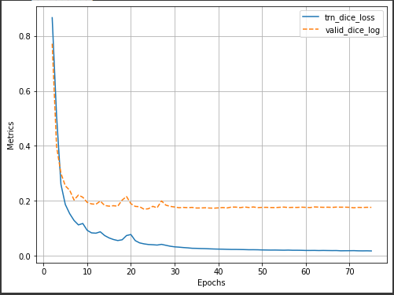
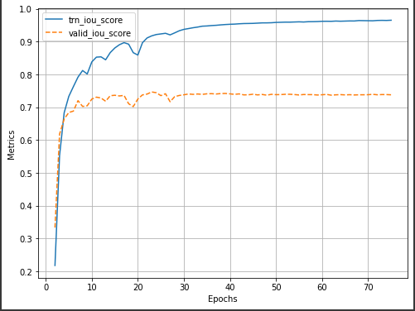

4 | Unet | vgg16_bn | imagenet | sigmoid | Dice Loss | Adam | 0.0001 | 40 | 0.106 | 0.174 | 0.811 | 0.742 | Yes

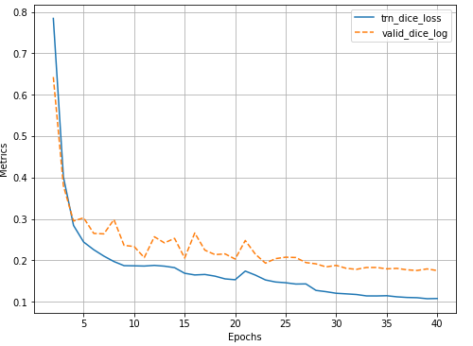
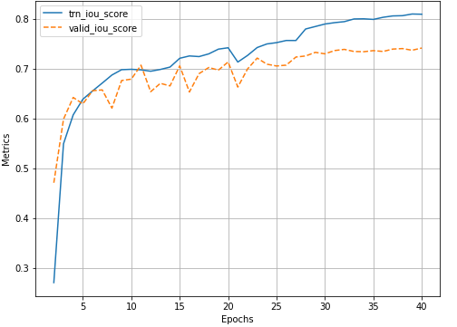

5 | Unet | vgg19_bn | imagenet | sigmoid | Dice Loss | Adam | 0.0001 | 75 | 0.093 | 0.165 | 0.832 | 0.7529 | Yes

