iNPUT
input | 3 |  |  |  |  |  |  |  |  |  | dikarenakan LSTM mempunyai 4 gerbang maka bobot dikalikan 4 tiap ordo
num_cell(output) | 1 |  |  |  |  |  |  |  |  |  | inisial bobot random ( 4 x simpul ) X (kolom data inputan) = (4*4) X 10 |  |  |  |  |  |  | 16 X 10
squence leght | 2 |  |  |  |  |  |  |  |  |  | ordonya | (16 x 10)
 |  |  |  |  |  |  |  |  |  |  | Matrix bobot |  | W
alpha | 0.50 |  |  |  |  |  |  |  |  |  | -0.24571428567 | 0.85036060194 | 0.029262045145 | 0.18439808669 | 0.95933570868 | -0.099485081833 | 0.39216633928 | -0.11533202952 | 0.43777571267 | -0.37798765436
iterations | 1 |  |  |  |  |  |  |  |  |  | 0.86802039775 | 0.86042975449 | -0.37958092522 | 0.079506914225 | 0.40254345864 | 0.75986215578 | -0.24296824232 | -0.86908489349 | 0.69643092863 | 0.77122355462
 |  |  |  |  |  |  |  |  |  |  | -0.2064441609 | -0.2485616597 | -0.085253246774 | 0.25112624004 | -0.20415488922 | 0.89488657964 | -0.010754663728 | 0.47624777903 | 0.98462066896 | 0.85811756102
DATA TRAINING |  |  |  |  |  | Normalisasi (Xt) |  |  |  |  | 0.8428743828 | -0.32420606506 | 0.90772282903 | -0.5937387921 | 0.62190803906 | 0.54049934907 | 0.4965923713 | -0.082000833193 | -0.07805664629 | -0.91274113773
Date | Open | High | Low | Close |  | Date | Open | High | Low | Close | -0.033688638013 | -0.37633417815 | 0.10629015406 | -0.47621195027 | -0.28157961244 | -0.7719931752 | -0.720698769 | -0.4218684655 | 0.23591815775 | 0.16129818738
2012-05-18 | 42.05 | 45.00 | 38.00 | 38.23 |  | 2012-05-18 | 0.321046381 | 0.35222222222 | 0.29394736842 | 0.27491501439 | 0.63718613541 | 0.064674992229 | 0.79265583348 | -0.622779474 | -0.75087270017 | -0.040263882831 | -0.9047569462 | -0.52496061466 | -0.64859607082 | 0.056959619118
2012-05-21 | 36.53 | 36.66 | 33.00 | 34.03 |  | 2012-05-21 | 0.18977408299 | 0.16688888889 | 0.16236842105 | 0.16505362281 | -0.9116971977 | -0.91663759835 | 0.5826310319 | 0.54204509846 | 0.13065204355 | -0.2324080571 | -0.29982545779 | 0.387831388 | -0.70537503492 | 0.05440006589
2012-05-22 | 32.61 | 33.59 | 30.94 | 31.00 |  | 2012-05-22 | 0.096551773996 | 0.098666666667 | 0.10815792105 | 0.085796521057 | -0.73101821009 | 0.4361722436 | -0.31216851161 | -0.32548577582 | -0.59304823356 | 0.044100620359 | -0.6696236495 | 0.45575040903 | -0.32761969644 | -0.04361285488
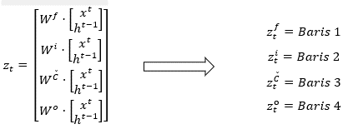
2012-05-23 | 31.37 | 32.50 | 31.36 | 32.00 |  | 2012-05-23 | 0.067063069371 | 0.074444444444 | 0.11921055263 | 0.11195398901 | 0.42294833202 | -0.43776731755 | 0.90236966873 | 0.98390974382 | -0.58665370366 | 0.18483402433 | 0.26953863477 | -0.48213197379 | 0.64127493452 | -0.46089027444
2012-05-24 | 32.95 | 33.21 | 31.77 | 33.03 | y1 | 2012-05-24 | 0.10463738655 | 0.0902222 | 0.13 | 0.13889615485 | -0.32251625654 | -0.71297747541 | -0.29056653559 | -0.49684985298 | -0.58580241667 | 0.32476084663 | -0.13600023464 | -0.79160649394 | 0.62867453942 | 0.16489798712
2012-05-25 | 32.90 | 32.95 | 31.11 | 31.91 |  | 2012-05-25 | 0.10344834967 | 0.084444466667 | 0.11263160526 | 0.1095998169 | -0.085563577976 | -0.86354554822 | 0.20694458527 | -0.78311659058 | 0.23243438399 | -0.75814815426 | 0.6701711315 | 0.002115580228 | 0.92332832022 | -0.72784152832
2012-05-29 | 31.48 | 31.69 | 28.65 | 28.84 |  | 2012-05-29 | 0.069678979065 | 0.056444466667 | 0.047894736842 | 0.029296390269 | -0.27839803786 | -0.56810615557 | 0.16909449789 | -0.14374156732 | 0.62630421595 | 0.59097555658 | 0.18845712902 | -0.088438995885 | 0.90578063072 | -0.88197478196
2012-05-30 | 28.70 | 29.55 | 27.86 | 28.19 |  | 2012-05-30 | 0.0035672295735 | 0.0088888666667 | 0.027105289474 | 0.012294062255 | 0.10084364551 | -0.29522990651 | 0.59368906531 | -0.97344654546 | 0.25539685132 | 0.82321609192 | 0.55397886876 | -0.061636168391 | -0.95446925122 | 0.2583318219
2012-05-31 | 28.55 | 29.67 | 26.83 | 29.60 | y2 | 2012-05-31 | 0 | 0.011555555556 | 0 | 0.049176065917 | -0.74387335852 | 0.84961193365 | -0.99958067659 | 0.80442242644 | -0.58435773991 | -0.77521831111 | 0.37434472785 | -0.64238117558 | 0.21701275843 | -0.12498493743
2012-06-01 | 28.89 | 29.15 | 27.39 | 27.72 |  | 2012-06-01 | 0.0080856125585 | 0 | 0.014736815789 | 0 | -0.69024293479 | 0.2201265489 | -0.42138024294 | 0.70010880369 | -0.52137237014 | 0.83425682437 | 0.79766220001 | 0.97835733305 | -0.32973610571 | -0.60402167308
min | 28.55 | 29.15 | 26.83 | 27.72 |  |  |  |  |  |  | 0.34674523326 | 0.63582599695 | -0.74845881874 | 0.10773344619 | 0.68142855183 | 0.19680125107 | 0.43054744456 | 0.31776716883 | -0.54829063985 | 0.46099053414
max | 42.05 | 45.00 | 38.00 | 38.23

HIDEEN LAYER
menyiapkan data inputan |  |  | X
bias | date | x (Open) | x (High) | x (Low) | x(Close) | h (open) | h (high) | h (Low) | h (Close) |  | I (Pengabungan antara input data dan output dari proses sebelumnya) |  |  |  |  |  |  |  |  | Zt (Mengabaikan non-linear dengan mempersiapkan input f_t,i_t,C ̌_t,o_t)
1 | 0 | 0.321046381 | 0.35222222222 | 0.29394736842 | 0.27491501439 | 0 | 0 | 0 | 0 | langkah 1 |  |  |  |  |  |  |  |  | C | 0.08327355619 | -0.11994709143
1 | 0 | 0.18977408299 | 0.16688888889 | 0.16236842105 | 0.16505362281 | 0.01804280818 | 0.10737708667 | 0.0055681266008 | 0.12443470365 | langkah 2 |  |  |  |  |  |  |  |  |  | 1.1013855232 | 1.0021741005
1 | 0 | 0.096551773996 | 0.098666666667 | 0.10815792105 | 0.085796521057 |  |  |  |  |  |  |  |  |  |  |  |  |  |  | 0.040644799557 | 0.097049278148
$$I^{1}=$$
1 | 0 | 0.067063069371 | 0.074444444444 | 0.11921055263 | 0.11195398901 |  |  |  |  |  |  | 1 | 1 |  |  |  |  |  |  | 1.256567133 | 0.99238145308
1 | 0 | 0.10463738655 | 0.0902222 | 0.13 | 0.13889615485 |  |  |  |  |  |  | 0 | 0 |  |  |  |  |  | i | -0.46229910103 | -0.30304963429
1 | 0 | 0.10344834967 | 0.084444466667 | 0.11263160526 | 0.1095998169 |  |  |  |  |  |  | 0.321046381 | 0.18977408299 |  |  |  |  |  |  | 0.44052245168 | 0.48589617127
1 | 0 | 0.069678979065 | 0.056444466667 | 0.047894736842 | 0.029296390269 |  |  |  |  |  |  | 0.35222222222 | 0.16688888889 |  |  |  |  |  |  | -0.55921292431 | -0.68873749955
1 | 0 | 0.0035672295735 | 0.0088888666667 | 0.027105289474 | 0.012294062255 |  |  |  |  |  |  | 0.29394736842 | 0.16236842105 |  |  |  |  |  |  | -1.1080831492 | -0.90398892124
1 | 0 | 0 | 0.011555555556 | 0 | 0.049176065917 |  |  |  |  |  |  | 0.27491501439 | 0.16505362281 |  |  |  |  |  | f | 0.93757406102 | 0.59296506456
1 | 0 | 0.0080856125585 | 0 | 0.014736815789 | 0 |  |  |  |  |  |  | 0 | 0.01804280818 |  |  |  |  |  |  | -0.67371659653 | -0.56552448711
 |  |  |  |  |  |  |  |  |  |  |  | 0 | 0.10737708667 |  |  |  |  |  |  | -0.43505866883 | -0.33748801419
 |  |  |  |  |  |  |  |  |  |  |  | 0 | 0.0055681266008 |  |  |  |  |  |  | 0.071828694216 | -0.18186326708
 |  |  |  |  |  |  |  |  |  |  |  | 0 | 0.12443470365 |  |  |  |  |  | o | 0.24996356202 | 0.25860407326
 |  |  |  |  |  |  |  |  |  |  |  | langkah 1 | langkah 2 |  |  |  |  |  |  | -1.1663392356 | -1.0987194323
 |  |  |  |  |  |  |  |  |  |  |  |  |  |  |  |  |  |  |  | -0.50283796747 | -0.55787894499
 |  |  |  |  |  |  |  |  |  |  |  |  |  |  |  |  |  |  |  | 0.39880910034 | 0.46201136647
 |  |  |  |  |  |  |  |  |  |  |  |  |  |  |  |  |  |  |  | langkah 1 | langkah 2

FORWARD 1
Transpose
forwardStep [1]
 | Perkalian matriks I[0] x Inisial bobot Random (z)
C | 0.08327355619 |  |  | Z = | 0.08327355619 | 1.1013855232 | 0.040644799557 | 1.256567133
 | 1.1013855232 |  |  |  | -0.46229910103 | 0.44052245168 | -0.55921292431 | -1.1080831492
 | 0.040644799557 |  |  |  | 0.93757406102 | -0.67371659653 | -0.43505866883 | 0.071828694216
 | 1.256567133 |  |  |  | 0.24996356202 | -1.1663392356 | -0.50283796747 | 0.39880910034
i | -0.46229910103 | candidate value (C_bar) |  |  |  |  |  | C_bar
 | 0.44052245168 |  | z[0:self,numCells]
 | -0.55921292431 |  | 0.08327355619 | 1.1013855232 | 0.040644799557 | 1.256567133
 | -1.1080831492 | = | 0.0830816022 | 0.80099615185 | 0.040622432605 | 0.85011493361
f | 0.93757406102
 | -0.67371659653 | input gate vector
 | -0.43505866883 |  | z[self,numCells:self,numCells * 2]
 | 0.071828694216 |  | -0.46229910103 | 0.44052245168 | -0.55921292431 | -1.1080831492
o | 0.24996356202 | = | 0.38644055511 | 0.60838351348 | 0.3637295934 | 0.24822842149
 | -1.1663392356
 | -0.50283796747
 | 0.39880910034
 |  | forget gate vector
 |  |  | z[self,numCells * 2:self,numCells * 3]
 |  |  | 0.93757406102 | -0.67371659653 | -0.43505866883 | 0.071828694216
 |  | = | 0.71860936869 | 0.33766513284 | 0.39291901735 | 0.51794945691

 |  | output gate vector
 |  |  | z[self,numCells * 3:]
 |  |  | 0.24996356202 | -1.1663392356 | -0.50283796747 | 0.39880910034
 |  | = | 0.56216753224 | 0.23751732194 | 0.37687396806 | 0.59840150007

 |  | Hitung vektor status baru karena elemen dari status lama diizinkan
 |  | C = np,multiply(f, self,C[-1]) + np,multiply(i, C_bar)
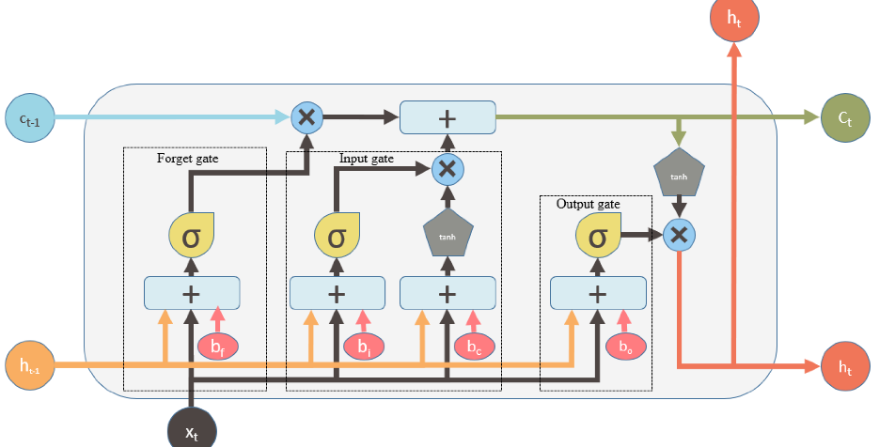

 |  | 0 | 0 | 0 | 0 | 0
 |  | np,multiply(f, self,C[-1]) |  |  |  |  | np,multiply(i, C_bar)
 |  | 0 | 0 | 0 | 0 | 0 | 0.032106100473 | 0.48731285314 | 0.014775580894 | 0.21102268805
 |  | = | 0.032106100473 | 0.48731285314 | 0.014775580894 | 0.21102268805

 |  | new output
 |  | h = np,multiply(o, np,tanh(C))

 |  |  |  |  | = | 0.032095073346 | 0.45208107683 | 0.014774505731 | 0.20794517332

 |  | = | 0.01804280818 | 0.10737708667 | 0.0055681266008 | 0.12443470365

