Bot Steps
High-Level Step | High-level Process Step | Complexity | # | RPA Step | Screenshots | Pre-requisite | Exceptions Case | Exception Handling | Remarks
1 | Read email | Simple | 1 | Read latest email with Subject line as (End of the Month and Service Revenue ) |  | Outlook connected
 |  |  | 2 | check for unread mails in outlook |  |  | No Email found | Business Exception:Send email to the Functional team with proper exception reason
 |  |  | 3 | if subject line is Service Revenue condition
 |  |  | 4 | Check for the attachment in the email |  |  | Attachment not found | Business Exception:Send email to concerned team with Proper Exception Reason and Screenshot (if any)
 |  |  | 5 | Save the attachment
 |  |  | 6 | if subject line is End of the Month condition
 |  |  | 7 | Check for the attachment in the email
 |  |  | 8 | Save the attachment override the existing Service Revenue file
2 | Template Validation | Medium | 9 | Check if its Proper excel Format or not |  |  | Service File has errors | Business Exception: send email to concerned team with Proper Exception Reason(Service Revenue file has errors)
 |  |  | 10 | Check if the tabs need to read are present or not
3 | Run Macro | Complex | 11 | Click on Macros button | 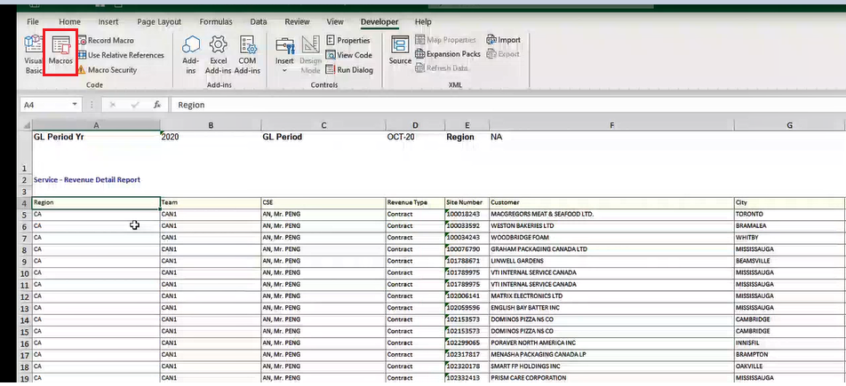
 |  |  | 12 | Click on Macro and Personal book | 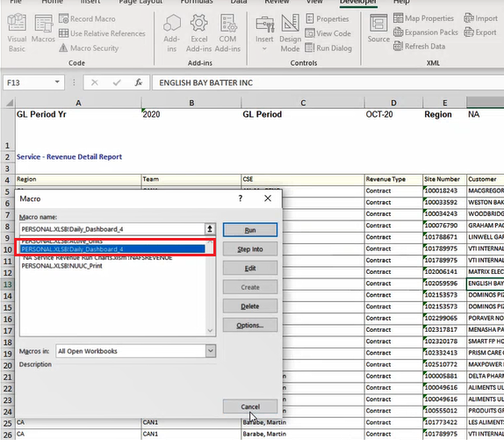
 |  |  | 13 | Filter Service Revenue data with Team US and Copy cells from C to F. | 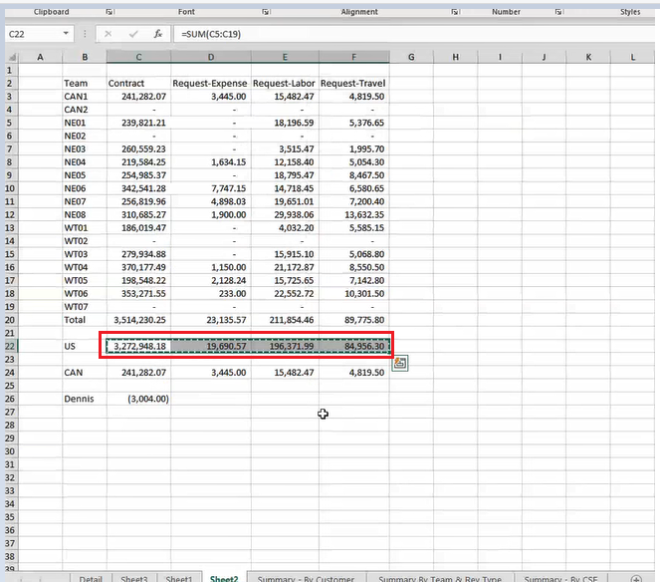
 |  |  | 14 | Filter Excel data with Team CAN and Copy cells from C to F. | 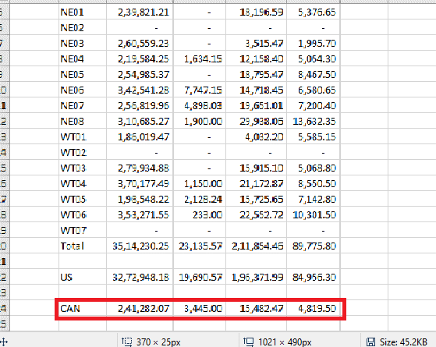
 |  |  | 15 | Read the Fiscal Lookup file to know the Current month for curernt business day
4 | SheetName Availability in Run charts |  | 16 | Check current Month sheet name is present or not |  |  | Current SheetName is not present | Business Exception: Send email to the Functional team with proper exception reason
5 | Business Day Availability In Run Charts |  | 17 | Check current business day is present or not |  |  | Present Business day is not present | Business Exception: Send email to the Functional team with proper exception reason
6 | Populate Run Charts | Medium | 18 | Based on fiscal month bot will paste copied US values in NA Service Revenue Run Chart report in previous business Date. | 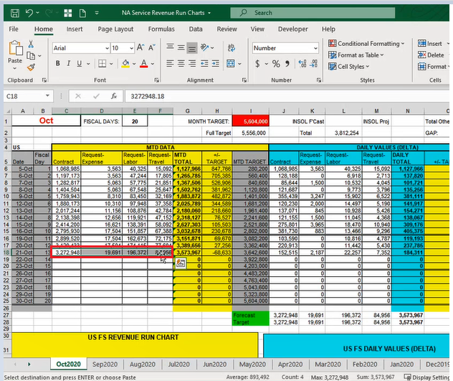 | User will add the New Month Sheet | New Month sheet not Available | Business Exception: Throw the Proper exception (New Month sheet is not Available) with concerned team.
 |  | Medium | 19 | Based on fiscal month bot will paste copied CAN values in NA Service Revenue Run Chart report in previous business date. | 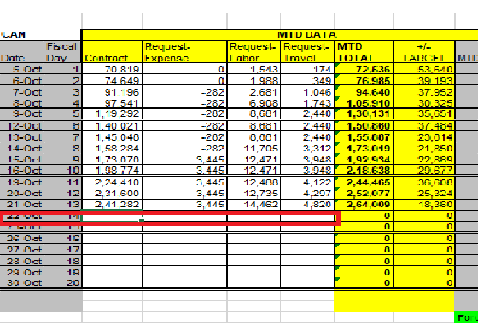
7 | Validate Run Charts US Contract Value | Medium | 20 | Check US Contract values is zero in Run charts Report |  |  | US Contract Value is Zero | Business Exception: Send Notify Mail to concerned Team like Calculated US values are Zero in Run charts Report
8 | Validate Run Charts CAN Contract Value | Medium | 21 | Check CAN Contract values is zero in Run charts Report |  |  | CAN Contract Value is Zero | Business Exception: Send Notify Mail to concerned Team like Calculated CAN values are Zero in Run charts Report
9 | Populate Forecast Actuals | Medium | 22 | Populate Run Charts US and CAN values in forecast file fiscal previous business date
10 | Email To Business User | Medium | 23 | Email the Business User with the Confirmation that Forecast (daily) report has been saved along with forecast report valus Excel image screenshot

