Framework
POM + Hybrid Framework + End To End Infrastructure Setup

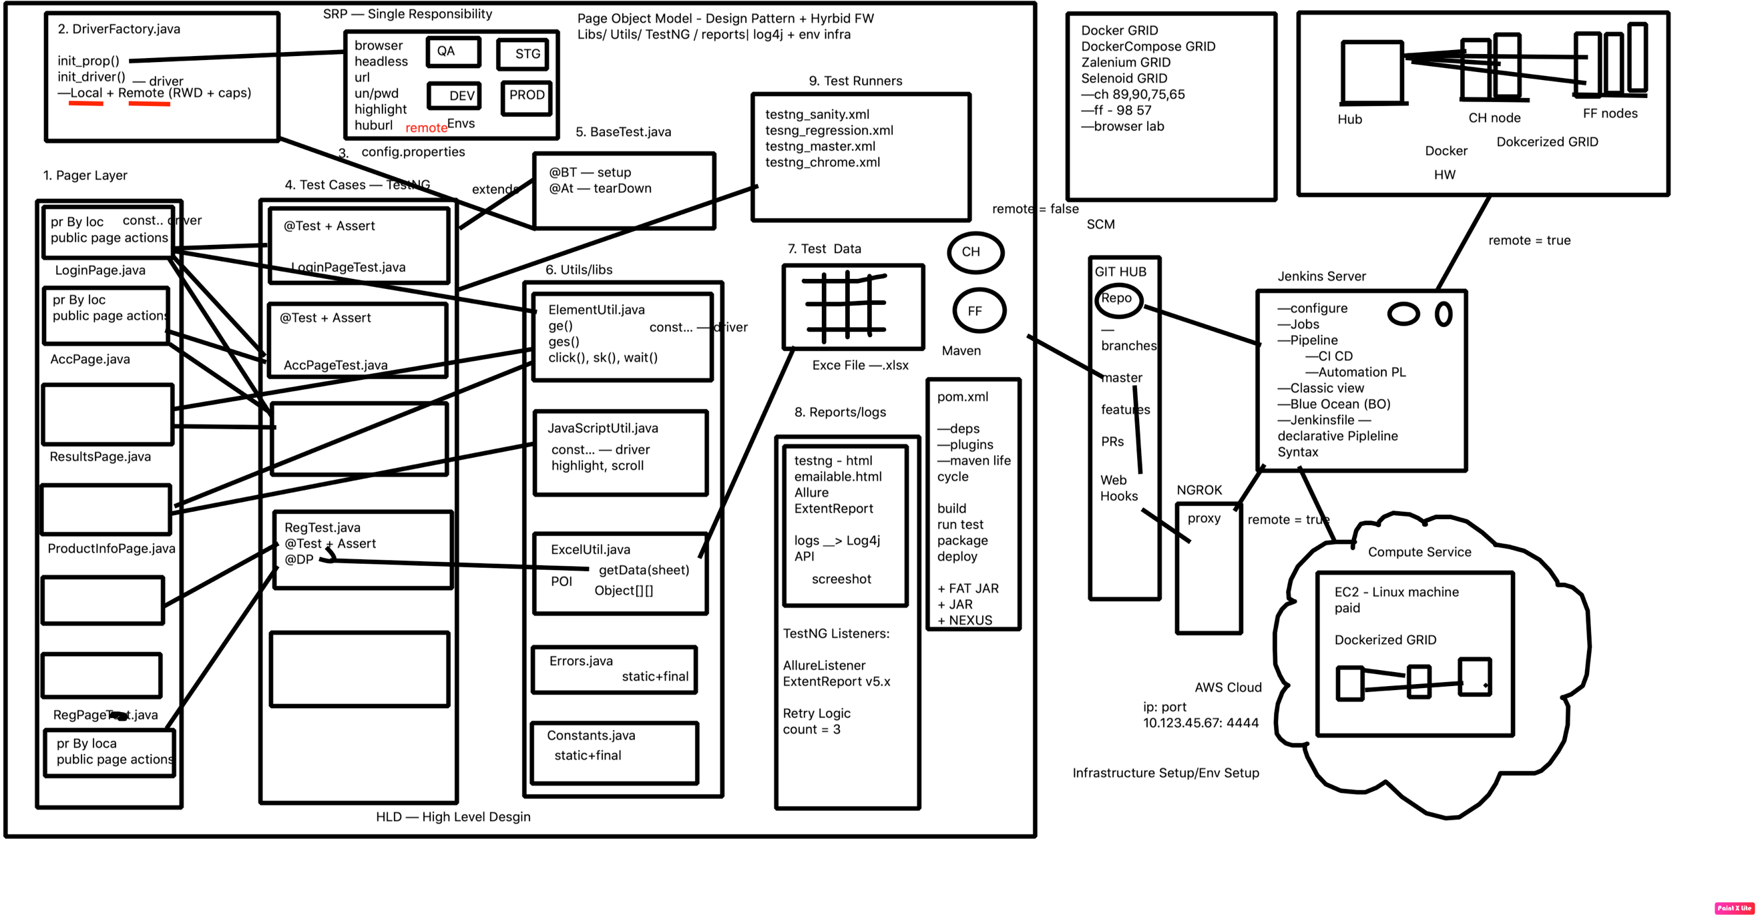

UI Automation Folder Structure

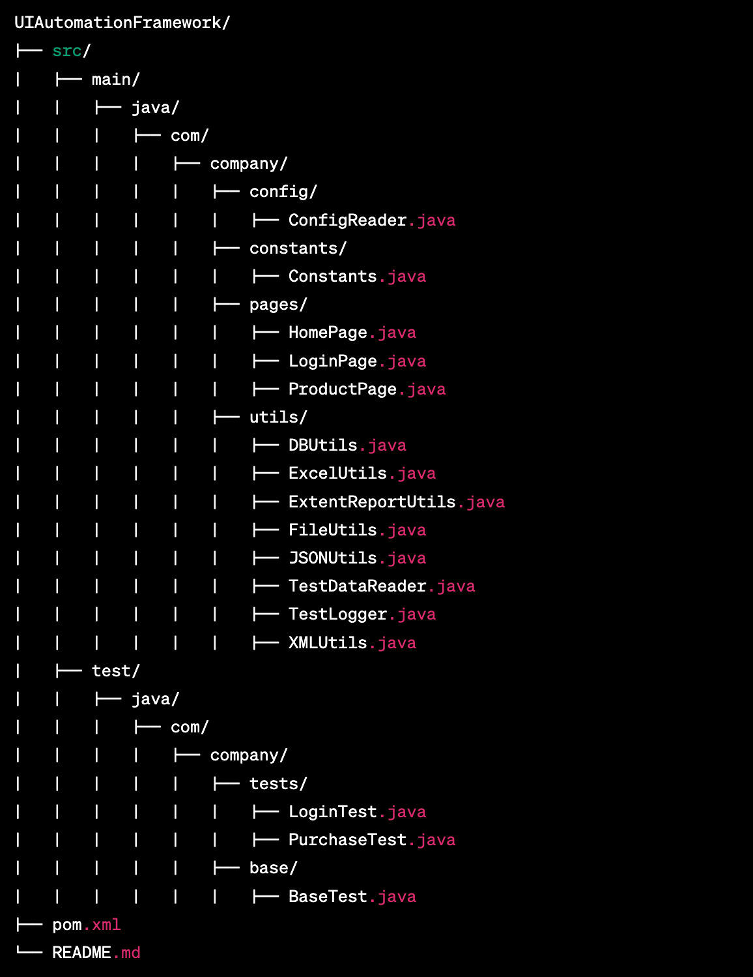

 | 1. src/main/java/com/company/config/ConfigReader.java: This class contains methods to read and parse configuration files, such as properties files, for retrieving configuration information used in the test suite. 2. src/main/java/com/company/constants/Constants.java: This class contains constants used throughout the test suite, such as URLs and file paths. 3. src/main/java/com/company/pages/HomePage.java: This class represents the home page of the web application and contains methods to interact with elements on the page. 4. src/main/java/com/company/pages/LoginPage.java: This class represents the login page of the web application and contains methods to interact with elements on the page. 5. src/main/java/com/company/pages/ProductPage.java: This class represents the product page of the web application and contains methods to interact with elements on the page. 6. src/main/java/com/company/utils/DBUtils.java: This class contains methods to interact with a database, such as executing SQL queries and retrieving data from the database. 7. src/main/java/com/company/utils/ExcelUtils.java: This class contains methods to read and parse Excel files, such as test data, for use in the test suite. 8. src/main/java/com/company/utils/ExtentReportUtils.java: This class contains methods to create and configure an extent report, which is used for generating test reports and tracking test results. 9. src/main/java/com/company/utils/FileUtils.java: This class contains methods to perform file operations, such as creating and deleting files. 10. src/main/java/com/company/utils/JSONUtils.java: This class contains methods to parse and manipulate JSON data, which is commonly used in web services and API testing. 11. src/main/java/com/company/utils/TestDataReader.java: This class contains methods to read and parse test data files, such as CSV and Excel files, for use in the test suite. 12. src/main/java/com/company/utils/TestLogger.java: This class contains methods to log messag

