Instructions
 | 31 | 30 | 29 | 28 | 27 | 26 | 25 | 24 | 23 | 22 | 21 | 20 | 19 | 18 | 17 | 16 | 15 | 14 | 13 | 12 | 11 | 10 | 9 | 8 | 7 | 6 | 5 | 4 | 3 | 2 | 1 | 0
R-type
Jump | 1 | 0 | 0 | 0 | 0 | JR/JALR | x | rs |  |  |  |  | x | x | x | x | x | x | x | x | x | x | x | x | x | x | x | x | x | x | x | x
Output A(Mul/Div) | 1 | 0 | 0 | 0 | 1 | Output A | x | rs |  |  |  |  | rt |  |  |  |  | rd |  |  |  |  | x | x | x | x | x | x | x | x | x | x
Mul/Div | 1 | 0 | 0 | 1 | MUL/DIV | Hi/Lo | x | rs |  |  |  |  | rt |  |  |  |  | rd |  |  |  |  | x | x | x | x | x | x | x | x | x | x
Shift | 1 | 0 | 1 | Select Bits | Left/Right | Arithmetic | x | rs/shamt |  |  |  |  | rt |  |  |  |  | rd |  |  |  |  | x | x | x | x | x | x | x | x | x | x
ALU | 1 | 1 | A/L (0) | Arithmetic | Add/Sub | Sign | x | rs |  |  |  |  | rt |  |  |  |  | rd |  |  |  |  | x | x | x | x | x | x | x | x | x | x
 | 1 | 1 |  | Logic | AND/OR/XOR/NOR |  | x | rs |  |  |  |  | rt |  |  |  |  | rd |  |  |  |  | x | x | x | x | x | x | x | x | x | x
 | 1 | 1 | SLT (1) | x | x | Sign | x | rs |  |  |  |  | rt |  |  |  |  | rd |  |  |  |  | x | x | x | x | x | x | x | x | x | x
Memory | 0 | 1 | Load/Save | Signed | Word | Byte/Half | x | rs |  |  |  |  | rt |  |  |  |  | MemImm
Immediate | 0 | 0 | 1 | Arithmetic | Addi/Subi | Sign | x | rs |  |  |  |  | rt |  |  |  |  | Imm
 | 0 | 0 | 1 | Logic | andi/ori/xori/lui |  | x | rs |  |  |  |  | rt |  |  |  |  | Imm
Branch | 0 | 0 | 0 | 1 | </>= | <=/> | x | rs |  |  |  |  | x | x | x | x | x | B2Offset
 | 0 | 0 | 0 | 0 | 1 | ==/!= | x | rs |  |  |  |  | rt |  |  |  |  | B1Offset
Jump | 0 | 0 | 0 | 0 | 0 | 1 | j/jal | x | x | x | x | x | x | x | x | x | x | JiOffset
Return (jal jta) | 0 | 0 | 0 | 0 | 0 | 0 | 1 | x | x | x | x | x | x | x | x | x | x | x | x | x | x | x | x | x | x | x | x | x | x | x | x | x
Nothing Instruction | 0 | 0 | 0 | 0 | 0 | 0 | 0 | 0 | 0 | 0 | 0 | 0 | 0 | 0 | 0 | 0 | 0 | 0 | 0 | 0 | 0 | 0 | 0 | 0 | 0 | 0 | 0 | 0 | 0 | 0 | 0 | 0

 | Priority Opcode |  |  | Second Priority Opcode |  |  | Function |  | First Input |  | Second Input |  | Destination |  | Constant |  | Don't Care
data path width = 32 bits

Priority Decoder
Funct [17:13] |  | [17:13] |  |  | Instruction | Ji | B==/!= (B1) | B<> (B2) | Ii | Mi | Ri
0 | 0 | 0 | 0 | 0 | Jump | 1 | 0 | 0 | 0 | 0 | 0
0 | 0 | 0 | 0 | 1 | Branch ==/!= | 0 | 1 | 0 | 0 | 0 | 0
0 | 0 | 0 | 1 | x | Branch < > | 0 | 0 | 1 | 0 | 0 | 0
0 | 0 | 1 | x | x | Immediate | 0 | 0 | 0 | 1 | 0 | 0
0 | 1 | x | x | x | Memory | 0 | 0 | 0 | 0 | 1 | 0
1 | x | x | x | x | R-type | 0 | 0 | 0 | 0 | 0 | 1

R-type
Priority Decoder
Funct | [16:13] |  |  | Instruction | Excep | OutputA | Mul/Div | Shift | ALU
0 | 0 | 0 | 0 | Jump | 1 | 0 | 0 | 0 | 0
0 | 0 | 0 | 1 | Output A (Mul/Div) | 0 | 1 | 0 | 0 | 0
0 | 0 | 1 | x | Mul/Div | 0 | 0 | 1 | 0 | 0
0 | 1 | x | x | Shift | 0 | 0 | 0 | 1 | 0
1 | x | x | x | ALU | 0 | 0 | 0 | 0 | 1
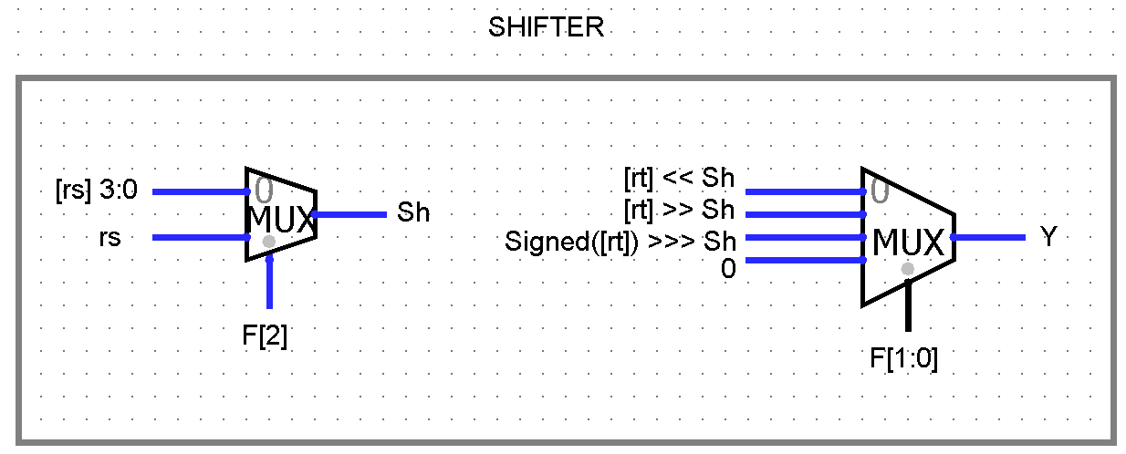
Shift
Funct | [14:12] |  | Instruction |  |  | Example Instruction
0 | 0 | 0 | sll | [rd]=[rt]<<[rs] 3:0 |  | sll $rd, $rt, $rs | rs field will be treated as a register
0 | 0 | 1 | srl | [rd] = [rt] >> [rs] 3:0 |  | srl $rd, $rt, $rs
0 | 1 | 1 | sra | [rd] = [rt] >>> [rs] 3:0 |  | sra $rd, $rt, $rs
1 | 0 | 0 | sllv | [rd]=[rt] << rs as shamt |  | sllv $rd, $rt, shamt | rs field will be treated as a constant shamt field
1 | 0 | 1 | srlv | [rd] = [rt] >> rs as shamt |  | srlv $rd, $rt, shamt
1 | 1 | 1 | srav | [rd] = [rt] >>> rs as shamt |  | srav $rd, $rt, shamt
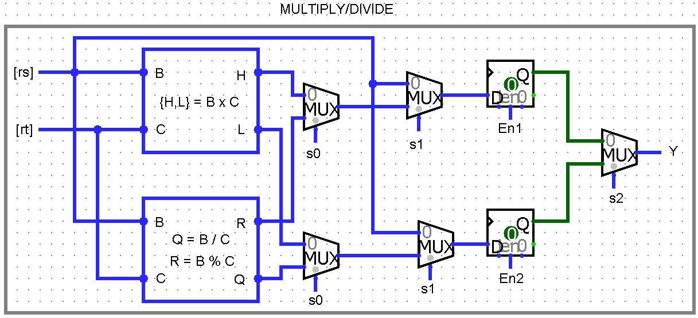
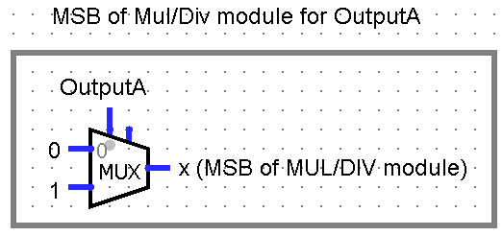
Mul/Div +OutputA |  |  |  |  |  |  | Control signals
Funct | [13:12] |  |  | Instruction |  | Example Instruction | En1 | En2 | s0 | s1 | s2
0 | 0 | 0 | mfhi | [rd] = [hi] |  | mfhi $rd | 0 | 0 | x | x | 0
0 | 0 | 1 | mflo | [rd] =[lo] |  | mflo $rd | 0 | 0 | x | x | 1
0 | 1 | 0 | mult | {[hi], [lo]} = [rs] * [rt] |  | mult $rs, $rt | 1 | 1 | 0 | 1 | x
0 | 1 | 1 | div | [lo] = [rs] / [rt], [hi] = [rs] % [rt] |  | div $rs, $rt | 1 | 1 | 1 | 1 | x
1 | 0 | 0 | mthi | [hi] = [rs] |  | mthi $rs | 1 | 0 | x | 0 | x
1 | 0 | 1 | mtlo | [lo] = [rs] |  | mtlo $rs | 0 | 1 | x | 0 | x
Add this through hardware (not part of machine code) |  |  |  |  |  | Logic | F[1] | (F[2] & ~F[0]) | F[1] | (F[2] & F[0]) | F[0] | F[1] | F[0]
ALU
Funct | [15:12] |  |  | Instruction |  |  | Example Instruction | Control signals
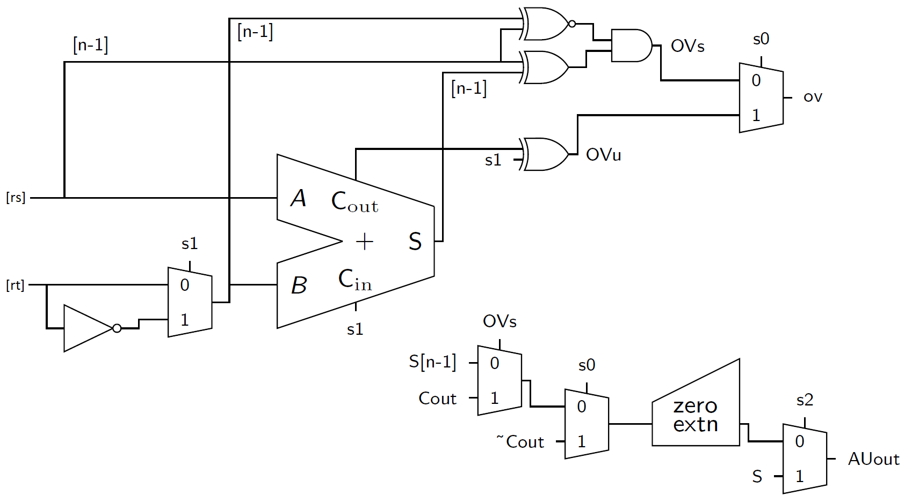
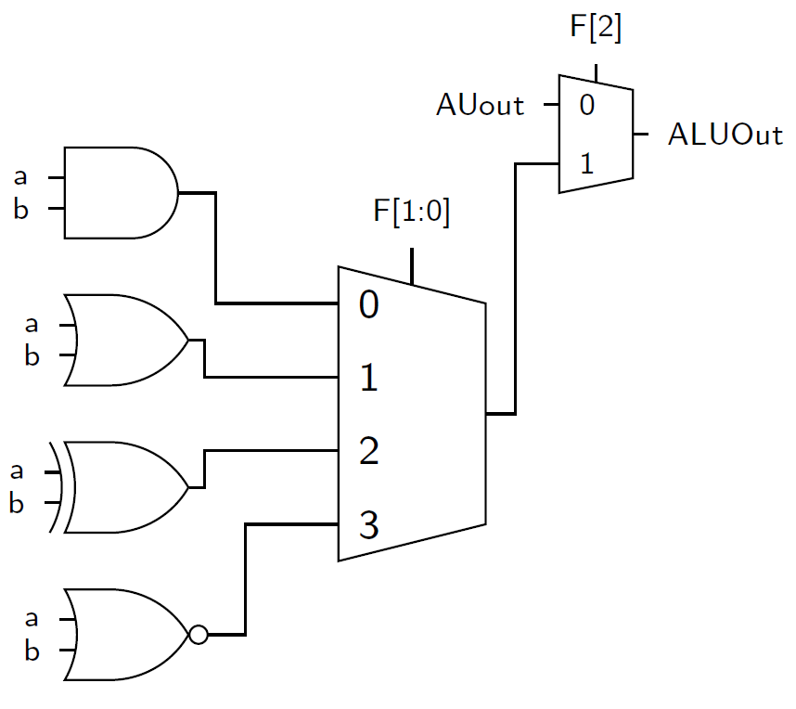
0 | 0 | 0 | 0 | add | [rd] = [rs] + [rt] (signed) |  | add $rd, $rs, $rt | s0 = F[0] |  |  |  |  |  |  |  | Arithmetic
0 | 0 | 0 | 1 | addu | [rd] = [rs] + [rt] (unsigned) |  | addu $rd, $rs, $rt | s1 = F[1] |  |  |  |  |  |  |  | <-----
0 | 0 | 1 | 0 | sub | [rd] = [rs] - [rt] (signed) |  | sub $rd, $rs, $rt | s2 = F[3]
0 | 0 | 1 | 1 | subu | [rd] = [rs] - [rt] (unsigned) |  | subu $rd, $rs, $rt
0 | 1 | 0 | 0 | and | [rd] = [rs] & [rt] |  | and $rd, $rs, $rt
0 | 1 | 0 | 1 | or | [rd] = [rs] | [rt] |  | or $rd, $rs, $rt |  |  |  |  |  |  |  |  | Logical
0 | 1 | 1 | 0 | xor | [rd] = [rs] ^ [rt] |  | xor $rd, $rs, $rt |  |  |  |  |  |  |  |  | _---->
0 | 1 | 1 | 1 | nor | [rd] = ~([rs] | [rt]) |  | nor $rd, $rs, $rt
1 | 0 | 1 | 0 | slt | [rd] = slt([rs], [rt]) (signed) |  | slt $rd, $rs, $rt
1 | 0 | 1 | 1 | sltu | [rd] = slt([rs], [rt]) (unsigned comparison) |  | sltu $rd, $rs, $rt

Jump
Funct [12] | Instruction |  |  | Example Instruction
0 | jr | PC = [rs] |  | jr $rs
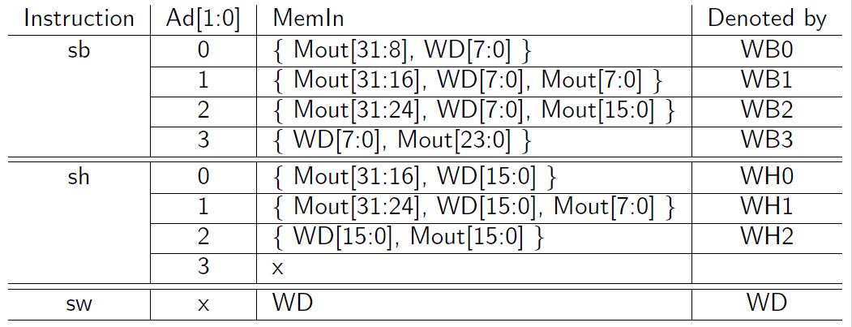
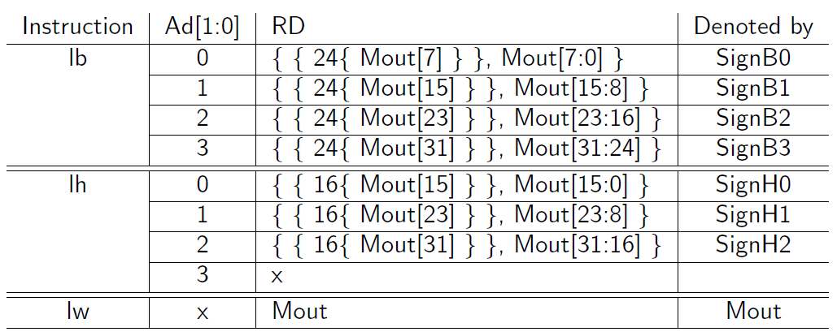
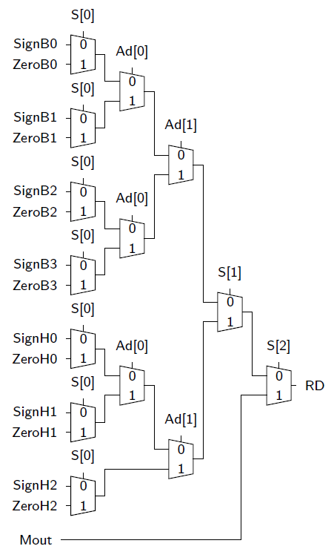
1 | jalr | $ra = PC + 4, PC = [rs] |  | jalr $rs

MemIn - for memory write operations. 32 bit data in MemIn output is written in location pointed by address if En=1 at leading clock edge
Memory
Funct | [15:12] |  |  | Instruction |  |  | Example Instruction
0 | 0 | 0 | 0 | lb | [rt] = SignExtn([address]7:0) |  | lb $rt, $rs, const
0 | 0 | 0 | 1 | lh | [rt] = SignExtn([address]15:0) |  | lh $rt, $rs, const
0 | 0 | 1 | 1 | lw | [rt] = [address] |  | lw $rt, $rs, const
0 | 1 | 0 | 0 | lbu | [rt] = ZeroExtn([address]7:0) |  | lbu $rt, $rs, const
0 | 1 | 0 | 1 | lhu | [rt] = ZeroExtn([address]15:0) |  | lhu $rt, $rs, const | S0 = Instruction[14] |  | MemEn = Instruction[15] & Mi
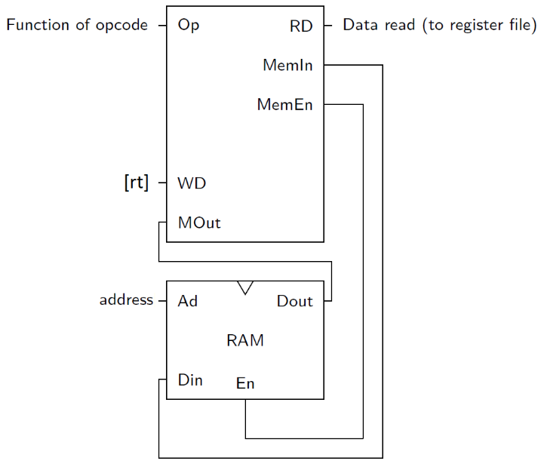
1 | 0 | 0 | 0 | sb | [address]7:0 = [rt]7:0 |  | sb $rt, $rs, const | S1 = Instruction[12]
1 | 0 | 0 | 1 | sh | [address]15:0 = [rt]15:0 |  | sh $rt, $rs, const | S2 = Instruction[13]
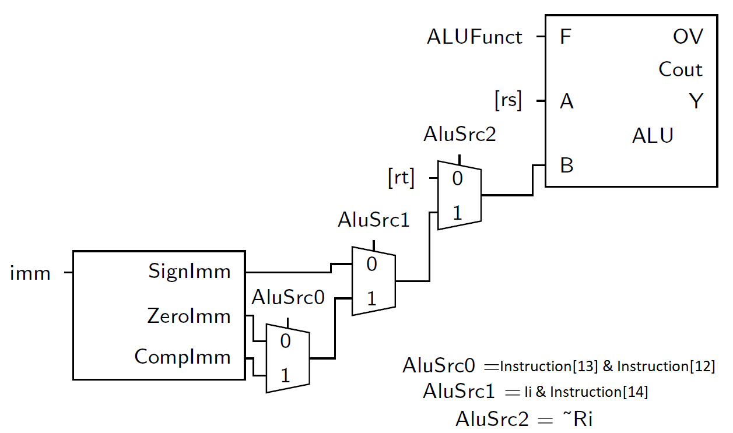
1 | 0 | 1 | 1 | sw | [address] = [rt] |  | sw $rt, $rs, const
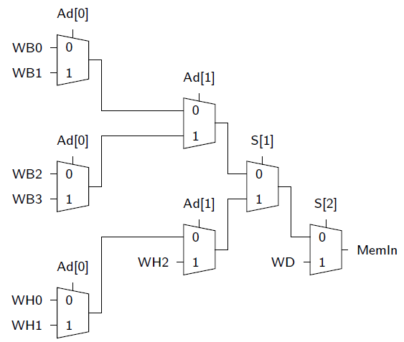
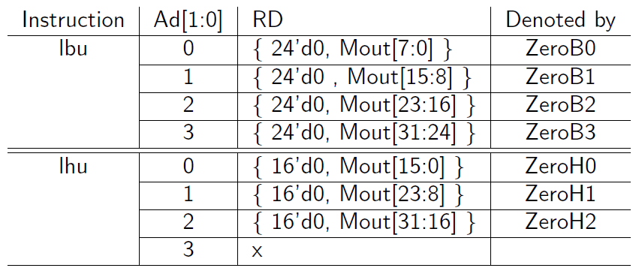
Immediate |  |  |  |  |  | ALU used with these functions, but with different ALU Function Code
Funct | [14:12] |  | Instruction |  |  |  | Example Instruction
0 | 0 | 0 | addi | [rt] = [rs] + SignImm (signed) |  |  | addi $rt, $rs, SignImm
0 | 0 | 1 | addiu | [rt] = [rs] + ZeroImm (unsigned) |  |  | addiu $rt, $rs, ZeroImm
0 | 1 | 0 | slti | [rt] = slt([rs], SignImm) (signed) |  |  | slti $rt, $rs, SignImm
0 | 1 | 1 | stliu | [rt] = slt([rs], ZeroImm) (unsigned) |  |  | sltiu $rt, $rs, ZeroImm
1 | 0 | 0 | andi | [rt] = [rs] & ZeroImm |  |  | andi $rt, $rs, $ZeroImm
1 | 0 | 1 | ori | [rt] = [rs] | ZeroImm |  |  | ori $rt, $rs, $ZeroImm
1 | 1 | 0 | xori | [rt] = [rs] ^ZeroImm |  |  | xori $rt, $rs, $ZeroImm
1 | 1 | 1 | lui | [rt] = {imm, 16'do} |  |  | lui $rt, $rs, $ZeroImm

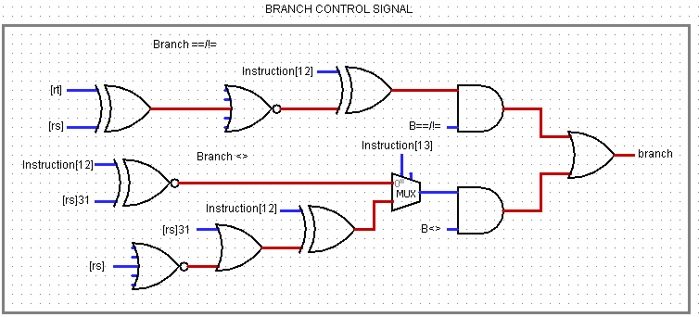
Branch <> | B2
Funct | [13:12] |  | Instruction |  |  | Branch | Example Instruction
0 | 0 | <= | blez | if([rs] <= 0) PC = BTA |  | [rs]31 | ~(|[rs]) | blez $rs, bta
0 | 1 | > | bgtz | if([rs] > 0) PC = BTA |  | ~([rs]31 | ~(|[rs])) | bgtz $rs, bta
1 | 0 | >= | bgez | if([rs] >= 0) PC = BTA |  | ~(Instruction[12] ^ [rs]31) | bgez $rs, bta
1 | 1 | < | bltz | if([rs] < 0) PC = BTA |  |  | bltz $rs, bta

Branch ==/!= | B1
Funct | [12] | Instruction |  |  | Branch | Example Instruction
0 | == | beq | if([rs] == [rt]) PC = BTA |  | ~(|([rs] ^ [rt])) | beq $rt, $rs, bta
1 | != | bne | if([rs] != [rt]) PC = BTA |  | |([rs] ^ [rt]) | bne $rt, $rs, bta

Jump
Funct [12] | Instruction |  |  | Example Instruction
0 | j | PC = JTA |  | j jta
1 | jal | $ra = PC + 4, PC = JTA |  | jal jta

Jump & return
jal jta | Jump to PC=jta+1
jr $ra | pc_next = [ra], ra = ra -1

Pipelined Diagram
