Bug_Report_Task3_bug1
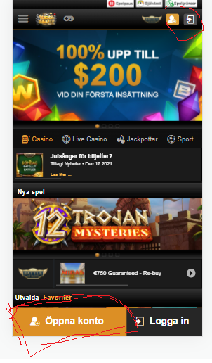
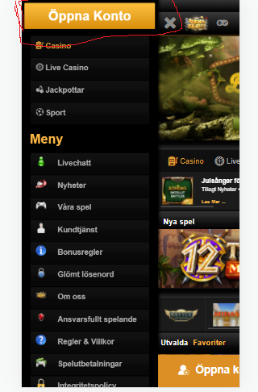
Bug Name | Responsiveness between Mobile view,Tab view and desktop view
Tested on | Mobile and Chrome Browser
Bug Description | Open account option is mentioned in three places in mobile view but has metioned in one place in desktop view.
Sample Screen shot

Bug_Report_Task3_bug2

Bug Name | Responsiveness between Mobile view,Tab view and desktop view
Tested on | Mobile and Chrome Browser
Bug Description | Currency change and other option mentioned in desktop view is not found in mobile view.
Sample Screen shot

Bug_Report_Task3_Bug3
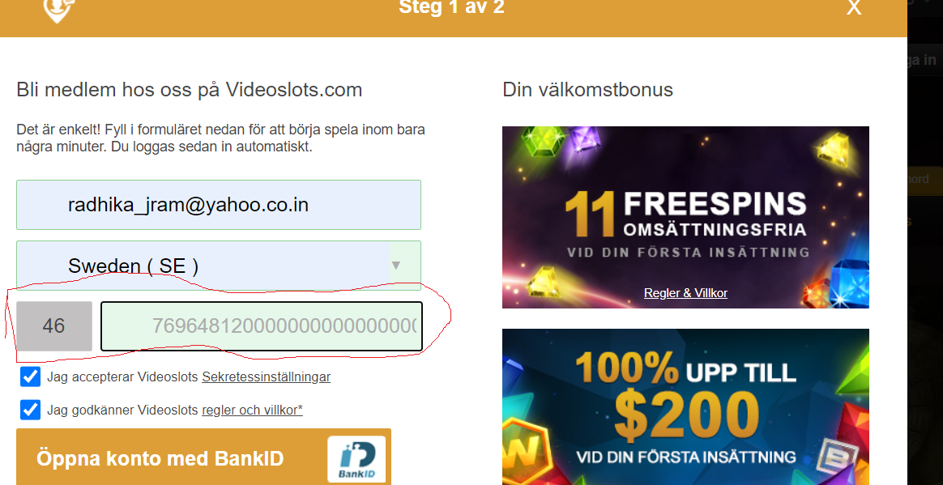
Bug Name | PhoneNumber in the 'Openaccount'
Tested on | Mobile and Chrome Browser
Bug Description | Phone number in the Openaccount' page accepts more than 10 digits.
Sample Screen shot

Bug_Report_Task3_Bug4
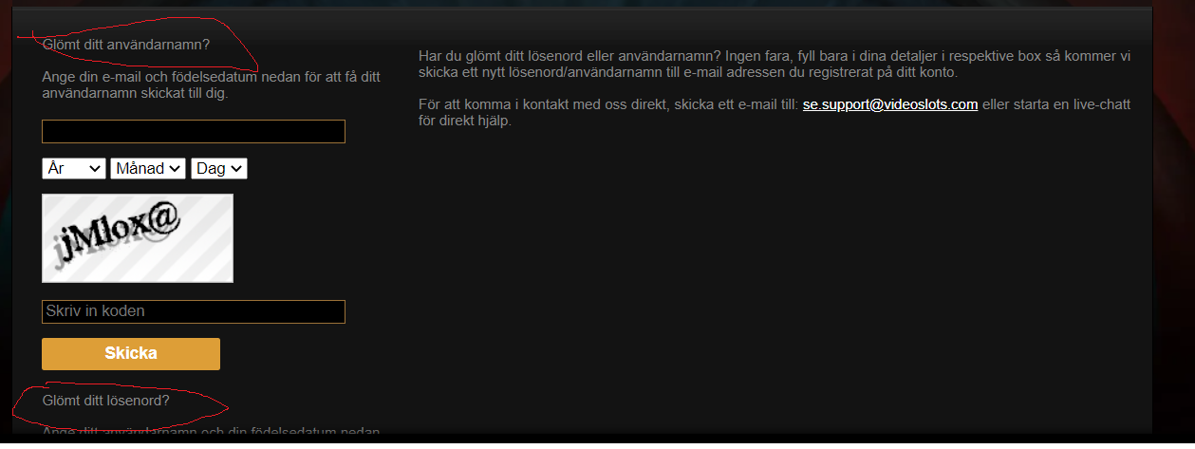
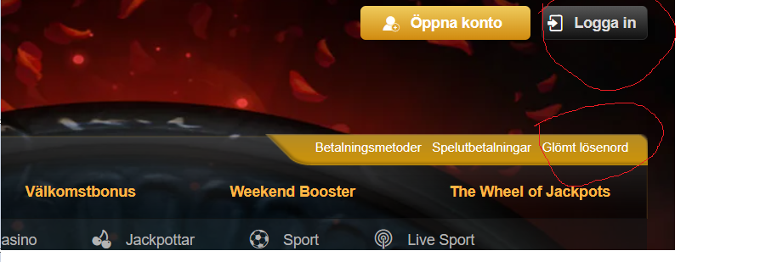
Bug Name | ForgotPassword
Tested on | Chrome Browser
Bug Description | By clicking Forgot password take me the screen of both Forgot Username Forgot Password Also there is separate send button for Username and Password is quite confusing for user. Also 'Login' should lead to option of 'Forgot password', But there is separate option in browser page as 'Forgot password'.
Sample Screen shot

