Sheet1 (2)
1 | 0 | 0.58778525229 | 0.9510565163 | 0.9510565163 | 0.58778525229 | 1.2251484549E-16
0.8 | 0 | 0.31808813274 | 0.51467741019 | 0.51467741019 | 0.31808813274 | 0
0.6 | 0 | 0.16988986847 | 0.27488758154 | 0.27488758154 | 0.16988986847 | 0
0.4 | 0 | 0.086583759623 | 0.14009546594 | 0.14009546594 | 0.086583759623 | 0
0.2 | 0 | 0.036349704074 | 0.058815056673 | 0.058815056673 | 0.036349704074 | 0
0 | 0 | 0 | 0 | 0 | 0 | 0
 | 0 | 0.2 | 0.4 | 0.6 | 0.8 | 1

1 | 0 | 0.58778525229 | 0.9510565163 | 0.9510565163 | 0.58778525229 | 1.2251484549E-16
0.8 | 0 | 0.31808813274 | 0.51467741019 | 0.51467741019 | 0.31808813274 | 0
0.6 | 0 | 0.16988986847 | 0.27488758154 | 0.27488758154 | 0.16988986847 | 0
0.4 | 0 | 0.086583759623 | 0.14009546594 | 0.14009546594 | 0.086583759623 | 0
0.2 | 0 | 0.036349704074 | 0.058815056673 | 0.058815056673 | 0.036349704074 | 0
0 | 0 | 0 | 0 | 0 | 0 | 0
 | 0 | 0.2 | 0.4 | 0.6 | 0.8 | 1

1 | 0 | 0.58778525229 | 0.9510565163 | 0.9510565163 | 0.58778525229 | 1.2251484549E-16
0.8 | 0 | 0.31210175772 | 0.50499125194 | 0.50499125194 | 0.31210175772 | 6.5052837708E-17
0.6 | 0 | 0.16373835837 | 0.2649342291 | 0.2649342291 | 0.16373835837 | 3.4128756375E-17
0.4 | 0 | 0.082171069139 | 0.13295558276 | 0.13295558276 | 0.082171069139 | 1.7127302531E-17
0.2 | 0 | 0.03412498922 | 0.055215392423 | 0.055215392423 | 0.03412498922 | 7.112832051E-18
0 | 0 | 0 | 0 | 0 | 0 | 0
 | 0 | 0.2 | 0.4 | 0.6 | 0.8 | 1

Sheet2
 |  |  |  |  |  |  |  | x/y | 0 | 0.2 | 0.4 | 0.6 | 0.8 | 1
 |  |  |  |  |  |  |  | 0 | 0 | 0 | 0 | 0 | 0 | 0
 |  |  |  |  |  |  |  | 0.2 | 0 | 5 | 5 | 5 | 5 | 0
 |  |  |  |  |  |  |  | 0.4 | 0 | 5 | 5 | 5 | 5 | 0
 |  |  |  |  |  |  |  | 0.6 | 0 | 5 | 5 | 5 | 5 | 0
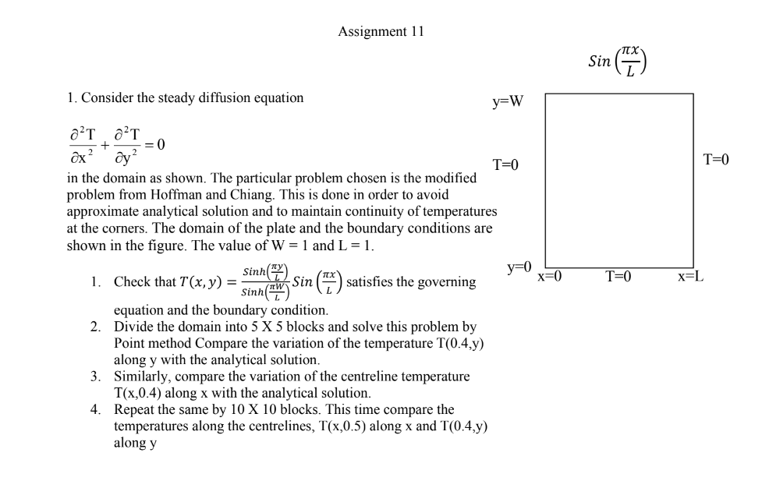
 |  |  |  |  |  |  |  | 0.8 | 0 | 5 | 5 | 5 | 5 | 0
 |  |  |  |  |  |  |  | 1 | 0 | 0.58778525229 | 0.9510565163 | 0.9510565163 | 0.58778525229 | 1.2251484549E-16

x/y | 0 | 0.2 | 0.4 | 0.6 | 0.8 | 1 | n=0 | x/y | 0 | 0.2 | 0.4 | 0.6 | 0.8 | 1 |  | 0
0 | 0 | 0 | 0 | 0 | 0 | 0 |  | 0 | 0 | 0 | 0 | 0 | 0 | 0 | N
0.2 | 0 | 0.036349734576 | 0.058815106026 | 0.058815106026 | 0.036349734576 | 0 |  | 0.2 | 0 | 0.03412498922 | 0.055215392423 | 0.055215392423 | 0.03412498922 | 7.112832051E-18
0.4 | 0 | 0.086583808976 | 0.1400955458 | 0.1400955458 | 0.086583808976 | 0 |  | 0.4 | 0 | 0.082171069139 | 0.13295558276 | 0.13295558276 | 0.082171069139 | 1.7127302531E-17
0.6 | 0 | 0.16988991783 | 0.27488766139 | 0.27488766139 | 0.16988991783 | 0 |  | 0.6 | 0 | 0.16373835837 | 0.2649342291 | 0.2649342291 | 0.16373835837 | 3.4128756375E-17
0.8 | 0 | 0.31808816324 | 0.51467745954 | 0.51467745954 | 0.31808816324 | 0 |  | 0.8 | 0 | 0.31210175772 | 0.50499125194 | 0.50499125194 | 0.31210175772 | 6.5052837708E-17
1 | 0 | 0.58778525229 | 0.9510565163 | 0.9510565163 | 0.58778525229 | 1.2251484549E-16 |  | 1 | 0 | 0.58778525229 | 0.9510565163 | 0.9510565163 | 0.58778525229 | 1.2251484549E-16

 |  | Jaccobi |  |  |  |  |  |  |  | gauss sideal
x/y | 0 | 0.2 | 0.4 | 0.6 | 0.8 | 1 |  |  | x/y | 0 | 0.2 | 0.4 | 0.6 | 0.8 | 1 | n=1 | 1
0 | 0 | 0 | 0 | 0 | 0 | 0 |  |  | 0 | 0 | 0 | 0 | 0 | 0 | 0
0.2 | 0 | 0.03634972875 | 0.0588150966 | 0.0588150966 | 0.03634972875 | 0 |  |  | 0.2 | 0 | 2.5 | 3.125 | 3.28125 | 2.0703125 | 0
0.4 | 0 | 0.086583799551 | 0.14009553055 | 0.14009553055 | 0.086583799551 | 0 |  |  | 0.4 | 0 | 3.125 | 4.0625 | 4.3359375 | 2.8515625 | 0
0.6 | 0 | 0.1698899084 | 0.27488764614 | 0.27488764614 | 0.1698899084 | 0 |  |  | 0.6 | 0 | 3.28125 | 4.3359375 | 4.66796875 | 3.1298828125 | 0
0.8 | 0 | 0.31808815742 | 0.51467745012 | 0.51467745012 | 0.31808815742 | 0 |  |  | 0.8 | 0 | 2.2172588131 | 3.1260632073 | 3.4362721184 | 1.7884850458 | 0
1 | 0 | 0.58778525229 | 0.9510565163 | 0.9510565163 | 0.58778525229 | 1.2251484549E-16 |  |  | 1 | 0 | 0.58778525229 | 0.9510565163 | 0.9510565163 | 0.58778525229 | 1.2251484549E-16
JCOBI
GUASS

Sheet1
1 | 0 | 0.30901699437 | 0.58778525229 | 0.80901699437 | 0.9510565163 | 1 | 0.9510565163 | 0.80901699437 | 0.58778525229 | 0.30901699437 | 1.2251484549E-16
0.9 | 0 | 0.22589832264 | 0.42968414354 | 0.59140948669 | 0.69524354868 | 0.73102232808 | 0.69524354868 | 0.59140948669 | 0.42968414354 | 0.22589832264 | 0
0.8 | 0 | 0.16489215266 | 0.31364351255 | 0.43169326015 | 0.50748586366 | 0.53360221497 | 0.50748586366 | 0.43169326015 | 0.31364351255 | 0.16489215266 | 0
0.7 | 0 | 0.12002677545 | 0.22830449385 | 0.31423417769 | 0.36940443083 | 0.38841480448 | 0.36940443083 | 0.31423417769 | 0.22830449385 | 0.12002677545 | 0
0.6 | 0 | 0.086910455299 | 0.16531350969 | 0.22753452595 | 0.26748287748 | 0.2812481413 | 0.26748287748 | 0.22753452595 | 0.16531350969 | 0.086910455299 | 0
0.5 | 0 | 0.062301536051 | 0.11850456367 | 0.16310753893 | 0.19174441185 | 0.20161200577 | 0.19174441185 | 0.16310753893 | 0.11850456367 | 0.062301536051 | 0
0.4 | 0 | 0.043791125233 | 0.083295670018 | 0.11464665427 | 0.1347752252 | 0.14171105807 | 0.1347752252 | 0.11464665427 | 0.083295670018 | 0.043791125233 | 0
0.3 | 0 | 0.029567294863 | 0.056240336898 | 0.077408182907 | 0.090998776639 | 0.095681776088 | 0.090998776639 | 0.077408182907 | 0.056240336898 | 0.029567294863 | 0
0.2 | 0 | 0.018237717322 | 0.034690199803 | 0.047746963826 | 0.056129922357 | 0.059018493008 | 0.056129922357 | 0.047746963826 | 0.034690199803 | 0.018237717322 | 0
0.1 | 0 | 0.0086933746218 | 0.016535781165 | 0.022759550237 | 0.026755455956 | 0.02813235123 | 0.026755455956 | 0.022759550237 | 0.016535781165 | 0.0086933746218 | 0
0 | 0 | 0 | 0 | 0 | 0 | 0 | 0 | 0 | 0 | 0 | 0
 | 0 | 0.1 | 0.2 | 0.3 | 0.4 | 0.5 | 0.6 | 0.7 | 0.8 | 0.9 | 1

1 | 0 | 0.30901699437 | 0.58778525229 | 0.80901699437 | 0.9510565163 | 1 | 0.9510565163 | 0.80901699437 | 0.58778525229 | 0.30901699437 | 1.2251484549E-16
0.9 | 0 | 0.22589832264 | 0.42968414354 | 0.59140948669 | 0.69524354868 | 0.73102232808 | 0.69524354868 | 0.59140948669 | 0.42968414354 | 0.22589832264 | 0
0.8 | 0 | 0.16489215266 | 0.31364351255 | 0.43169326015 | 0.50748586366 | 0.53360221497 | 0.50748586366 | 0.43169326015 | 0.31364351255 | 0.16489215266 | 0
0.7 | 0 | 0.12002677545 | 0.22830449385 | 0.31423417769 | 0.36940443083 | 0.38841480448 | 0.36940443083 | 0.31423417769 | 0.22830449385 | 0.12002677545 | 0
0.6 | 0 | 0.086910455299 | 0.16531350969 | 0.22753452595 | 0.26748287748 | 0.2812481413 | 0.26748287748 | 0.22753452595 | 0.16531350969 | 0.086910455299 | 0
0.5 | 0 | 0.062301536051 | 0.11850456367 | 0.16310753893 | 0.19174441185 | 0.20161200577 | 0.19174441185 | 0.16310753893 | 0.11850456367 | 0.062301536051 | 0
0.4 | 0 | 0.043791125233 | 0.083295670018 | 0.11464665427 | 0.1347752252 | 0.14171105807 | 0.1347752252 | 0.11464665427 | 0.083295670018 | 0.043791125233 | 0
0.3 | 0 | 0.029567294863 | 0.056240336898 | 0.077408182907 | 0.090998776639 | 0.095681776088 | 0.090998776639 | 0.077408182907 | 0.056240336898 | 0.029567294863 | 0
0.2 | 0 | 0.018237717322 | 0.034690199803 | 0.047746963826 | 0.056129922357 | 0.059018493008 | 0.056129922357 | 0.047746963826 | 0.034690199803 | 0.018237717322 | 0
0.1 | 0 | 0.0086933746218 | 0.016535781165 | 0.022759550237 | 0.026755455956 | 0.02813235123 | 0.026755455956 | 0.022759550237 | 0.016535781165 | 0.0086933746218 | 0
0 | 0 | 0 | 0 | 0 | 0 | 0 | 0 | 0 | 0 | 0 | 0
 | 0 | 0.1 | 0.2 | 0.3 | 0.4 | 0.5 | 0.6 | 0.7 | 0.8 | 0.9 | 1

1 | 0 | 0.30901699437 | 0.58778525229 | 0.80901699437 | 0.9510565163 | 1 | 0.9510565163 | 0.80901699437 | 0.58778525229 | 0.30901699437 | 1.2251484549E-16
0.9 | 0 | 0.22533757616 | 0.42861754035 | 0.58994143333 | 0.69351774846 | 0.72920771434 | 0.69351774846 | 0.58994143333 | 0.42861754035 | 0.22533757616 | 0
0.8 | 0 | 0.16408160418 | 0.31210175772 | 0.42957121668 | 0.50499125194 | 0.53097922499 | 0.50499125194 | 0.42957121668 | 0.31210175772 | 0.16408160418 | 0
0.7 | 0 | 0.11915346839 | 0.2266433651 | 0.31194783012 | 0.36671666805 | 0.38558872346 | 0.36671666805 | 0.31194783012 | 0.2266433651 | 0.11915346839 | 0
0.6 | 0 | 0.086082349242 | 0.16373835837 | 0.22536651615 | 0.2649342291 | 0.27856833381 | 0.2649342291 | 0.22536651615 | 0.16373835837 | 0.086082349242 | 0
0.5 | 0 | 0.061577324412 | 0.11712703128 | 0.16121152825 | 0.18951551761 | 0.19926840767 | 0.18951551761 | 0.16121152825 | 0.11712703128 | 0.061577324412 | 0
0.4 | 0 | 0.043199887562 | 0.082171069139 | 0.11309877395 | 0.13295558276 | 0.13979777277 | 0.13295558276 | 0.11309877395 | 0.082171069139 | 0.043199887562 | 0
0.3 | 0 | 0.029121291469 | 0.055391988029 | 0.076240530861 | 0.089626119335 | 0.094238478785 | 0.089626119335 | 0.076240530861 | 0.055391988029 | 0.029121291469 | 0
0.2 | 0 | 0.017940568534 | 0.03412498922 | 0.046969018198 | 0.055215392423 | 0.05805689933 | 0.055215392423 | 0.046969018198 | 0.03412498922 | 0.017940568534 | 0
0.1 | 0 | 0.0085451198558 | 0.016253783843 | 0.02237141422 | 0.026299174703 | 0.027652588729 | 0.026299174703 | 0.02237141422 | 0.016253783843 | 0.0085451198558 | 0
0 | 0 | 0 | 0 | 0 | 0 | 0 | 0 | 0 | 0 | 0 | 0
 | 0 | 0.1 | 0.2 | 0.3 | 0.4 | 0.5 | 0.6 | 0.7 | 0.8 | 0.9 | 1

