Sheet4
h | 0.1 |  | assumption intial |  |  | 5
del y | 0.1

T(0.5,Y) (after iteration)
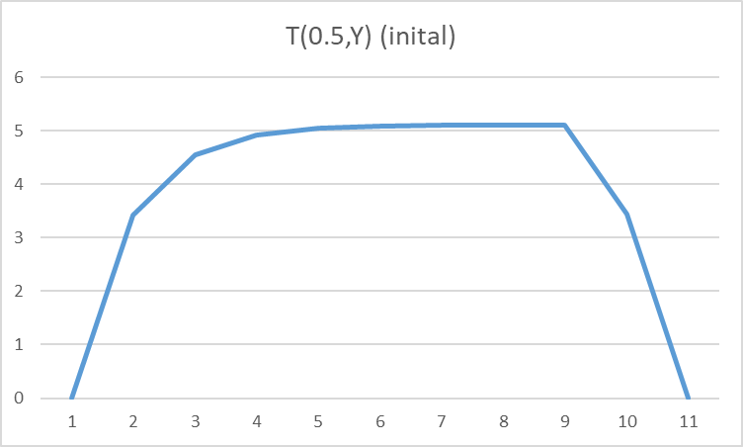
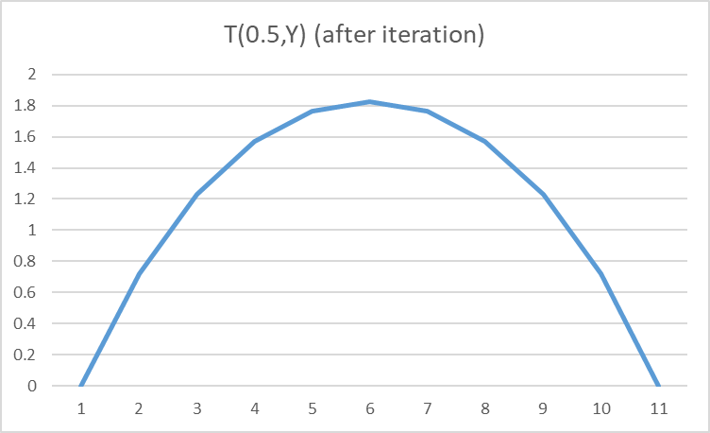
 | x/y | 0 | 0.1 | 0.2 | 0.3 | 0.4 | 0.5 | 0.6 | 0.7 | 0.8 | 0.9 | 1
 | 0 | 0 | 0 | 0 | 0 | 0 | 0 | 0 | 0 | 0 | 0 | 0
 | 0.1 | 0 | 0.32032745747 | 0.51565491494 | 0.63492834091 | 0.69998564084 | 0.72070729173 | 0.69998564084 | 0.63492834091 | 0.51565491494 | 0.32032745747 | 0
 | 0.2 | 0 | 0.51565491494 | 0.8573638614 | 1.0740728078 | 1.1943069307 | 1.2328578853 | 1.1943069307 | 1.0740728078 | 0.85736386139 | 0.51565491494 | 0
 | 0.3 | 0 | 0.63492834091 | 1.0740728078 | 1.3596920984 | 1.5203113889 | 1.5721103879 | 1.5203113889 | 1.3596920984 | 1.0740728078 | 0.63492834091 | 0
 | 0.4 | 0 | 0.69998564084 | 1.1943069307 | 1.5203113889 | 1.7051361386 | 1.7649608884 | 1.7051361386 | 1.5203113889 | 1.1943069307 | 0.69998564083 | 0
 | 0.5 | 0 | 0.72070729173 | 1.2328578853 | 1.5721103879 | 1.7649608884 | 1.8274608884 | 1.7649608884 | 1.5721103879 | 1.2328578852 | 0.72070729173 | 0
 | 0.6 | 0 | 0.69998564084 | 1.1943069307 | 1.5203113889 | 1.7051361386 | 1.7649608884 | 1.7051361386 | 1.5203113889 | 1.1943069307 | 0.69998564083 | 0
 | 0.7 | 0 | 0.63492834091 | 1.0740728078 | 1.3596920984 | 1.5203113889 | 1.5721103879 | 1.5203113889 | 1.3596920984 | 1.0740728078 | 0.6349283409 | 0
 | 0.8 | 0 | 0.51565491494 | 0.85736386139 | 1.0740728078 | 1.1943069307 | 1.2328578852 | 1.1943069307 | 1.0740728078 | 0.85736386139 | 0.51565491494 | 0
 | 0.9 | 0 | 0.32032745747 | 0.51565491494 | 0.63492834091 | 0.69998564083 | 0.72070729173 | 0.69998564083 | 0.6349283409 | 0.51565491494 | 0.32032745747 | 0
 | 1 | 0 | 0 | 0 | 0 | 0 | 0 | 0 | 0 | 0 | 0 | 0

T(X,0.5) (after iteration)
 | x/y | 0 | 0.1 | 0.2 | 0.3 | 0.4 | 0.5 | 0.6 | 0.7 | 0.8 | 0.9 | 1
 | 0 | 0 | 0 | 0 | 0 | 0 | 0 | 0 | 0 | 0 | 0 | 0
 | 0.1 | 0 | 0.32032745747 | 0.51565491494 | 0.63492834091 | 0.69998564084 | 0.72070729173 | 0.69998564084 | 0.63492834091 | 0.51565491494 | 0.32032745747 | 0


 | 0.2 | 0 | 0.51565491494 | 0.8573638614 | 1.0740728078 | 1.1943069307 | 1.2328578852 | 1.1943069307 | 1.0740728078 | 0.85736386139 | 0.51565491494 | 0
 | 0.3 | 0 | 0.63492834091 | 1.0740728078 | 1.3596920984 | 1.5203113889 | 1.5721103879 | 1.5203113889 | 1.3596920984 | 1.0740728078 | 0.6349283409 | 0
 | 0.4 | 0 | 0.69998564084 | 1.1943069307 | 1.5203113889 | 1.7051361386 | 1.7649608884 | 1.7051361386 | 1.5203113889 | 1.1943069307 | 0.69998564083 | 0
 | 0.5 | 0 | 0.72070729173 | 1.2328578852 | 1.5721103879 | 1.7649608884 | 1.8274608884 | 1.7649608884 | 1.5721103878 | 1.2328578852 | 0.72070729173 | 0
 | 0.6 | 0 | 0.69998564084 | 1.1943069307 | 1.5203113889 | 1.7051361386 | 1.7649608884 | 1.7051361386 | 1.5203113889 | 1.1943069307 | 0.69998564083 | 0
 | 0.7 | 0 | 0.63492834091 | 1.0740728078 | 1.3596920984 | 1.5203113889 | 1.5721103878 | 1.5203113889 | 1.3596920984 | 1.0740728078 | 0.6349283409 | 0
 | 0.8 | 0 | 0.51565491494 | 0.85736386139 | 1.0740728078 | 1.1943069307 | 1.2328578852 | 1.1943069307 | 1.0740728078 | 0.85736386139 | 0.51565491494 | 0
 | 0.9 | 0 | 0.32032745747 | 0.51565491494 | 0.6349283409 | 0.69998564083 | 0.72070729173 | 0.69998564083 | 0.6349283409 | 0.51565491494 | 0.32032745747 | 0
 | 1 | 0 | 0 | 0 | 0 | 0 | 0 | 0 | 0 | 0 | 0 | 0

