DDS
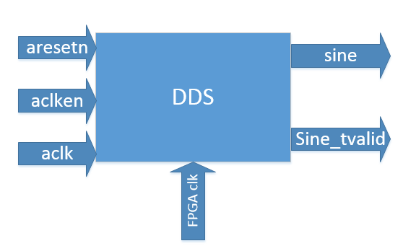
Inputs | Function | Outputs | Function
aclk | 100 MHz clock | m_axis_data_tvalid | data ready
aclken | enable signal | m_axis_data_tdata | data [15:0]
aresetn | reset signal

Datapath
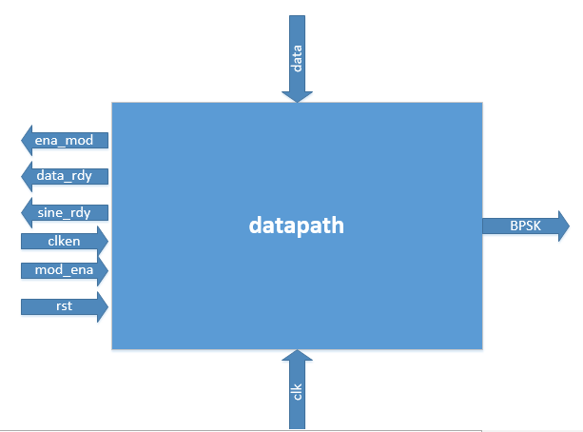
Inputs | Function | Outputs | Function
clk |  | sine_rdy
clken |  | data_rdy
rst |  | ena_mod
mod_ena |  | BPSK
data

