Sheet1
Activity | Screenshot | Description | Notes
Spring Force | 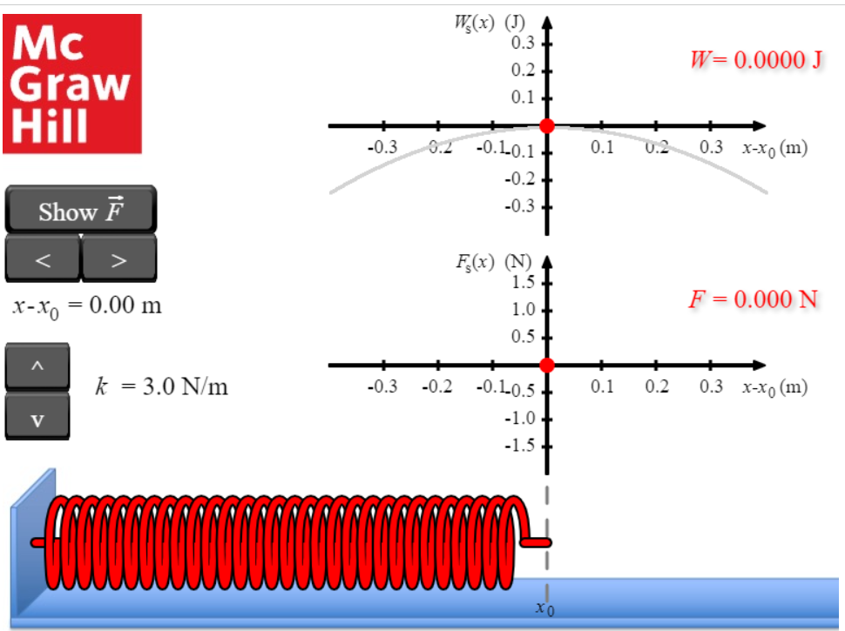 | Explore the work done by the spring force. The app calculates the spring force as a function of the work (Ws(x), top graph), as well as position and spring constant (Fs(x), button graph). | Typo/error: it should be bottom graph instead of button graph.
Density | 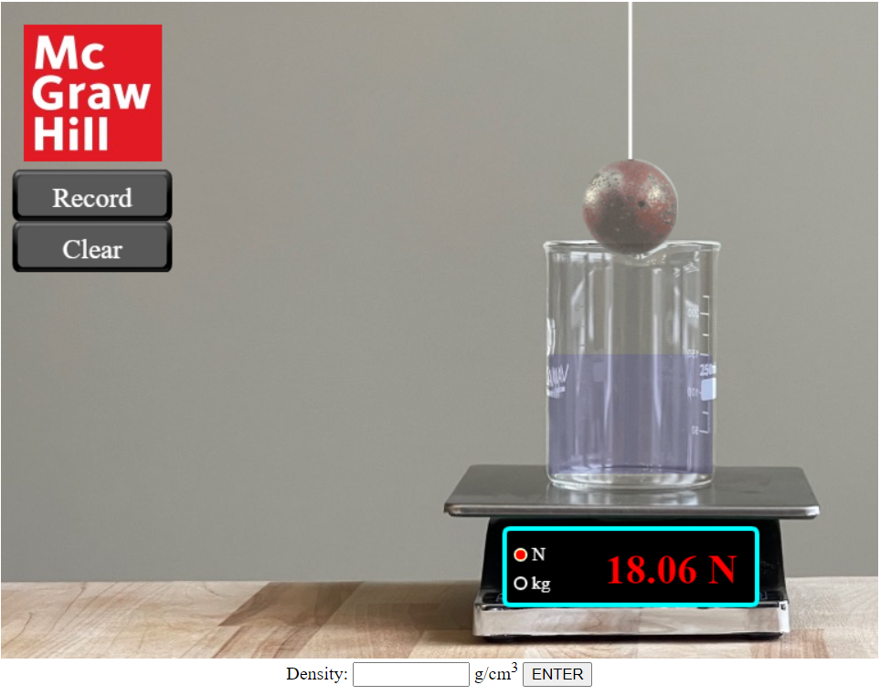 | Determine the density of this ball. The ball is hanging from a movable string above a container of an unknown quantity of water whose weight is measured by a scale. Raise and lower the ball and note how the value on the scale changes. Once you have enough information, enter the ball's density in g/cm3 into the textbox labeled "Density" and check your answer with the "ENTER" button. The app will count your answer as correct if it is within 5% of the correct value. {Use the "Description" button to access a description of the interactive at your current settings.} Hint: Water has a density of 1.00 g/cm3, and Archimedes figured out how to do this. | This is similar to the instructions and not a description.
Spring Length | 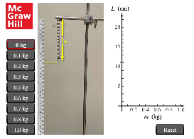 | A spring has a natural length L subscript 0. As a mass is suspended on the spring by selecting a value, the spring stretches. A graph on the right plots length of the spring, in centimeters, versus mass, in kilograms. A point appears on the graph when a mass is selected. The position of the point can be adjusted by moving the length of arrow L that represents the length of the stretched spring. The fit button draws the line of best fit through the points. The values of a, b, and r are displayed.
Free Fall | 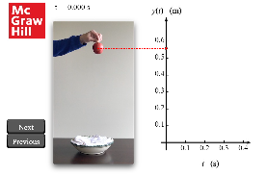 | An apple is dropped from a height. As the next button is clicked, the position of the apple is recorded on a graph on the right that plots y(t) in meters versus time in seconds. Two sliders help adjust the curve of best fit through the points. The value of g is displayed.
River Crossing |  |  | No interactive elements visible. Keys also don't show any changes.
Free-Body Diagram | 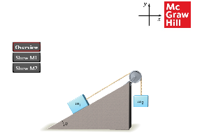 | In overview, a block of mass m subscript 1 is on an inclined plane of slope angle theta. It is connected to a suspended mass m subscript 2 by a rope passing over a pulley. The show m subscript 1 and show m subscript 2 buttons list 6 forces. Force vectors are drawn by selecting a force, clicking on the mass, and dragging the arrow in the desired direction. The option buttons provided are reset, delete, and check.
Satellite Orbit | 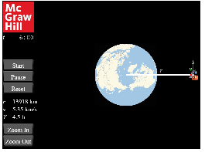 | A satellite orbits the earth. The distance r can be adjusted. The values of r, v, and T are displayed. The option buttons are start, pause, reset, zoom in, and zoom out.
Billiard Ball Collision | 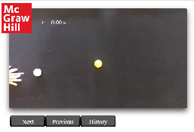 | A billiard ball on the left is hit toward a ball that is up and to the right. Clicking the next button shows the movement of the balls before and after collision. The show vector p button displays the momentum vectors, and the fit button displays the angle between the vectors. A slider below allows the angle to be changed.
Atwood Machine | 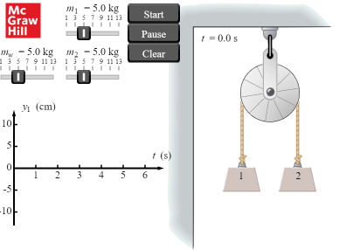 | Two masses m subscript 1 and m subscript 2 are connected by a rope that passes over a wheel with mass m subscript w. 3 sliders allow the mass of m subscript 1, m subscript 2, and m subscript w to be changed. A graph on the bottom left plots the position of m subscript 1 versus time.
Pendulum Oscillation | 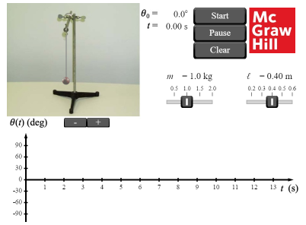 | A mass m is suspended from a string of length l. A slider allows the values of both to be changed. A graph below plots angle theta versus time. | No pendulum movement is visible.
Superposition of Waves | 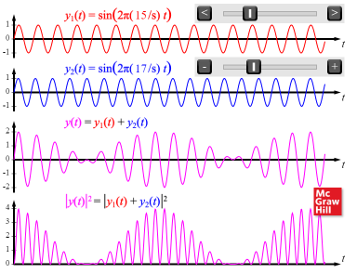 | 4 graphs. Graphs 1 and 2 are sinusoidal functions y subscript 1 and y subscript 2 with sliders that allow the frequencies to be changed independently. Graph 3 is a superposition of graphs 1 and 2, and graph 4 is the absolute square of the superposition.
Doppler Effect, Mach Cones | 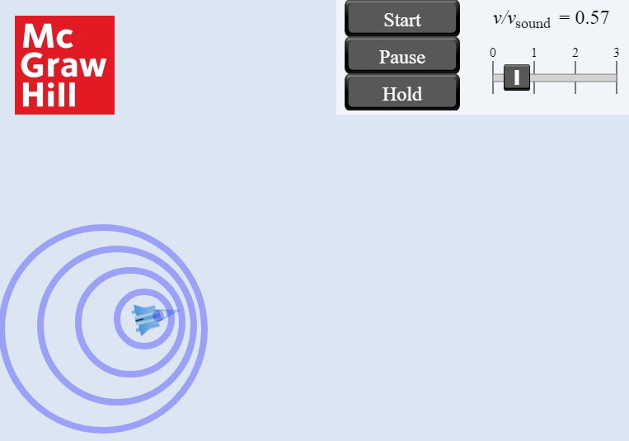 | Clicking on any point in the area and dragging the cursor in any direction displays a plane and an arrow representing its velocity vector. A slider at the top right indicates the Mach number. Circles representing sound waves emanate from the plane as it moves at the determined velocity.

