Sheet1
Senzor
ESP | https://l.findra.net/esp | TENSTAR ESP32-C3 SuperMini Plus Development Board WiFi Bluetooth ESP32 C3 Supermini V2.0 For Arduino XIAO | https://www.espboards.dev/esp32/esp32-c3-super-mini/#tools
senzor | https://l.findra.net/senzor | SHT31 SHT41 SHT45 Digital Temperature and Humidity Sensor Module I2C Environmental Detection
Battery charger | https://l.findra.net/batmodul | Nabíjací modul pre lítiové batérie TP4056 + ochranný obvod rôzne typy
Battery |  | Jednorázové vapes. Každá ma v sebe 550mah Baterku.
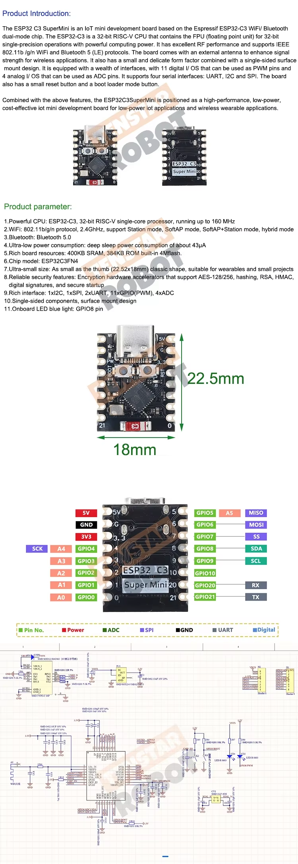

Control Node
Home Asistent + ESP Home | Open source, build in OTA, jednoduch intergracia s inymi devies | N8N - Automaticazie pohanane AI

