Sheet3
 |  |  | clk | 100000000
 |  |  | scl | 50000
 |  |  | PS | 399 | 018F

 |  | Reg | W_Val | R_Va
 |  | 0x00 | 0x8F | --
 |  | 0x01 | 0x01 | --
 |  | 0x02 | 0x80 | --
 |  | 0x03 | DATA_T | DATA_R
 |  | 0x04 | 12c_we | 7 | 6 | 5 | 4 | 3 | 2 | 1 | 0
 |  |  | Write | STA | STO | RD | WR | ACK | 0 | 0 | 0
 |  |  | Read | ACK? | Busy? | Arb_Lost? | 0 | 0 | 0 | Transfer? | Int?

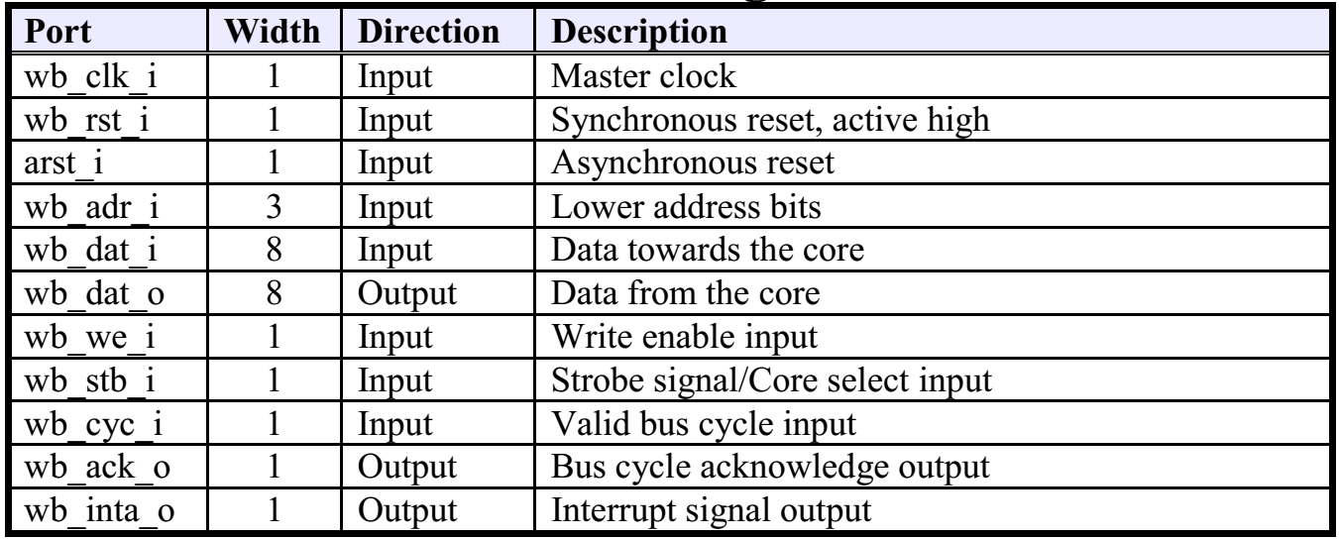
1 | W | 0x03 | 0x10 | <-- Address
2 | W | 0x04 | 0x90
3 | R | 0x04 | (1)?
4 | R | 0x04 | !(1)?
5 | R | 0x04 | !(7)? | ->ERR
6 | W | 0x03 | 0x4F | <- 'O'
7 | W | 0x04 | 0x10
8 | R | 0x04 | (1)?
9 | R | 0x04 | !(1)?
10 | R | 0x04 | !(7)? | ->ERR
11 | W | 0x03 | 0x6B | <- 'K'
12 | W | 0x04 | 0x10
13 | R | 0x04 | (1)?
14 | R | 0x04 | !(1)?
15 | R | 0x04 | !(7)? | ->ERR
16 | W | 0x03 | 0x0A | <- '\n'
17 | W | 0x04 | 0x50
18 | R | 0x04 | (1)?
19 | R | 0x04 | !(1)?
20 | R | 0x04 | !(7)? | ->ERR

