BLE
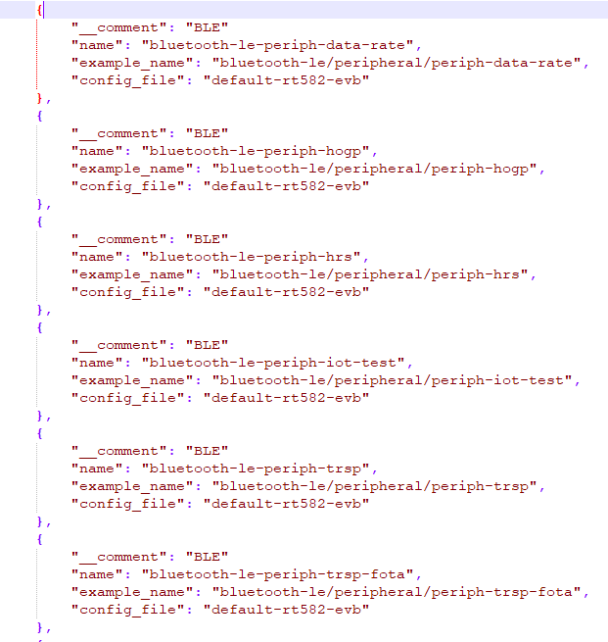
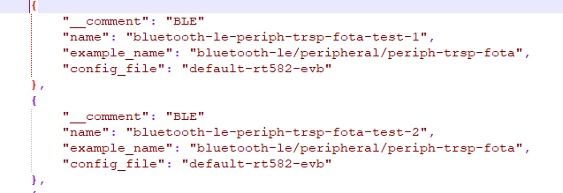
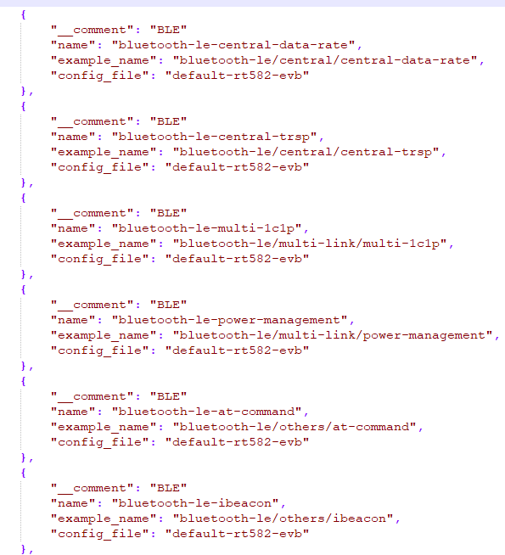
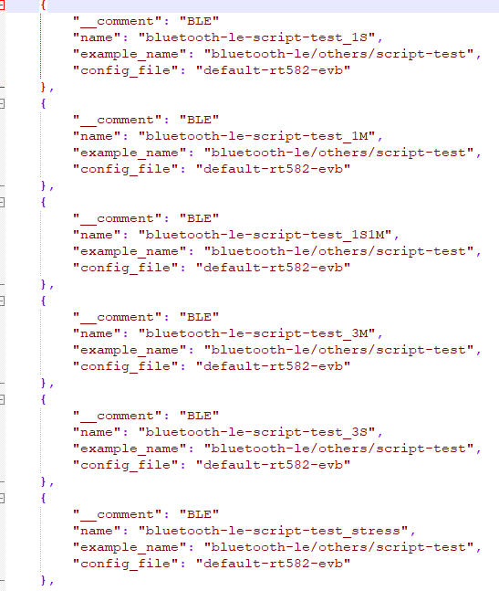
BLE Demo Test
Items |  | Result | Note
IOT測試(HOGP) | 〇
HOGP (display only / keyboard only) | 〇
HRS | 〇
OTA | 〇
TRSP_UART | 〇
Data Rate Peripheral / Central | 〇
TRSP Peripheral + Central | 〇
TRSP_UART_1C1P | 〇
iBeacon | 〇
AT Command Demo Application | 〇
Power Consumption | 〇
Multi_Protocol | 〇
AT_cmd_slave | 〇
AT_cmd_master | 〇
AT_cmd_1S_1M | 〇
AT_cmd_3M | 〇
AT_cmd_3S | 〇
Stress test | 〇

BLE Tool
Items |  | Result | Note
Android Rafael_Android_BLE_Demo APP | 〇
Security_Boot_Tool | 〇
ISP Tool | 〇
FOTA update Tool | 〇

BLE_Mesh
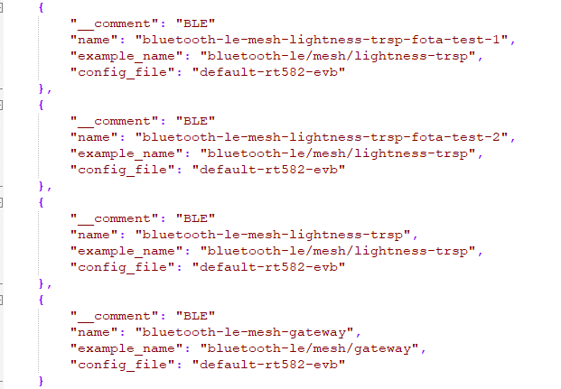
Smart Phone
Items |  | Result | Note
Mesh Add Node | 〇
Reset Node | 〇
Generic ON OFF Server | 〇
Generic Level Server | 〇
Vendor Model | 〇
Create Group | 〇
Scenes | 〇
Ungroup | 〇
Reset device | 〇
OTA | 〇
UART Transparent | 〇
Overnight | 〇

Gateway
Items |  | Result | Note
Mesh Add Node (Start provisionall) | 〇
compget | 〇
appkeyadd | 〇
modelappbind | 〇
onoff | 〇
modelappbind | 〇
level | 〇
modelappbind | 〇
UART Transparent | 〇
Reset Gateway or Device | 〇
Overnight | 〇

Zigbee
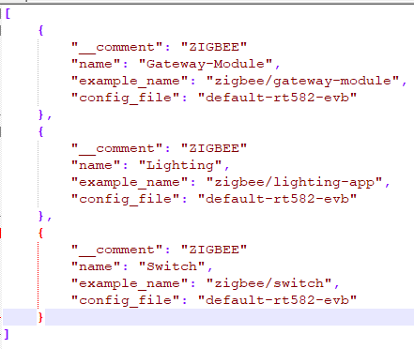
Zigbee
Items |  | Result | Note
s2e command | 〇
ep command | 〇
simple command | 〇
onoff command | 〇
Identify command | 〇
Level command | 〇
group command | 〇
ungroup command | 〇
bind command | 〇
unbind command | 〇
scene command by Light | 〇
pj command | 〇
edscan command | 〇
start command | 〇
Finding & binding process | 〇
Configure report command | 〇
Read/write attribute command | 〇
Light | 〇
switch | 〇
Reset Function | 〇
Wall switch | 〇
Setpoint Raise/Lower Command | 〇
Scene command by Thermostant | 〇
OTA | 〇
UART Transparent Demo | 〇
Sensor Device Test | 〇
overnight | 〇

Sub_G
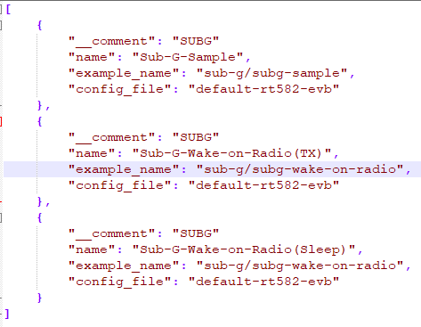
Sub-G
Items |  | Result | Note
Sub-G-Sample | 〇
Wake-on-radio | 〇

