Hoja1
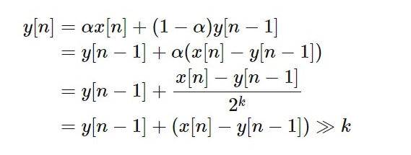

Batt | Charge | Charge% | Charge 2
4.25 | 25 | 100% | 25 | 25 | 25
4.2 | 24 | 95% | 24 | 24 | 24
4.15 | 23 | 90% | 23 | 23 | 23
4.1 | 22 | 86% | 21 | 21 | 21
4.05 | 21 | 81% | 20 | 20 | 20
-------------------Ejemplos de código para VCC -------------------------------------------
float charge_percent = (0.80 * (vcc.Read_Perc(BAT_MIN, BAT_MAX) * 25.0 / 100.0)) + (0.20 * (float)charge);
float charge_percent = 2e-1 * ((vcc.Read_Perc(BAT_MIN, BAT_MAX)) + (float)charge); // 2e-1 = 0.8 * 25 / 100
charge = (int)(charge_percent);
charge = (int)(vcc.Read_Perc(BAT_MIN, BAT_MAX) * 25.0 / 100.0);
charge = (int)(2e-1 * ((vcc.Read_Perc(BAT_MIN, BAT_MAX)) + (float)charge));
charge = (int)(2e-1 * (((vcc.Read_Volts()-BAT_MIN) * ALFA_BAT) + (float)charge));
charge = (int)(((vcc.Read_Volts()-BAT_MIN) * BETA_BAT));
float f_charge = (vcc.Read_Volts()-BAT_MIN) * BETA_BAT;
charge = (unsigned int)f_charge;
charge = constrain(charge, 0, 26);
4 | 19 | 76% | 19 | 19 | 19
3.95 | 18 | 71% | 18 | 18 | 18
3.9 | 17 | 67% | 17 | 17 | 16
3.85 | 16 | 62% | 15 | 15 | 15
3.8 | 15 | 57% | 14 | 14 | 14
3.75 | 13 | 52% | 13 | 13 | 13
3.7 | 12 | 48% | 12 | 12 | 11
3.65 | 11 | 43% | 11 | 11 | 10
3.6 | 10 | 38% | 10 | 10 | 9
3.55 | 9 | 33% | 8 | 8 | 7
3.5 | 7 | 29% | 7 | 7 | 6
3.45 | 6 | 24% | 6 | 6 | 5
3.4 | 5 | 19% | 5 | 5 | 4
3.35 | 4 | 14% | 4 | 4 | 3
3.3 | 3 | 10% | 2 | 2 | 1
3.25 | 1 | 5% | 1 | 1 | 0
3.2 | 0 | 0% | 0 | 0 | -1

