BOM
Item | Part Number | BOM Structure | Description | Item QTY | Category | Kits | Component Type | Raw Material | ConsumoUni | Base Unit | Length | Width | Thumbnail
1 | PICUALT9_IS01A | Normal | PICUALT9 IS01A | 1 | POD |  | Assembly |  |  | Each |  |  | 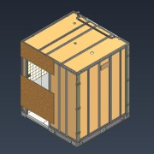
1.1 | PICUALT9_PVB01K | Normal | PICUALT9 PAV BETAO 01K | 1 | PAVIMENTO |  | Assembly | 10214176 | 0 | Each |  |  | 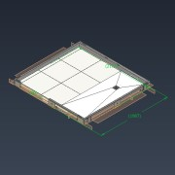
1.1.6 | PICUALT9_BETAO_01K | Purchased | PICUALT9 Base de Betão 60mm 01K - C30/37 S3 | 1 | MATPRIMA-ESTR.PAV | N/A | Part | 10307383 | 1 | Each | 2026 | 1881 | 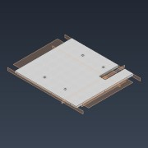
1.1.14 | PICUALT9_C01K | Purchased | Chapa C01K - 129x150x40 mm | 1 | KIT-PAVIMENTO | KPAV | Part | N/A | 1 | Each | 129 | 40 | 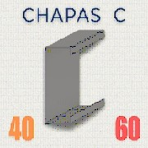
1.1.10 | PICUALT9_C02K | Purchased | Chapa C02K - 1981x150x40 mm | 1 | KIT-PAVIMENTO | KPAV | Part | N/A | 1 | Each | 1981 | 40
1.1.11 | PICUALT9_C03K | Purchased | Chapa C03K - 2026x150x60 mm | 1 | KIT-PAVIMENTO | KPAV | Part | N/A | 1 | Each | 2026 | 60
1.1.12 | PICUALT9_C04K | Purchased | Chapa C04K - 1981x150x40 mm | 1 | KIT-PAVIMENTO | KPAV | Part | N/A | 1 | Each | 1981 | 40
1.1.13 | PICUALT9_C05K | Purchased | Chapa C05K - 1029x150x40 mm | 1 | KIT-PAVIMENTO | KPAV | Part | N/A | 1 | Each | 1029 | 40
1.1.7 | RSZ4819 | Purchased | Parafuso Aut. Rosc. Cruz 19x4,8mm | 94 | MATPRIMA-ESTR.PAV | N/A | Part | 10276917 | 1 | Each | 19 | 4.8 | 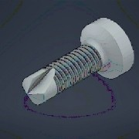
1.1.8 | RD12190 | Purchased | RD 12x190mm | 12 |  |  | Part |  | 1 | Each | 190 | 12 | 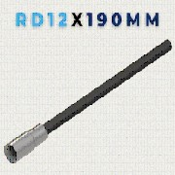
1.1.9 | PHILIPP_81-025-055FL | Purchased | PHILIPP Ancora Lisa Cabeça Redonda 25x55 mm | 4 |  |  | Part |  | 1 | Each | 55 | 25 | 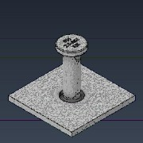
1.1.15 | DIN 9021 - M12 | Purchased | Anilha M12 | 13 | MATPRIMA-ESTR.PAV | N/A | Part | 10084666 | 1 | Each |  | 12 | 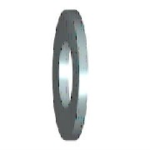
1.1.16 | DIN 933-M12x25 | Purchased | Parafuso de cabeça sextavada M12 x 25 mm | 13 | MATPRIMA-ESTR.PAV | N/A | Part | 10282506 | 1 | Each | 25 | 12 | 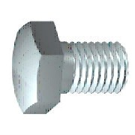
1.1.17 | CN-M8-40-40-3 | Purchased | Chapa de Nivelação M8 - 40 x 40 x 3 mm | 8 | MATPRIMA-ESTR.PAV | N/A | Part | 10301997 | 1 | Each | 40 | 40 | 
1.1.18 | DIN 933-M8x40 | Purchased | Parafuso de cabeça sextavada M8 x 40 mm | 8 | MATPRIMA-ESTR.PAV | N/A | Part | 10104214 | 1 | Each | 40 | 8
1.1.19 | CCE-A-150-3 | Purchased | Chapa de Canto Exterior Lado A - 150x200x3mm | 2 | KIT-PAVIMENTO | KPAV | Part | 10296612 | 1 | Each | 200 | 150 | 
1.1.20 | CR-150-3 | Purchased | Chapa de Refroço - 150 x 200 x 3 mm | 5 | KIT-PAVIMENTO | KPAV | Part | 10297175 | 1 | Each | 200 | 150 | 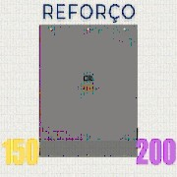
1.1.21 | CCE-B-150-3 | Purchased | Chapa de Canto Exterior - Lado B - 150 x 200 x 3 mm | 1 | KIT-PAVIMENTO | KPAV | Part | 10296613 | 1 | Each | 200 | 150 | 
1.1.22 | PICUALT9_CCE-B-150-3 | Purchased | Chapa de Canto Exterior - Lado B - 150 x 200 x 3 mm | 1 | KIT-PAVIMENTO | KPAV | Part | 10296613 | 1 | Each | 200 | 150
1.1.23 | BASE_DUCHE_KAZA_PIETRA_D1800-C700 | Purchased | Base Duche Kaza Pietra 700x1800x30 mm | 1 | MATPRIMA-PAV-BASE | N/A | Part | 10303531 | 1 | Each | 1800 | 700 | 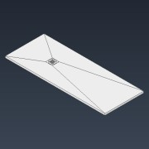
1.1.24 | RFSG-6C-598-598-8,5 | Normal | Recer Freestone Grey - 6C - 598 x 598 x 8,5 mm | 6 | KITCER | KCER | Part | 10303260 | 0.358 | m^2 | 598 | 598 | 
1.1.25 | RFSG-6C-80-598-8,5 | Normal | Recer Freestone Grey - 6C - 80 x 598 x 8,5 mm | 3 | KITCER | KCER | Part | 10303260 | 0.048 | m^2 | 80 | 598
1.1.26 | SIFAO_WIRQUIN_SLIM+PLATEAU_30723370 | Purchased | Sifão de Duche Wirquin Slim+ Plateau ref. 30723370 | 1 | MATPRIMA-PAV-BASE |  | Part | 10299928 | 1 | Each | 0 | 0 | 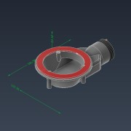
1.1.27 | WD-644-200-11,5 | Normal | Wedi - 644 x 200 x 11,5 mm | 1 | KITPLACAS | KPL | Part | 10200475 | 0,129 m^2 | m^2 | 644 | 200 | 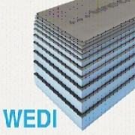
1.1.28 | WD-200-80-11,5 | Normal | Wedi - 200 x 80 x 11,5 mm | 1 | KITPLACAS | KPL | Part | 10200475 | 0,016 m^2 | m^2 | 200 | 80
1.1.2 | T-Rex Power | Purchased | Selante adesivo T-Rex Power | 1 | MATPRIMA-ESTR.PAV |  | Virtual | 10203874 | 361.5 | ml |  |  | (NULL)
1.1.1 | Mapegum WPS | Purchased | Tela Impermeabilizante Mapegum WPS | 1 | MATPRIMA-ESTR.PAV |  | Virtual | 10214176 | 5.036 | kg |  |  | (NULL)
1.1.3 | Keraflex XX | Purchased | Adesivo cimentício Mapei Keraflex XX | 1 | MATPRIMA-CER.PAV |  | Virtual | 10219077 | 25.179 | kg |  |  | (NULL)
1.1.4 | Cunhas | Purchased | Cunhas | 1 | MATPRIMA-CER.PAV |  | Virtual | 10217843 | 80 | Each |  |  | (NULL)
1.1.5 | Ultracolor plus 103 | Purchased | Betume Mapei Ultracolor plus 103 | 1 | MATPRIMA-CER.PAV |  | Virtual | 10164296 | 0.127 | kg |  |  | (NULL)
1.2 | PICUALT9_PG01K | Normal | PICUALT9 PAR GERAL 01K | 1 | PAREDE-GESSO-CER |  | Assembly |  | 1 | Each |  |  | 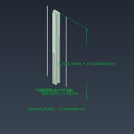
1.2.1 | Betume Ultracolor Plus 103 | Purchased | Betume Ultracolor Plus 103 | 1 | MATPRIMA-CER.LINH |  | Virtual | 10164296 | 0.058 | kg |  |  | (NULL)
1.2.2 | Ultrabond PU 2K | Purchased | Adesivo Mapei Ultrabond PU 2K | 1 | MATPRIMA-CER.LINH |  | Virtual | 10228770 | 3.378 | kg |  |  | (NULL)
1.2.3 | CRUZETAS | Purchased | CRUZETAS | 1 | MATPRIMA-COL.LINH |  | Virtual | 10012091 | 112 | Each |  |  | (NULL)
1.2.4 | Parafuso Fosfatado | Purchased | Parafuso Fosfatado SEMIN VIS 3,5 x 35 mm | 1 | MATPRIMA-ESTR.LINH |  | Virtual | 10281673 | 17 | Each |  |  | (NULL)
1.2.5 | M-46-0,9-1972 | Normal | Montante - 46 x 0,9 x 1972 mm | 2 | KITPERFIS | KEM | Part | 10208683 | 1.972 | m | 1972.2 | 46 | *Varies*
1.2.6 | R-48-0,9-172 | Normal | Raia - 48 x 0,9 x 172 mm | 2 | KITPERFIS | KEM | Part | 10208684 | 0.172 | m | 172 | 48 | *Varies*
1.2.7 | GGS-2040-168-12,5 | Normal | Gyptec Gesso Standard - 2040,50 x 168 x 12,5 mm | 1 | KITPLACAS | KPL | Part | 10086595 | 0.343 | m^2 | 2040.5 | 168 | 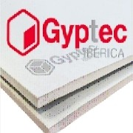
1.2.8 | GGH-2040-168-12,5 | Normal | Gyptec Gesso Hidrofugo - 2040,50 x 168 x 12,5 mm | 1 | KITPLACAS | KPL | Part | 10274089 | 0.343 | m^2 | 2040.5 | 168 | 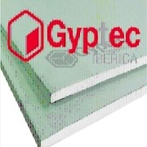
1.2.9 | RFSG-6C-98-298-8,5 | Normal | Recer Freestone Grey - 6C - 98 x 298 x 8,5 mm | 1 | KITCER | KCER | Part | 10303260 | 0.029 | m^2 | 98 | 298
1.2.10 | RFSG-6C-98-598-8,5 | Normal | Recer Freestone Grey - 6C - 98 x 598 x 8,5 mm | 1 | KITCER | KCER | Part | 10303261 | 0.059 | m^2 | 98 | 598
1.2.11 | RTSC-CAL-98-298-6,0 | Normal | Recer Twist Soft Cream - CAL - 98 x 298 x 6,0 mm | 3 | KITCER | KCER | Part | 10250822 | 0.029 | m^2 | 98 | 298 | 
1.2.12 | RTSC-CAL-98-198-6,0 | Normal | Recer Twist Soft Cream - CAL - 98 x 198 x 6,0 mm | 1 | KITCER | KCER | Part | 10250822 | 0.019 | m^2 | 98 | 198
1.3 | PICUALT9_PG02K | Normal | PICUALT9 PAR GERAL 02K | 1 | PAREDE-GESSO-CER-FUR |  | Assembly |  | 1 | Each |  |  | 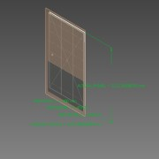
1.3.1 | Ultrabond PU 2K | Purchased | Adesivo Mapei Ultrabond PU 2K | 1 | MATPRIMA-CER.LINH |  | Virtual | 10228770 | 3.378 | kg |  |  | (NULL)
1.3.2 | CRUZETAS | Purchased | CRUZETAS | 1 | MATPRIMA-COL.LINH |  | Virtual | 10012091 | 112 | Each |  |  | (NULL)
1.3.3 | Parafuso Fosfatado | Purchased | Parafuso Fosfatado SEMIN VIS 3,5 x 35 mm | 1 | MATPRIMA-ESTR.LINH |  | Virtual | 10281673 | 45 | Each |  |  | (NULL)
1.3.4 | M-46-0,9-2222 | Normal | Montante - 46 x 0,9 x 2222 mm | 4 | KITPERFIS | KEM | Part | 10208683 | 2.222 | m | 2222.2 | 46 | *Varies*
1.3.5 | KEM16005 | Normal | Raia - 48 x 0,9 x 1208 mm | 1 | KITPERFIS | KEM | Part | 10208684 | 1.208 | m | 1207.5 | 48 | 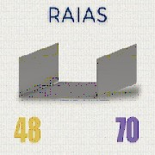
1.3.6 | R-48-0,9-1208 | Normal | Raia - 48 x 0,9 x 1208 mm | 1 | KITPERFIS | KEM | Part | 10208684 | 1.208 | m | 1207.5 | 48
1.3.7 | GGS-2290-1200-12,5 | Normal | Gyptec Gesso Standard - 2290,50 x 1200 x 12,5 mm | 1 | KITPLACAS | KPL | Part | 10086595 | 2.749 | m^2 | 2290.5 | 1200
1.3.8 | GGH-2290-1200-12,5 | Normal | Gyptec Gesso Hidrofugo - 2290,50 x 1200 x 12,5 mm | 1 | KITPLACAS | KPL | Part | 10274089 | 2.749 | m^2 | 2290.5 | 1200
1.3.9 | RFSG-6C-598-298-8,5 | Normal | Recer Freestone Grey - 6C - 598 x 298 x 8,5 mm | 2 | KITCER | KCER | Part | 10303260 | 0.178 | m^2 | 598 | 298
1.3.10 | RFSG-6C-598-598-8,5 | Normal | Recer Freestone Grey - 6C - 598 x 598 x 8,5 mm | 2 | KITCER | KCER | Part | 10303261 | 0.358 | m^2 | 598 | 598
1.3.11 | RTSC-CAL-298-298-6,0 | Normal | Recer Twist Soft Cream - CAL - 298 x 298 x 6,0 mm | 16 | KITCER | KCER | Part | 10250822 | 0.089 | m^2 | 298 | 298
1.3.12 | RTSC-CAL-298-198-6,0 | Normal | Recer Twist Soft Cream - CAL - 298 x 198 x 6,0 mm | 4 | KITCER | KCER | Part | 10250822 | 0.059 | m^2 | 298 | 198
1.3.13 | Betume Ultracolor Plus 103 | Purchased | Betume Ultracolor Plus 103 | 1 | MATPRIMA-CER.LINH |  | Virtual | 10164296 | 0.818 | kg |  |  | (NULL)
1.4 | PICUALT9_PG03K | Normal | PICUALT9 PAR GERAL 03K | 1 | PAREDE-GESSO-CER-FUR |  | Assembly |  | 1 | Each |  |  | 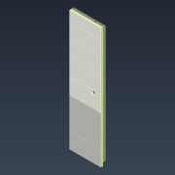
1.4.1 | Betume Ultracolor Plus 103 | Purchased | Betume Ultracolor Plus 103 | 1 | MATPRIMA-CER.LINH |  | Virtual | 10164296 | 0.41 | kg |  |  | (NULL)
1.4.2 | Ultrabond PU 2K | Purchased | Adesivo Mapei Ultrabond PU 2K | 1 | MATPRIMA-CER.LINH |  | Virtual | 10228770 | 3.378 | kg |  |  | (NULL)
1.4.3 | CRUZETAS | Purchased | CRUZETAS | 1 | MATPRIMA-COL.LINH |  | Virtual | 10012091 | 112 | Each |  |  | (NULL)
1.4.4 | Parafuso Fosfatado | Purchased | Parafuso Fosfatado SEMIN VIS 3,5 x 35 mm | 1 | MATPRIMA-ESTR.LINH |  | Virtual | 10281673 | 40 | Each |  |  | (NULL)
1.4.5 | M-46-0,9-2222 | Normal | Montante - 46 x 0,9 x 2222 mm | 3 | KITPERFIS | KEM | Part | 10208683 | 2.222 | m | 2222.2 | 46 | *Varies*
1.4.6 | KEM16032 | Normal | Raia - 48 x 0,9 x 608 mm | 1 | KITPERFIS | KEM | Part | 10208684 | 0.608 | m | 607.5 | 48
1.4.7 | R-48-0,9-608 | Normal | Raia - 48 x 0,9 x 608 mm | 1 | KITPERFIS | KEM | Part | 10208684 | 0.608 | m | 607.5 | 48
1.4.8 | GGP-2290-600-12,5 | Normal | Gyptec Gesso Protect - 2290,50 x 600 x 12,5 mm | 2 | KITPLACAS | KPL | Part | 10261905 | 1.374 | m^2 | 2290,50 | 600,00 | 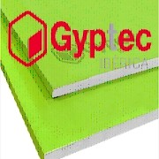
1.4.9 | RFSG-6C-598-298-8,5 | Normal | Recer Freestone Grey - 6C - 598 x 298 x 8,5 mm | 1 | KITCER | KCER | Part | 10303260 | 0.178 | m^2 | 598 | 298
1.4.10 | RFSG-6C-598-598-8,5 | Normal | Recer Freestone Grey - 6C - 598 x 598 x 8,5 mm | 1 | KITCER | KCER | Part | 10303261 | 0.358 | m^2 | 598 | 598
1.4.11 | RTSC-CAL-298-298-6,0 | Normal | Recer Twist Soft Cream - CAL - 298 x 298 x 6,0 mm | 8 | KITCER | KCER | Part | 10250822 | 0.089 | m^2 | 298 | 298
1.4.12 | RTSC-CAL-298-198-6,0 | Normal | Recer Twist Soft Cream - CAL - 298 x 198 x 6,0 mm | 2 | KITCER | KCER | Part | 10250822 | 0.059 | m^2 | 298 | 198
1.5 | PICUALT9_PLS01K | Normal | PICUALT9 PAR LAV SANITA 01K | 1 | PAREDE-GESSO-CER-FUR |  | Assembly |  | 1 | Each |  |  | 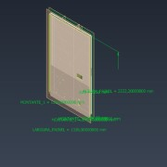
1.5.1 | Betume Ultracolor Plus 103 | Purchased | Betume Ultracolor Plus 103 | 1 | MATPRIMA-CER.LINH |  | Virtual | 10164296 | 0.863 | kg |  |  | (NULL)
1.5.2 | Ultrabond PU 2K | Purchased | Adesivo Mapei Ultrabond PU 2K | 1 | MATPRIMA-CER.LINH |  | Virtual | 10228770 | 3.378 | kg |  |  | (NULL)
1.5.3 | CRUZETAS | Purchased | CRUZETAS | 1 | MATPRIMA-COL.LINH |  | Virtual | 10012091 | 112 | Each |  |  | (NULL)
1.5.4 | Parafuso Fosfatado | Purchased | Parafuso Fosfatado SEMIN VIS 3,5 x 35 mm | 1 | MATPRIMA-ESTR.LINH |  | Virtual | 10281673 | 46 | Each |  |  | (NULL)
1.5.5 | KEM16069 | Normal | Raia - 72 x 0,9 x 1338 mm | 1 | KITPERFIS | KEM | Part | 10260849 | 1.338 | m | 1338 | 72
1.5.6 | R-72-0,9-1338 | Normal | Raia - 72 x 0,9 x 1338 mm | 1 | KITPERFIS | KEM | Part | 10260849 | 1.338 | m | 1338 | 72
1.5.7 | M-70-0,9-2222 | Normal | Montante - 70 x 0,9 x 2222 mm | 5 | KITPERFIS | KEM | Part | 10260850 | 2.222 | m | 2222.2 | 70 | *Varies*
1.5.8 | GGP-2290-1200-12,5 | Normal | Gyptec Gesso Protect - 2290,50 x 1200 x 12,5 mm | 1 | KITPLACAS | KPL | Part | 10261905 | 2.749 | m^2 | 2290,50 | 1200,00
1.5.9 | GGP-2290-134-12,5 | Normal | Gyptec Gesso Protect - 2290,50 x 134 x 12,5 mm | 1 | KITPLACAS | KPL | Part | 10261905 | 0.307 | m^2 | 2290,50 | 134,00
1.5.10 | GGP-2290-744-12,5 | Normal | Gyptec Gesso Protect - 2290,50 x 744 x 12,5 mm | 1 | KITPLACAS | KPL | Part | 10261905 | 1.704 | m^2 | 2290,50 | 744,00
1.5.11 | GGP-2290-590-12,5 | Normal | Gyptec Gesso Protect - 2290,50 x 590 x 12,5 mm | 1 | KITPLACAS | KPL | Part | 10261905 | 1.351 | m^2 | 2290,50 | 590,00
1.5.12 | RFSG-6C-598-298-8,5 | Normal | Recer Freestone Grey - 6C - 598 x 298 x 8,5 mm | 2 | KITCER | KCER | Part | 10303260 | 0.178 | m^2 | 598 | 298
1.5.13 | RFSG-6C-598-598-8,5 | Normal | Recer Freestone Grey - 6C - 598 x 598 x 8,5 mm | 2 | KITCER | KCER | Part | 10303261 | 0.358 | m^2 | 598 | 598
1.5.14 | RTSC-CAL-298-298-6,0 | Normal | Recer Twist Soft Cream - CAL - 298 x 298 x 6,0 mm | 16 | KITCER | KCER | Part | 10250822 | 0.089 | m^2 | 298 | 298
1.5.15 | RTSC-CAL-298-198-6,0 | Normal | Recer Twist Soft Cream - CAL - 298 x 198 x 6,0 mm | 4 | KITCER | KCER | Part | 10250822 | 0.059 | m^2 | 298 | 198
1.5.16 | RFSG-6C-64-298-8,5 | Normal | Recer Freestone Grey - 6C - 64 x 298 x 8,5 mm | 1 | KITCER | KCER | Part | 10303260 | 0.019 | m^2 | 64 | 298
1.5.17 | RFSG-6C-64-598-8,5 | Normal | Recer Freestone Grey - 6C - 64 x 598 x 8,5 mm | 1 | KITCER | KCER | Part | 10303261 | 0.038 | m^2 | 64 | 598
1.5.18 | RTSC-CAL-64-298-6,0 | Normal | Recer Twist Soft Cream - CAL - 64 x 298 x 6,0 mm | 4 | KITCER | KCER | Part | 10250822 | 0.019 | m^2 | 64 | 298
1.5.19 | RTSC-CAL-64-198-6,0 | Normal | Recer Twist Soft Cream - CAL - 64 x 198 x 6,0 mm | 1 | KITCER | KCER | Part | 10250822 | 0.013 | m^2 | 64 | 198
1.6 | PICUALT9_PCK01K | Normal | PICUALT9 PAR CHUV KIT 01K | 1 | PAREDE-GESSO-CER-FUR |  | Assembly |  | 1 | Each |  |  | 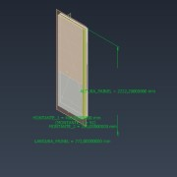
1.6.1 | Betume Ultracolor Plus 103 | Purchased | Betume Ultracolor Plus 103 | 1 | MATPRIMA-CER.LINH |  | Virtual | 10164296 | 0.472 | kg |  |  | (NULL)
1.6.2 | Ultrabond PU 2K | Purchased | Adesivo Mapei Ultrabond PU 2K | 1 | MATPRIMA-CER.LINH |  | Virtual | 10228770 | 3.378 | kg |  |  | (NULL)
1.6.3 | CRUZETAS | Purchased | CRUZETAS | 1 | MATPRIMA-COL.LINH |  | Virtual | 10012091 | 112 | Each |  |  | (NULL)
1.6.4 | Parafuso Fosfatado | Purchased | Parafuso Fosfatado SEMIN VIS 3,5 x 35 mm | 1 | MATPRIMA-ESTR.LINH |  | Virtual | 10281673 | 33 | Each |  |  | (NULL)
1.6.5 | KEM16196 | Normal | Raia - 72 x 0,9 x 772 mm | 1 | KITPERFIS | KEM | Part | 10260849 | 0.772 | m | 772 | 72
1.6.6 | R-72-0,9-772 | Normal | Raia - 72 x 0,9 x 772 mm | 1 | KITPERFIS | KEM | Part | 10260849 | 0.772 | m | 772 | 72
1.6.7 | M-70-0,9-2222 | Normal | Montante - 70 x 0,9 x 2222 mm | 3 | KITPERFIS | KEM | Part | 10260850 | 2.222 | m | 2222.2 | 70 | *Varies*
1.6.8 | GGP-2269-768-12,5 | Normal | Gyptec Gesso Protect - 2269 x 768 x 12,5 mm | 2 | KITPLACAS | KPL | Part | 10261905 | 1.743 | m^2 | 2269,00 | 768,00
1.6.9 | RFSG-6C-598-277-8,5 | Normal | Recer Freestone Grey - 6C - 598 x 277 x 8,5 mm | 1 | KITCER | KCER | Part | 10303260 | 0.166 | m^2 | 598 | 277
1.6.10 | RFSG-6C-598-598-8,5 | Normal | Recer Freestone Grey - 6C - 598 x 598 x 8,5 mm | 1 | KITCER | KCER | Part | 10303261 | 0.358 | m^2 | 598 | 598
1.6.11 | RTSC-CAL-298-298-6,0 | Normal | Recer Twist Soft Cream - CAL - 298 x 298 x 6,0 mm | 8 | KITCER | KCER | Part | 10250822 | 0.089 | m^2 | 298 | 298
1.6.12 | RTSC-CAL-298-198-6,0 | Normal | Recer Twist Soft Cream - CAL - 298 x 198 x 6,0 mm | 2 | KITCER | KCER | Part | 10250822 | 0.059 | m^2 | 298 | 198
1.6.13 | RFSG-6C-98-277-8,5 | Normal | Recer Freestone Grey - 6C - 98 x 277 x 8,5 mm | 1 | KITCER | KCER | Part | 10303260 | 0.027 | m^2 | 98 | 277
1.6.14 | RFSG-6C-98-598-8,5 | Normal | Recer Freestone Grey - 6C - 98 x 598 x 8,5 mm | 1 | KITCER | KCER | Part | 10303261 | 0.059 | m^2 | 98 | 598
1.6.15 | RTSC-CAL-98-298-6,0 | Normal | Recer Twist Soft Cream - CAL - 98 x 298 x 6,0 mm | 4 | KITCER | KCER | Part | 10250822 | 0.029 | m^2 | 98 | 298
1.6.16 | RTSC-CAL-98-198-6,0 | Normal | Recer Twist Soft Cream - CAL - 98 x 198 x 6,0 mm | 1 | KITCER | KCER | Part | 10250822 | 0.019 | m^2 | 98 | 198
1.7 | PICUALT9_PCL01K | Normal | PICUALT9 PAR CHUV LAT 01K | 1 | PAREDE-GESSO-CER |  | Assembly |  | 1 | Each |  |  | 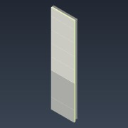
1.7.1 | Betume Ultracolor Plus 103 | Purchased | Betume Ultracolor Plus 103 | 1 | MATPRIMA-CER.LINH |  | Virtual | 10164296 | 0.406 | kg |  |  | (NULL)
1.7.2 | Ultrabond PU 2K | Purchased | Adesivo Mapei Ultrabond PU 2K | 1 | MATPRIMA-CER.LINH |  | Virtual | 10228770 | 3.378 | kg |  |  | (NULL)
1.7.3 | CRUZETAS | Purchased | CRUZETAS | 1 | MATPRIMA-COL.LINH |  | Virtual | 10012091 | 112 | Each |  |  | (NULL)
1.7.4 | Parafuso Fosfatado | Purchased | Parafuso Fosfatado SEMIN VIS 3,5 x 35 mm | 1 | MATPRIMA-ESTR.LINH |  | Virtual | 10281673 | 32 | Each |  |  | (NULL)
1.7.5 | M-46-0,9-2222 | Normal | Montante - 46 x 0,9 x 2222 mm | 3 | KITPERFIS | KEM | Part | 10208683 | 2.222 | m | 2222.2 | 46 | *Varies*
1.7.6 | R-48-0,9-608 | Normal | Raia - 48 x 0,9 x 608 mm | 2 | KITPERFIS | KEM | Part | 10208684 | 0.608 | m | 607.5 | 48 | *Varies*
1.7.7 | GGS-2269-600-12,5 | Normal | Gyptec Gesso Standard - 2269 x 600 x 12,5 mm | 1 | KITPLACAS | KPL | Part | 10086595 | 1.361 | m^2 | 2269 | 600
1.7.8 | GGP-2269-600-12,5 | Normal | Gyptec Gesso Protect - 2269 x 600 x 12,5 mm | 1 | KITPLACAS | KPL | Part | 10261905 | 1.361 | m^2 | 2269,00 | 600,00
1.7.9 | RFSG-6C-598-277-8,5 | Normal | Recer Freestone Grey - 6C - 598 x 277 x 8,5 mm | 1 | KITCER | KCER | Part | 10303260 | 0.166 | m^2 | 598 | 277
1.7.10 | RFSG-6C-598-598-8,5 | Normal | Recer Freestone Grey - 6C - 598 x 598 x 8,5 mm | 1 | KITCER | KCER | Part | 10303261 | 0.358 | m^2 | 598 | 598
1.7.11 | RTSC-CAL-298-298-6,0 | Normal | Recer Twist Soft Cream - CAL - 298 x 298 x 6,0 mm | 8 | KITCER | KCER | Part | 10250822 | 0.089 | m^2 | 298 | 298
1.7.12 | RTSC-CAL-298-198-6,0 | Normal | Recer Twist Soft Cream - CAL - 298 x 198 x 6,0 mm | 2 | KITCER | KCER | Part | 10250822 | 0.059 | m^2 | 298 | 198
1.8 | PICUALT9_PCL02K | Normal | PICUALT9 PAR CHUV LAT 02K | 1 | PAREDE-GESSO-CER |  | Assembly |  | 1 | Each |  |  | 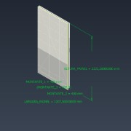
1.8.1 | Betume Ultracolor Plus 103 | Purchased | Betume Ultracolor Plus 103 | 1 | MATPRIMA-CER.LINH |  | Virtual | 10164296 | 0.811 | kg |  |  | (NULL)
1.8.2 | Ultrabond PU 2K | Purchased | Adesivo Mapei Ultrabond PU 2K | 1 | MATPRIMA-CER.LINH |  | Virtual | 10228770 | 3.378 | kg |  |  | (NULL)
1.8.3 | CRUZETAS | Purchased | CRUZETAS | 1 | MATPRIMA-COL.LINH |  | Virtual | 10012091 | 112 | Each |  |  | (NULL)
1.8.4 | Parafuso Fosfatado | Purchased | Parafuso Fosfatado SEMIN VIS 3,5 x 35 mm | 1 | MATPRIMA-ESTR.LINH |  | Virtual | 10281673 | 45 | Each |  |  | (NULL)
1.8.5 | M-46-0,9-2222 | Normal | Montante - 46 x 0,9 x 2222 mm | 4 | KITPERFIS | KEM | Part | 10208683 | 2.222 | m | 2222.2 | 46 | *Varies*
1.8.6 | R-48-0,9-1208 | Normal | Raia - 48 x 0,9 x 1208 mm | 2 | KITPERFIS | KEM | Part | 10208684 | 1.208 | m | 1207.5 | 48 | *Varies*
1.8.7 | GGS-2269-1200-12,5 | Normal | Gyptec Gesso Standard - 2269 x 1200 x 12,5 mm | 1 | KITPLACAS | KPL | Part | 10086595 | 2.723 | m^2 | 2269 | 1200
1.8.8 | GGP-2269-1200-12,5 | Normal | Gyptec Gesso Protect - 2269 x 1200 x 12,5 mm | 1 | KITPLACAS | KPL | Part | 10261905 | 2.723 | m^2 | 2269,00 | 1200,00
1.8.9 | RFSG-6C-598-277-8,5 | Normal | Recer Freestone Grey - 6C - 598 x 277 x 8,5 mm | 2 | KITCER | KCER | Part | 10303260 | 0.166 | m^2 | 598 | 277
1.8.10 | RFSG-6C-598-598-8,5 | Normal | Recer Freestone Grey - 6C - 598 x 598 x 8,5 mm | 2 | KITCER | KCER | Part | 10303261 | 0.358 | m^2 | 598 | 598
1.8.11 | RTSC-CAL-298-298-6,0 | Normal | Recer Twist Soft Cream - CAL - 298 x 298 x 6,0 mm | 16 | KITCER | KCER | Part | 10250822 | 0.089 | m^2 | 298 | 298
1.8.12 | RTSC-CAL-298-198-6,0 | Normal | Recer Twist Soft Cream - CAL - 298 x 198 x 6,0 mm | 4 | KITCER | KCER | Part | 10250822 | 0.059 | m^2 | 298 | 198
1.9 | PICUALT9_PCT01K | Normal | PICUALT9 PAR CHUV TOP 01K | 1 | PAREDE-GESSO-CER |  | Assembly |  | 1 | Each |  |  | 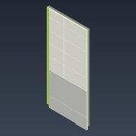
1.9.1 | Betume Ultracolor Plus 103 | Purchased | Betume Ultracolor Plus 103 | 1 | MATPRIMA-CER.LINH |  | Virtual | 10164296 | 0.677 | kg |  |  | (NULL)
1.9.2 | Ultrabond PU 2K | Purchased | Adesivo Mapei Ultrabond PU 2K | 1 | MATPRIMA-CER.LINH |  | Virtual | 10228770 | 3.378 | kg |  |  | (NULL)
1.9.3 | CRUZETAS | Purchased | CRUZETAS | 1 | MATPRIMA-COL.LINH |  | Virtual | 10012091 | 112 | Each |  |  | (NULL)
1.9.4 | Parafuso Fosfatado | Purchased | Parafuso Fosfatado SEMIN VIS 3,5 x 35 mm | 1 | MATPRIMA-ESTR.LINH |  | Virtual | 10281673 | 44 | Each |  |  | (NULL)
1.9.5 | M-46-0,9-2222 | Normal | Montante - 46 x 0,9 x 2222 mm | 4 | KITPERFIS | KEM | Part | 10208683 | 2.222 | m | 2222.2 | 46 | *Varies*
1.9.6 | R-48-0,9-1072 | Normal | Raia - 48 x 0,9 x 1072 mm | 2 | KITPERFIS | KEM | Part | 10208684 | 1.072 | m | 1072 | 48 | *Varies*
1.9.7 | GGS-2290-1068-12,5 | Normal | Gyptec Gesso Standard - 2290,50 x 1068 x 12,5 mm | 1 | KITPLACAS | KPL | Part | 10086595 | 2.446 | m^2 | 2290.5 | 1068
1.9.8 | GGP-2290-1068-12,5 | Normal | Gyptec Gesso Protect - 2290,50 x 1068 x 12,5 mm | 1 | KITPLACAS | KPL | Part | 10261905 | 2.446 | m^2 | 2290,50 | 1068,00
1.9.9 | RFSG-6C-598-277-8,5 | Normal | Recer Freestone Grey - 6C - 598 x 277 x 8,5 mm | 1 | KITCER | KCER | Part | 10303260 | 0.166 | m^2 | 598 | 277
1.9.10 | RFSG-6C-598-598-8,5 | Normal | Recer Freestone Grey - 6C - 598 x 598 x 8,5 mm | 1 | KITCER | KCER | Part | 10303261 | 0.358 | m^2 | 598 | 598
1.9.11 | RTSC-CAL-298-298-6,0 | Normal | Recer Twist Soft Cream - CAL - 298 x 298 x 6,0 mm | 12 | KITCER | KCER | Part | 10250822 | 0.089 | m^2 | 298 | 298
1.9.12 | RTSC-CAL-298-198-6,0 | Normal | Recer Twist Soft Cream - CAL - 298 x 198 x 6,0 mm | 3 | KITCER | KCER | Part | 10250822 | 0.059 | m^2 | 298 | 198
1.9.13 | RFSG-6C-298-298-8,5 | Normal | Recer Freestone Grey - 6C - 298 x 298 x 8,5 mm | 1 | KITCER | KCER | Part | 10303260 | 0.089 | m^2 | 298 | 298
1.9.14 | RTSC-CAL-98-298-6,0 | Normal | Recer Twist Soft Cream - CAL - 98 x 298 x 6,0 mm | 4 | KITCER | KCER | Part | 10250822 | 0.029 | m^2 | 98 | 298
1.9.15 | RTSC-CAL-98-198-6,0 | Normal | Recer Twist Soft Cream - CAL - 98 x 198 x 6,0 mm | 1 | KITCER | KCER | Part | 10250822 | 0.019 | m^2 | 98 | 198
1.9.16 | RFSG-6C-98-277-8,5 | Normal | Recer Freestone Grey - 6C - 98 x 277 x 8,5 mm | 1 | KITCER | KCER | Part | 10303260 | 0.027 | m^2 | 98 | 277
1.9.17 | RFSG-6C-98-598-8,5 | Normal | Recer Freestone Grey - 6C - 98 x 598 x 8,5 mm | 1 | KITCER | KCER | Part | 10303261 | 0.059 | m^2 | 98 | 598
1.9.18 | RFSG-6C-598-298-8,5 | Normal | Recer Freestone Grey - 6C - 598 x 298 x 8,5 mm | 1 | KITCER | KCER | Part | 10303260 | 0.178 | m^2 | 598 | 298
1.10 | PICUALT9_PP01K | Normal | PICUALT9 PAR PORTA 01K | 1 | PAREDE-GESSO-CER |  | Assembly |  | 1 | Each |  |  | 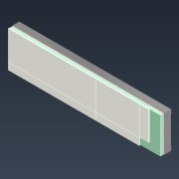
1.10.1 | Betume Ultracolor Plus 103 | Purchased | Betume Ultracolor Plus 103 | 1 | MATPRIMA-CER.LINH |  | Virtual | 10164296 | 0.507 | kg |  |  | (NULL)
1.10.2 | Ultrabond PU 2K | Purchased | Adesivo Mapei Ultrabond PU 2K | 1 | MATPRIMA-CER.LINH |  | Virtual | 10228770 | 3.378 | kg |  |  | (NULL)
1.10.3 | CRUZETAS | Purchased | CRUZETAS | 1 | MATPRIMA-COL.LINH |  | Virtual | 10012091 | 112 | Each |  |  | (NULL)
1.10.4 | Parafuso Fosfatado | Purchased | Parafuso Fosfatado SEMIN VIS 3,5 x 35 mm | 1 | MATPRIMA-ESTR.LINH |  | Virtual | 10281673 | 11 | Each |  |  | (NULL)
1.10.5 | M-46-0,9-246 | Normal | Montante - 46 x 0,9 x 246 mm | 3 | KITPERFIS | KEM | Part | 10208683 | 0.246 | m | 246.2 | 46 | *Varies*
1.10.6 | R-48-0,9-1040 | Normal | Raia - 48 x 0,9 x 1040 mm | 2 | KITPERFIS | KEM | Part | 10208684 | 1.04 | m | 1040 | 48 | *Varies*
1.10.7 | GGS-244-1036-12,5 | Normal | Gyptec Gesso Standard - 244 x 1036 x 12,5 mm | 1 | KITPLACAS | KPL | Part | 10086595 | 0.253 | m^2 | 244 | 1036
1.10.8 | GGH-244-1036-12,5 | Normal | Gyptec Gesso Hidrofugo - 244 x 1036 x 12,5 mm | 1 | KITPLACAS | KPL | Part | 10274089 | 0.253 | m^2 | 244 | 1036
1.10.9 | RTSC-CAL-64-198-6,0 | Normal | Recer Twist Soft Cream - CAL - 64 x 198 x 6,0 mm | 1 | KITCER | KCER | Part | 10250822 | 0.013 | m^2 | 64 | 198
1.10.10 | RTSC-CAL-298-198-6,0 | Normal | Recer Twist Soft Cream - CAL - 298 x 198 x 6,0 mm | 3 | KITCER | KCER | Part | 10250822 | 0.059 | m^2 | 298 | 198
1.10.11 | RTSC-CAL-298-48-6,0 | Normal | Recer Twist Soft Cream - CAL - 298 x 48 x 6,0 mm | 3 | KITCER | KCER | Part | 10250822 | 0.014 | m^2 | 298 | 48
1.11 | PICUALT9_PT01K | Normal | PICUALT9 PAINEL TETO 01K | 1 | PAREDE-GESSO-EMASS-PINT-FUR |  | Assembly |  | 0 | Each |  |  | 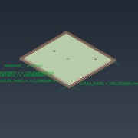
1.11.1 | Primário Mapei Dursilite Base Coat | Purchased | Primário Mapei Dursilite Base Coat | 1 | MATPRIMA-ESTR.PL |  | Virtual | 10280563 | 0.238 | l |  |  | (NULL)
1.11.2 | Tinta Mapei Dursilite Gypsos | Purchased | Tinta Mapei Dursilite Gypsos | 1 | MATPRIMA-ESTR.PL |  | Virtual | 10290924 | 0.297 | l |  |  | (NULL)
1.11.3 | Parafuso Fosfatado | Purchased | Parafuso Fosfatado SEMIN VIS 3,5 x 35 mm | 1 | MATPRIMA-ESTR.LINH |  | Virtual | 10281673 | 57 | Each |  |  | (NULL)
1.11.4 | M-46-0,9-1985 | Normal | Montante - 46 x 0,9 x 1985 mm | 5 | KITPERFIS | KEM | Part | 10208683 | 1.985 | m | 1985.2 | 46 | *Varies*
1.11.5 | R-48-0,9-2112 | Normal | Raia - 48 x 0,9 x 2112 mm | 2 | KITPERFIS | KEM | Part | 10208684 | 2.112 | m | 2112 | 48 | *Varies*
1.11.6 | GGH-1983-1200-12,5 | Normal | Gyptec Gesso Hidrofugo - 1983 x 1200 x 12,5 mm | 1 | KITPLACAS | KPL | Part | 10274089 | 2.38 | m^2 | 1983 | 1200
1.11.7 | GGH-1983-908-12,5 | Normal | Gyptec Gesso Hidrofugo - 1983 x 908 x 12,5 mm | 1 | KITPLACAS | KPL | Part | 10274089 | 1.801 | m^2 | 1983 | 908
1.12 | CCL-70 | Purchased | Chapa Cantoneira L - 70x130x1mm | 14 | MATPRIMA-MONT | N/A | Part | 10297184 | 1 | Each | 130 | 70 | 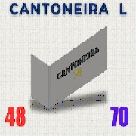
1.13 | RTSC-CAL-64-98-6,0 | Normal | Recer Twist Soft Cream - CAL - 64 x 98 x 6,0 mm | 1 | KITCER | KCER | Part | 10250822 | 0.006 | m^2 | 64 | 98
1.14 | Sanita_Sanitana_S10200882100000 | Purchased | Sanita Suspensa Sanitana GLAM ref S10200882100000 + Tampo S80006781600000 | 1 | MATPRIMA-POD-EQUIP |  | Part | 10303541 | 1 | Each |  |  | 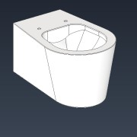
1.15 | Movel_Lav_MAPLE_60_SANITANA | Purchased | Movel Lavatório + Lavatório Sanitana MAPLE 60 ref. S70205703103501 | 1 | MATPRIMA-POD-EQUIP |  | Part | 10303535 | 1 | Each |  |  | 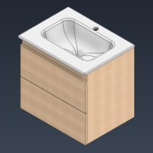
1.16 | Misturadora_Coluna_Duche__BRUMA_1676501XX | Purchased | Bruma Misturadora de Duche + Coluna + Rainshower + Chuveiro de mão ref. 1676501XX PE 21529 | 1 | MATPRIMA-POD-EQUIP |  | Part | 10303534 | 1 | Each |  |  | 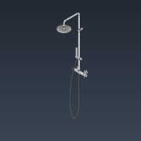
1.17 | Misturadora_Lav_1670011ZZ_BRUMA | Purchased | Misturadora Lavatório LEAF BRUMA ref. 1670011ZZ PE.21528 | 1 | MATPRIMA-POD-EQUIP |  | Part | 10303536 | 1 | Each |  |  | 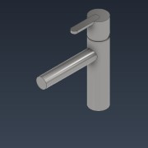
1.18 | Resguardo_Duche_KAZA_1200 | Purchased | Resguardo de Duche KAZA 1200 | 1 | MATPRIMA-POD-EQUIP |  | Part | 10303527 | 1 | Each |  |  | 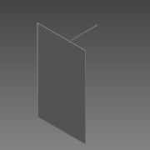
1.19 | Sifao_Lav_7908973_COZY | Purchased | Sifão de Lavatório COZY ref. 7908973 | 1 | MATPRIMA-POD-EQUIP |  | Part | 10303539 | 1 | Each |  |  | 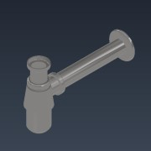
1.20 | Valvula_Clic_Clac_7909104_COZY | Purchased | Valvula Clic Clac Curta COZY ref. 7909104 | 1 | MATPRIMA-POD-EQUIP |  | Part | 10303538 | 1 | Each |  |  | 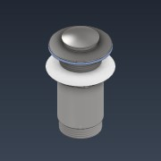
1.21 | OLI80_CR01000885111 | Purchased | OLI80 Sanitarblock ref. CR01000885111 | 1 | MATPRIMA-POD-EQUIP |  | Part | 10300365 | 1 | Each |  |  | 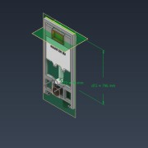
1.22 | Placa_Descarga_OLI_CG23000010196 | Purchased | Placa de descarga Slim Chrome , ref. CG23000010196 | 1 | MATPRIMA-POD-EQUIP |  | Part | 10174913 | 1 | Each |  |  | 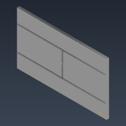
1.23 | MDF-300-150-16,0 | Normal | MDF - 300 x 150 x 16,0 mm | 2 | KITPLACAS | KPL | Part | 10248156 | 0.045 | m^2 | 300,00 | 150,00 | *Varies*
1.24 | MDF-530-750-22,0 | Normal | MDF - 530 x 750 x 22,0 mm | 1 | KITPLACAS | KPL | Part | 10266653 | 0.398 | m^2 | 530,00 | 750,00 | 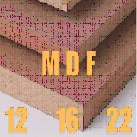
1.25 | MDF-80-750-22,0 | Normal | MDF - 80 x 750 x 22,0 mm | 1 | KITPLACAS | KPL | Part | 10281481 | 0.06 | m^2 | 80,00 | 750,00
1.26 | PICUALT9_PIS01K | Normal | PICUALT9 PLACA INFRA SANITA KIT 01K | 1 | PLACAINFRA-KIT |  | Assembly |  | 1 | Each |  |  | 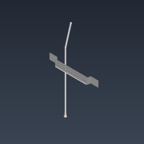
1.26.1 | C_TUB_03-450-85-46 | Purchased | Chapa Reforço Tubagem Tipo 03 - 450 x 85 x 46 mm | 1 | MATPRIMA-INFRA |  | Part | 10305604 | 1 | Each | 450 | 85 | 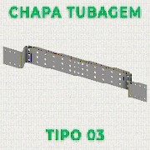
1.26.2 | PICUALT9_BLUMEP_SAN | Normal | BLUMEP - Tubagem Sanita | 1 |  |  | Part |  | 0 | Each |  |  | 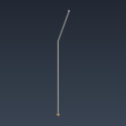
1.27 | PICUALT9_PIL01K | Normal | PICUALT9 PLACA INFRA LAVAT KIT 01K | 1 | PLACAINFRA-KIT |  | Assembly |  | 1 | Each |  |  | 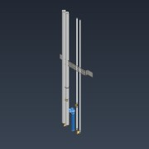
1.27.1 | C_TUB_03-450-85-46 | Purchased | Chapa Reforço Tubagem Tipo 03 - 450 x 85 x 46 mm | 1 | MATPRIMA-INFRA |  | Part | 10305604 | 1 | Each | 450 | 85
1.27.2 | PICUALT9_BLUMEP_LAV | Normal | BLUMEP - Tubagem Lavatório | 1 |  |  | Part |  | 0 | Each |  |  | 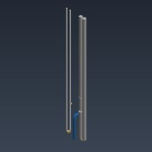
1.28 | PICUALT9_PICK01K | Normal | PICUALT9 PLACA INFRA CHUV KIT 01K | 1 | PLACAINFRA-KIT |  | Assembly |  | 1 | Each |  |  | 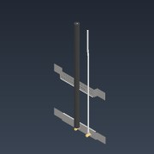
1.28.1 | C_TUB_01-450-80-12 | Purchased | Chapa Reforço Tubagem Tipo 01 - 450 x 80 x 12 mm | 1 | MATPRIMA-INFRA |  | Part | 10305600 | 1 | Each | 450 | 80 | 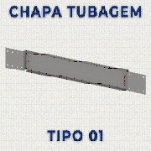
1.28.2 | C_TUB_03-450-85-46 | Purchased | Chapa Reforço Tubagem Tipo 03 - 450 x 85 x 46 mm | 1 | MATPRIMA-INFRA |  | Part | 10305604 | 1 | Each | 450 | 85
1.28.3 | PICUALT9_BLUMEP_DCH | Normal | BLUMEP - Tubagem Duche | 1 |  |  | Part |  | 0 | Each |  |  | 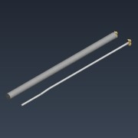
1.29 | PICUALT9_BLUMEP_ARA_IS01A | Normal | BLUMEP - Tubagem Aranha IS01A | 1 |  |  | Part |  | 0 | Each |  |  | 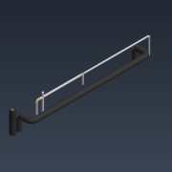
1.30 | OSB-500-1250-12,0 | Normal | OSB - 500 x 1250 x 12,0 mm | 1 | KITPLACAS | KPL | Part | 10030124 | 0.625 | m^2 | 500,00 | 1250,00 | 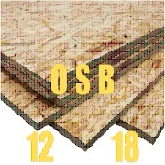
1.31 | OSB-1000-1250-12,0 | Normal | OSB - 1000 x 1250 x 12,0 mm | 1 | KITPLACAS | KPL | Part | 10030124 | 1.25 | m^2 | 1000,00 | 1250,00
1.32 | Parafusos Pladur 3,5 x 55 | Purchased | Parafusos Pladur 3,5 x 55 | 1 | MATPRIMA-MONT |  | Virtual | 10050627 | 149 | Each |  |  | (NULL)
1.33 | Parafusos Autoperfurante 4,8x19 | Purchased | Parafusos Autoperfurante 4,8x19 | 1 | MATPRIMA-MONT |  | Virtual | 10276917 | 21 | Each |  |  | (NULL)
1.34 | Perfil H 47x30x100mm | Purchased | Perfil H 47x30x100mm | 1 | MATPRIMA-MONT |  | Virtual | Código_material | 9 | Each |  |  | (NULL)
1.35 | Banda ISO BLOCO 600 | Purchased | Banda ISO BLOCO 600 | 1 | MATPRIMA-MONT |  | Virtual | 10246163 | 9.2 | m |  |  | (NULL)
1.36 | Mapeflex PU40 Cinza | Purchased | Mapeflex PU40 Cinza | 1 | MATPRIMA-MONT |  | Virtual | 10138682 | 204 | ml |  |  | (NULL)
1.37 | Fita Perfurada Index 12 x 0,8mm | Purchased | Fita Perfurada Index 12 x 0,8mm | 1 | MATPRIMA-KIT.HIDR |  | Virtual | 10710010 | 0.45 | m |  |  | (NULL)
1.38 | Parafusos Pladur 3,5 x 25 | Purchased | Parafusos Pladur 3,5 x 25 | 1 | MATPRIMA-KIT.HIDR |  | Virtual | 10050627 | 6 | Each |  |  | (NULL)
1.39 | Mapeflex AC4 Branco | Purchased | Mapeflex AC4 Branco | 1 | MATPRIMA-ACAB |  | Virtual | 10034222 | 327.9 | ml |  |  | (NULL)
1.40 | Tinta Mapei Dursilite Gypsos 14 lt | Purchased | Tinta Mapei Dursilite Gypsos 14 lt | 1 | MATPRIMA-ACAB |  | Virtual | 10280563 | 0.52 | l |  |  | (NULL)
1.41 | Plástico Filme | Purchased | Plástico Filme | 1 | MATPRIMA-EMBL |  | Virtual | 10250576 | 49.2 | m |  |  | (NULL)
1.42 | Plástico Rígido | Purchased | Plástico Rígido | 1 | MATPRIMA-EMBL |  | Virtual | 10005276 | 5.04 | m^2 |  |  | (NULL)
1.43 | Mapesil AC 103 | Purchased | Mapesil AC 103 | 1 | MATPRIMA-ACAB |  | Virtual | 10244346 | 496 | ml |  |  | (NULL)
1.44 | Mapesil AＣ 103 | Purchased | Mapesil AＣ 103 | 1 | MATPRIMA-ACAB |  | Virtual | 10244346 | 271.9 | ml |  |  | (NULL)
1.45 | Banda acústica SEMIN 45 | Purchased | Banda acústica SEMIN 45 | 1 | MATPRIMA-KIT.HIDR |  | Virtual | 10141518 | 0.6 | m |  |  | (NULL)
1.46 | Mapeflex PU40 Cinza - Reforços | Purchased | Mapeflex PU40 Cinza - Reforços | 1 | MATPRIMA-KIT.HIDR |  | Virtual | 10138682 | 160 | ml |  |  | (NULL)
1.47 | Parafusos Index autoperf. 3,5x9,5 (Cantoneiras) | Purchased | Parafusos Index autoperf. 3,5x9,5 (Cantoneiras) | 1 | MATPRIMA-ACAB |  | Virtual | 10050630 | 56 | Each |  |  | (NULL)

