Machines
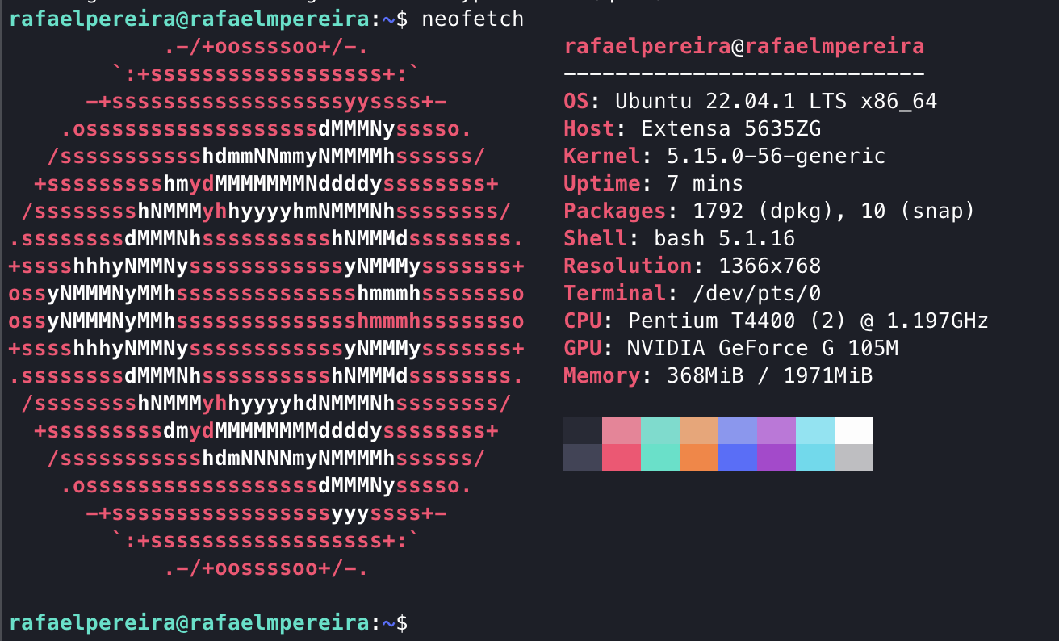
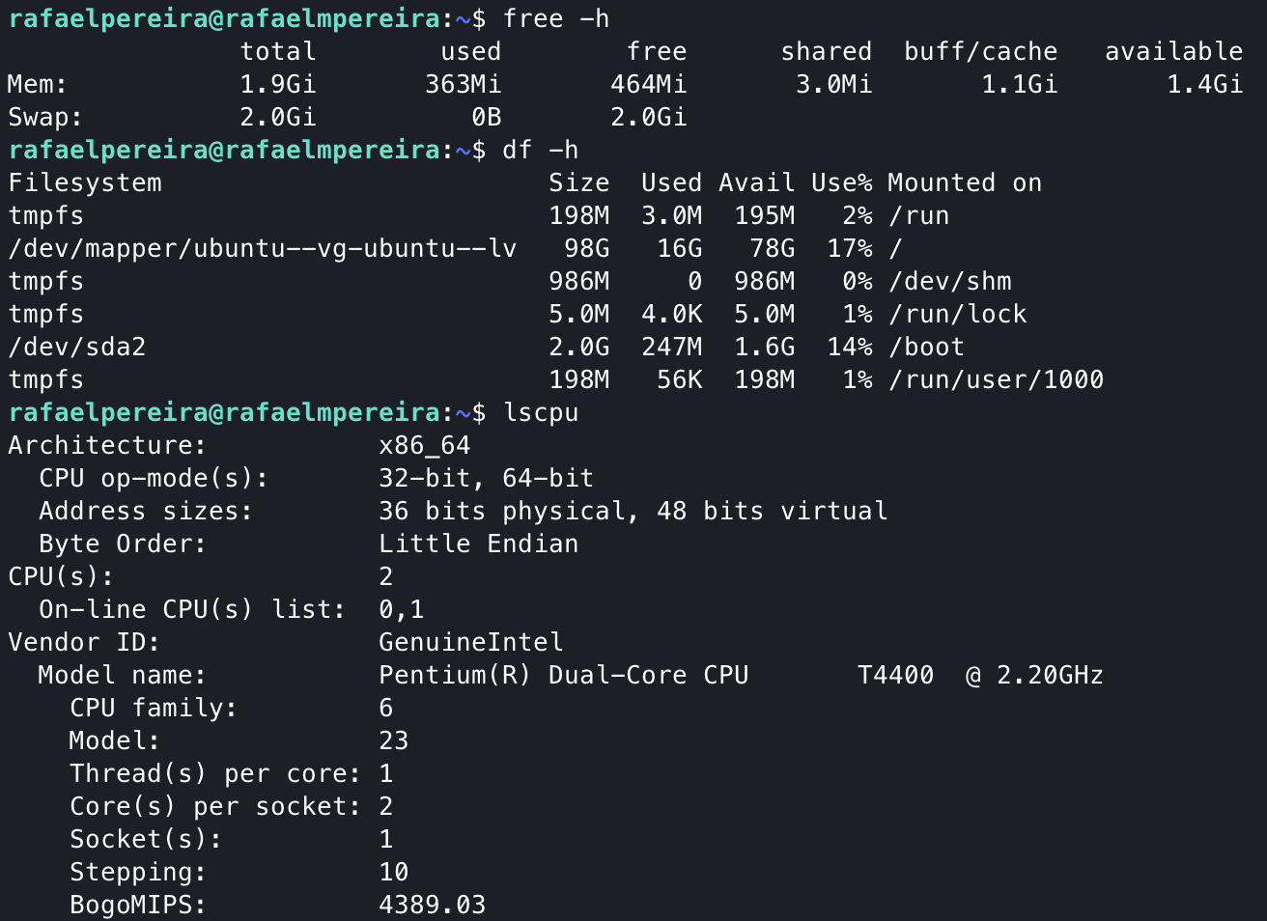
Raspi 0 W

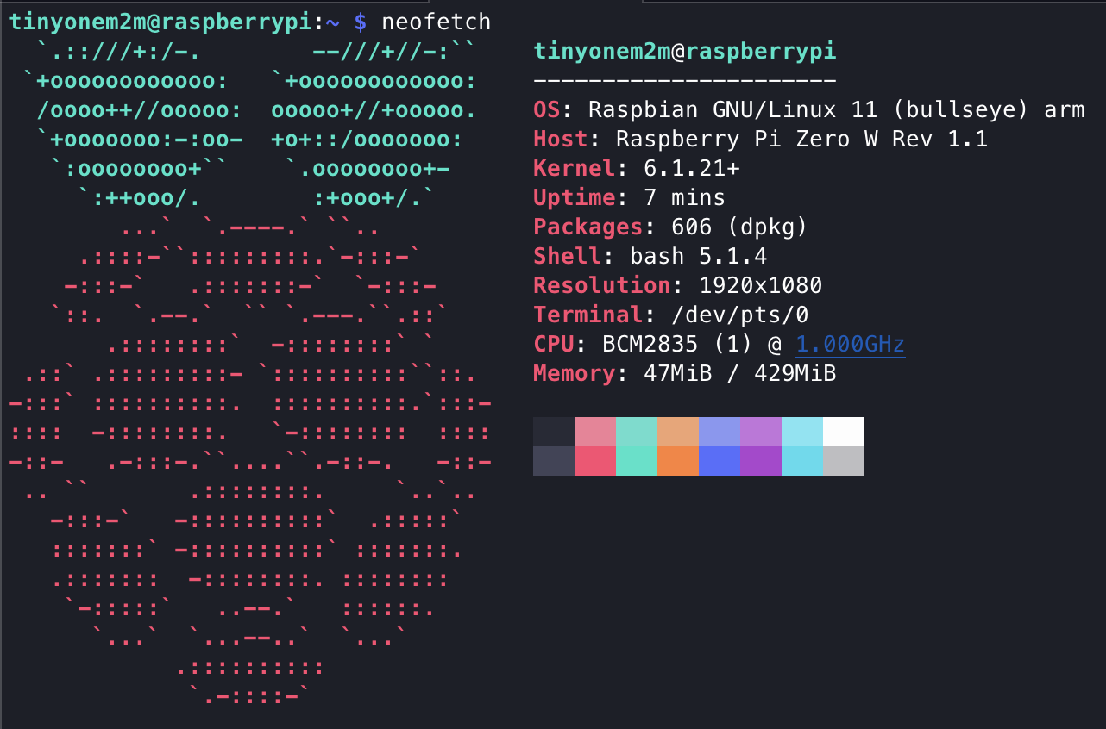
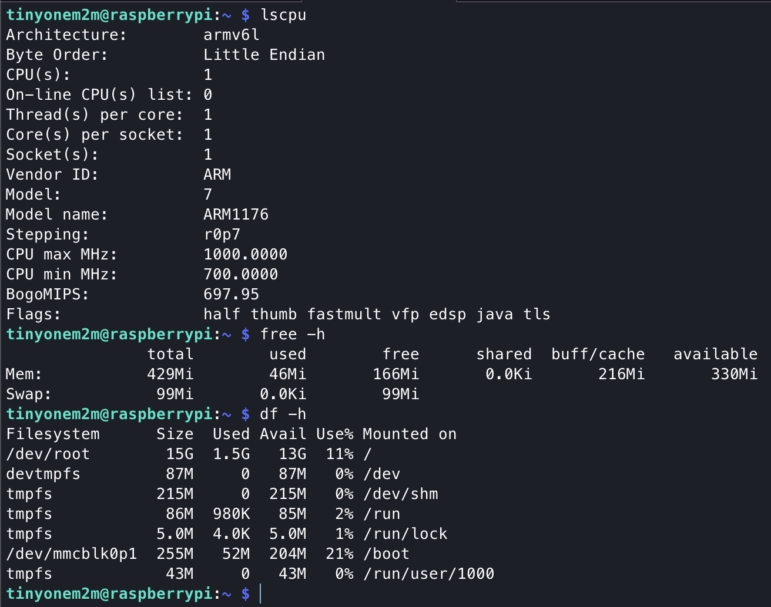

HomePC

POST CIN
Raspi 0 W

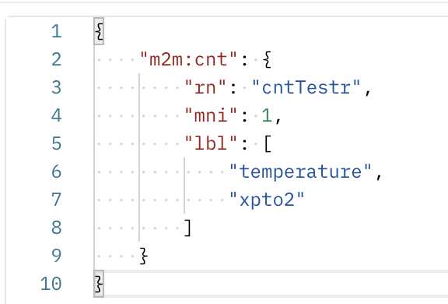
 | Dado este CNT
 |  |  | Obteve-se este resultado
 |  |  | Calculating stats for POST Min: 0.145584 Max: 0.231254 Avg: 0.173087 Std Dev: 0.016045

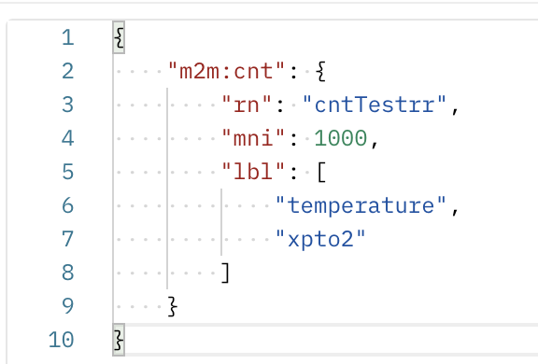

 |  |  | Calculating stats for POST Min: 0.166321 Max: 0.409225 Avg: 0.213821 Std Dev: 0.027584

HomePC

 |  | deixar isso do lado do utilizador, por exemplo passar -m no executável
 |  | dois módos de abertura
 |  | implementação do "la" e "fi"??? Dentro do container
 |  | quando está a ser lida a BD para criar rotas também de ser adicionadas as "fi" e "la"
 |  | WHERE/AND et > datetime('now') em todos os requests

 |  | {"m2m:sgn":{"cr":"admin:admin","nev":{"net":null,"om":null,"rep":{"m2m:cin":{"at":[],"aa":null,"ch":[],"con":"{"temperature":27,"timestamp":1517912099}","cnf":"application/json","cs":41,"ct":"20230515T154138","cr":null,"et":"20230515T161458","lbl":["temperature","xpto2"],"lt":"20230515T154138","or":null,"pi":"cnt3","ri":"cin8","rn":"contentInstance-6oANhBxvUxs4ZJhv","ty":4,"st":0}}},"nfu":null,"sud":null,"sur":"onem2m/AE-5/cntTestrr/subTest2","vrq":null}}
 |  | root não pode dar para ser apagado

