Machines
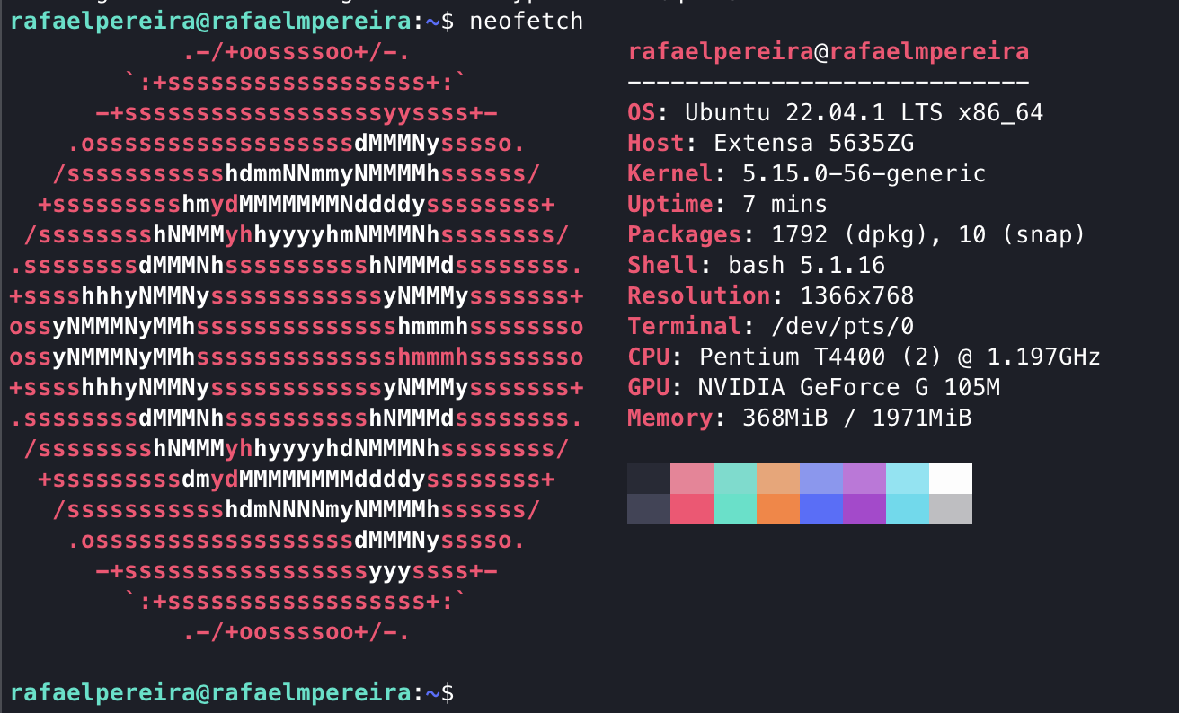
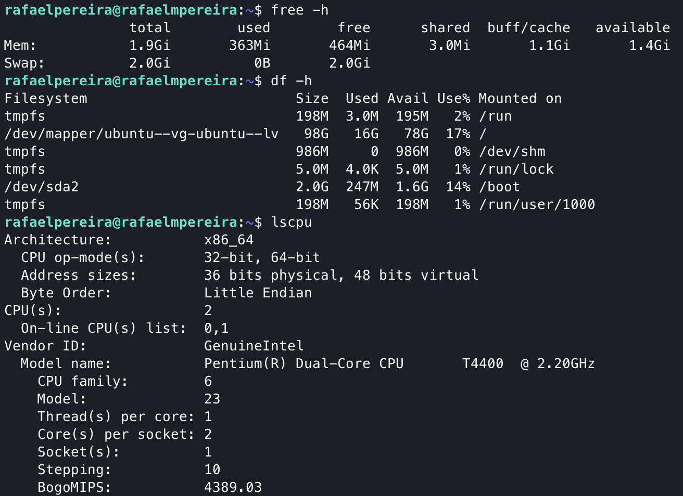
Raspi 0 W

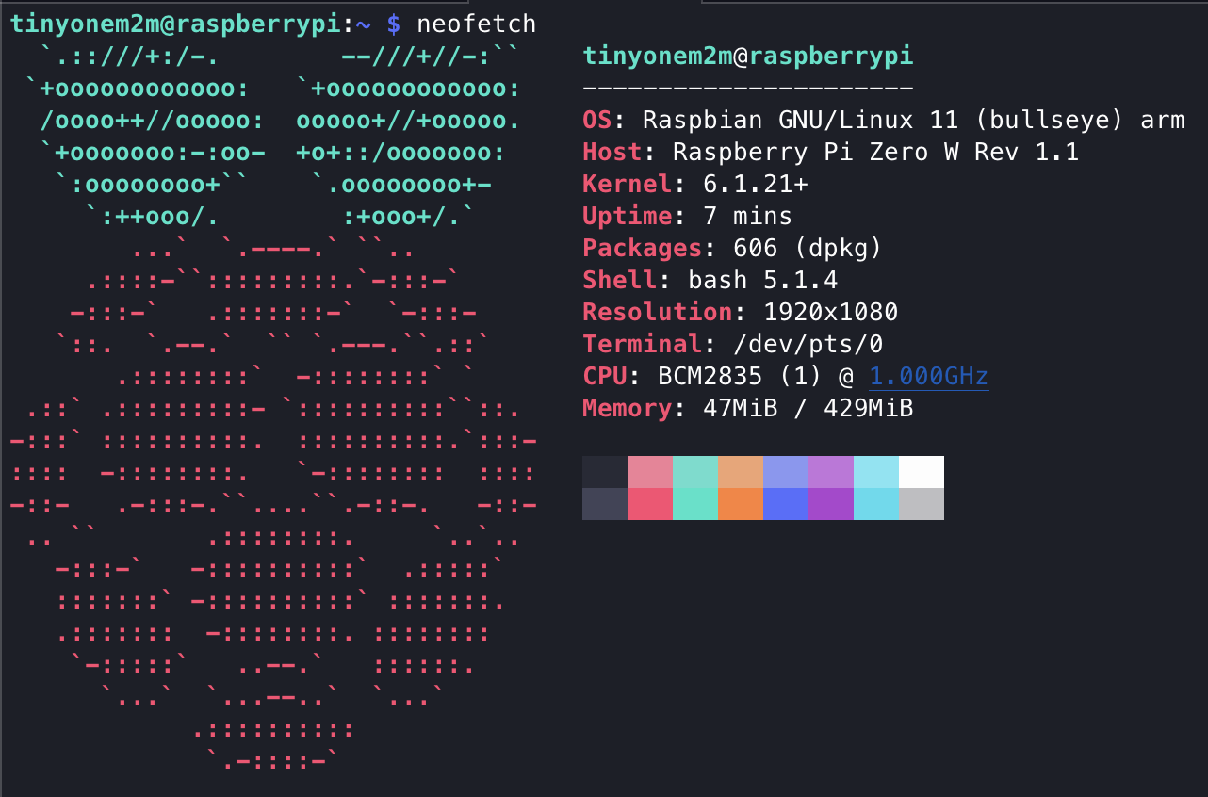
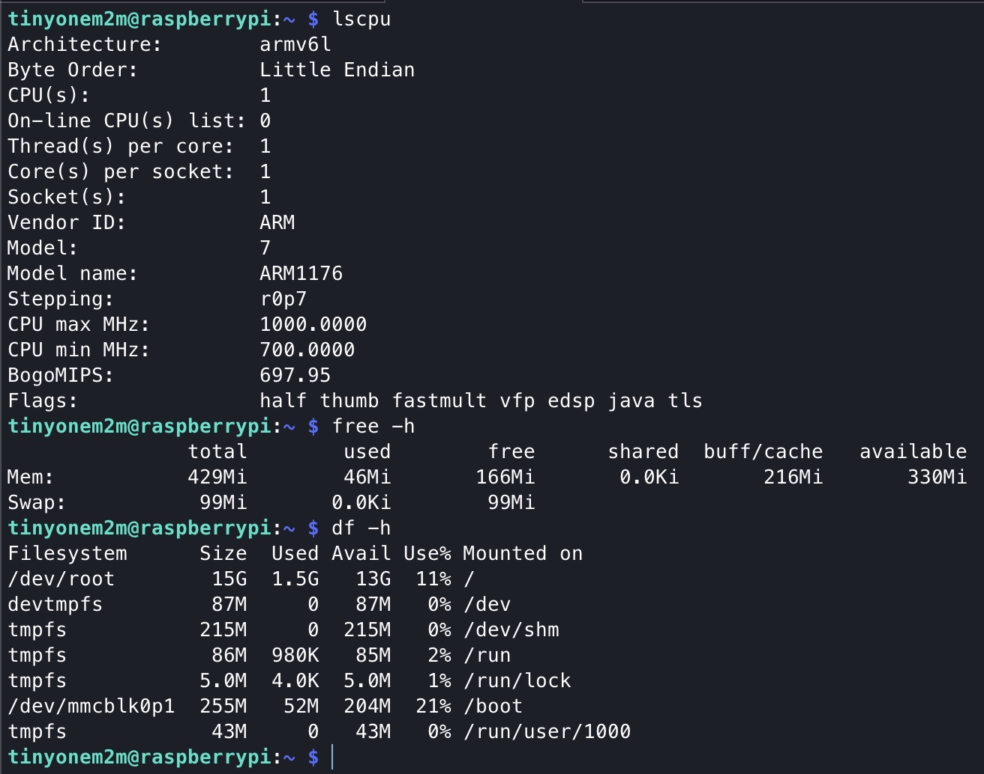

HomePC

POST CIN
Raspi 0 W

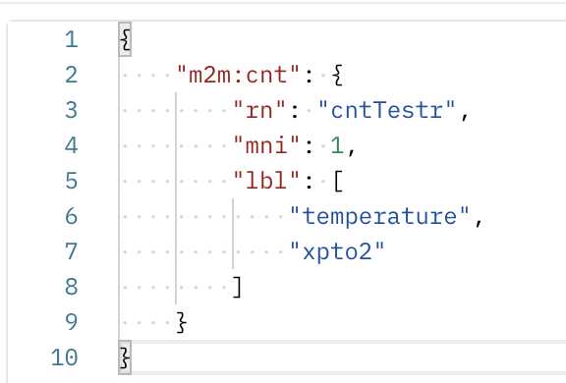
 | Dado este CNT
 |  | Obteve-se este resultado
 |  | Calculating stats for POST Min: 0.145584 Max: 0.231254 Avg: 0.173087 Std Dev: 0.016045

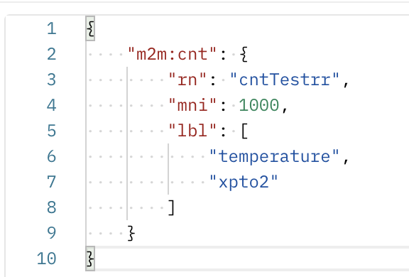

 |  | Calculating stats for POST Min: 0.166321 Max: 0.409225 Avg: 0.213821 Std Dev: 0.027584

HomePC

