Instructions
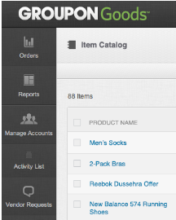
1. Fillout the Item Catalog Template
Fill in the Item Catalog Template. Definitions for the fields are in the “Definitions” Tab and each field is labeled as “Required”, “Strongly Recommended Fields”, or “Enhanced/Recommended Fields”.

2. Save the File
After the “Item Catalog Template” is filled out, make sure the cursor is in the “Item Catalog Template” worksheet and then Select File > Save As and save the file type as CSV (Comma Delimited).

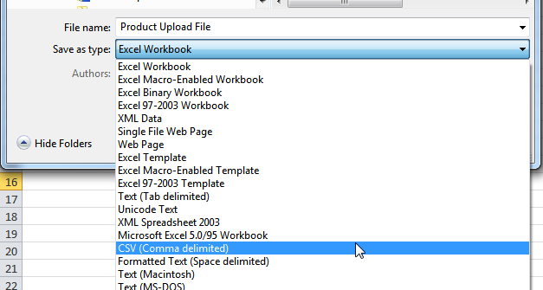

3. Upload the File
Select the “Upload Item Setup File” button in Goods Central on the Item Catalog page. Once the upload file dialog box opens, select the .CSV file that was saved.

4. Check for Errors
The progress for the uploaded file can be viewed on the Activity link in Goods Central. Once the file is processed, a results file can be downloaded that will show whether or not the items were successfully imported. If there are errors, please correct the errors in the upload file and try to resubmit the file following the steps above.

