How to use this
Guidance Penggunaan Sheets

1. Penjelasan Setiap Tab
Nama Tab | Penjelasan
Dashboard Summary (Galfa) | Summary principle, CoF, dan PnL dari Galfa. Data semuanya diincorporate dari beberapa versi investasi seperti floating rate, fix rate, dan installment
Balance Sheet | Data keuangan dan asset yang diinvestasikan Galfa
Redemp Sheet | List untuk isi orang orang yang cabut atau tarik uangnya
[NEW] Investor List 2025 Ver. Floating Rate (%) | List investor dan CoF yang berinvestasi untuk kategori floating rate
[NEW] Investor List 2025 Ver. Floating Rate (IDR) | Tab floating rate dalam satuan IDR
[NEW] Investor List 2025 Ver. Fix Rate (in %) | List investor dan CoF yang berinvestasi untuk kategori fix rate
[NEW] Investor List 2025 Ver. Fix Rate (in IDR) | Tab fix rate dalam satuan IDR
Investor List Ver. Installment | List investor dan CoF yang berinvestasi untuk kategori installment

2. Penggunaan Tab
1. Pencatatan AUM
Setiap bulan, Galfa menghitung perfomance dengan mencatat AUM yang ada setiap bulannya

Pencatatan AUM dapat dibuka di tab "Balance Sheet". Yang dicatat adalah principal only dan principal plus realized gain pada bulan tersebut |  | Balance Sheet

Data dapat diinput di bagian "Capital Market - Inst"

Total AUMnya akan terganti di "Dasboard Summary (Galfa)". Jadi pencatatan performance menggunakan data AUM yang ada di kolom bawah ini |  | Dashboard Summary (Galfa)

Setelah AUM terrecord, data AUM tersebut dipindahin ke tabel "AUM Table Record" di bawah ini di tab "Dashboard Summary (Galfa)" |  | Dashboard Summary (Galfa)

Yang harus diisi adalah kolom "Date" dan "Total AUM" yang W / Realized dan W / Realized + Float
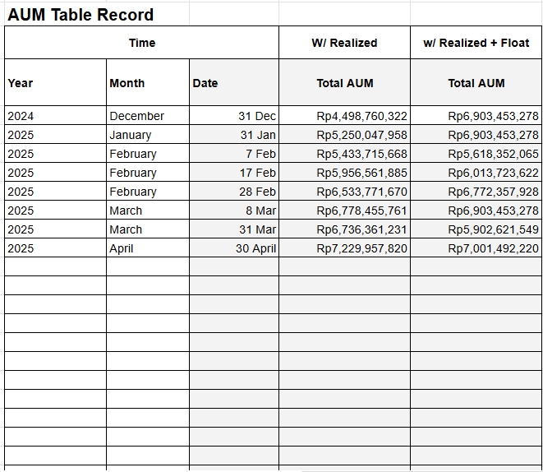

2. Pencatatan investor Baru
Pencatatan investor berdasarkan tipe investasinya, yaitu floating rate, fix rate, atau installment
Floating Rate | [NEW] Investor List 2025 Ver. Floating Rate (%)
Fix Rate | [NEW] Investor List 2025 Ver. Fix Rate (in %)
Installment | Investor List Ver. Installment

Cara catat investor baru adalah sebagai berikut:
1. Catat nama investor di kolom "Account"
2. JIKA investor invest lebih dari satu fund / dana, tambahkan note dengan format "Fund x". X diganti sesuai dengan urutan ke berapa fund tersebut diinvest
3. Catat tanggal investor transfer di kolom "Trans Date"
4. Catat tanggal investor akan cair (atau kontrak selesai) di "End Date"
5. Catat jumlah modal yang disetor di kolom "Capital"
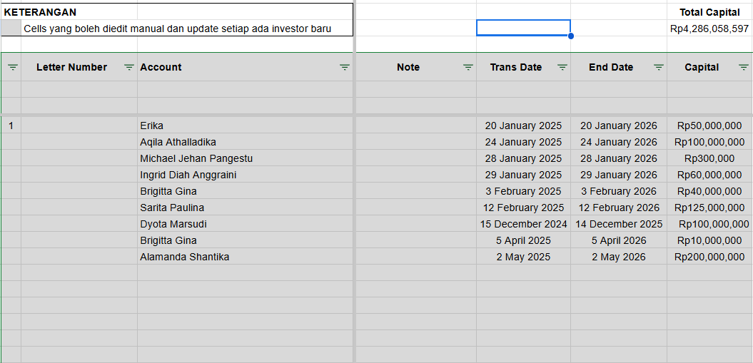

3. Pencatatan Performance
Pencatatan performance dilakukan di tab "Dashboard Summary (Galfa)"

1. Pertama tama yang dilakukan adalah update AUM untuk mengetahui performa pada bulan tersebut (lihat nomor 1)
2. Lakukan update principle dan CoF installment pada sheet di bawah ini

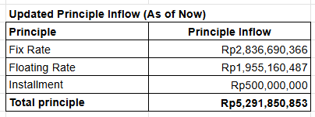
Data principle terbaru dapat dicopy paste dari tabel ini pada tab "Dashboard Summary (Galfa)" |  | Dashboard Summary (Galfa)

Data CoF installment dapat dicopy paste dari tabel ini pada tab "Dashboard Summary (Galfa)" |  | Dashboard Summary (Galfa)

3. Data akan otomatis terhitung sesuai dengan formula yang diberikan dan PnL dapat dilihat pada tabel di bawah ini |  | Dashboard Summary (Galfa)

