BugReport
Incident ID | Nama Fitur | Case ID | Bug Title | Bug Severity | Bug Priority | Description on Issue | Bug Evidence | Status | Date Found | Reporter | Fixed By
PROB-IR-001 | Login | TC03 | Terdapat tambahan infromasi pada pesan Password is required | Low | Low | Error terjadi saat user melakukan login dengan akun standard_user akan tetapi dengan password tidak diisi Actual result: pesan tidak sama dengan expected result terdapat tambahan pesan yang muncul menjadi "Epic sadface: Password is required". Expected result: pesan kesalahan seharusnya "Password is required", jika password kosong Data test: Username: problem_user Password: {empty} | 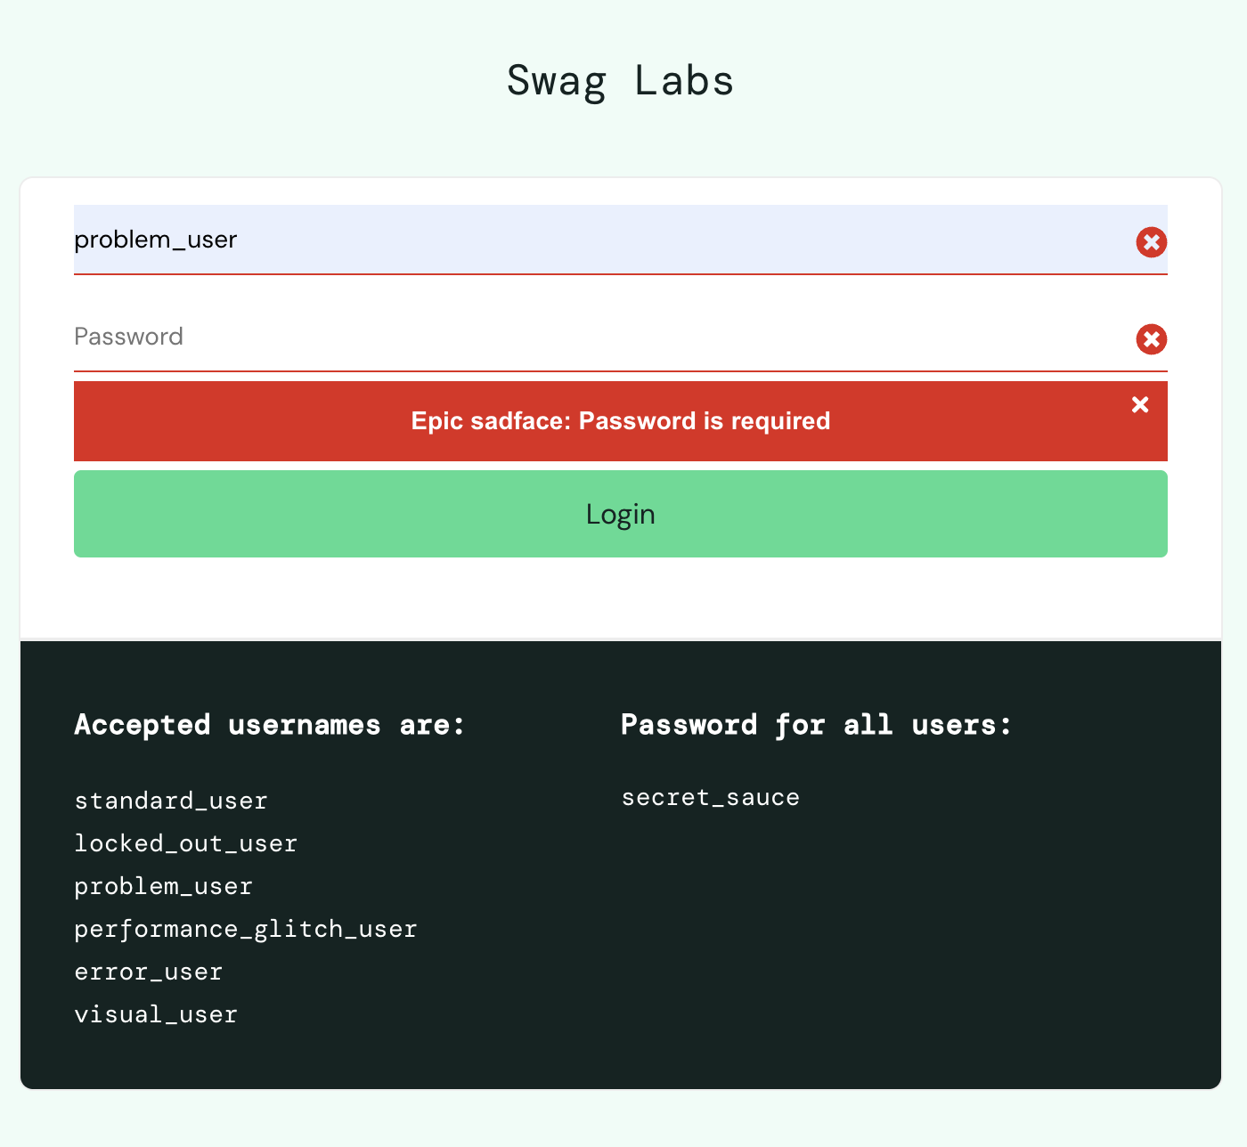 | New | 2026-06-27 | Rafif | -
PROB-IR-002 | Login | TC04 | Terdapat tambahan infromasi pada pesan Username is required | Low | Low | Error terjadi saat user melakukan login dengan akun dikosongkan dengan password secret_sauce Actual result: pesan tidak sama dengan expected result terdapat tambahan pesan yang muncul menjadi "Epic sadface: Username is required". Expected result: pesan kesalahan seharusnya "Username is required", jika username kosong Data test: Username: {empty} Password: secrete_sauce | 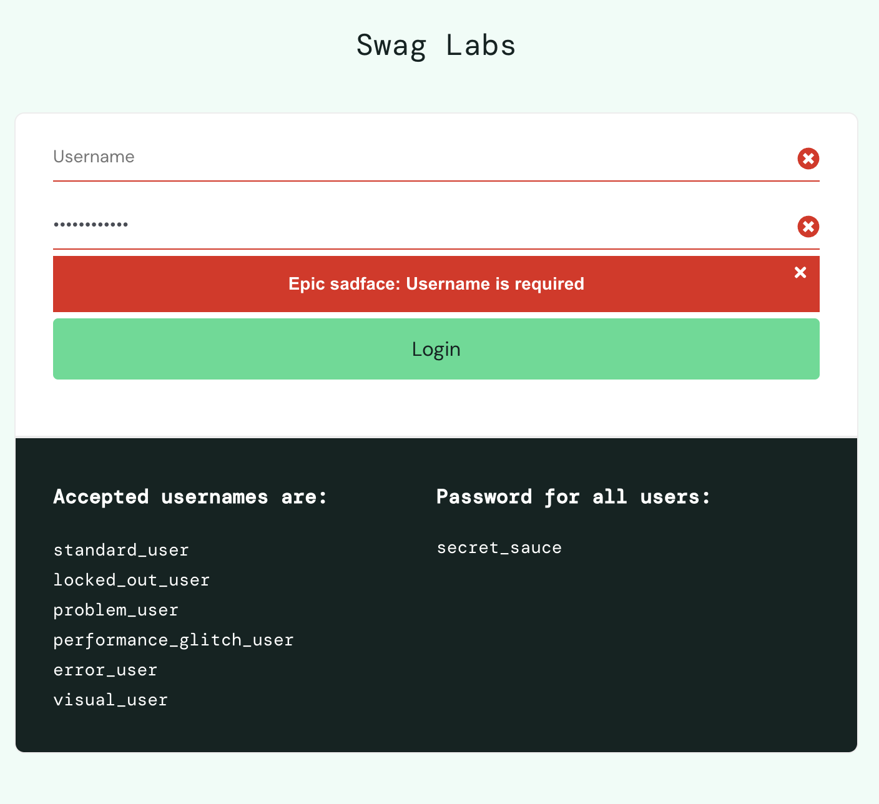 | New | 2026-06-27 | Rafif
PROB-IR-003 | Login | TC05 | Tidak sesuai requaiment, pada saat user tidak mengisi username dan password | Low | Low | Error terjadi saat user melakukan login dengan akun dikosongkan dan password dikosongkan juga Actual result: pesan tidak sama dengan expected result terdapat tambahan pesan yang muncul menjadi "Epic sadface: Username is required" dan tidak dinyatakan juga jika Password is required. Expected result: pesan kesalahan seharusnya "Username and Password is required", jika User name dan password kosong Data test: Username: {empty} Password: {empty} | 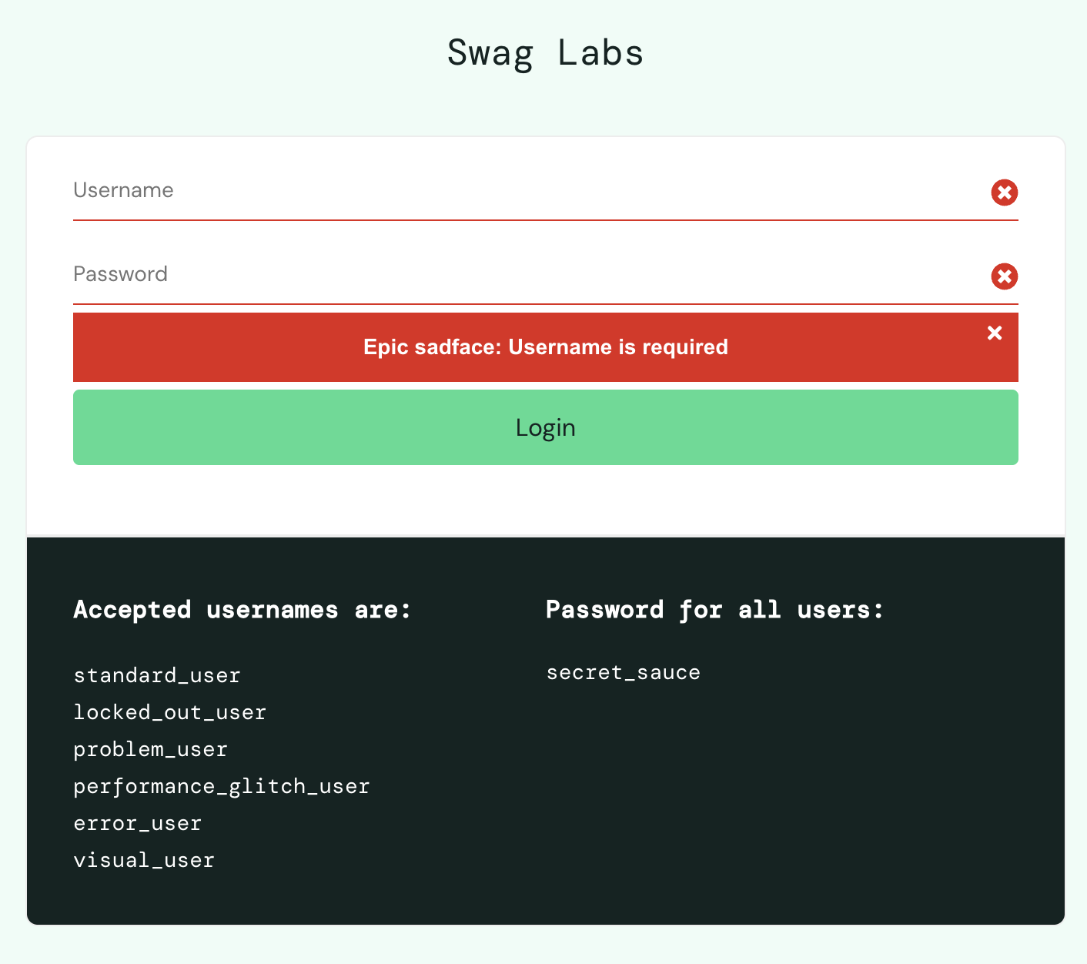 | New | 2026-06-27 | Rafif
PROB-IR-004 | Login | TC06 | Terdapat tambahan infromasi jika password salah pada pesan Username and password do not match any user in this service | Low | Low | Error terjadi saat user melakukan login dengan akun standard_user dan password salah Actual result: pesan tidak sama dengan expected result terdapat tambahan pesan yang muncul menjadi "Epic sadface: Username and password do not match any user in this service" Expected result: pesan kesalahan seharusnya "Username and password do not match any user in this service", jika User name dan password kosong Data test: Username: problem_user Password: secret | 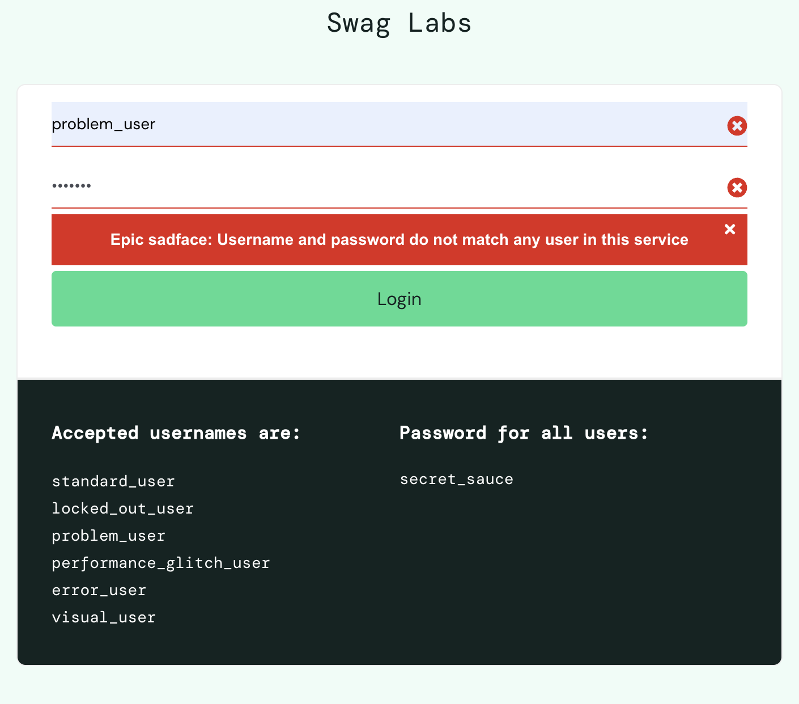 | New | 2026-06-27 | Rafif
PROB-IR-005 | Login | TC07 | Terdapat tambahan infromasi jika username salah pada pesan Username and password do not match any user in this service | Low | Low | Error terjadi saat user melakukan login dengan akun yang salah dan password benar Actual result: pesan tidak sama dengan expected result terdapat tambahan pesan yang muncul menjadi "Epic sadface: Username and password do not match any user in this service" Expected result: pesan kesalahan seharusnya "Username and password do not match any user in this service", jika User name dan password kosong Data test: Username: problem Password: secret_sauce | 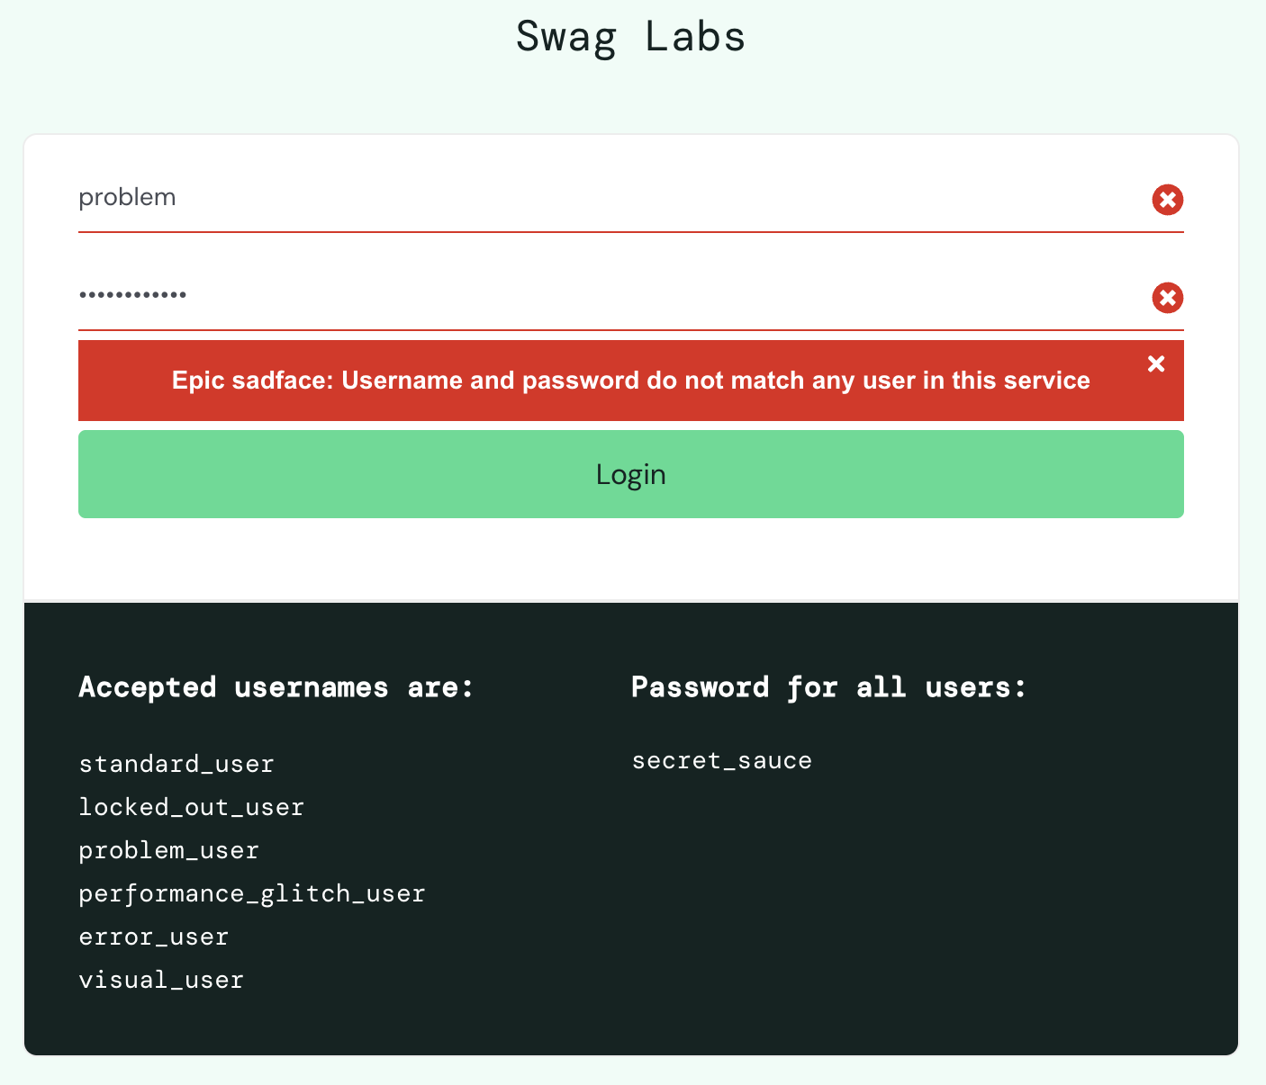 | New | 2026-06-27 | Rafif
PROB-IR-006 | Dashboard | TC08 | Picture tidak sesuai | Major | High | Error gambar tidak sesuai dengan ekpektasi Actual result: gambar tidak sesuai (ada pada evident) Expected result: Terdapat gambar yang sesuai desain Data test: - | 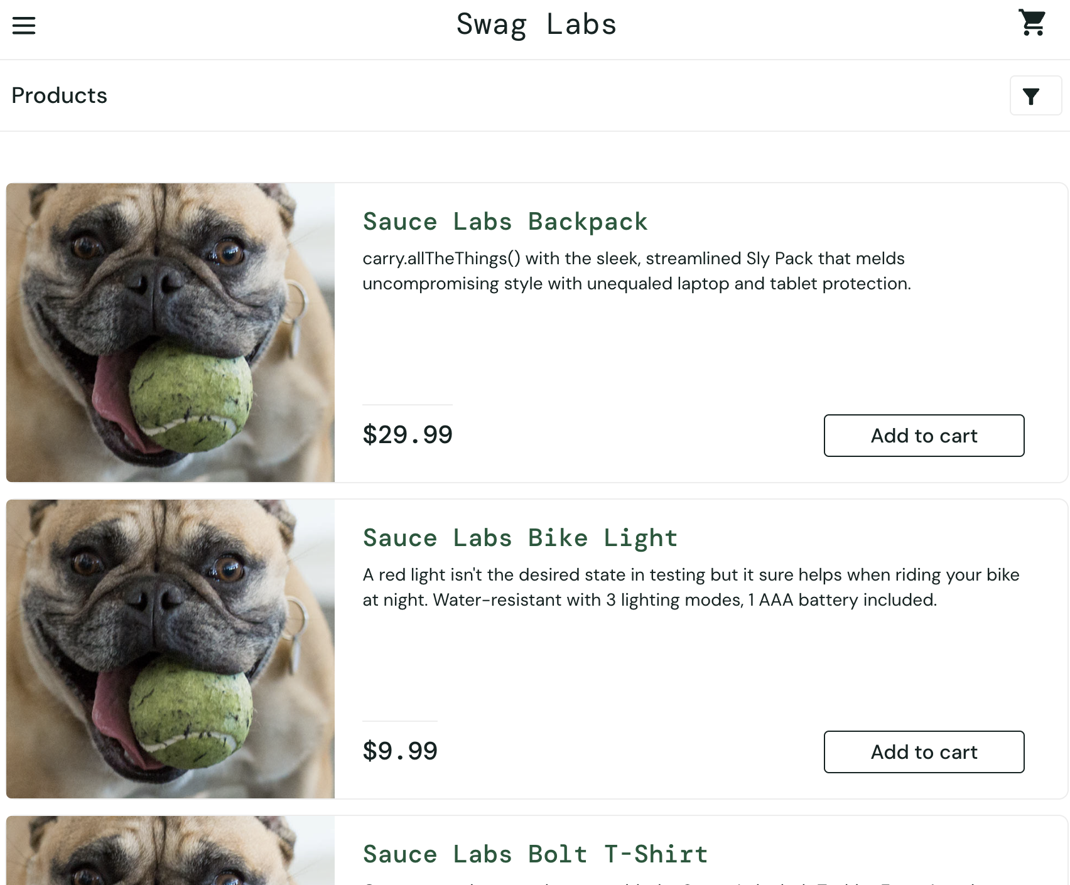 | New | 2026-06-27 | Rafif
PROB-IR-007 | Dashboard | TC09 | Tombol add to chart produk 3,4,6 tidak berfungsi | Critical | Critical | Error tombol add to chart tidak berfungsi Actual result: tombol produk 3,4 dan 6 tidak berfungsi Expected result: Seluruh produk pada dashboard bisa dipesan, dan tombol add to chart berubah menjadi remove Data test: Produc is 6 item 1. Name = Sauce Labs Backpack price = 29.99 2. Name = Sauce Labs Bike Light price = 9.99 3. Name = Sauce Labs Bolt T-Shirt price = 15.99 4. Name = Sauce Labs Fleece Jacket price = 49.99 5. Name = Sauce Labs Onesie price = 7.99 6. Name = Test.allTheThings() T-Shirt (Red) price = 15.99 | 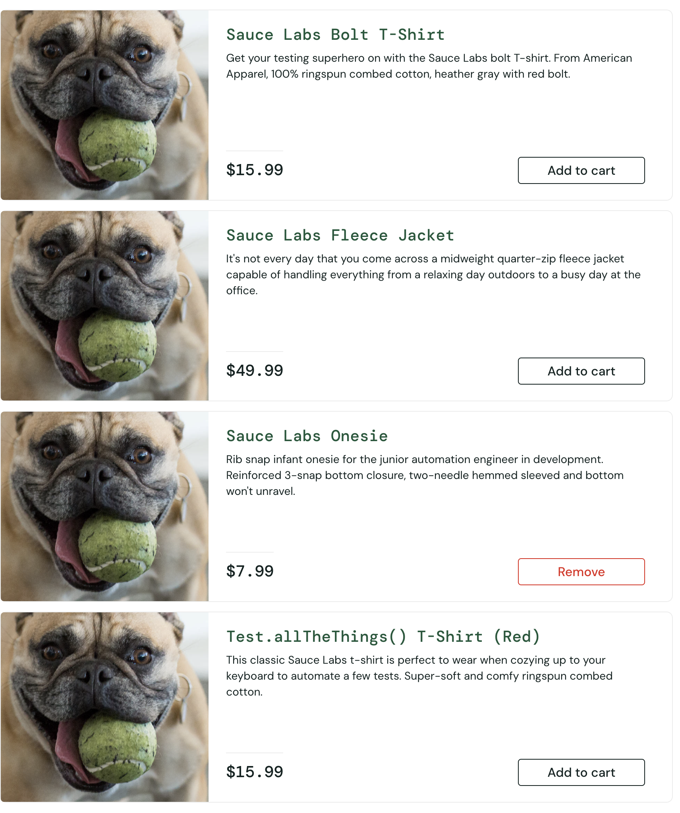 | New | 2026-06-27 | Rafif
PROB-IR-008 | Dashboard | TC10 | Tombol add to chart produk 3,4,6 tidak berfungsi, menyebabkan tidak bisa nya ditesting untuk case TC10 | Critical | Critical | Error tombol add to chart tidak berfungsi Actual result: tombol produk 3,4 dan 6 tidak berfungsi Expected result: Tombol berfungsi dan tombol remove berwarna merah Data test: Produc is 6 item 1. Name = Sauce Labs Backpack price = 29.99 2. Name = Sauce Labs Bike Light price = 9.99 3. Name = Sauce Labs Bolt T-Shirt price = 15.99 4. Name = Sauce Labs Fleece Jacket price = 49.99 5. Name = Sauce Labs Onesie price = 7.99 6. Name = Test.allTheThings() T-Shirt (Red) price = 15.99 |  | New | 2026-06-27 | Rafif
PROB-IR-009 | Dashboard | TC11 | Filter tidak bisa digunakan | Critical | Critical | Error tombol filter tidak bisa digunakan Actual result: filter tidak bisa digunakan, tidak bisa dipencet dan tidak berfungsi Expected result: produk bisa terfilter secara ascending Data test: Produc is 6 item 1. Name = Sauce Labs Backpack price = 29.99 2. Name = Sauce Labs Bike Light price = 9.99 3. Name = Sauce Labs Bolt T-Shirt price = 15.99 4. Name = Sauce Labs Fleece Jacket price = 49.99 5. Name = Sauce Labs Onesie price = 7.99 6. Name = Test.allTheThings() T-Shirt (Red) price = 15.99 |  | New | 2026-06-27 | Rafif
PROB-IR-010 | Dashboard | TC12 | Fikter z to a tidak berfungsi | Critical | Critical | Error tombol filter tidak bisa digunakan Actual result: filter tidak bisa digunakan, tidak bisa dipencet dan tidak berfungsi Expected result: produk bisa terfilter secara descending Data test: Produc is 6 item 1. Name = Sauce Labs Backpack price = 29.99 2. Name = Sauce Labs Bike Light price = 9.99 3. Name = Sauce Labs Bolt T-Shirt price = 15.99 4. Name = Sauce Labs Fleece Jacket price = 49.99 5. Name = Sauce Labs Onesie price = 7.99 6. Name = Test.allTheThings() T-Shirt (Red) price = 15.99 |  | New | 2026-06-27 | Rafif
PROB-IR-011 | Dashboard | TC13 | Filter price (low to high) tidak berfungsi | Critical | Critical | Error tombol filter tidak bisa digunakan Actual result: filter tidak bisa digunakan, tidak bisa dipencet dan tidak berfungsi Expected result: harga produk bisa terfilter secara ascending Data test: Produc is 6 item 1. Name = Sauce Labs Backpack price = 29.99 2. Name = Sauce Labs Bike Light price = 9.99 3. Name = Sauce Labs Bolt T-Shirt price = 15.99 4. Name = Sauce Labs Fleece Jacket price = 49.99 5. Name = Sauce Labs Onesie price = 7.99 6. Name = Test.allTheThings() T-Shirt (Red) price = 15.99 |  | New | 2026-06-27 | Rafif
PROB-IR-012 | Dashboard | TC14 | Filter price (high to low) tidak berfungsi | Critical | Critical | Error tombol filter tidak bisa digunakan Actual result: filter tidak bisa digunakan, tidak bisa dipencet dan tidak berfungsi Expected result: harga produk bisa terfilter secara descending Data test: Produc is 6 item 1. Name = Sauce Labs Backpack price = 29.99 2. Name = Sauce Labs Bike Light price = 9.99 3. Name = Sauce Labs Bolt T-Shirt price = 15.99 4. Name = Sauce Labs Fleece Jacket price = 49.99 5. Name = Sauce Labs Onesie price = 7.99 6. Name = Test.allTheThings() T-Shirt (Red) price = 15.99 |  | New | 2026-06-27 | Rafif
PROB-IR-013 | Dashboard | TC16 | Tombol Remove tidak berfungsi pada beberapa produk | Critical | Critical | Error tombol remove tidak bisa digunakan Actual result: produk yang sudah add to chart tidak bisa di remove pada halaman dashboard Expected result: tombol remove berubah menjadi add ti chart dan produk pada keranjang menjadi 0 Data test: 1. Name = Sauce Labs Backpack price = 29.99 | 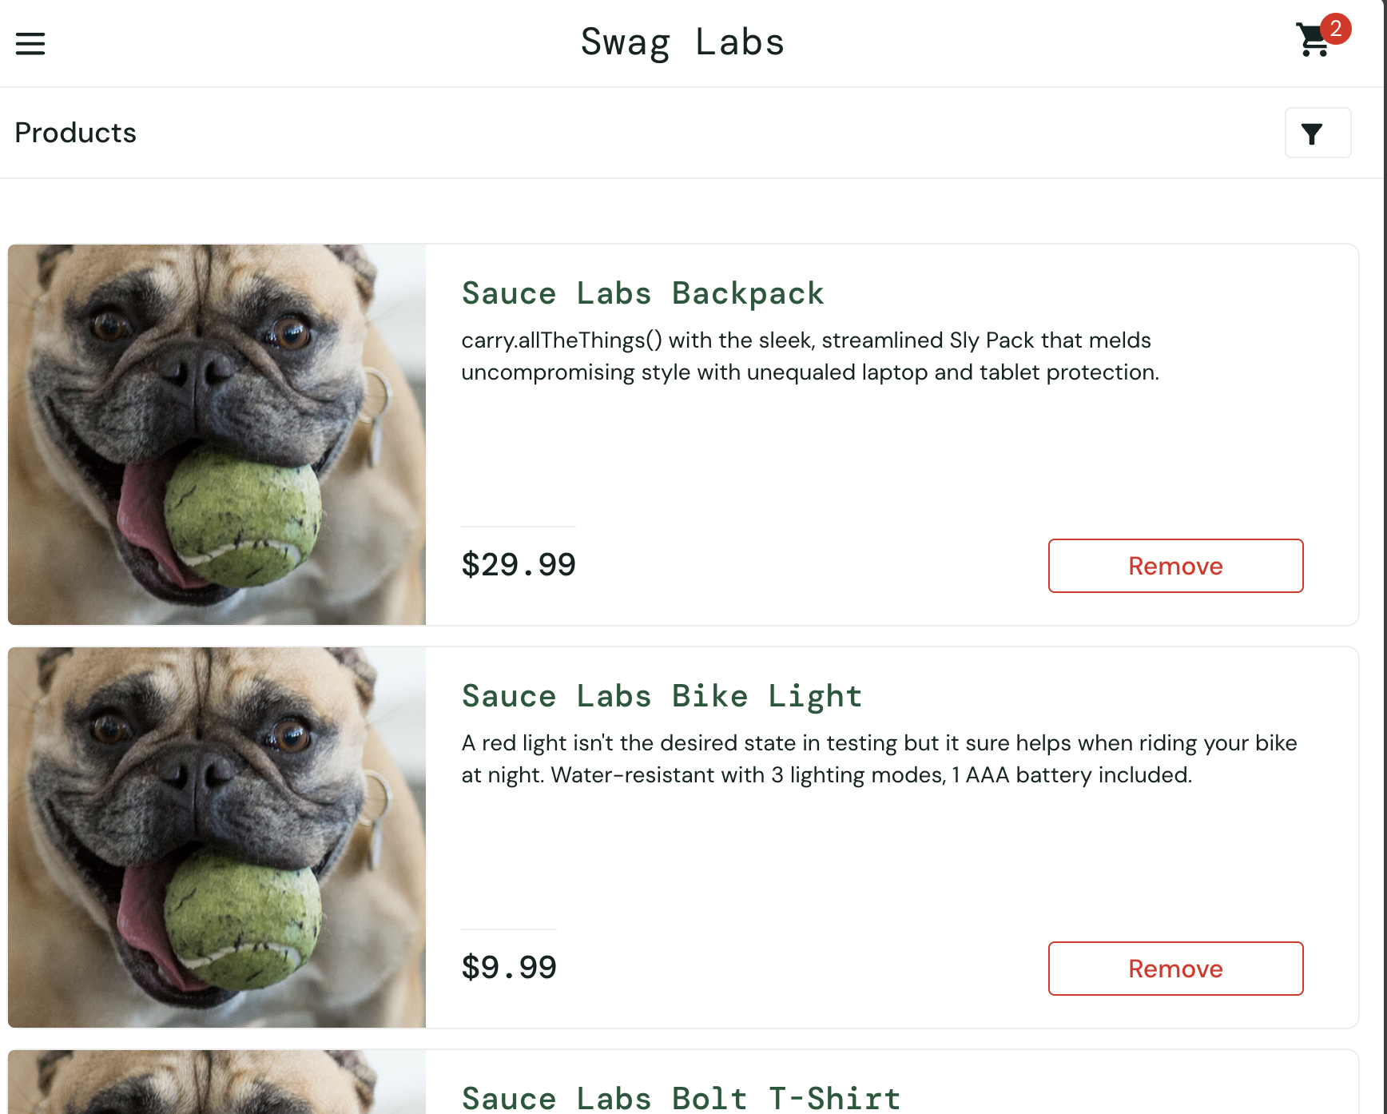 | New | 2026-06-27 | Rafif
PROB-IR-014 | Dashboard | TC17 | Tombol Remove tidak berfungsi pada seluruh produk | Critical | Critical | Error tombol remove tidak bisa digunakan pada seluruh produk pada dashboard Actual result: produk yang sudah add to chart tidak bisa di remove pada halaman dashboard Expected result: tombol remove berubah menjadi add ti chart dan produk pada keranjang menjadi 0 Data test: Produc is 6 item 1. Name = Sauce Labs Backpack price = 29.99 2. Name = Sauce Labs Bike Light price = 9.99 3. Name = Sauce Labs Bolt T-Shirt price = 15.99 4. Name = Sauce Labs Fleece Jacket price = 49.99 5. Name = Sauce Labs Onesie price = 7.99 6. Name = Test.allTheThings() T-Shirt (Red) price = 15.99 | 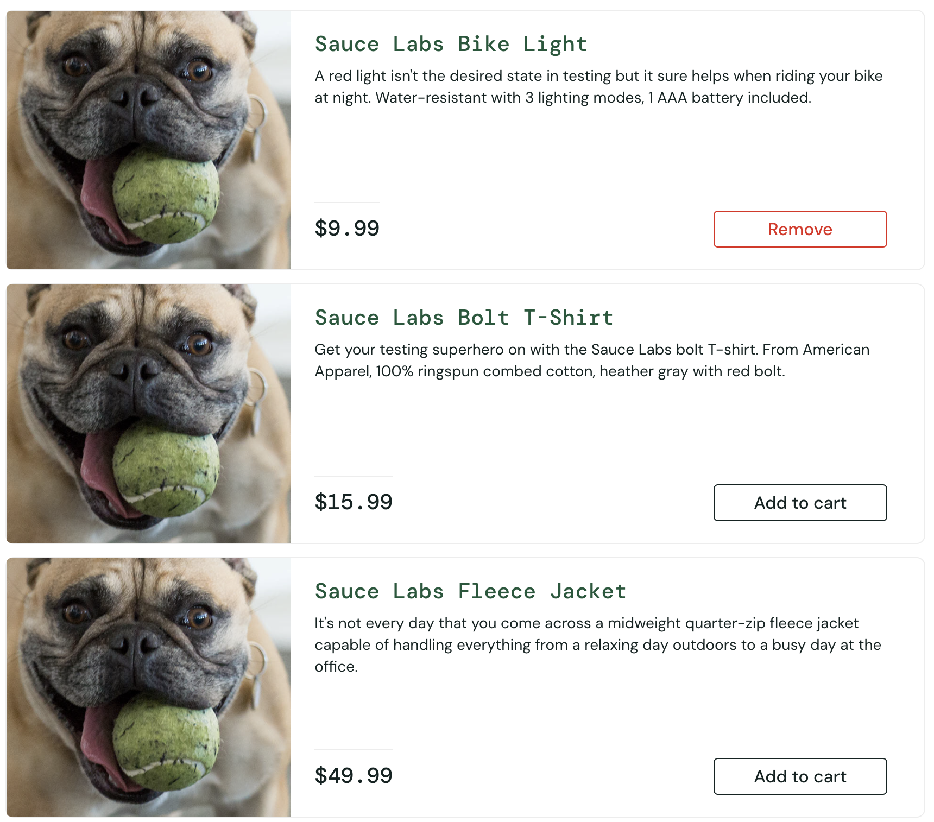 | New | 2026-06-27 | Rafif
PROB-IR-015 | Cart Page | TC26 | Tidak adanya pesan "No product item ordered, User must order minimum one product", dan user dapat menekan tombol checkout | Major | High | Error karena tidak adanya throw error message "No product item ordered, User must order minimum one product" Actual result: pesan tidak sama dengan expected result yang seharusnya menampilkan throw error message "No product item ordered, User must order minimum one product" Expected result: terdapat pesan throw error message "No product item ordered, User must order minimum one product" Data test: Product: - | 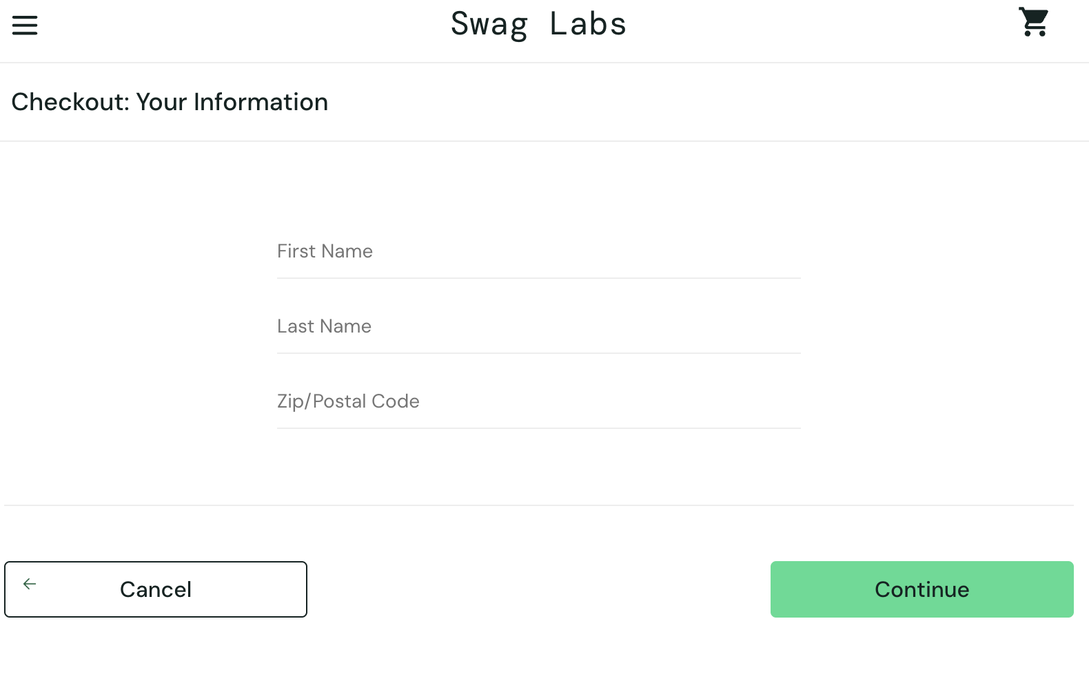 | New | 2026-06-27 | Rafif
PROB-IR-016 | Checkout Page | TC28 | Last name tidak bisa diisi | Critical | Critical | Error last name tidak bisa diisi, menyebabkan tidak bisa berpindah ke halaman check overview Actual result: Field last name tidak bisa diisi, menyebabkan user tidak bsia melakukan checkout dan halaman checkout overview tidak bisa diakses Expected result: Sistem menampilkan halaman Checkout Overview yang berisi: daftar produk dipesan, Payment Info, Shipping Info, serta Price Total (Item Total, Pajak 8%, dan Total Keseluruhan). Data test: Produc is 6 item 1. Name = Sauce Labs Backpack price = 29.99 2. Name = Sauce Labs Bike Light price = 9.99 3. Name = Sauce Labs Bolt T-Shirt price = 15.99 4. Name = Sauce Labs Fleece Jacket price = 49.99 5. Name = Sauce Labs Onesie price = 7.99 6. Name = Test.allTheThings() T-Shirt (Red) price = 15.99 First Name = "Asri" Last Name = "Maspupah" Zip/ Postal Code = "40523" | 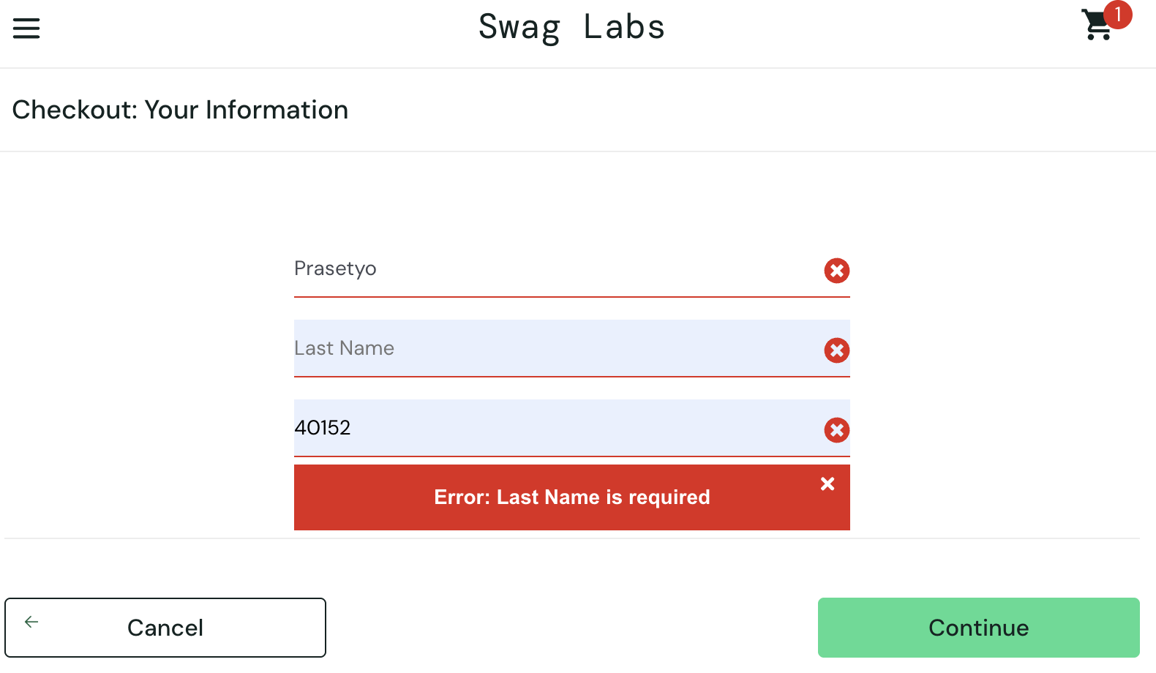 | New | 2026-06-27 | Rafif
PROB-IR-017 | Checkout Page | TC29 | Icon x ada pada setiap kolom, padahal hanya firstname yang kosong, ada pesan tambahan pada error message dan pesan tidak dibawah masalah | Minor | Medium | Error karena sistem menampilkan indikator error ("X") pada semua kolom dan teks pesan error tidak sesuai ekspektasi saat field First Name dikosongkan. Actual result: Sistem menampilkan indikator error ("X") pada semua kolom, field last name tidak bisa diisi dan teks pesan error tidak sesuai ekspektasi saat field First Name dikosongkan. Expected result: Sistem akan menampilkan pesan error "First Name is required" di bawah kolom First Name. Halaman saat ini tetap berada di halaman Checkout. Kolom First Name ditampilkan dengan warna merah dan terdapat ikon silang di ujungnya. Data test: Product: Sauce Labs Backpack First Name = {Empty} Last Name = "Maspupah" Zip/ Postal Code = "40523" | 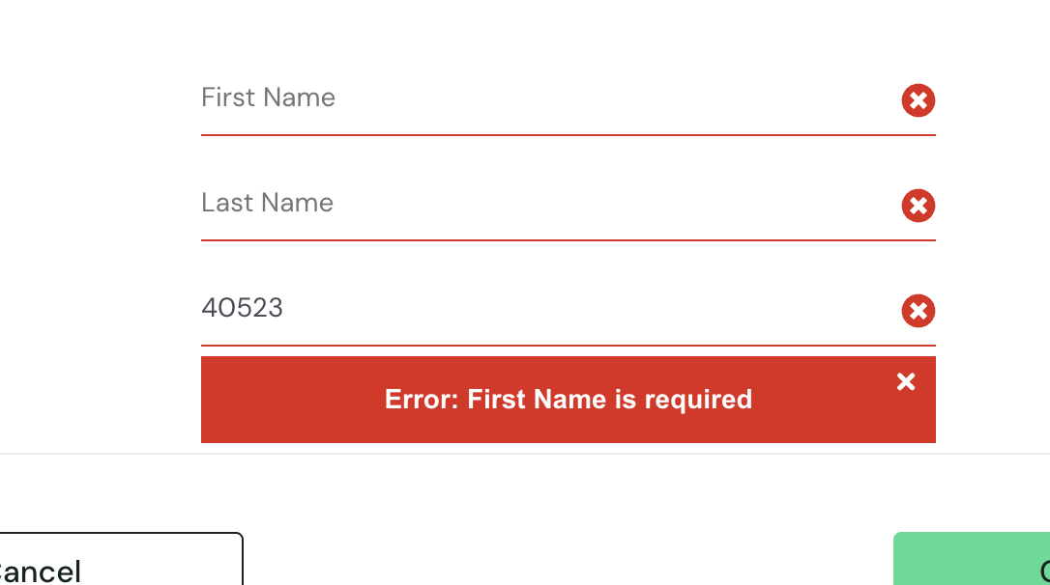 | New | 2026-06-27 | Rafif
PROB-IR-018 | Checkout Page | TC30 | Icon x ada pada setiap kolom, padahal hanya last name yang kosong, ada pesan tambahan pada error message dan pesan tidak dibawah masalah | Minor | Medium | Error karena sistem menampilkan indikator error ("X") pada semua kolom dan teks pesan error tidak sesuai ekspektasi saat field Last Name dikosongkan. Actual result: Sistem menampilkan indikator error ("X") pada semua kolom field last name tidak bisa diisi. Expected result: Sistem akan menampilkan pesan error "Last Name is required" di bawah kolom Last Name. Halaman saat ini tetap berada di halaman Checkout. Field last name dapat disii Kolom Last Name ditampilkan dengan warna merah dan terdapat ikon silang di ujungnya. Data test: Product: Sauce Labs Backpack First Name = "Asri" Last Name = {Empty} Zip/ Postal Code = "40523" | 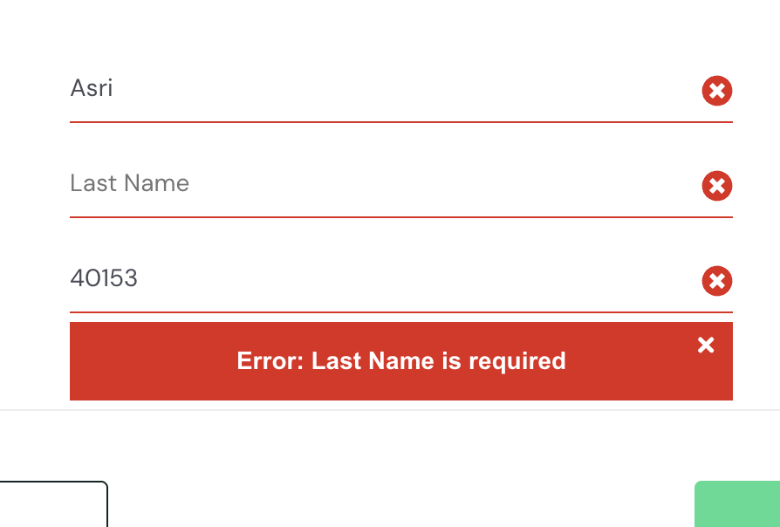 | New | 2026-06-27 | Rafif
PROB-IR-019 | Checkout Page | TC31 | Icon x ada pada setiap kolom, padahal hanya postal code yang kosong dan ada pesan tambahan pada error message | Minor | Medium | Error karena sistem menampilkan indikator error ("X") pada semua kolom, fieild last name tidak bisa diisi dan teks pesan error tidak sesuai ekspektasi saat field Postal Codedikosongkan. Actual result: Sistem menampilkan indikator error ("X") pada semua kolom, fileld last name dapat diisi dan teks pesan error tidak sesuai ekspektasi saat postal code Name dikosongkan. Expected result: Sistem akan menampilkan pesan error "Postal Code is required" di bawah kolom Postal Code. Halaman saat ini tetap berada di halaman Checkout. Kolom Postal Code ditampilkan dengan warna merah dan terdapat ikon silang di ujungnya. Data test: Product: Sauce Labs Backpack First Name = "Asri" Last Name = "Maspupah" Zip/ Postal Code = {Empty} |  | New | 2026-06-27 | Rafif
PROB-IR-020 | Checkout Page | TC32 | error message ada tambahan pesan, dan seharunsya seluruh field terdapat pesan error | Minor | Medium | Error pada pesan error tidak sesuai ekspektasi saat sleuruh filed dikosongkan. Actual result: Pesan error hanya dibawah postal code dengan error message "Error: First Name is required" Expected result: Sistem akan menampilkan pesan error "First Name is required" di bawah kolom First Name. Sistem akan menampilkan pesan error "Last Name is required" di bawah kolom Last Name. Sistem akan menampilkan pesan error "Postal Code is required" di bawah kolom Postal Code. Halaman saat ini tetap berada di halaman Checkout. Kolom Postal Code ditampilkan dengan warna merah dan terdapat ikon silang di ujungnya. Data test: Product: Sauce Labs Backpack First Name = {Empty} Last Name = {Empty} Zip/ Postal Code = {Empty} | 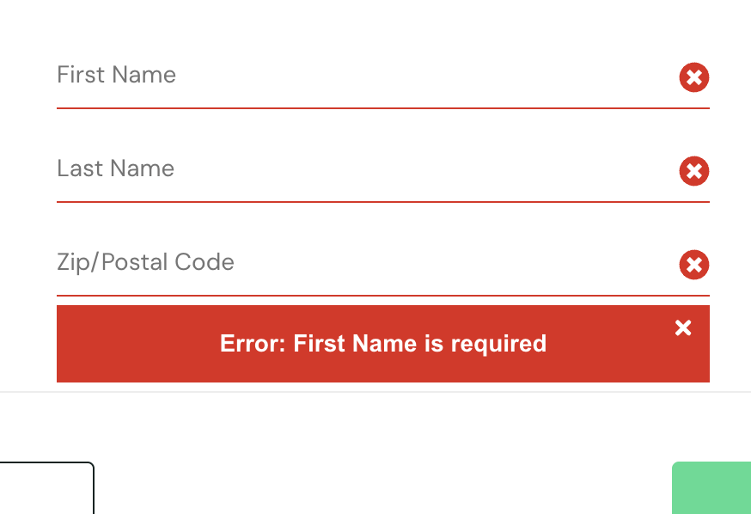 | New | 2026-06-27 | Rafif
PROB-IR-021 | Checkout Overview Page | TC34 | Tidak bisa testing tc34 karena tidak bisa mengisi filed last name | Critical | Critical | Error dikarenakan, field last name tidak bisa diisi Actual result: Field last name tidak bisa diisi pada form checkout Expected result: Halaman berpindah ke overview chekout Data test: Produc is 6 item 1. Name = Sauce Labs Backpack price = 29.99 2. Name = Sauce Labs Bike Light price = 9.99 3. Name = Sauce Labs Bolt T-Shirt price = 15.99 4. Name = Sauce Labs Fleece Jacket price = 49.99 5. Name = Sauce Labs Onesie price = 7.99 6. Name = Test.allTheThings() T-Shirt (Red) price = 15.99 First Name = "Asri" Last Name = "Maspupah" Zip/ Postal Code = "40523" | 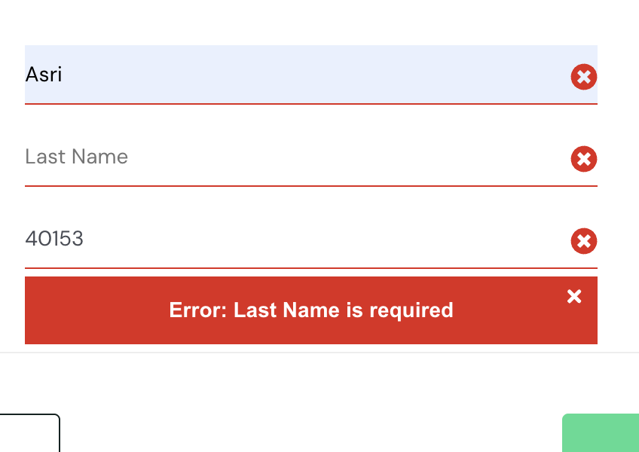 | New | 2026-06-27 | Rafif
PROB-IR-022 | Checkout Overview Page | TC35 | Tidak bisa testing tc35 karena tidak bisa mengisi filed last name | Critical | Critical | Error dikarenakan, field last name tidak bisa diisi Actual result: Field last name tidak bisa diisi pada form checkout Expected result: Halaman berpindah ke overview chekout dan dapat melakuakan checkout Data test: Produc is 6 item 1. Name = Sauce Labs Backpack price = 29.99 2. Name = Sauce Labs Bike Light price = 9.99 3. Name = Sauce Labs Bolt T-Shirt price = 15.99 4. Name = Sauce Labs Fleece Jacket price = 49.99 5. Name = Sauce Labs Onesie price = 7.99 6. Name = Test.allTheThings() T-Shirt (Red) price = 15.99 First Name = "Asri" Last Name = "Maspupah" Zip/ Postal Code = "40523" |  | New | 2026-06-27 | Rafif
PROB-IR-023 | Checkout Overview Page | TC36 | Tidak bisa testing tc36 karena tidak bisa mengisi filed last name | Critical | High | Error erjadi saat user mengisi form cart Actual result: tidak mengisi last name pada form cart Expected result: Sistem display Checkout page (sistem seharusnya mengarahkan user kembali ke cart page). Data test: Product is 6 item 1. Name = Sauce Labs Backpack, price = 29.99 2. Name = Sauce Labs Bike Light, price = 9.99 3. Name = Sauce Labs Bolt T-Shirt, price = 15.99 4. Name = Sauce Labs Fleece Jacket, price = 49.99 5. Name = Sauce Labs Onesie, price = 7.99 6. Name = Test.allTheThings() T-Shirt (Red), price = 15.99 Check Out Information First Name = "Asri" Last Name = "Maspupah" Zip/ Postal Code = "40523" |  | New | 2026-06-27 | Rafif
PROB-IR-024 | Checkout Overview Page | TC37 | Tidak bisa testing tc37 karena tidak bisa mengisi filed last name | Critical | Critical | Error erjadi saat user mengisi form cart Actual result: tidak mengisi last name pada form cart Expected result: Sistem display Checkout page (sistem seharusnya mengarahkan user kembali ke cart page). Data test: Product is 6 item 1. Name = Sauce Labs Backpack, price = 29.99 2. Name = Sauce Labs Bike Light, price = 9.99 3. Name = Sauce Labs Bolt T-Shirt, price = 15.99 4. Name = Sauce Labs Fleece Jacket, price = 49.99 5. Name = Sauce Labs Onesie, price = 7.99 6. Name = Test.allTheThings() T-Shirt (Red), price = 15.99 Check Out Information First Name = "Asri" Last Name = "Maspupah" Zip/ Postal Code = "40523" |  | New | 2026-06-27 | Rafif
PROB-IR-025 | Checkout Overview Page | TC38 | Tidak bisa testing tc38 karena tidak bisa mengisi filed last name | Critical | Critical | Error erjadi saat user mengisi form cart Actual result: tidak mengisi last name pada form cart Expected result: Sistem display Checkout page (sistem seharusnya mengarahkan user kembali ke cart page). Data test: Product is 6 item 1. Name = Sauce Labs Backpack, price = 29.99 2. Name = Sauce Labs Bike Light, price = 9.99 3. Name = Sauce Labs Bolt T-Shirt, price = 15.99 4. Name = Sauce Labs Fleece Jacket, price = 49.99 5. Name = Sauce Labs Onesie, price = 7.99 6. Name = Test.allTheThings() T-Shirt (Red), price = 15.99 Check Out Information First Name = "Asri" Last Name = "Maspupah" Zip/ Postal Code = "40523" |  | New | 2026-06-27 | Rafif
PROB-IR-026 | About menu | TC40 | page yang tertampil, 404 page not found | Major | High | Error terjadi saat user menekan tombol about pada menu Actual result: tertampil halaman 404 page not found Expected result: menampilkan page about author | 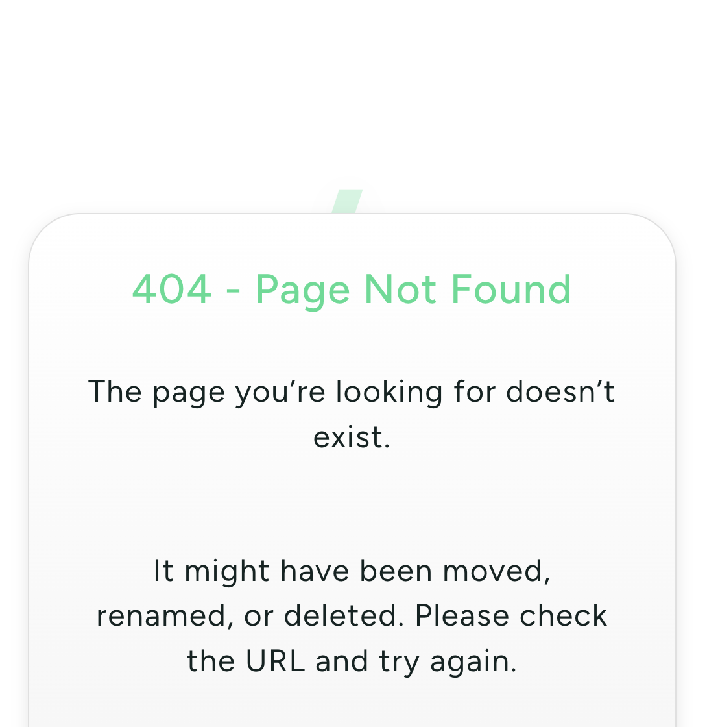 | New | 2026-06-27 | Rafif
PROB-IR-027 | Reset App State | TC42 | Tidak bisa melakukan testing tc42 karena filter tidak bisa digunakan | Major | Critical | Error terjadi saat user menggunakan fitur filter Actual result: filter dapat digunakan dan reset app state dapat ditesting Expected result: filter tidak dapat dugunakan dan reset app state dapat mengembalikan kedalam keadan awal |  | New | 2026-06-27 | Rafif
PROB-IR-028 | Reset App State | TC43 | Tidak bisa melakukan testing tc43 karena filter tidak bisa digunakan | Major | Critical | Error terjadi saat user menggunakan fitur filter Actual result: filter dapat digunakan dan reset app state dapat ditesting Expected result: filter tidak dapat dugunakan dan reset app state dapat mengembalikan kedalam keadan awal |  | New | 2026-06-27 | Rafif

