BugReport
Incident ID | Nama Fitur | Case ID | Bug Titte | Bug Severity | Bug Priority | Description on Issue | Bug Evidence | Status | Date Found | Reporter | Fixed By
STD-IR-001 | Login | TC03 | Terdapat tambahan infromasi pada pesan Password is required | Low | Trivial | Error terjadi saat user melakukan login dengan akun standard_user akan tetapi dengan password tidak diisi Actual result: pesan tidak sama dengan expected result terdapat tambahan pesan yang muncul menjadi "Epic sadface: Password is required". Expected result: pesan kesalahan seharusnya "Password is required", jika password kosong Data test: Username: standard_user Password: {empty} | 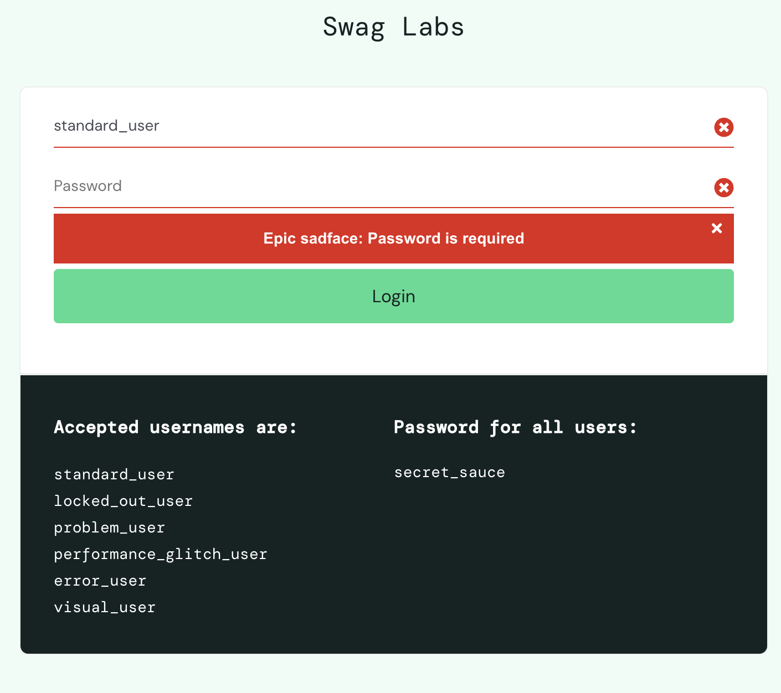 | New | 2026-06-27 | Rafif | -
STD-IR-002 | Login | TC04 | Terdapat tambahan infromasi pada pesan Username is required | Low | Trivial | Error terjadi saat user melakukan login dengan akun dikosongkan dengan password secret_sauce Actual result: pesan tidak sama dengan expected result terdapat tambahan pesan yang muncul menjadi "Epic sadface: Username is required". Expected result: pesan kesalahan seharusnya "Username is required", jika username kosong Data test: Username: {empty} Password: secrete_sauce | 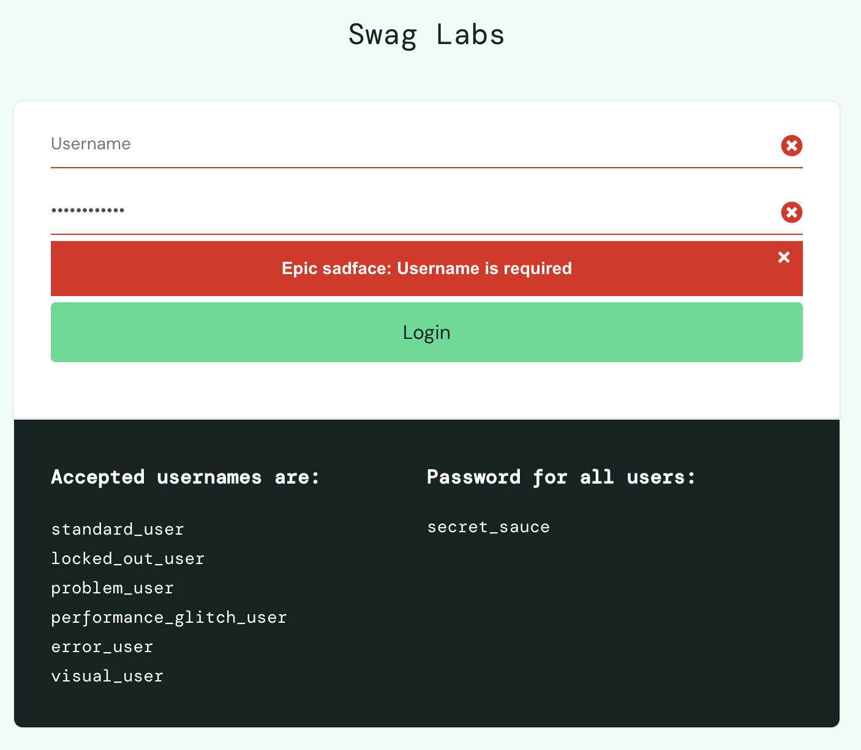 | New | 2026-06-27 | Rafif
STD-IR-003 | Login | TC05 | Tidak sesuai requaiment, pada saat user tidak mengisi username dan password | Low | Trivial | Error terjadi saat user melakukan login dengan akun dikosongkan dan password dikosongkan juga Actual result: pesan tidak sama dengan expected result terdapat tambahan pesan yang muncul menjadi "Epic sadface: Username is required" dan tidak dinyatakan juga jika Password is required. Expected result: pesan kesalahan seharusnya "Username and Password is required", jika User name dan password kosong Data test: Username: {empty} Password: {empty} | 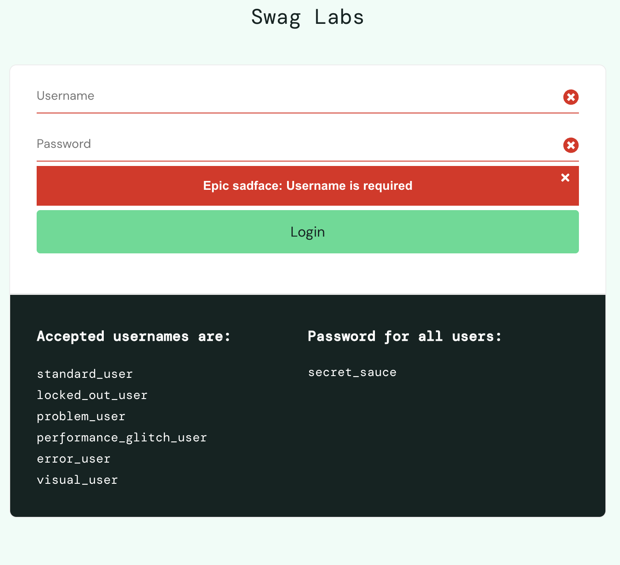 | New | 2026-06-27 | Rafif
STD-IR-004 | Login | TC06 | Terdapat tambahan infromasi jika password salah pada pesan Username and password do not match any user in this service | Low | Trivial | Error terjadi saat user melakukan login dengan akun standard_user dan password salah Actual result: pesan tidak sama dengan expected result terdapat tambahan pesan yang muncul menjadi "Epic sadface: Username and password do not match any user in this service" Expected result: pesan kesalahan seharusnya "Username and password do not match any user in this service", jika User name dan password kosong Data test: Username: standard_user Password: secret | 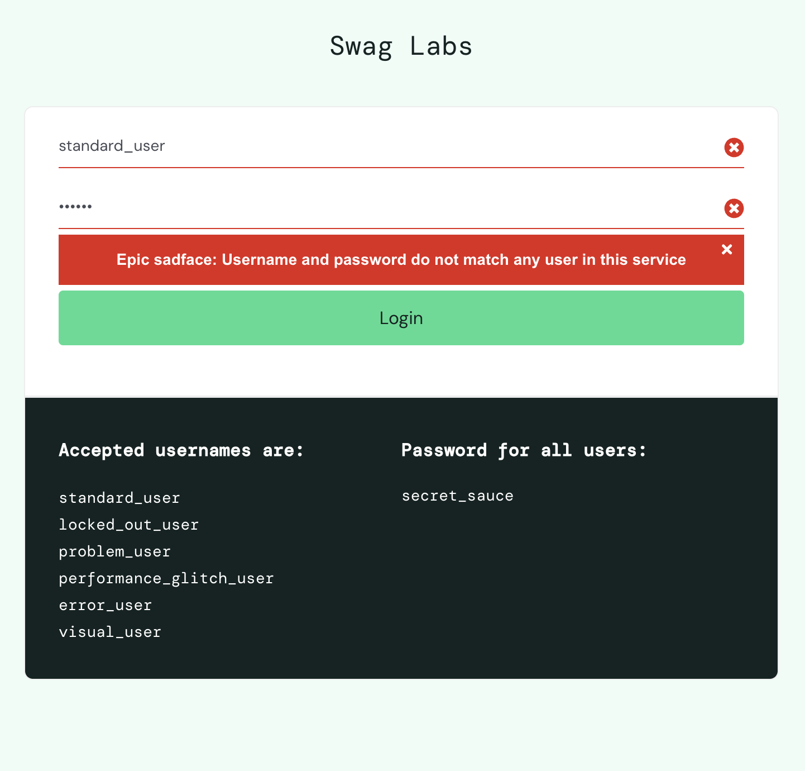 | New | 2026-06-27 | Rafif
STD-IR-005 | Login | TC07 | Terdapat tambahan infromasi jika username salah pada pesan Username and password do not match any user in this service | Low | Trivial | Error terjadi saat user melakukan login dengan akun yang salah dan password benar Actual result: pesan tidak sama dengan expected result terdapat tambahan pesan yang muncul menjadi "Epic sadface: Username and password do not match any user in this service" Expected result: pesan kesalahan seharusnya "Username and password do not match any user in this service", jika User name dan password kosong Data test: Username: standard Password: secret_sauce | 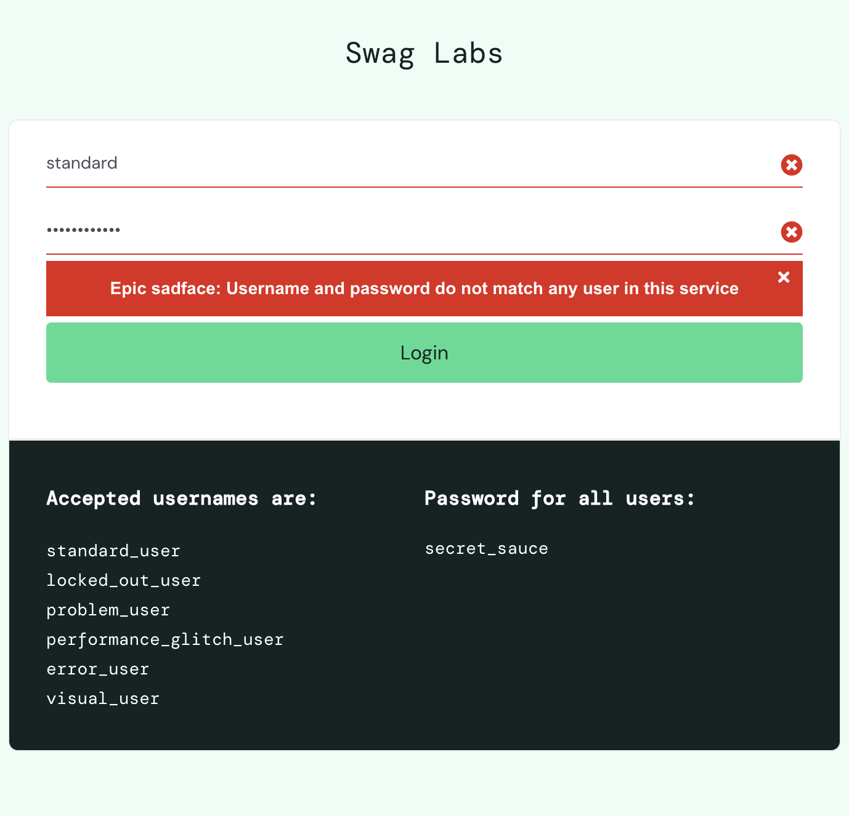 | New | 2026-06-27 | Rafif
Tombol masih aktif, padahal tidak ada product pada chart
STD-IR-006 | Cart Page | TC26 | Tidak adanya pesan "No product item ordered, User must order minimum one product", dan user dapat menekan tombol checkout | Major | High | Error karena tidak adanya throw error message "No product item ordered, User must order minimum one product" Actual result: pesan tidak sama dengan expected result yang seharusnya menampilkan throw error message "No product item ordered, User must order minimum one product" Expected result: terdapat pesan throw error message "No product item ordered, User must order minimum one product" Data test: Product: - | 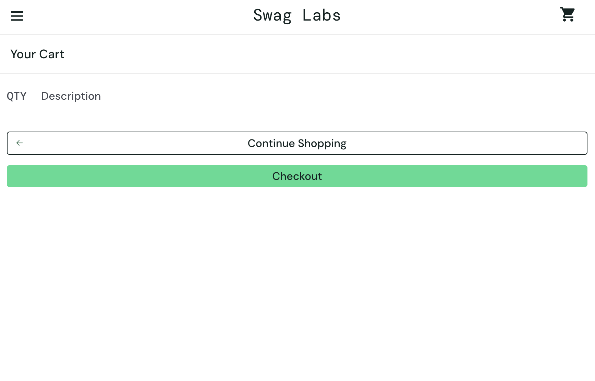 | New | 2026-06-27 | Rafif
STD-IR-007 | Checkout Page | TC29 | Icon x ada pada setiap kolom, padahal hanya firstname yang kosong, ada pesan tambahan pada error message dan pesan tidak dibawah masalah | Minor | Medium | Error karena sistem menampilkan indikator error ("X") pada semua kolom dan teks pesan error tidak sesuai ekspektasi saat field First Name dikosongkan. Actual result: Sistem menampilkan indikator error ("X") pada semua kolom dan teks pesan error tidak sesuai ekspektasi saat field First Name dikosongkan. Expected result: Sistem akan menampilkan pesan error "First Name is required" di bawah kolom First Name. Halaman saat ini tetap berada di halaman Checkout. Kolom First Name ditampilkan dengan warna merah dan terdapat ikon silang di ujungnya. Data test: Product: Sauce Labs Backpack First Name = {Empty} Last Name = "Maspupah" Zip/ Postal Code = "40523" | 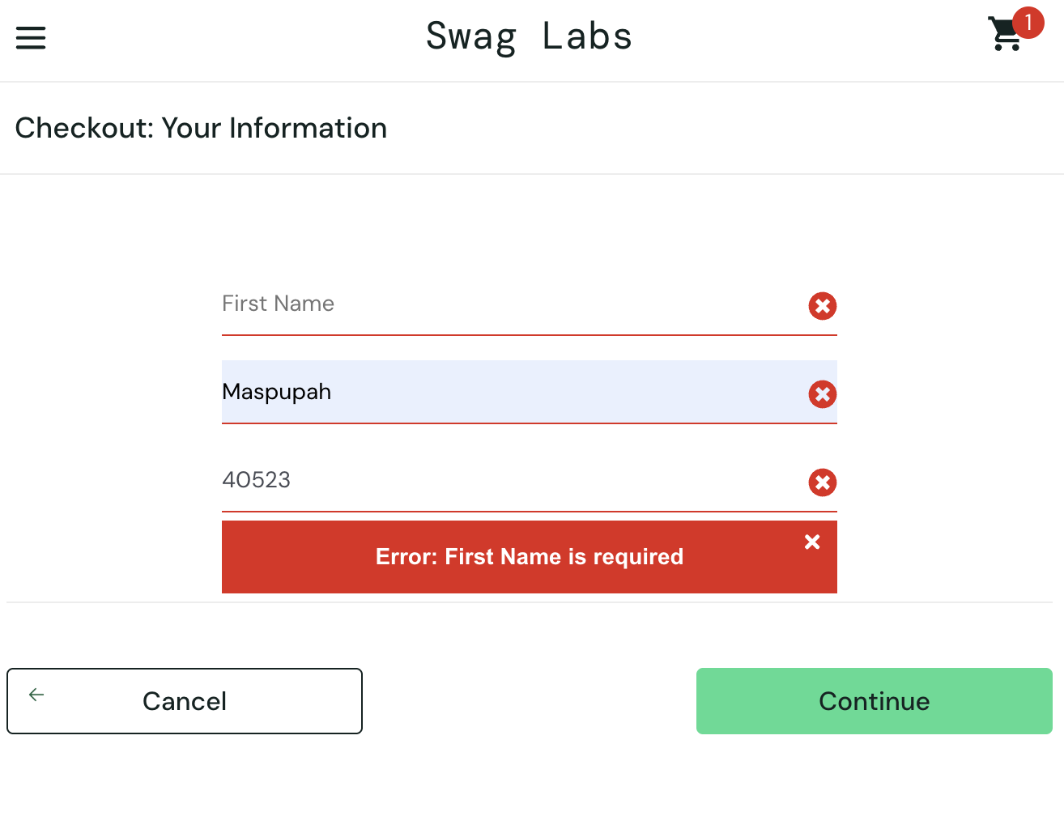 | New | 2026-06-27 | Rafif
STD-IR-008 | Checkout Page | TC30 | Icon x ada pada setiap kolom, padahal hanya last name yang kosong, ada pesan tambahan pada error message dan pesan tidak dibawah masalah | Minor | Medium | Error karena sistem menampilkan indikator error ("X") pada semua kolom dan teks pesan error tidak sesuai ekspektasi saat field Last Name dikosongkan. Actual result: Sistem menampilkan indikator error ("X") pada semua kolom dan teks pesan error tidak sesuai ekspektasi saat field Last Name dikosongkan. Expected result: Sistem akan menampilkan pesan error "Last Name is required" di bawah kolom Last Name. Halaman saat ini tetap berada di halaman Checkout. Kolom Last Name ditampilkan dengan warna merah dan terdapat ikon silang di ujungnya. Data test: Product: Sauce Labs Backpack First Name = "Asri" Last Name = {Empty} Zip/ Postal Code = "40523" | 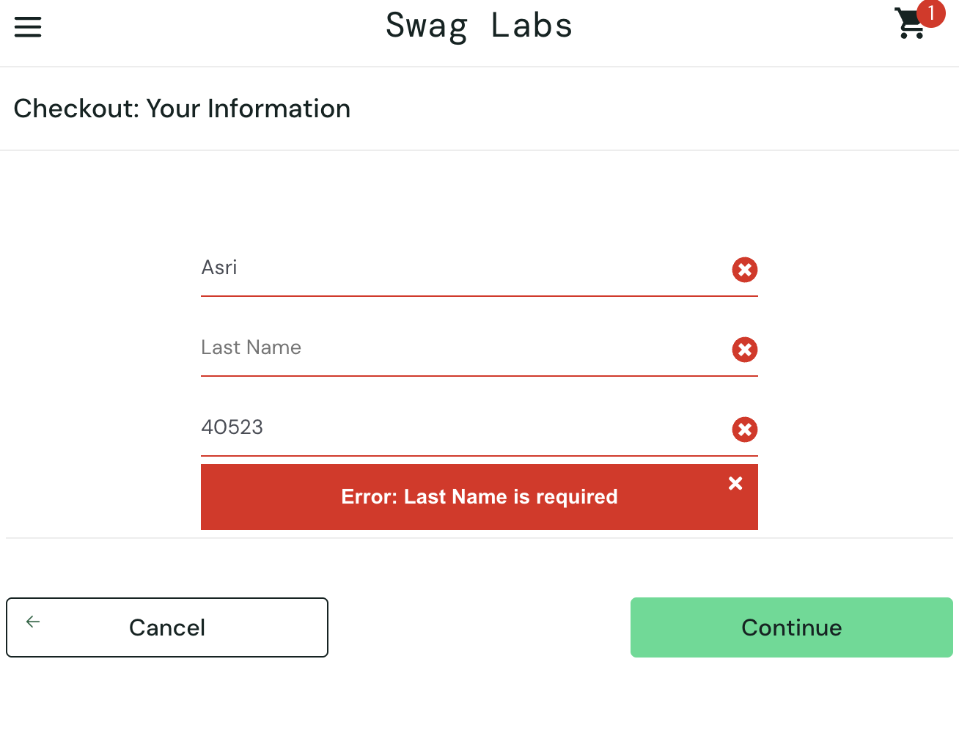 | New | 2026-06-27 | Rafif
STD-IR-009 | Checkout Page | TC31 | Icon x ada pada setiap kolom, padahal hanya postal code yang kosong dan ada pesan tambahan pada error message | Minor | Medium | Error karena sistem menampilkan indikator error ("X") pada semua kolom dan teks pesan error tidak sesuai ekspektasi saat field Postal Codedikosongkan. Actual result: Sistem menampilkan indikator error ("X") pada semua kolom dan teks pesan error tidak sesuai ekspektasi saat postal code Name dikosongkan. Expected result: Sistem akan menampilkan pesan error "Postal Code is required" di bawah kolom Postal Code. Halaman saat ini tetap berada di halaman Checkout. Kolom Postal Code ditampilkan dengan warna merah dan terdapat ikon silang di ujungnya. Data test: Product: Sauce Labs Backpack First Name = "Asri" Last Name = "Maspupah" Zip/ Postal Code = {Empty} | 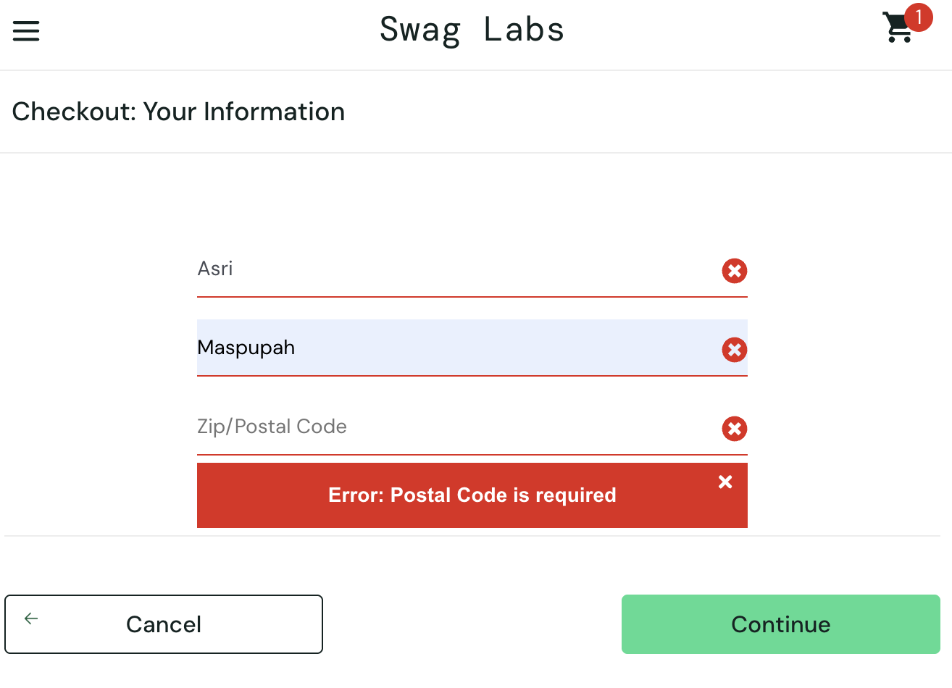 | New | 2026-06-27 | Rafif
STD-IR-010 | Checkout Page | TC32 | error message ada tambahan pesan, dan seharunsya seluruh field terdapat pesan error | Minor | Medium | Error pada pesan error tidak sesuai ekspektasi saat sleuruh filed dikosongkan. Actual result: Pesan error hanya dibawah postal code dengan error message "Error: First Name is required" Expected result: Sistem akan menampilkan pesan error "First Name is required" di bawah kolom First Name. Sistem akan menampilkan pesan error "Last Name is required" di bawah kolom Last Name. Sistem akan menampilkan pesan error "Postal Code is required" di bawah kolom Postal Code. Halaman saat ini tetap berada di halaman Checkout. Kolom Postal Code ditampilkan dengan warna merah dan terdapat ikon silang di ujungnya. Data test: Product: Sauce Labs Backpack First Name = {Empty} Last Name = {Empty} Zip/ Postal Code = {Empty} | 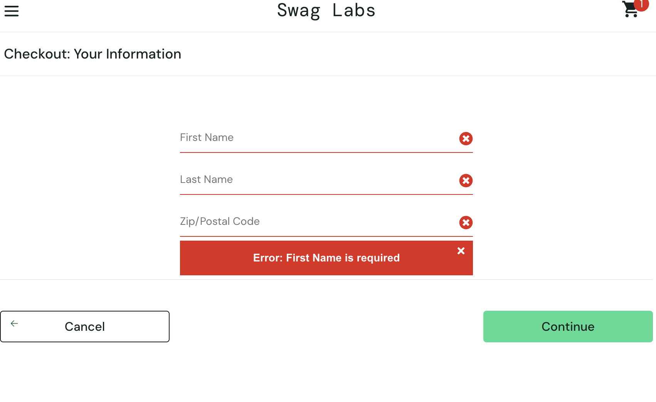 | New | 2026-06-27 | Rafif
Seharusnya menuju chart page
STD-IR-011 | Checkout Overview Page | TC36 | pada saat berada di overview page, user menekan tombol cancel, akan tetapi tidak kembali ke cart page | Minor | High | Error terjadi saat user menekan tombol Cancel pada halaman Checkout Overview. Actual result: Pada saat berada di Checkout Overview page, user menekan tombol cancel, akan tetapi tidak kembali ke Checkout page (atau Cart page). Expected result: Sistem display Checkout page (sistem seharusnya mengarahkan user kembali ke cart page). Data test: Product is 6 item 1. Name = Sauce Labs Backpack, price = 29.99 2. Name = Sauce Labs Bike Light, price = 9.99 3. Name = Sauce Labs Bolt T-Shirt, price = 15.99 4. Name = Sauce Labs Fleece Jacket, price = 49.99 5. Name = Sauce Labs Onesie, price = 7.99 6. Name = Test.allTheThings() T-Shirt (Red), price = 15.99 Check Out Information First Name = "Asri" Last Name = "Maspupah" Zip/ Postal Code = "40523" | 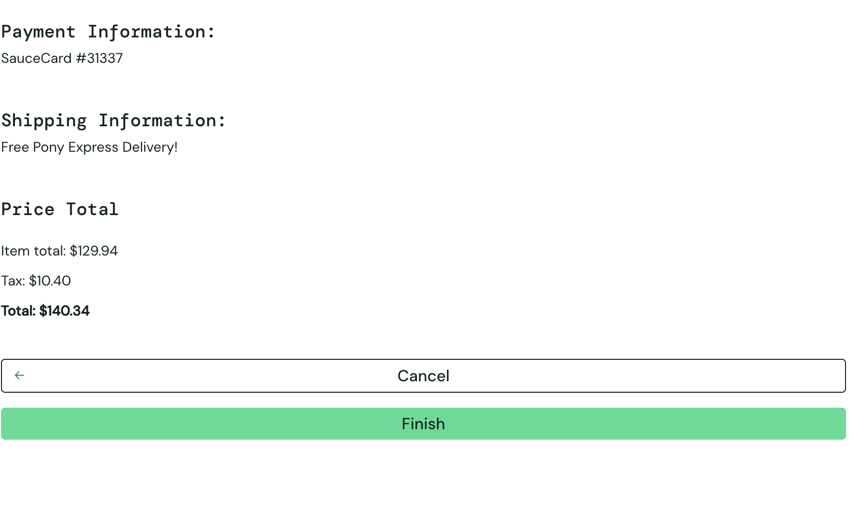 | New | 2026-06-27 | Rafif
STD-IR-012 | Reset App State | TC42 | Verify reset app state with case some product ordered is working properly | Minor | Medium | Error pada saat menekan tombol reset app state dan filter name z to a Actual result: Produk tetap terfilter z to a Expected result: Urutan produk kembali ke default, yakni a to z Data test: Filter: Name {Z to A} | 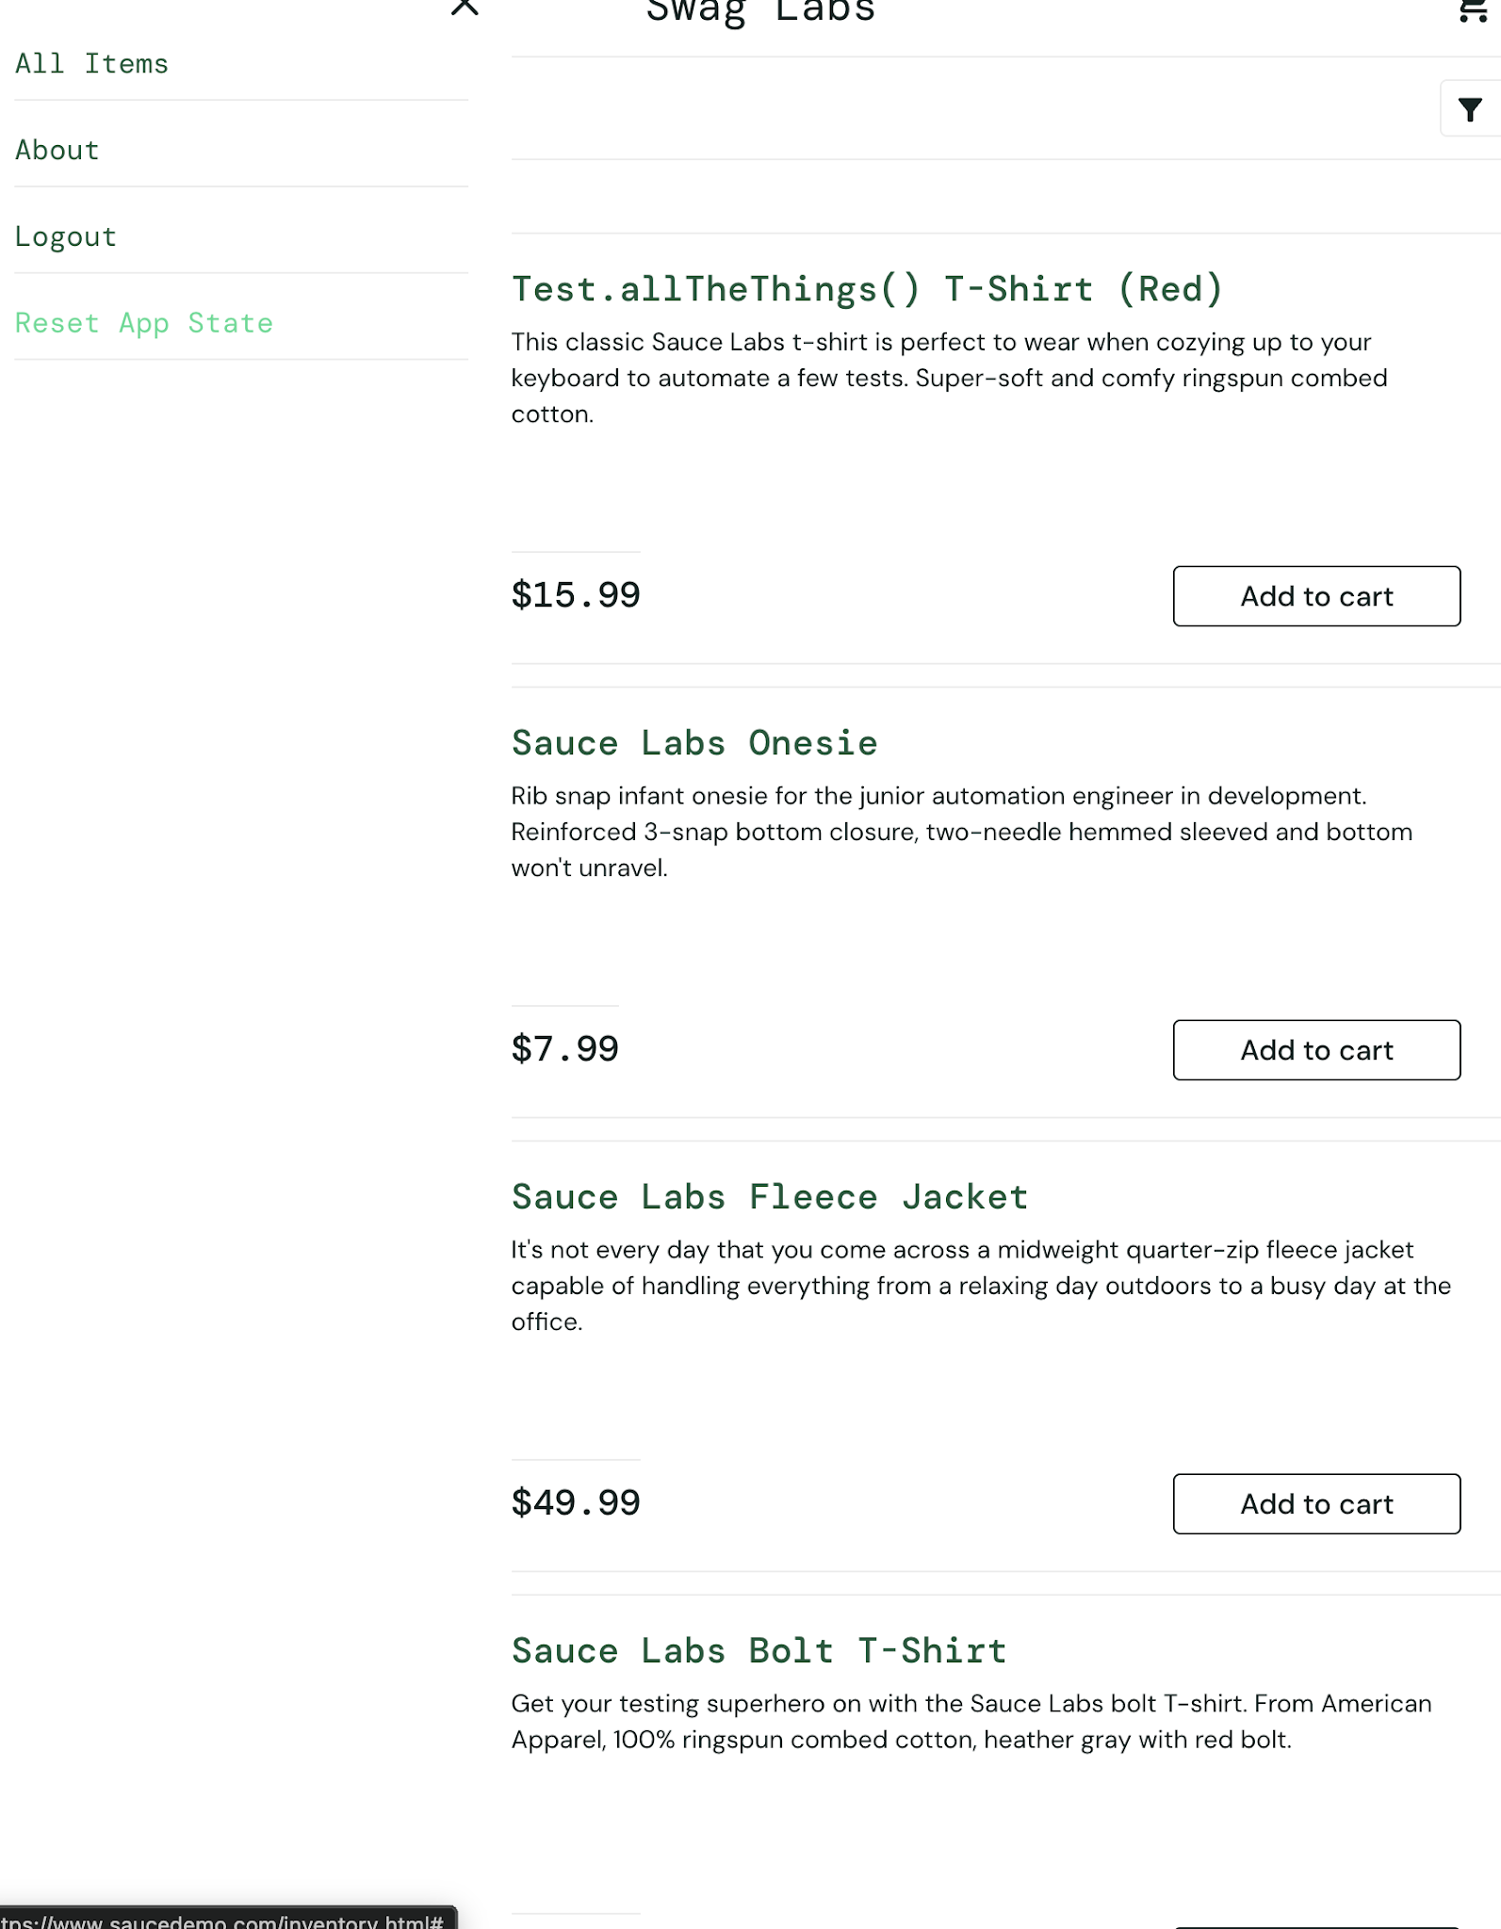 | New | 2026-06-27 | Rafif

