issues
Bug ID | Module Name | Title | Environment | Steps to reproduce | Expected Results | Actual Results | Bug Type | Priority | Severity | Screenshot / Video | Status | Requirement Traceability | Test Case
Facebug#1 | adding post | verefy user unable to add effect to the post video | Infinix HOT 9 Play | open Facebook app ,login your account home page , click on what's on your mined? click on photo icon , select your video from gallary Next , add effect to the photo ,Post | video is adding with effect | the app hanging | functional | low | medum | 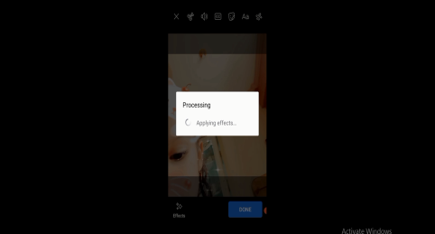 | new | FR1 : add posts | FaceGUI08
Facebug#2 | adding post | user unable to Remove tags from posts | Infinix HOT 9 Play | open Facebook app ,login your account from profile page click on manage posts select tags post , click on tags icon Remove tags | tage is Remove | tage tag icon unactive | functional | high | high |  | new | FR1 : add posts | Facepossetiv36
Facebug#3 | messeging | user unable to by send messege by pen icon to multi friend | Infinix HOT 9 Play | open Facebook app ,login your account click on messenger icon click on pen icon select your multi friend write your messege , click send | messege is sent to every friend in his praivte chat | messege is sent in new grope | functional | medum | medum |  |  | FR3 : messeging | FaceMessgGUI107

