READ ME
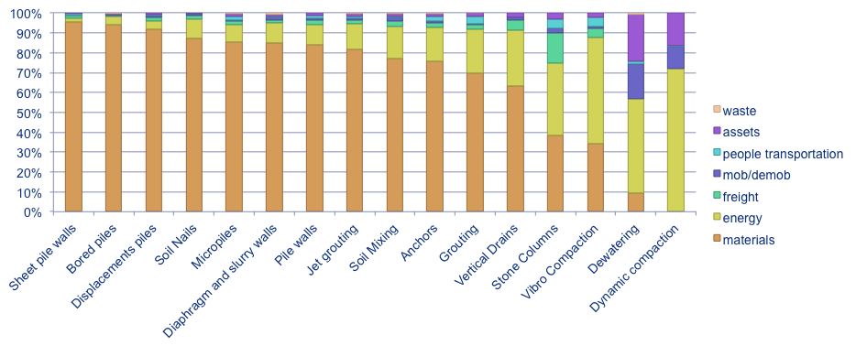
EFFC DFI Carbon Calculator Tool v4.0

TITLE |  | EFFC DFI Carbon Calculator Tool v4.0

AUTHORS |  | Jean-Yves Wilmotte |  | Carbone 4 | jean-yves.wilmotte@carbone4.com |  | www.carbone4.com
 |  | Sylvain Borie |  | Carbone 4 | sylvain.borie@carbone4.com

VERSION NUMBER |  | v4.0

Copyright |  | EFFC & DFI, 2012. All rights reserved.

DATE |  | 2020-09-01

Language |  |  | Emission factor database |  |  |  | Units system

 | English |  | EFFC DFI methodology recommended emission factors |  | Do not change the database unless you really need it |  | Metric system

WHAT IS THIS TOOL ?

 | This excel spreadsheet is a carbon emission calculator for deep foundation techniques and projects.
 | It has been developed to support EFFC and DFI members in calculating the carbon footprint of their projects, compare solutions and value technical innovation to reduce GHG emissions.
 | On behalf of EFFC DFI, Carbone 4 developed a specific methodology and this tool to ensure coherence and comparability between various companies calculation
 | Functionalities: calculation of the carbon footprint using standard or specific values, comparisons of projects, construction of complex project by adding simple techniques one to another.

HOW TO USE THIS TOOL ? SOME QUICK TIPS

Load your logo
 | 1) Please first make sure that you have the latest version of the tool - check EFFC relevant webpage. |  |  |  |  | http://www.geotechnicalcarboncalculator.com/
 | 2) Ensure you are trained to use this tool and understand its capabilities and limitations. Read the user guide and associated methodological document.
 | 3) Load your own logo in the tool
 | 4) Create one or more new subprojects using the "New Subproject sheet" button located in the HOME worksheet
 | a) Enter all information relative to your different projects in the yellow tabs. You can add, duplicate or remove as many yellow tabs as you like.
 | b) The input data for a given project are prioritised according to the technique used.
 | 5) Create one or more new projects using the "New Project sheet" button located in the HOME worksheet
 | A project is an ensemble of subprojects and projects
 | 6) Export the result in a A4 PDF document
 | 7) Compare different alternatives in the "Comparison" worksheet
Start

Color code
In all worksheets
 |  | Project input data (to be filled by user)
 |  | Coloured cells : non editable cells

Emission breakdown : Average results (based on samples studied to develop the methodology)

HOME
EFFC DFI Project Carbon Calculator

Kind of Worksheet | Purpose |  |  | Input | General Principles : emission sources are split into two categories : - primary emission sources (represented in colors) - secondary emission sources (represented in gray) The method recommends to start with the primary emission sources,with the secondary emission sources being automatically estimated. Then you may want to fine tune the calculation using specific activity data for the secondary emission sources also.
Subproject | Calculate the carbon footprint of a part of a project |  |  | Field activities data (USER SPECIFIED)
Project | Total other sheets |  |  | Subproject sheets Project sheets
Results | Extract the main data in a printable layout |  |  | Subproject sheets Project sheets
Comparison | Compare different projects or subprojects |  |  | Subproject sheets Project sheets

 | Create here your subproject sheets |  |  |  | Existing Subprojects | Existing Projects | Results sheets | Comparison sheets
A subproject sheet is a spreadsheet in which you enter all activity data regarding one technique.
 | Name
 | Technique | Pile walls |  | 1
 | Copy from |  | Leave empty to create an empty project
New Subproject sheet

 | Create here your projects sheets
A project sheet is a results sheet where you compare and consolidate subproject & projects sheets
 | Name

New Project sheet

 | Create here a results sheet

 | Name

New Results sheet

 | Create here your comparison sheets

 | Name
New Comparison sheet

 | Load your own logo
First time on this tool? Make sure your logo appears on the results page!
Load your logo

Disclaimer
Language

 | English

EFFC DFI Disclaimer

 |  | European Federation of Foundation Contractor (EFFC)
 |  | Deep Foundations Institute (DFI)
 |  | Carbone 4 (the “authors")
 |  | Carbon Calculator for Foundations (the “Calculator”)
 |  | Disclaimer

 | The Calculator has been designed without liability with the intention of assisting in the calculation of the carbon footprint of foundation projects.

 | Whilst we have taken steps to check the accuracy of the Calculator and its database, the EFFC, DFI and the authors of the Calculator do not give any warranty, guarantee, representation or other assurance as to: the operation, quality or functionality of the Calculator; the accuracy or completeness of the Calculator; or its fitness for any particular purpose.

 | To the fullest extent permissible by law, the EFFC, DFI and the authors of the Spreadsheet each disclaim all responsibility for any damages or losses (including, without limitation, financial loss, damages for loss in business projects, loss of profits or other consequential losses) arising in contract, or otherwise from the use of or inability to use the Calculator, or from any action or decision taken as a result of using the Calculator.

ACCEPT

