Sheet1
TC_ID | Title | Request URL | HTTP Method (GET/POST/PUT/DELETE) | Request Body | Auth Keys | Response | Validations
TC_001 | Returns the details of all the users | https://dummy.restapiexample.com/api/v1 | GET | NA | NA | Status Code=200,Status =success | 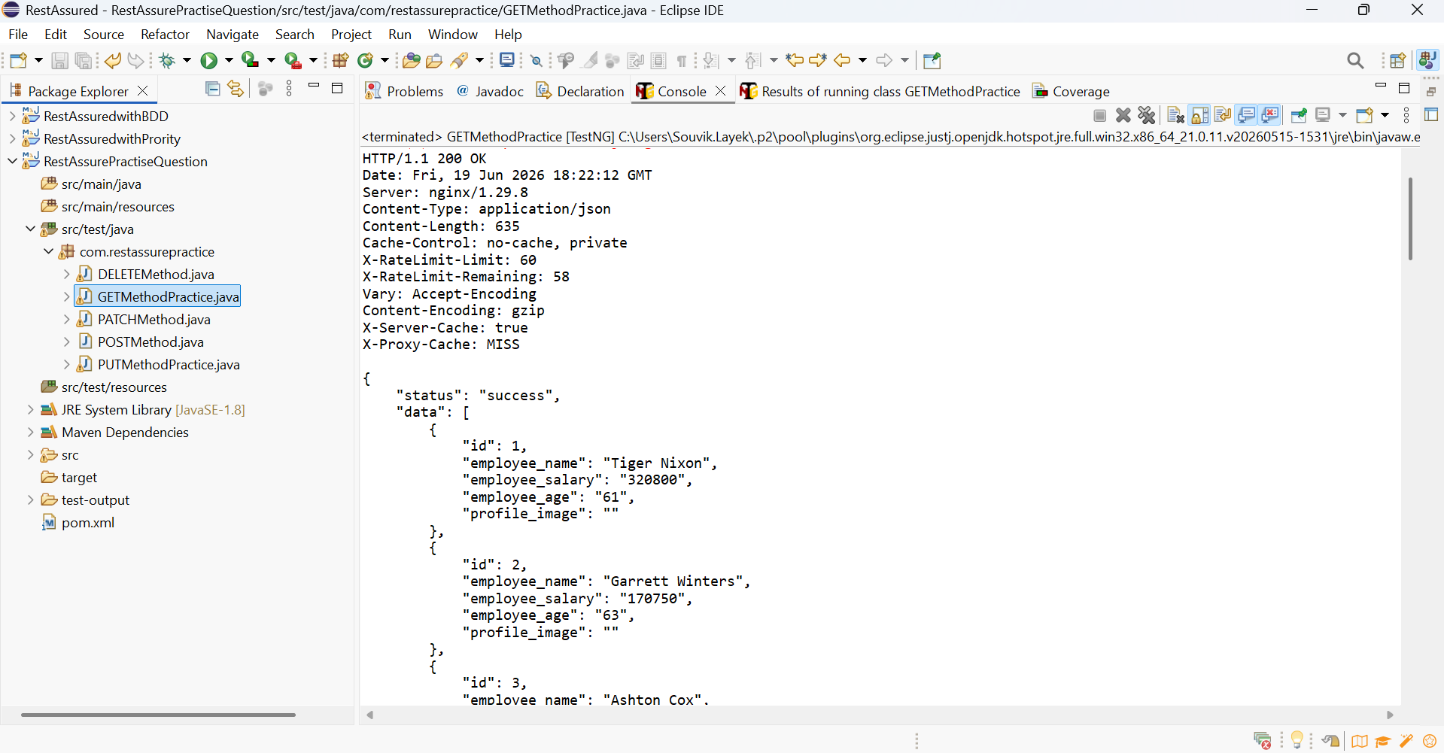
TC_002 | Add a new user to the database | https://reqbin.com/echo/post/json | POST | Name , body, userID | NA | 403 Forbidden | 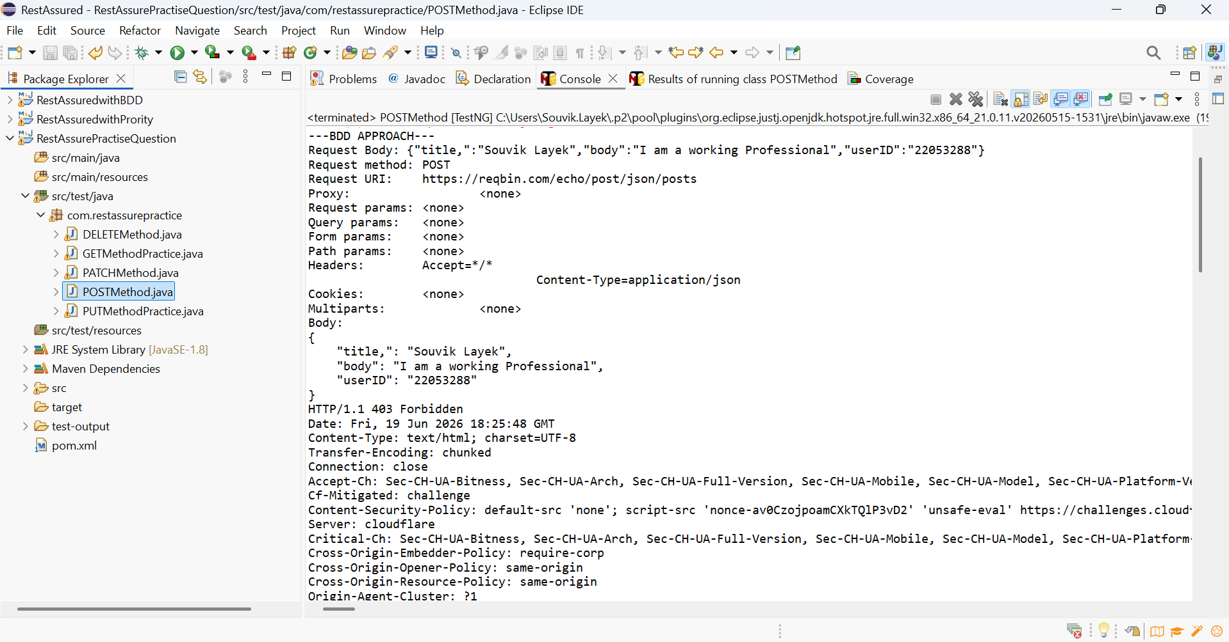
TC_003 | Returns the details of single user by ID | https://jsonplaceholder.typicode.com/ | PATCH | Title | NA | Status Code=200,Title Updated Successfully | 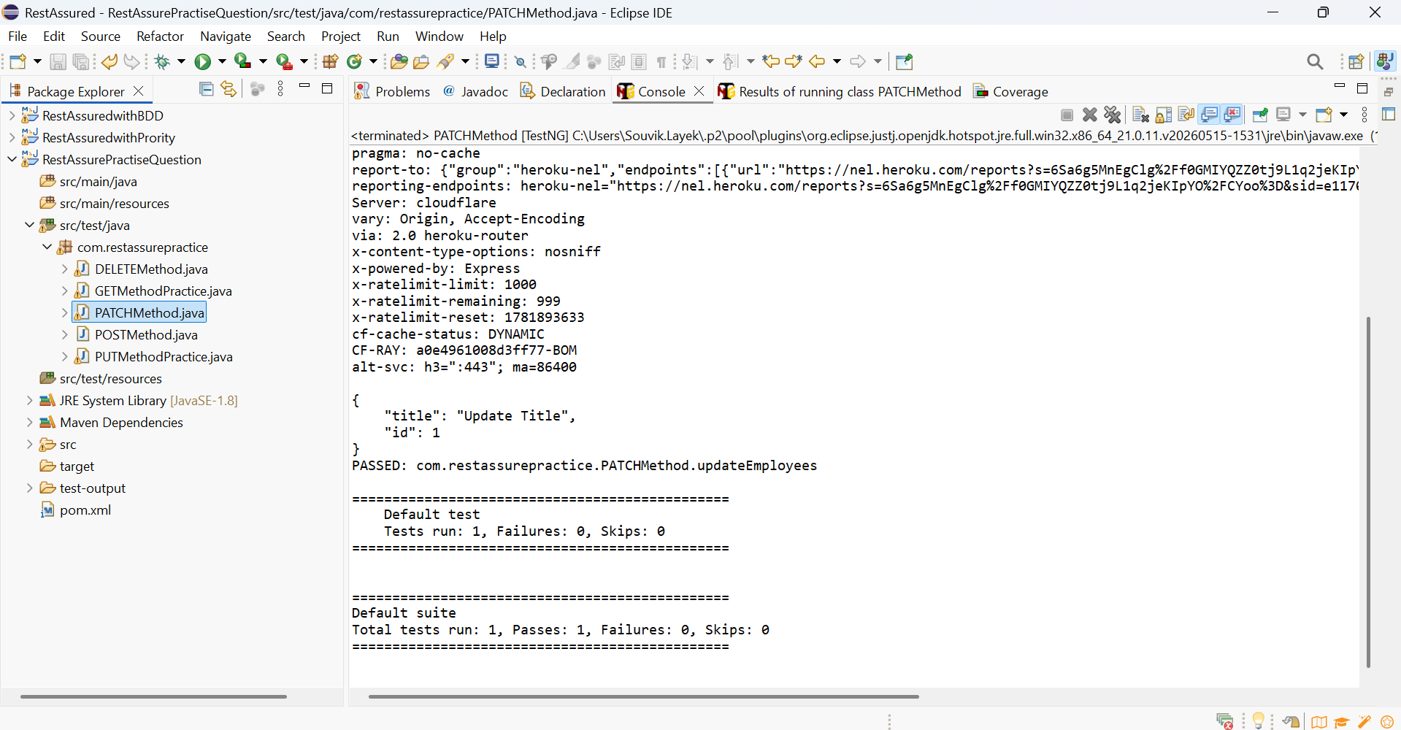
TC_004 | Update the user details | https://dummy.restapiexample.com/api/v1 | PUT | Name , Salary , Age | NA | Status Code=200,Status =success | 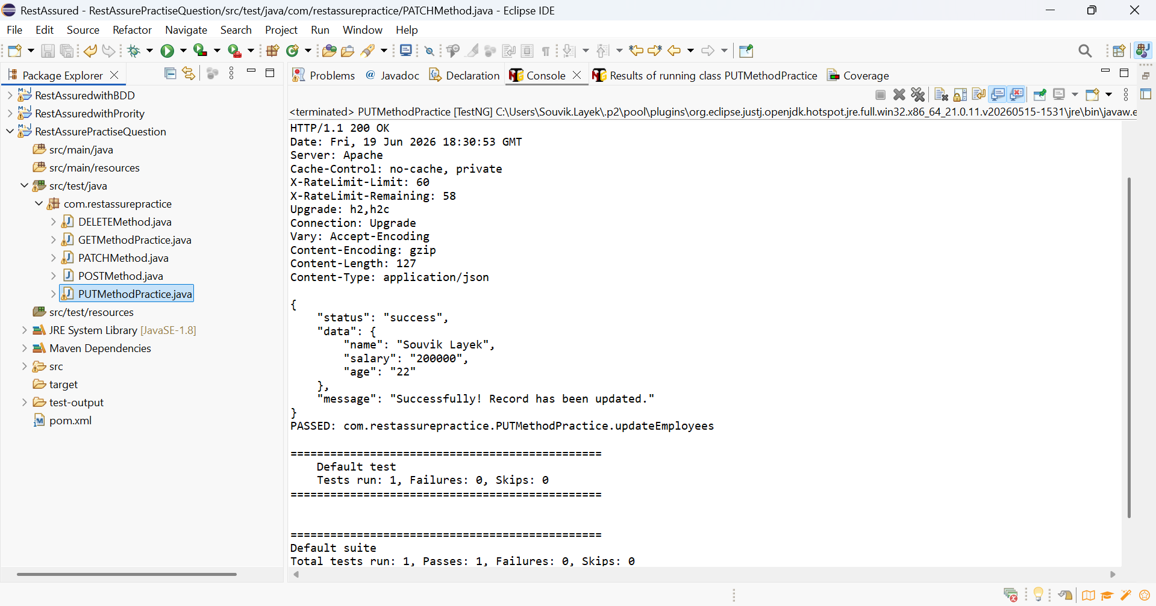
TC_005 | Delete the user | https://dummy.restapiexample.com/api/v1 | DELETE | NA | NA | Status Code=200,Status =success | 