Defect Report-AutomationExercis
Defect ID | Defect Description | Steps to Reproduce | Priority | Severity | Status | Created By | Assigned To | Screenshot
1 | Registration form accepts invalid input such as numbers in Name field and less than 10 digits in Mobile number field | 1. User should open Microsoft Edge browser 2. Launch https://automationexercise.com 3. Click on ‘Signup / Login’ 4. Enter Name as numeric value 5. Enter Email and click Signup 6. Fill remaining details 7.Enter Mobile Number with less than 10 digits 8.Click on ‘Create Account’ 9.Observe system behavior | High | Major | New | Ananya Pattanaik | Raghavendra BN | 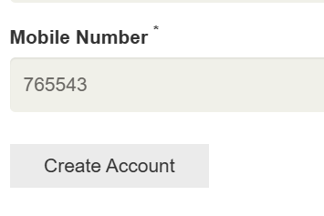
2 | Password field accepts weak password without validation | 1. User should open Microsoft Edge browser 2. Launch https://automationexercise.com 3. Click on Signup 4. Enter Name and Email and click Signup 5. Enter a weak password such as “12345” or “abc” 6. Fill remaining required details and Click on Create Account 7.Observe system behavior | High | Major | New | Ananya Pattanaik | Raghavendra BN | 
3 | Product search shows irrelevant results | 1. User should open Microsoft Edge browser 2. Launch https://automationexercise.com 3. User should Click on Products 4. User should Enter keyword like “Shirt” 5. Click search 6. Observe results | High | Critical | New | Ananya Pattanaik | Raghavendra BN | 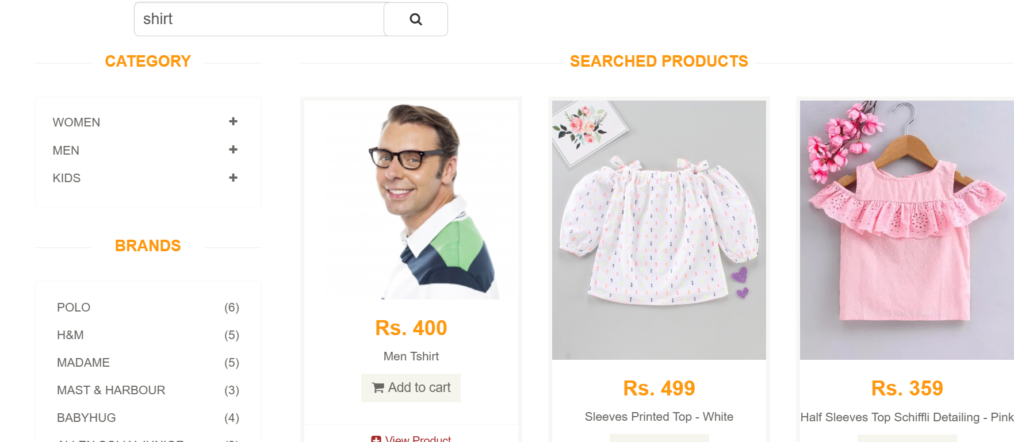
4 | Cart page does not clearly display remove/delete option, causing confusion in user interaction | 1. User should open Microsoft Edge browser 2. Launch https://automationexercise.com 3. User should Add product to cart 4. User should Navigate to cart page 5. Try to find remove/delete option 6. Observe cart behavior 7.Remove product 8.Observe that cart becomes empty but remove option is not clearly visible | Medium | Minor | New | Ananya Pattanaik | Raghavendra BN | 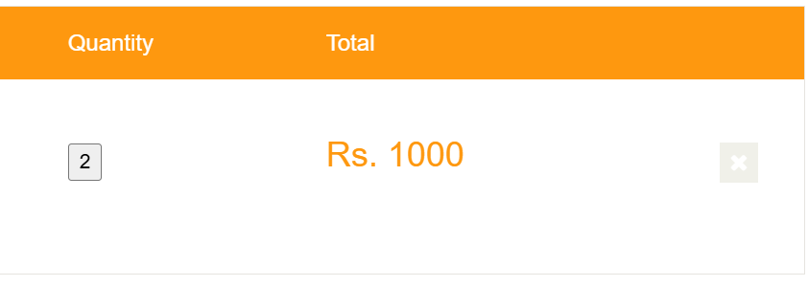 
5 | No confirmation message displayed after successful logout | 1. User should open Microsoft Edge browser 2. Launch https://automationexercise.com 3.User should be logged in 4. User Clicked on Logout button 5. Observe system behavior | Low | Minor | New | Ananya Pattanaik | Raghavendra BN | 