Defect Report-CaseStudy
Defect ID | Defect Description | Steps to Reproduce | Priority | Severity | Status | Created By | Assigned To | Screenshot
1 | System allows placing order with invalid input values | 1. Launch https://www.demoblaze.com 2. Add product to cart 3. Navigate to Cart page 4.Click on Place Order 5. Enter invalid value (Card: 123) 6. Click Purchase 7.Observe confirmation | High | Critical | New | Ankita Priyadarshini Rout | Raghavendra BN | 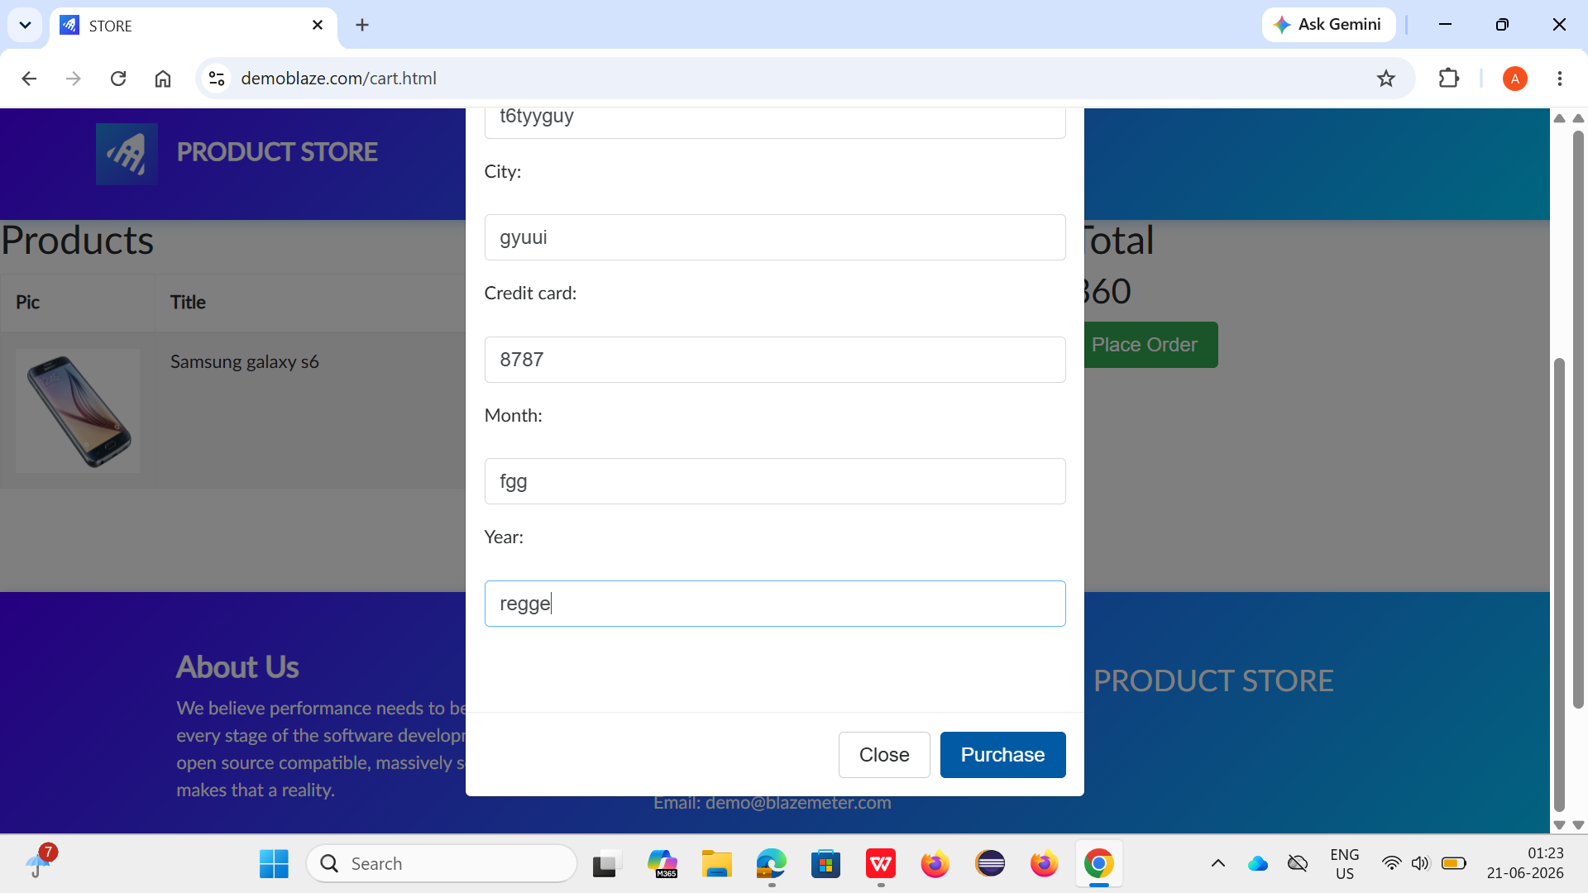
2 | System allows placing order even when cart is empty | 1. Launch https://www.demoblaze.com 2. Do not add any product 3. Go to Cart page 4. Click Place Order 5. Enter valid details 6. Click Purchase 7.Observe order placement | High | Critical | New | Ankita Priyadarshini Rout | Raghavendra BN | 
3 | Application does not validate mandatory fields in Place Order form | 1. Launch website 2. Add product to cart 3. Go to Cart thenPlace Order 4. Leave fields like Country/City blank 5. Click Purchase 6. Observe response | High | Critical | New | Ankita Priyadarshini Rout | Raghavendra BN | 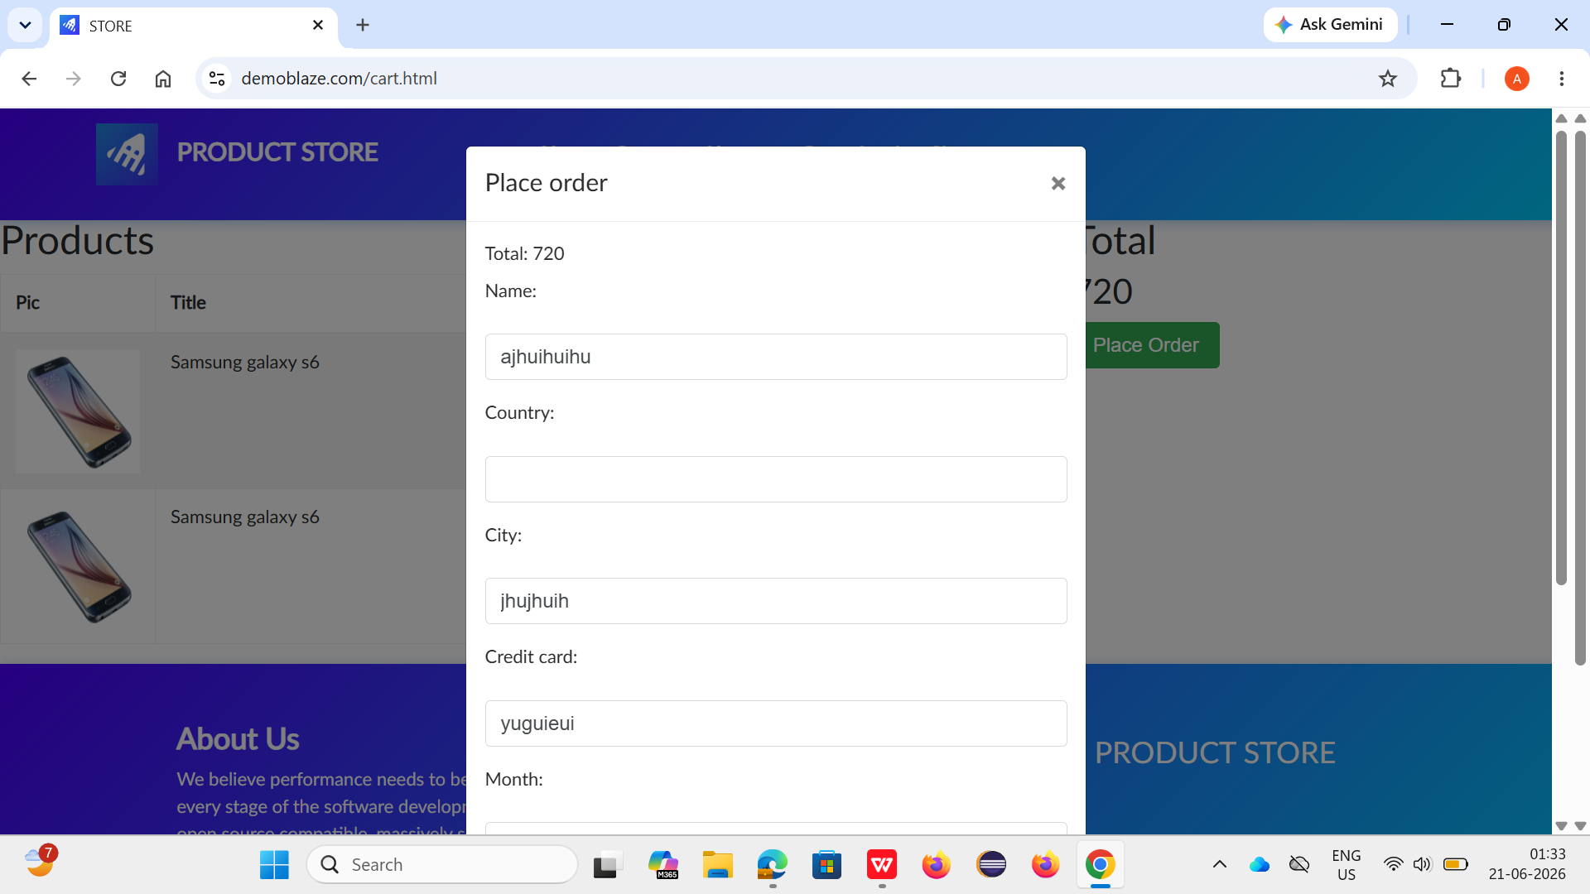
4 | No confirmation message displayed after deleting product from cart | 1. Launch website 2. Add product to cart 3. Navigate to Cart page 4. Click Delete button 5. Observe system response | Medium | Major | New | Ankita Priyadarshini Rout | Raghavendra BN | 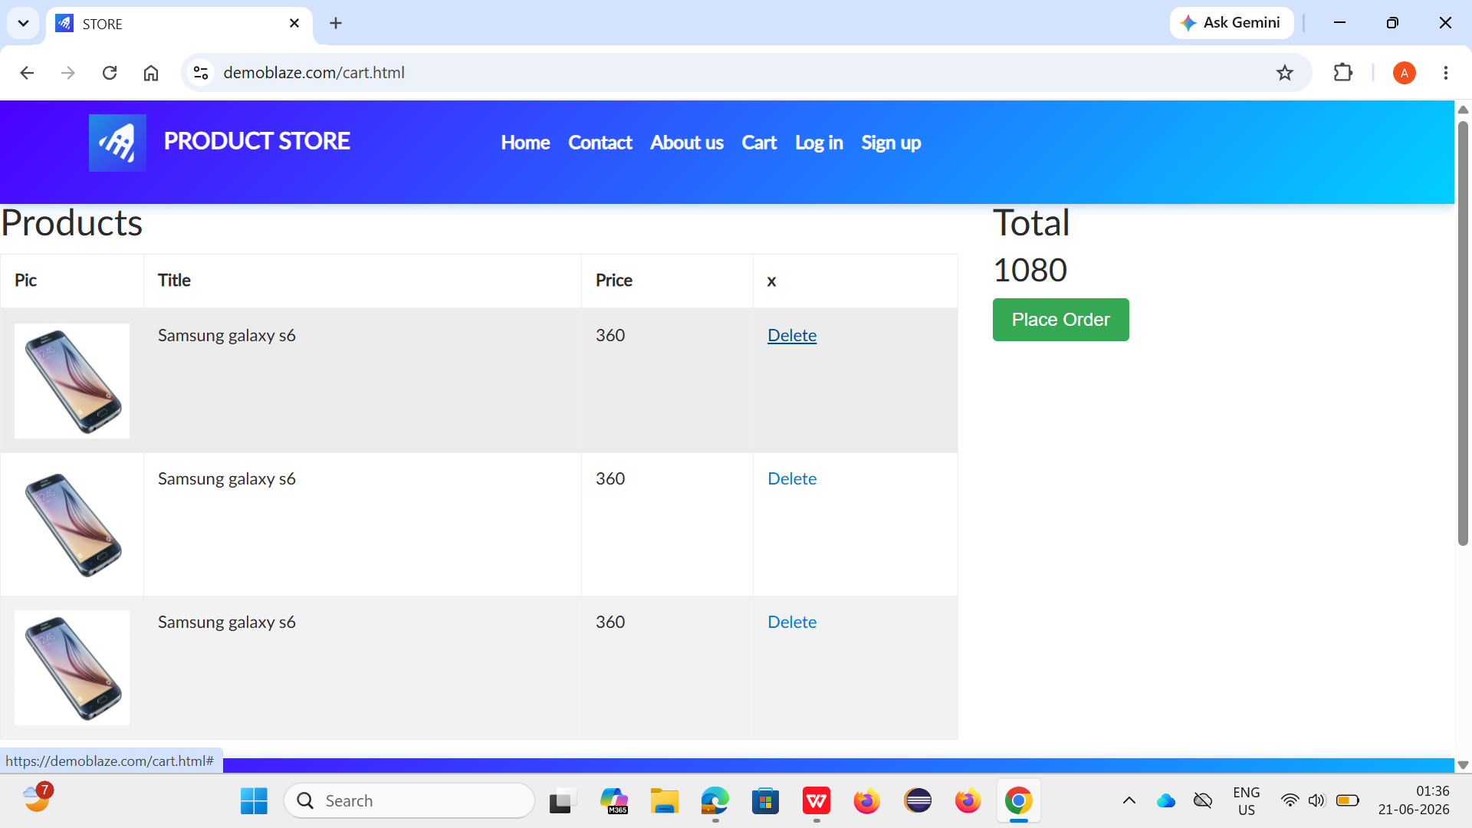
5 | System generates multiple order confirmations with different order IDs when Purchase button is clicked repeatedly | 1.Launch https://www.demoblaze.com 2. Add product to cart 3.Navigate to Cart page 4.Click on Place Order 5. Enter valid details 6.Click Purchase button multiple times quickly 7.Observe confirmation popup details | Medium | Major | New | Ankita Priyadarshini Rout | Raghavendra BN | 