Sales by gender
Sum of Total Sales | Column Labels
Row Labels | Beauty | Clothing | Electronics | Grand Total
Female | £74,830 | £81,275 | £76,735 | £232,840
2023 | £74,830 | £81,275 | £76,735 | £232,840
Male | £68,685 | £74,305 | £80,170 | £223,160
2023 | £67,185 | £74,305 | £80,140 | £221,630
2024 | £1,500 |  | £30 | £1,530
Grand Total | £143,515 | £155,580 | £156,905 | £456,000

Sales by Gender
 | Beauty | Clothing | Electronics
2023 | £74,830 | £81,275 | £76,735
2023 | £67,185 | £74,305 | £80,140
2024 | £1,500 |  | £30

Sheet1
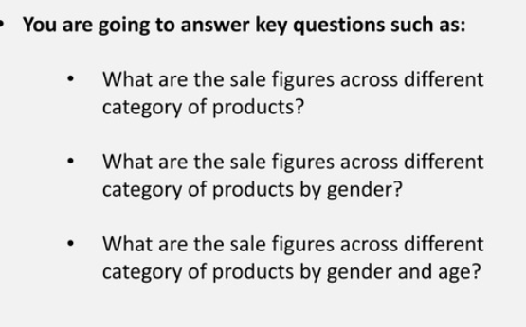
Sum of Total Sales | Generation
Product Category | Adult | Senior | Young Adult | Grand Total
Beauty | 63720 | 34085 | 45710 | 143515
Clothing | 59840 | 47070 | 48670 | 155580
Electronics | 56340 | 62000 | 38565 | 156905
Grand Total | 179900 | 143155 | 132945 | 456000

