Datasheet
Technical Datasheet
Author: Changyang Li
Catalogue Information |  |  |  | 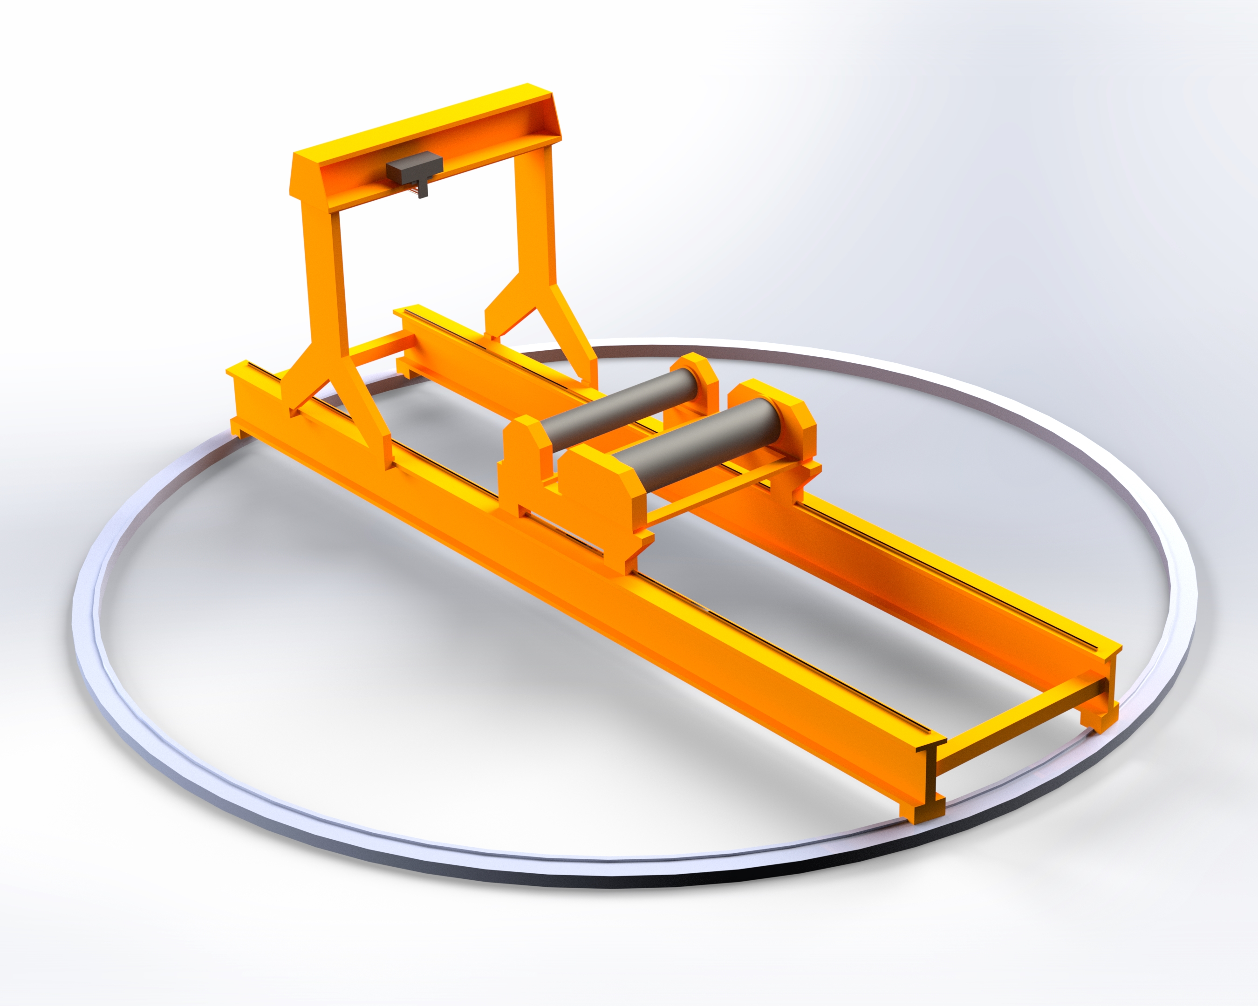 Polar Crane Dummy CAD model
Item Name: |  | Overhead Gantry/ Polar Crane System
Human Engineering Label: |  | RMS-01

System Description
A crane system consists of one or more cross beams on which the hoist and trolley are attached. The crane is moving on a framework (integrated with building infrastructures to work indoors or has its leg for operating outdoors). It is commonly employed in factories or warehouse applications. The Overhead Gantry Crane system is classified into two types: light-duty (~200 tons) for inspection and in-situ repair; and heavy-duty (~2000 tons) for lifting and replacements

Key Design Information
a) Dimensional Information
Parameter | Unit |  | Value | Reference | Notes
Height | mm |  | 12600 | [1] | 1
Width | mm |  | 11400 | [1] | 1
Length | mm |  | 40750 | [1] | 1
Mass | tons |  | 200 - 500 | [1] | 5
b) Other Information
Min Operating Temperature | °C |  | 20 | [1]
Max Operating Temperature | °C |  | 100 | [1]
Operating Pressure | Pa |  | 101325 | [1] | 4
Minimum Span | mm |  | 40750 | [1] | 1, 2
Minimum Lifting Height | mm |  | 34000 | [1] | 1
Maximum Lifting Capacity | tons |  | 2000 | [1] | 3
Gantry Travel Speed | m/min |  | 30 | [1] | 5
Trolley Travel Speed (no load) | m/min |  | 10-20 | [1] | 5
Trolley Travel Speed (with load) | m/min |  | 3-6 | [1] | 5

Manufacturer Information
Manufacturer: |  | KONECRANES
Model: |  | Nuclear Polar Cranes/ Goliath Gantry Crane
Website: |  | Nuclear Polar Crane Product
 |  | Goliath Gantry Crane Product Brochure
Notes
1. The size of the Overhead Gantry/ Polar Crane refers to the total length of the beam and the crane that can cover a minimum diameter of the upper port area 2. The crane's span is the length of the runway beam. The maximum span is determined based on the Cryostat diameter 3. The maximum lifting capacity is based on the suggested heavy-duty crane type to lift the central solenoid magnet and BioShield plug, which already covered the light-duty crane 4. At dry air with atmospheric pressure 5. Parameters based on existing products in the market and compared with In-BioShield space reservations

References
[1] KONECRANES, “Typical Technical Specifications - Offering for shipyards,” 2021. [Online]. Available: https://www.konecranes.com/sites/default/files/2021-11/Konecranes_Typical_Shipyards_Offering_V21_27_09_2021.pdf

