Monthly Revenue
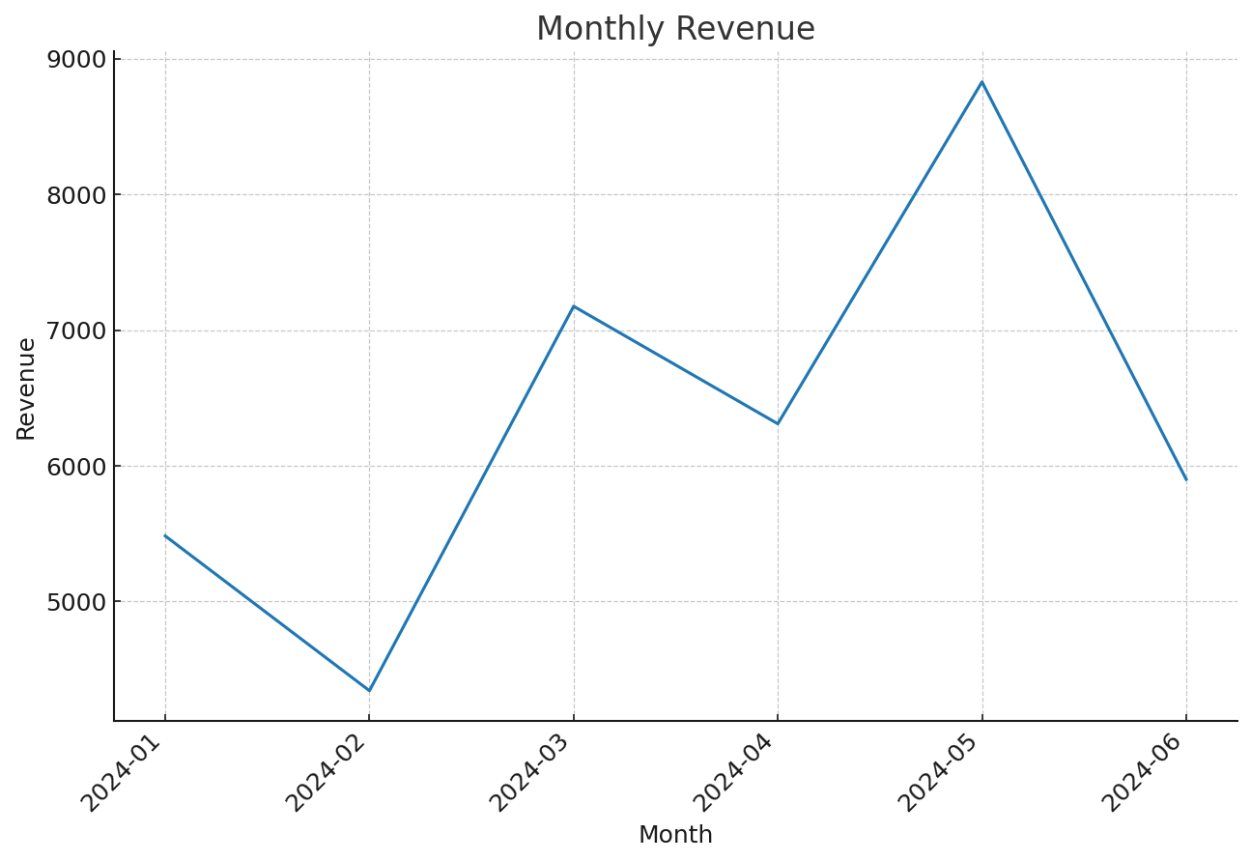
YearMonth | Revenue
2024-01 | 5482.53
2024-02 | 4342.19
2024-03 | 7175.09
2024-04 | 6309.12
2024-05 | 8828.55
2024-06 | 5900.08

Top Items
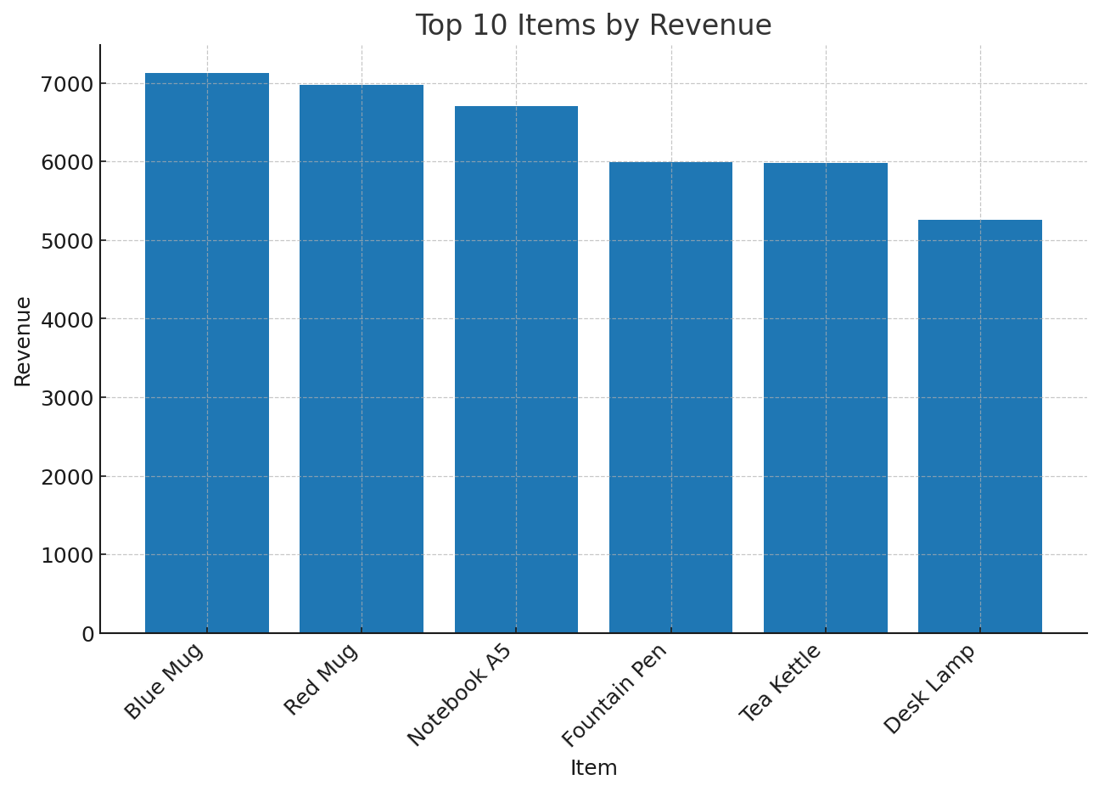
ItemDescription | Revenue
Blue Mug | 7126.58
Red Mug | 6973.8
Notebook A5 | 6707.53
Fountain Pen | 5989.93
Tea Kettle | 5983.44
Desk Lamp | 5256.28

Country Revenue
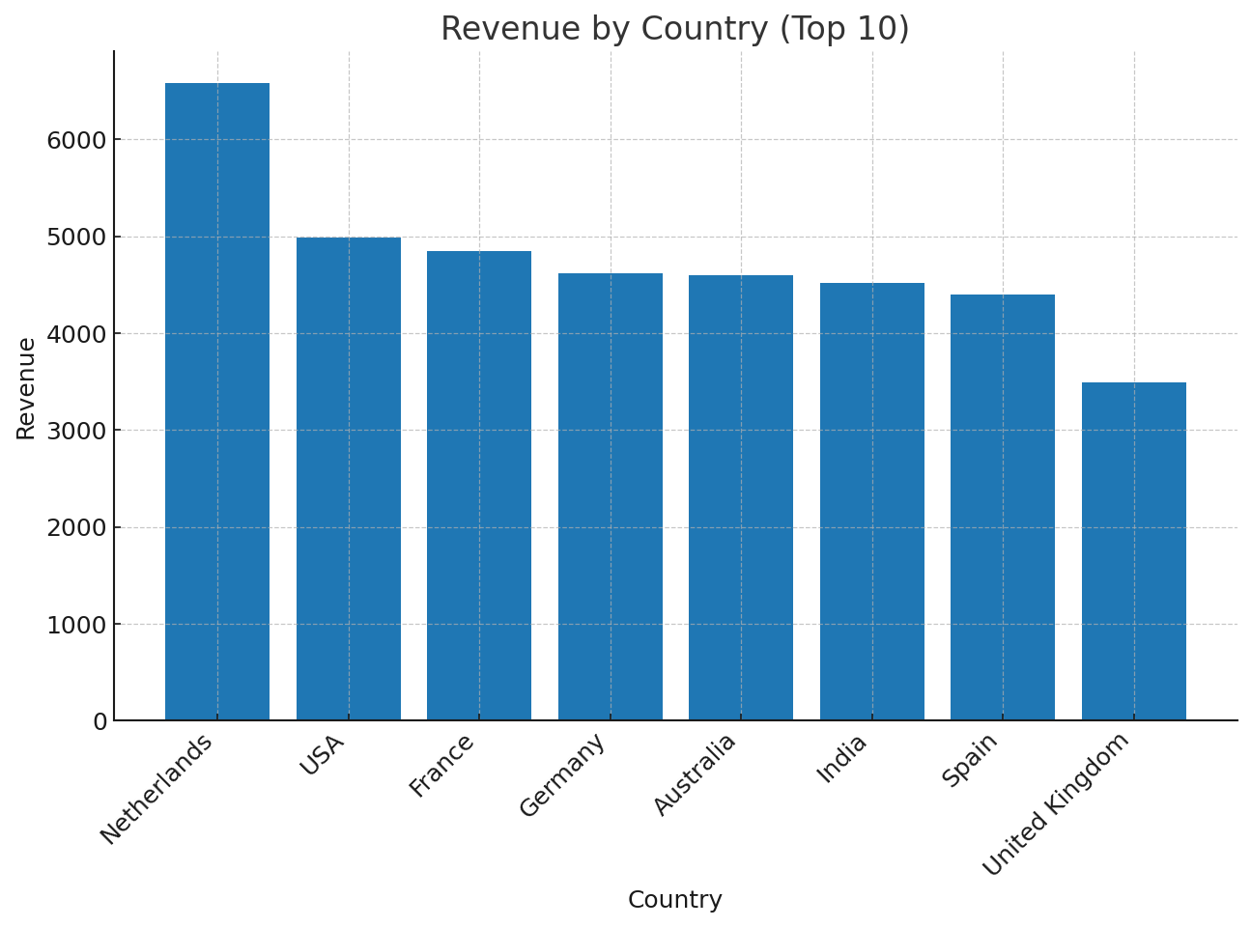
Country | Revenue
Netherlands | 6577.22
USA | 4991.27
France | 4844.99
Germany | 4620.21
Australia | 4593.16
India | 4519.74
Spain | 4398.44
United Kingdom | 3492.53

Hourly Revenue
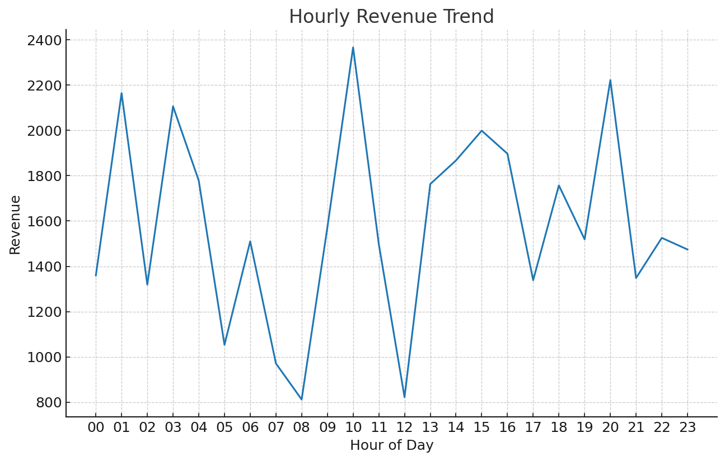
Hour | Revenue
00 | 1359.47
01 | 2163.89
02 | 1319.26
03 | 2105.71
04 | 1778.02
05 | 1053.62
06 | 1509.8
07 | 971.25
08 | 812.32
09 | 1571.29
10 | 2365.54
11 | 1497.37
12 | 822.32
13 | 1762.78
14 | 1866.93
15 | 1998.16
16 | 1896.71
17 | 1338.61
18 | 1756.7
19 | 1518.84
20 | 2221.4
21 | 1348.24
22 | 1525.33
23 | 1474

