Central Tendency
Student | marks | Year | Tonnes production | Month | Sugar production | Shoe size | Avg sales
1 | 30 | 1969 | 46 | 1 | 200 | 4 | 2
2 | 31 | 1970 | 47 | 2 | 220 | 5 | 5
3 | 32 | 1971 | 5 | 3 | 218 | 6 | 32
4 | 35 | 1972 | 2 | 4 | 250 | 7 | 32
5 | 37 | 1973 | 44 | 5 | 230 | 8 | 33
6 | 38 | 1974 | 45 | 6 | 210 | 9 | 10
7 | 99 | 1975 | 45.5 | 7 | 205 | 10 | 25
 | 43.142857143 |  | 33.5 |  | 219 | Most sold
overestimating the performance of the class

One sample dependent T test
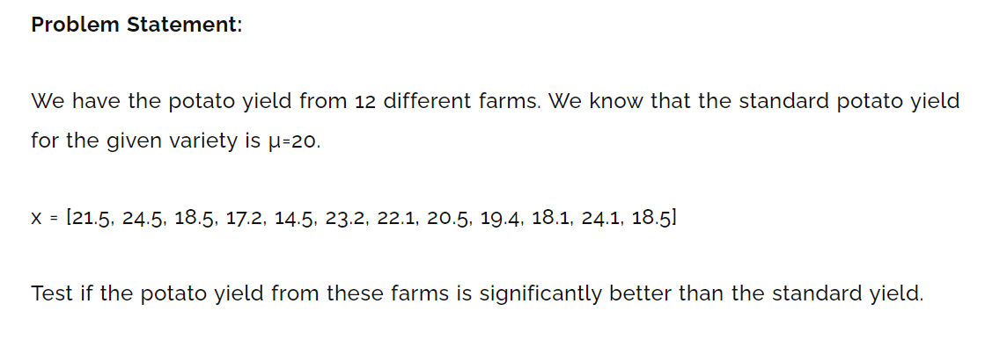

Population Mean | 20
21.5 | 1.325 | 1.755625
24.5 | 4.325 | 18.705625
18.5 | -1.675 | 2.805625
17.2 | -2.975 | 8.850625
14.5 | -5.675 | 32.205625
23.2 | 3.025 | 9.150625
22.1 | 1.925 | 3.705625
20.5 | 0.325 | 0.105625
19.4 | -0.775 | 0.600625
18.1 | -2.075 | 4.305625
24.1 | 3.925 | 15.405625
18.5 | -1.675 | 2.805625
20.175 |  | 100.4025
 | Variance | 9.1275
 | SD | 3.021175268
T test

T statistics | 0.2006562774
DF | 11
T critical | 1.796
 | Accept the null hypo

