Sheet1
CustomerRefNo | BoqNo | DESCRIPTION | IMAGE | UNIT | Quantity | RATE | AMOUNT
A | A | BUILDING
A.1 | A.1 | FLOOR
A.1.1 | A.1.1 | OFFICE 1
A1.1:1 | A1.1:1 | L-SHAPE DESK SIZE: 220 | 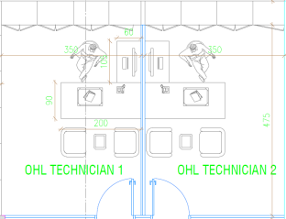 | Nos. | 3
A.1.2 | A.1.2 | ADMIN OFFICE 1 AND 2
A.1.2:1 | A.1.2:1 | DESK SIZE: 210*90*75*160*40 |  | Nos. | 2
A.1.3 | A.1.3 | ENGINEER & TECHNICIAN WIND/ SUPERVISOR & ADF INSPECTOR WIND / ENGINEER 1 2 END
A.1.3:1 | A.1.3:1 | TYPE 1 WORKSTATION FOR 1 PERSON SIZE: 230*170 EACH | 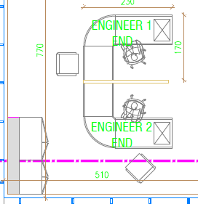 | Nos. | 6
A.1.3:2 | A.1.3:2 | L-SHAPE DESK SIZE: 200 |  | Nos. | 1

